Unit Testing
Unit Testing (individual)

Tester Name
Date | 2026-07-24
Test Description | Verify username/password
Test Case ID | TC1
Test Scenario | Customer Login-in with valid data
Test Data | Email: demo@saveplate.com Password: demo123
Source Code (javascript/php) | const user = users.find(u => u.email.toLowerCase() === emailEl.value.trim().toLowerCase() && u.password === passEl.value); if (!user) { // show "Incorrect password or email." } else { db.setCurrentUser(user); window.location.hash = '#dashboard'; showView('dashboard'); }
Expected Output | User is authenticated and redirected to the Dashboard (#dashboard).
Actual Output | Print Screen (below)
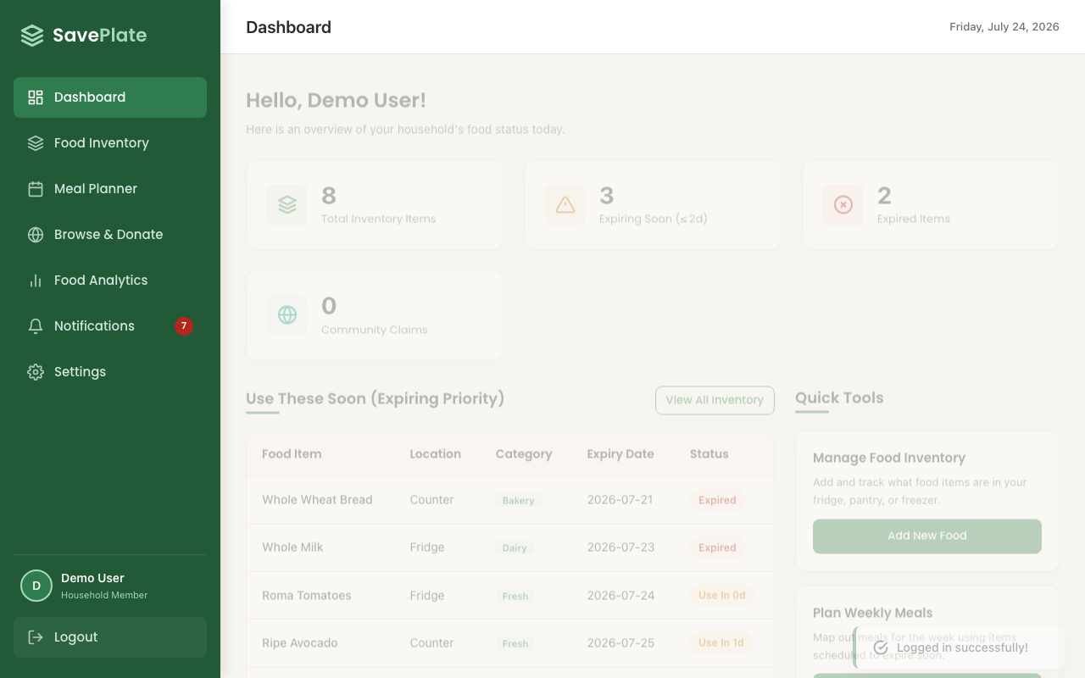

Pass/Fail | PASS
Remarks | Automated via Playwright (tests/uc1-register-login-2fa.spec.js:53).

Tester Name
Date | 2026-07-24
Test Description | Verify username/password
Test Case ID | TC2
Test Scenario | Customer Login-in with invalid UserID and Password
Test Data | Email: demo@saveplate.com Password: wrongpassword
Source Code (javascript/php) | const user = users.find(u => u.email.toLowerCase() === emailEl.value.trim().toLowerCase() && u.password === passEl.value); if (!user) { passEl.parentElement.classList.add('invalid'); errorMsg.textContent = 'Incorrect password or email.'; toast('Login failed. Please check your credentials.', 'error'); return; }
Expected Output | Login is rejected; inline error "Incorrect password or email." and an error toast are shown. User stays on the login screen.
Actual Output | Print Screen (below)
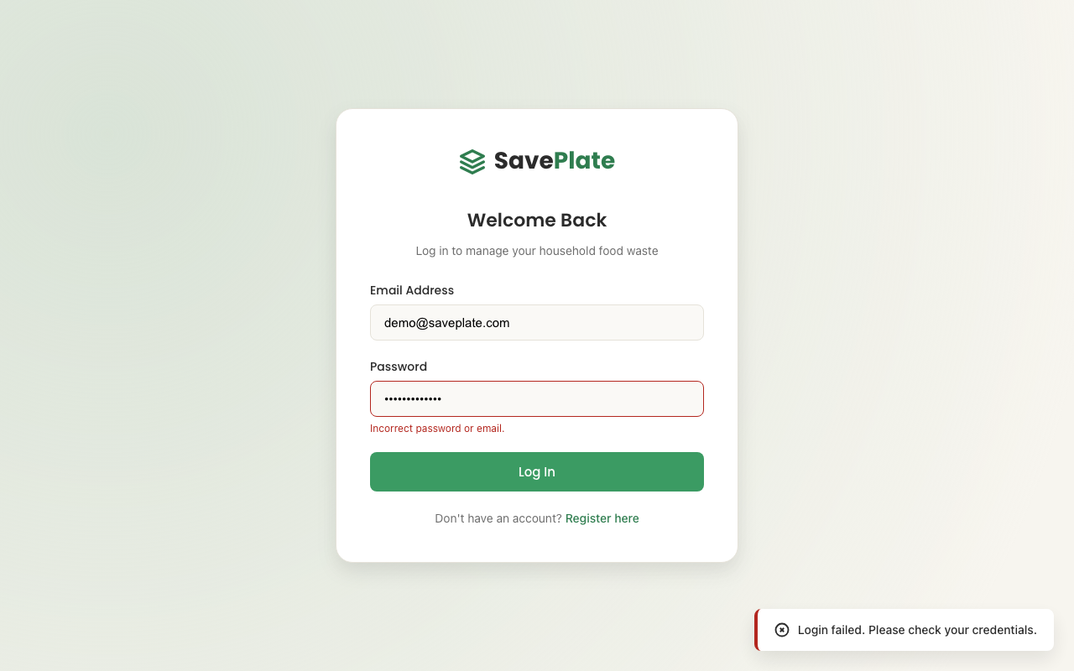

Pass/Fail | PASS
Remarks | Automated via Playwright (tests/uc1-register-login-2fa.spec.js:77).

Section | UC3: Browse & Donate (browse.js) — spec file: tests/uc3-browse-donate.spec.js

Tester Name
Date | 2026-07-24
Test Description | Verify community donation search/filter and claim-ownership rules
Test Case ID | TC1
Test Scenario | Search filter narrows the donation grid by item name
Test Data | Search text: bagels
Source Code (javascript/php) | const searchQuery = document.getElementById('browse-search') .value.toLowerCase().trim(); if (searchQuery) { donations = donations.filter(d => d.name.toLowerCase().includes(searchQuery)); }
Expected Output | Only donations whose name contains "bagels" remain in the grid; the totals label updates to "Showing 1 community donation available".
Actual Output | Print Screen (below)
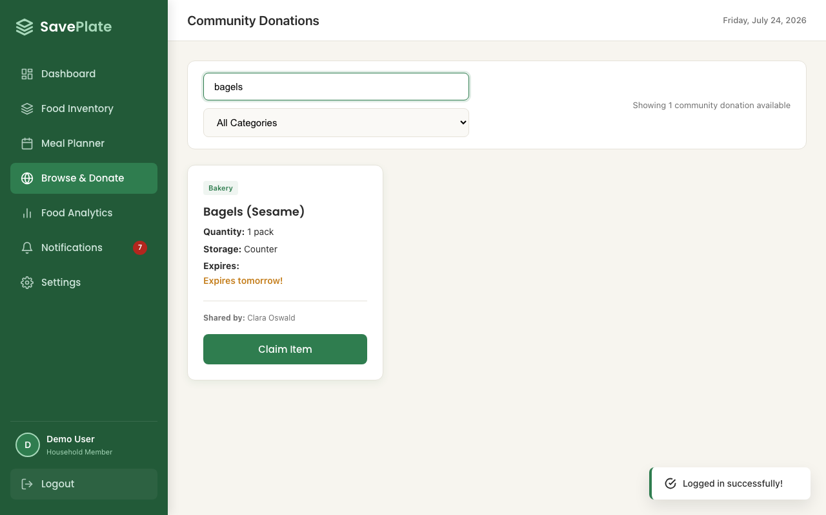

Pass/Fail | PASS
Remarks | Automated via Playwright (tests/uc3-browse-donate.spec.js:30).

Tester Name
Date | 2026-07-24
Test Description | Verify community donation search/filter and claim-ownership rules
Test Case ID | TC2
Test Scenario | Prevent a user from claiming their own donation
Test Data | Donation donorId === current user's id (e.g. "Canned Lentils")
Source Code (javascript/php) | if (item.donorId === user.id) { toast('You cannot claim your own donation!', 'error'); return; } // Card render: own donation gets a disabled button isOwnDonation ? `<button ... disabled>Your Item</button>` : `<button ... onclick="claimDonatedItem('${item.id}')">Claim Item</button>`
Expected Output | The donor's own item shows a disabled "Your Item" button (no "Claim Item" control); the donor field reads "You (My Donation)".
Actual Output | Print Screen (below)
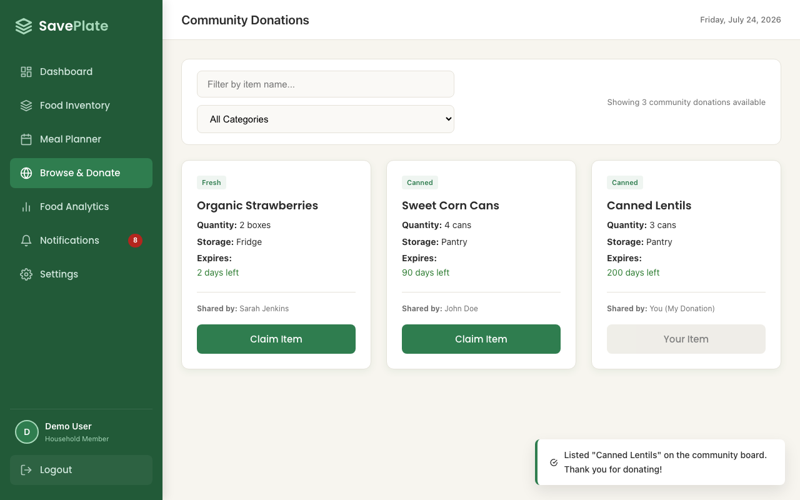

Pass/Fail | PASS
Remarks | Automated via Playwright (tests/uc3-browse-donate.spec.js:62).

Section | UC2: Food Inventory (inventory.js) — spec file: tests/uc2-inventory.spec.js

Tester Name
Date | 2026-07-24
Test Description | Verify inventory expiry-status logic and add-item validation
Test Case ID | TC1
Test Scenario | Expiry status pill classification (Expired / Use in Xd / Fresh)
Test Data | Whole Wheat Bread: expired 2026-07-21 Roma Tomatoes: expires today Fuji Apples: expires 2026-08-03
Source Code (javascript/php) | const days = daysUntil(item.expiryDate); if (days < 0) { statusHtml = `<span class="pill pill-danger">Expired</span>`; } else if (days <= 2) { statusHtml = `<span class="pill pill-warning">Use in ${days}d</span>`; } else { statusHtml = `<span class="pill pill-fresh">Fresh</span>`; }
Expected Output | Whole Wheat Bread shows a red "Expired" pill, Roma Tomatoes shows an amber "Use in 0d" pill, and Fuji Apples shows a green "Fresh" pill.
Actual Output | Print Screen (below)
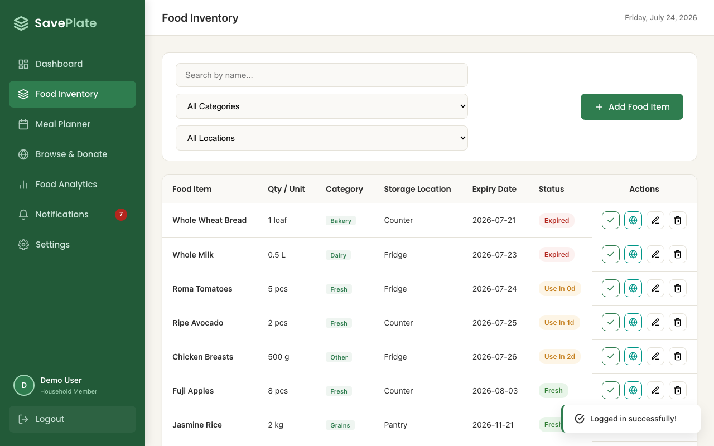

Pass/Fail | PASS
Remarks | Automated via Playwright (tests/uc2-inventory.spec.js:31).

Tester Name
Date | 2026-07-24
Test Description | Verify inventory expiry-status logic and add-item validation
Test Case ID | TC2
Test Scenario | Add Food Item form validation rejects empty name, zero quantity, blank expiry
Test Data | Food Name: (empty) Quantity: 0 Expiry Date: (empty)
Source Code (javascript/php) | if (!nameEl.value.trim()) { nameEl.parentElement.classList.add('invalid'); isValid = false; } const qty = parseFloat(qtyEl.value); if (isNaN(qty) || qty <= 0) { qtyEl.parentElement.classList.add('invalid'); isValid = false; } if (!expiryEl.value) { expiryEl.parentElement.classList.add('invalid'); isValid = false; } if (!isValid) return;
Expected Output | Name and Quantity fields are flagged invalid with inline error text; the modal stays open and no item is saved.
Actual Output | Print Screen (below)
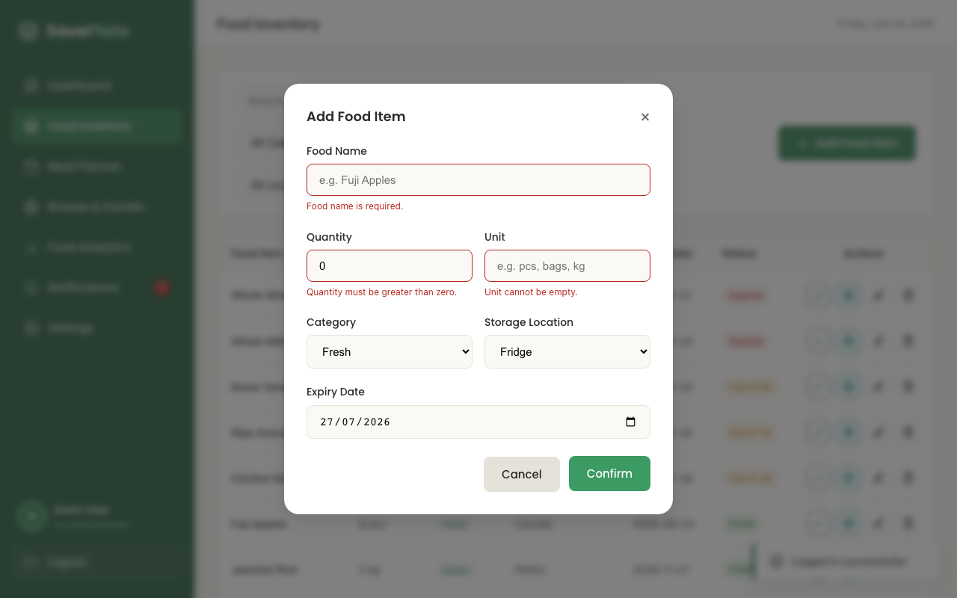

Pass/Fail | PASS
Remarks | Automated via Playwright (tests/uc2-inventory.spec.js:51).

System Testing
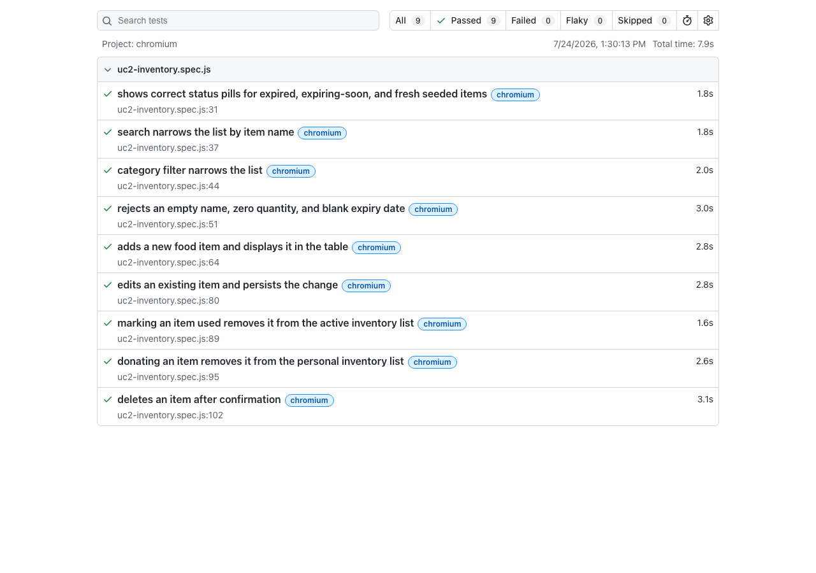
System Testing (use Playwright) — replaces Selenium IDE; spec file: tests/uc1-register-login-2fa.spec.js

Functional Requirement | Sign-up

Test Case ID | TC1
Test Scenario | Sign-up with invalid data (empty name, bad email, out-of-range household size, short/mismatched password)
Test Data | Name: (empty) Email: not-an-email Household Size: 99 Password: 123 Confirm Password: 456
Test Steps | 1. Go to the app, click "Register here". 2. Leave Full Name empty. 3. Enter an invalid email, size 99, password '123', confirm '456'. 4. Click "Register Account".
Expected Output | All five fields are flagged invalid (red outline + inline error text); no account is created; user stays on the Create Account screen.
Actual Output (Screen Shots) | See screenshot below
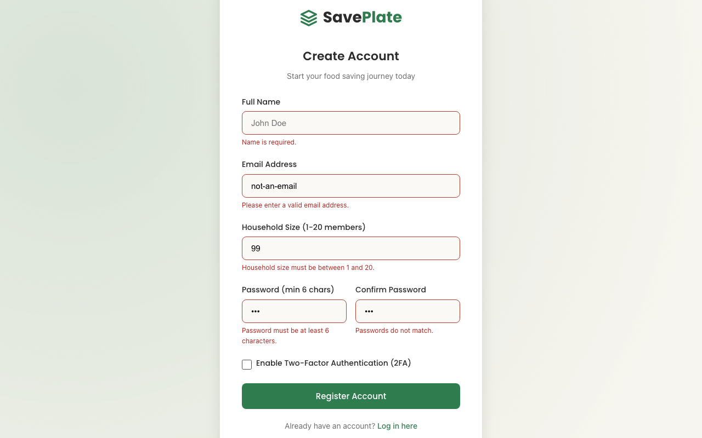

Pass/Fail (log) | PASS
Remarks | tests/uc1-register-login-2fa.spec.js:17

Test Case ID | TC2
Test Scenario | Sign-up with an email that is already registered
Test Data | Name: Duplicate Tester Email: demo@saveplate.com (existing) Password/Confirm: validpass
Test Steps | 1. Click "Register here". 2. Fill in a valid name/password using the already-registered demo email. 3. Click "Register Account".
Expected Output | Email field is flagged invalid with the message "This email is already registered."; no duplicate account is created.
Actual Output (Screen Shots) | See screenshot below
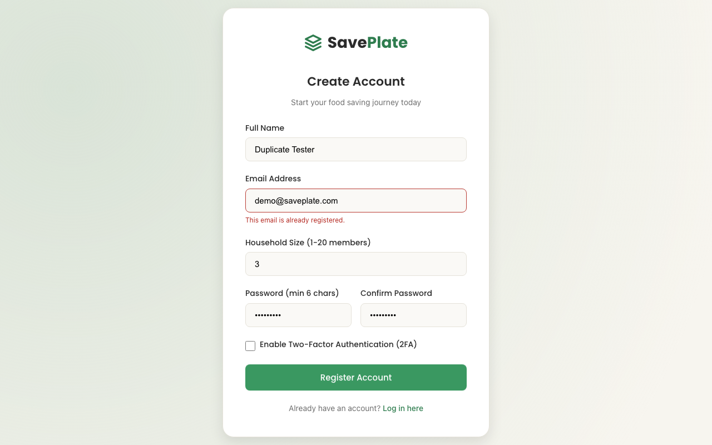

Pass/Fail (log) | PASS
Remarks | tests/uc1-register-login-2fa.spec.js:38

Test Case ID | TC3
Test Scenario | Sign-up successfully with valid data (no 2FA)
Test Data | Name: Evidence Tester Email: evidence_<timestamp>@saveplate.com Password/Confirm: demo123
Test Steps | 1. Click "Register here". 2. Fill in valid name, a unique email, matching password/confirm. 3. Leave "Enable Two-Factor Authentication" unchecked. 4. Click "Register Account".
Expected Output | Account is created; user is returned to the Login screen with their email pre-filled and a success toast shown.
Actual Output (Screen Shots) | See screenshot below
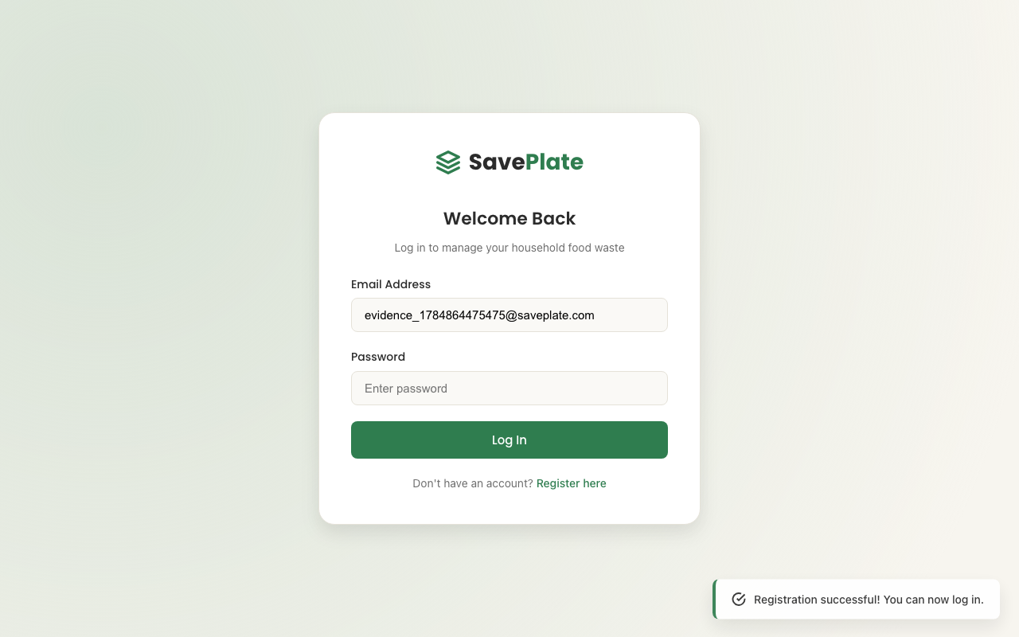

Pass/Fail (log) | PASS
Remarks | tests/uc1-register-login-2fa.spec.js:53

Test Case ID | TC4
Test Scenario | Sign-up with 2FA enabled, then log in using the generated authenticator code
Test Data | Name: Evidence 2FA Tester Email: evidence2fa_<timestamp>@saveplate.com Password/Confirm: demo123 2FA: enabled
Test Steps | 1. Click "Register here", fill valid details, check "Enable Two-Factor Authentication (2FA)". 2. Click "Register Account" → a "Set Up 2FA" modal opens with a live 6-digit code. 3. Click "Confirm" to complete setup. 4. Log in with the new account's email/password. 5. On the 2FA Verification screen, submit the live code shown.
Expected Output | 2FA secret is saved; login is blocked until a valid TOTP code is entered; correct code logs the user into the Dashboard.
Actual Output (Screen Shots) | See screenshot below
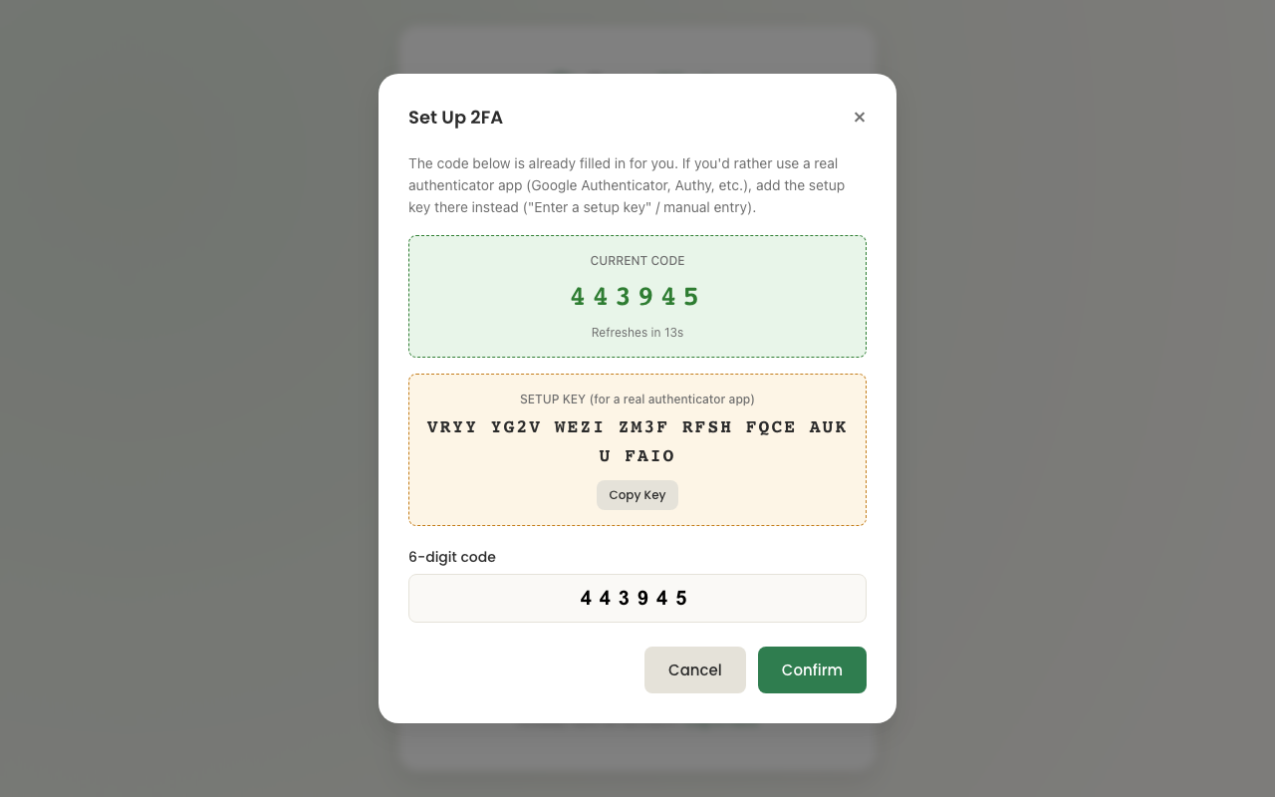

Pass/Fail (log) | PASS
Remarks | tests/uc1-register-login-2fa.spec.js:90

Screen Shot of Playwright Log | Full UC1 suite run (7/7 passed) — replaces "Screen Shot of Selenium Log"
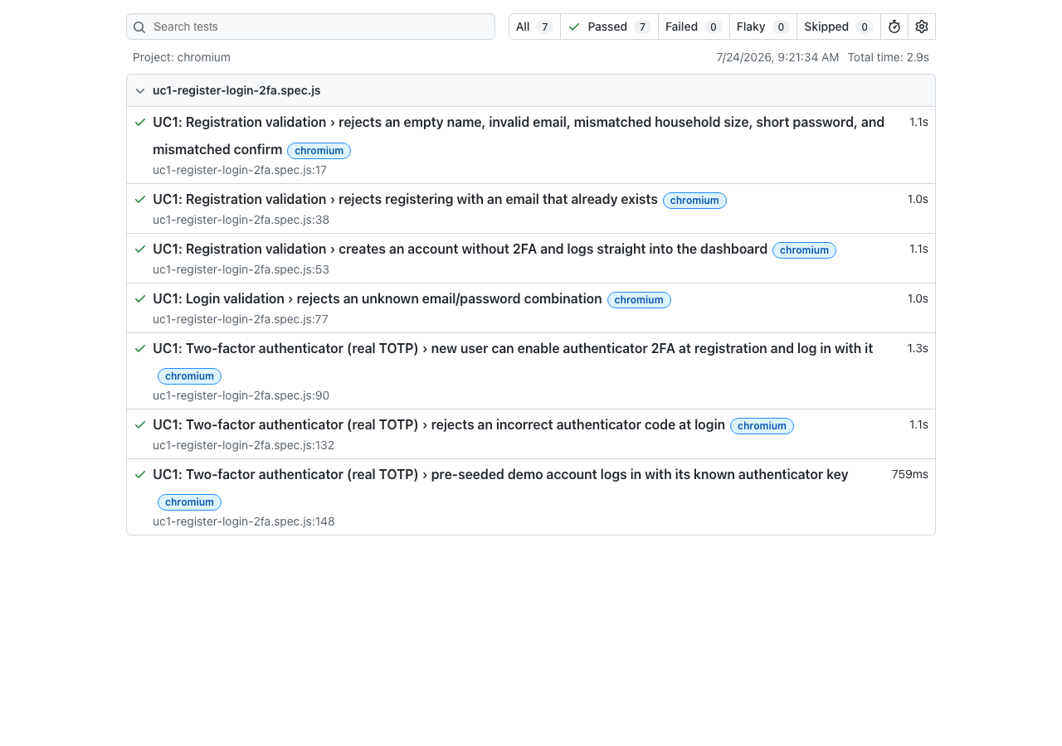

Section | UC3: Browse & Donate (use Playwright) — spec file: tests/uc3-browse-donate.spec.js

Functional Requirement | Browse & Donate

Test Case ID | TC1
Test Scenario | Renders seeded community donations with donor and details
Test Data | Logged in as demo@saveplate.com (seeded dataset: Bagels, Organic Strawberries, Sweet Corn Cans)
Test Steps | 1. Log in as the demo account. 2. Click "Browse & Donate" in the sidebar.
Expected Output | Grid shows 3 donation cards ("Showing 3 community donations available"); each card shows name, quantity, category, storage, expiry, and donor (e.g. "Sarah Jenkins" on Organic Strawberries).
Actual Output (Screen Shots) | See screenshot below
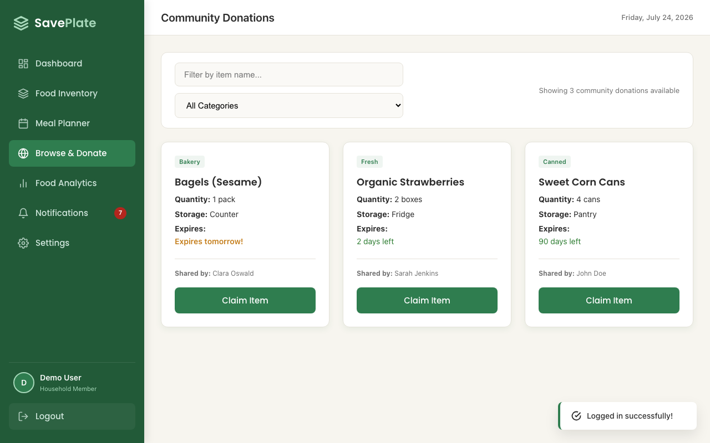

Pass/Fail (log) | PASS
Remarks | tests/uc3-browse-donate.spec.js:20

Test Case ID | TC2
Test Scenario | Search narrows the donation grid by item name
Test Data | Search text: bagels
Test Steps | 1. On Browse & Donate, type "bagels" into the search box.
Expected Output | Grid narrows to a single card, "Bagels (Sesame)"; totals label reads "Showing 1 community donation available".
Actual Output (Screen Shots) | See screenshot below

Pass/Fail (log) | PASS
Remarks | tests/uc3-browse-donate.spec.js:30

Test Case ID | TC3
Test Scenario | Category filter narrows the donation grid
Test Data | Category filter: Canned
Test Steps | 1. On Browse & Donate, select "Canned" from the category dropdown.
Expected Output | Grid narrows to a single card, "Sweet Corn Cans"; totals label reads "Showing 1 community donation available".
Actual Output (Screen Shots) | See screenshot below
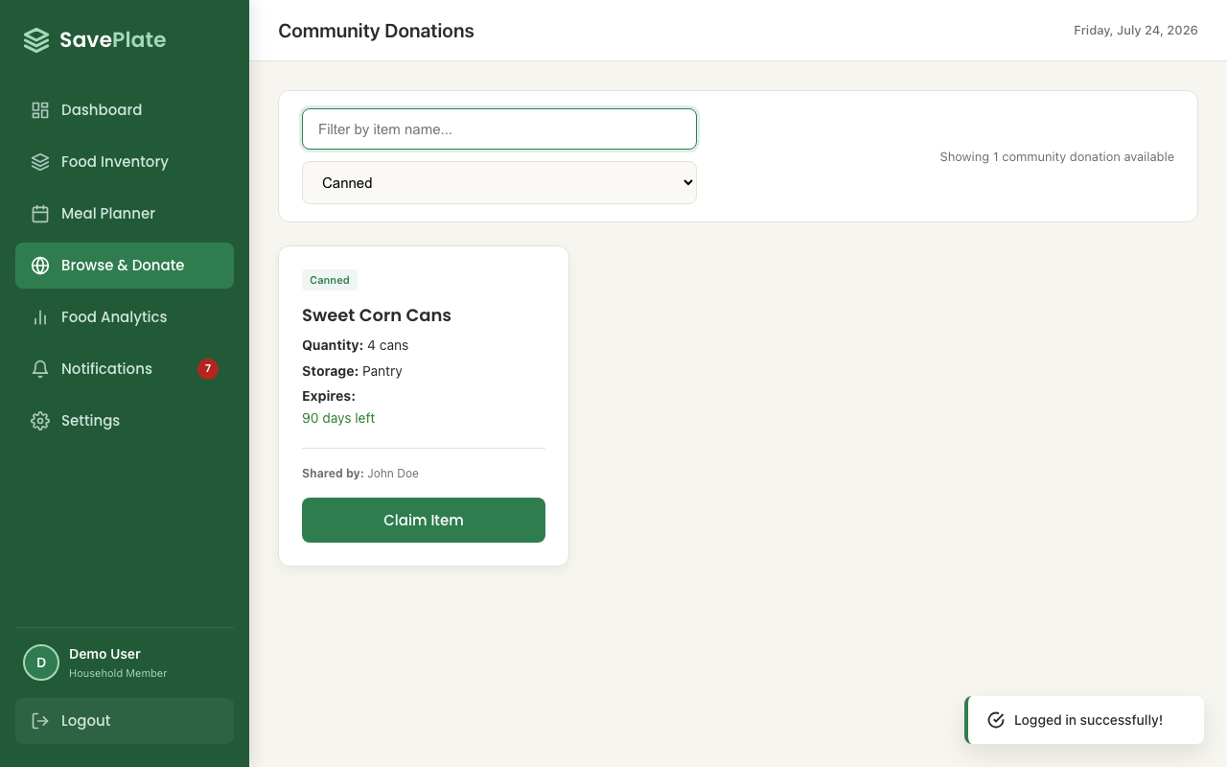

Pass/Fail (log) | PASS
Remarks | tests/uc3-browse-donate.spec.js:39

Test Case ID | TC4
Test Scenario | Claiming a donation removes it from the board and notifies the claimer
Test Data | Claim target: Bagels (Sesame), donated by Clara Oswald
Test Steps | 1. On "Bagels (Sesame)", click "Claim Item". 2. Click "Confirm" in the claim dialog. 3. Open "Notifications" in the sidebar.
Expected Output | The card disappears from the board ("Showing 2 community donations available"); a "Donation Claimed: Bagels (Sesame)" notification appears for the claimer.
Actual Output (Screen Shots) | See screenshot below
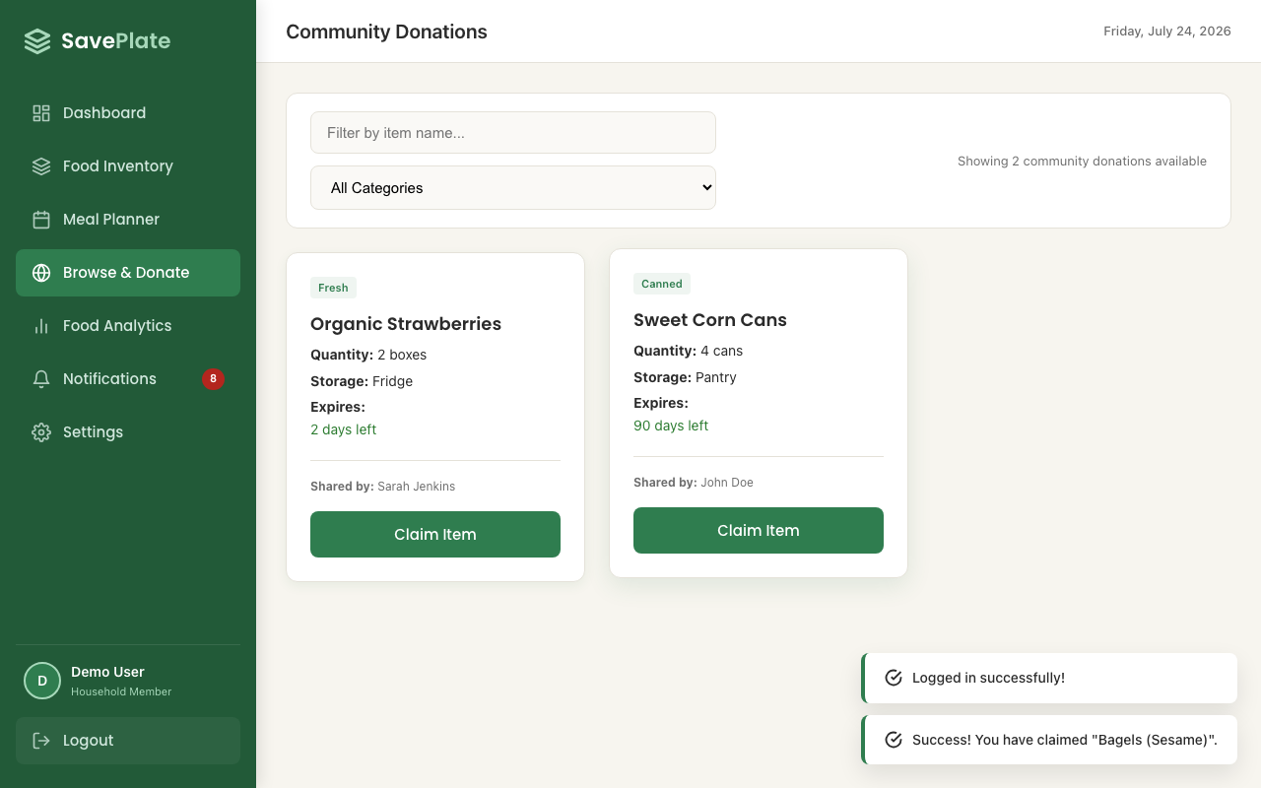

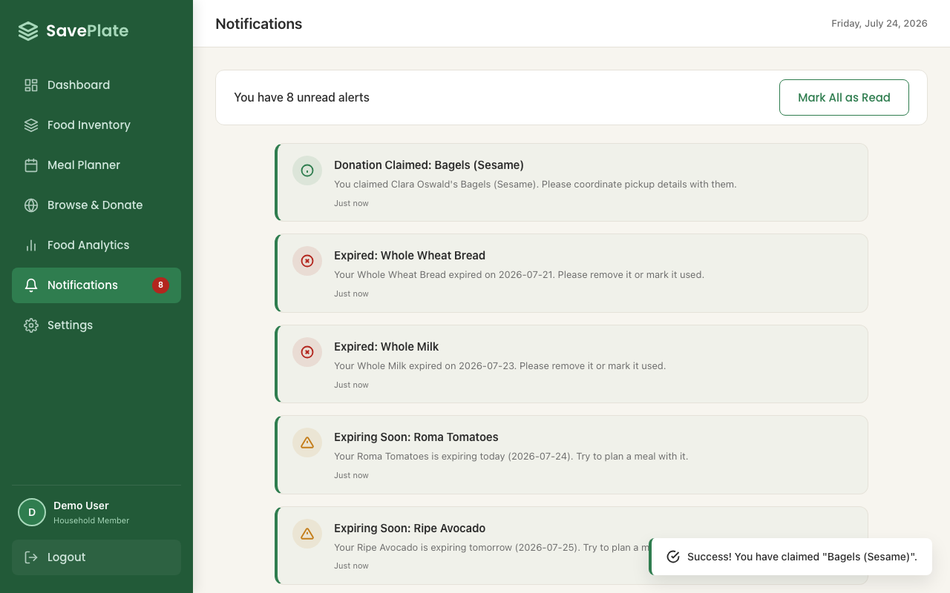

Pass/Fail (log) | PASS
Remarks | tests/uc3-browse-donate.spec.js:48

Test Case ID | TC5
Test Scenario | Cannot claim your own donation
Test Data | Donate "Canned Lentils" from inventory, then view it on the community board
Test Steps | 1. On "Food Inventory", click "Donate to Community Board" for "Canned Lentils" and confirm. 2. Go to "Browse & Donate".
Expected Output | The "Canned Lentils" card shows donor "You (My Donation)" and a disabled "Your Item" button; no "Claim Item" button is shown.
Actual Output (Screen Shots) | See screenshot below

Pass/Fail (log) | PASS
Remarks | tests/uc3-browse-donate.spec.js:62

Screen Shot of Playwright Log | Full UC3 suite run (5/5 passed) — replaces "Screen Shot of Selenium Log"
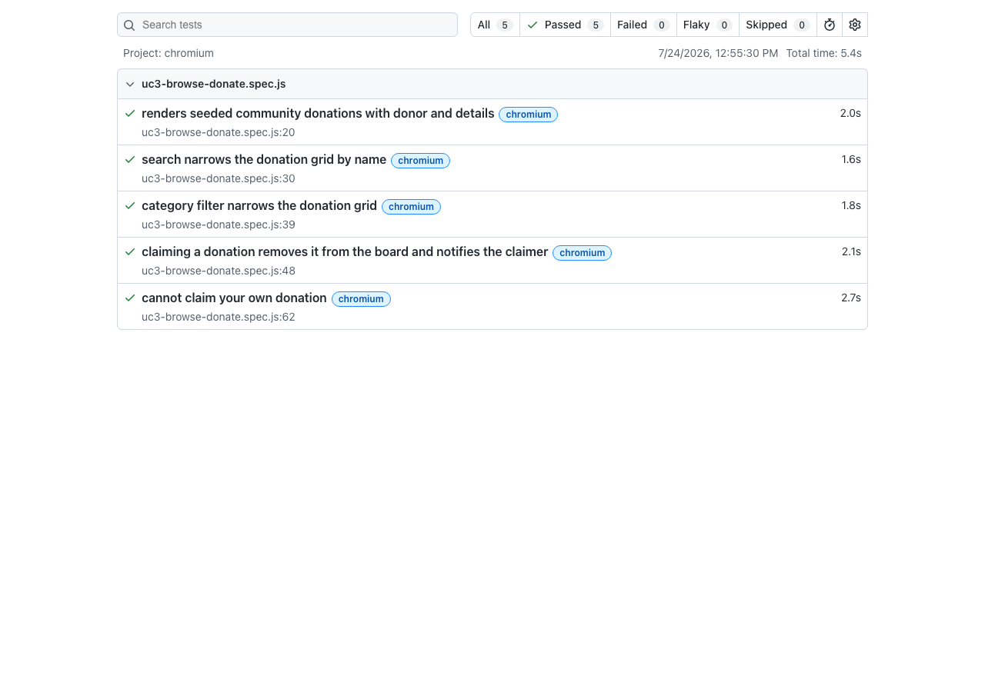

Section | UC2: Food Inventory (use Playwright) — spec file: tests/uc2-inventory.spec.js

Functional Requirement | Food Inventory Management

Test Case ID | TC1
Test Scenario | Shows correct status pills for expired, expiring-soon, and fresh seeded items
Test Data | Seeded items: Whole Wheat Bread (expired), Roma Tomatoes (expires today), Fuji Apples (expires 2026-08-03)
Test Steps | 1. Log in as the demo account. 2. Click "Food Inventory" in the sidebar.
Expected Output | Whole Wheat Bread shows a red "Expired" pill; Roma Tomatoes shows an amber "Use in 0d" pill; Fuji Apples shows a green "Fresh" pill.
Actual Output (Screen Shots) | See screenshot below

Pass/Fail (log) | PASS
Remarks | tests/uc2-inventory.spec.js:31

Test Case ID | TC2
Test Scenario | Search narrows the list by item name
Test Data | Search text: avocado
Test Steps | 1. On Food Inventory, type "avocado" into the search box.
Expected Output | The table narrows to a single row, "Ripe Avocado".
Actual Output (Screen Shots) | See screenshot below
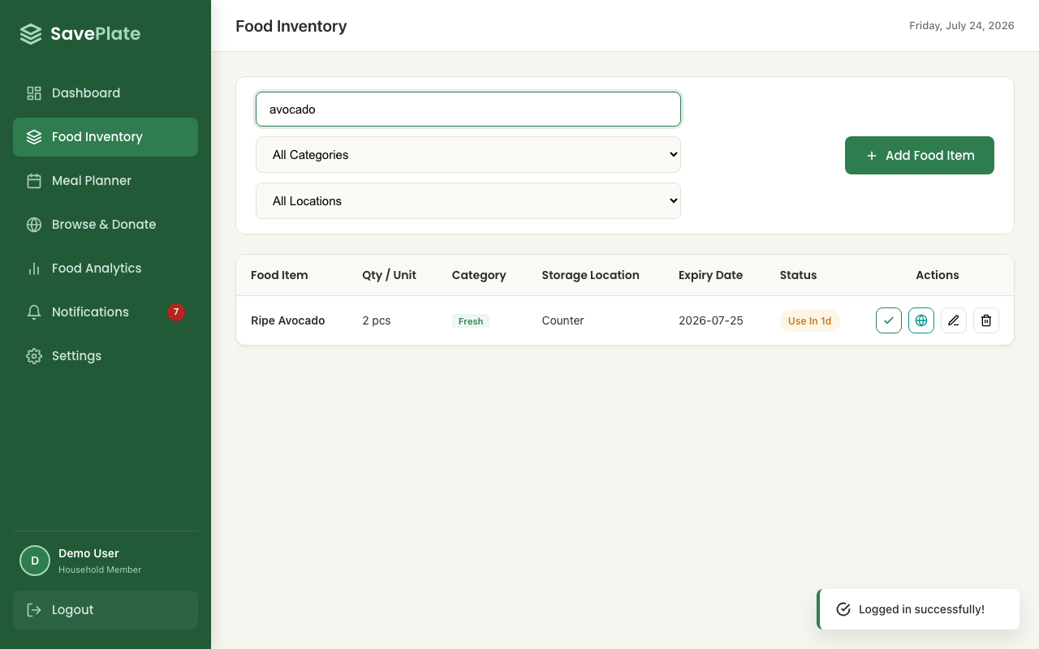

Pass/Fail (log) | PASS
Remarks | tests/uc2-inventory.spec.js:37

Test Case ID | TC3
Test Scenario | Category filter narrows the list
Test Data | Category filter: Dairy
Test Steps | 1. On Food Inventory, select "Dairy" from the category dropdown.
Expected Output | The table narrows to a single row, "Whole Milk".
Actual Output (Screen Shots) | See screenshot below
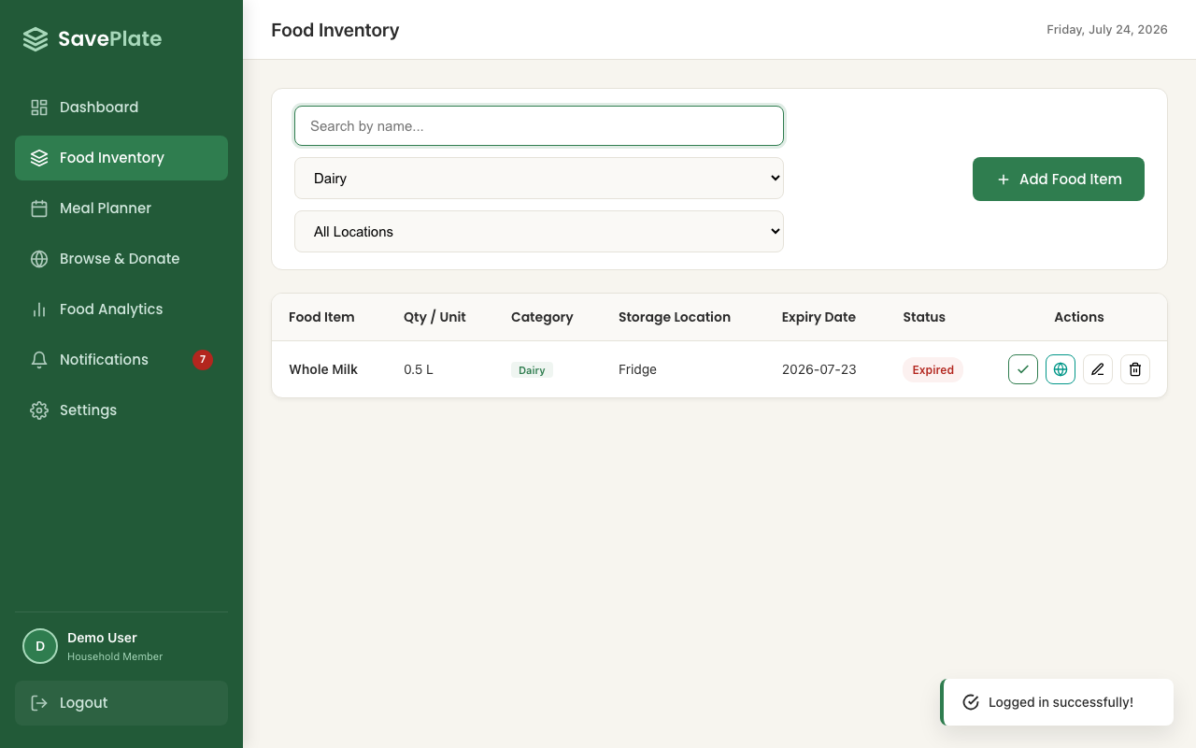

Pass/Fail (log) | PASS
Remarks | tests/uc2-inventory.spec.js:44

Test Case ID | TC4
Test Scenario | Rejects an empty name, zero quantity, and blank expiry date
Test Data | Food Name: (empty) Quantity: 0 Expiry Date: (empty)
Test Steps | 1. Click "Add Food Item". 2. Set Quantity to "0", leave Food Name and Expiry Date empty. 3. Click "Confirm".
Expected Output | Food Name and Quantity fields are flagged invalid with inline error text; the modal stays open and no item is saved.
Actual Output (Screen Shots) | See screenshot below

Pass/Fail (log) | PASS
Remarks | tests/uc2-inventory.spec.js:51

Test Case ID | TC5
Test Scenario | Adds a new food item and displays it in the table
Test Data | Name: Greek Yogurt Quantity: 2 tubs Category: Dairy Location: Fridge Expiry: 2027-01-01
Test Steps | 1. Click "Add Food Item" and fill in valid details. 2. Click "Confirm".
Expected Output | The modal closes and "Greek Yogurt" appears as a new row in the inventory table.
Actual Output (Screen Shots) | See screenshot below
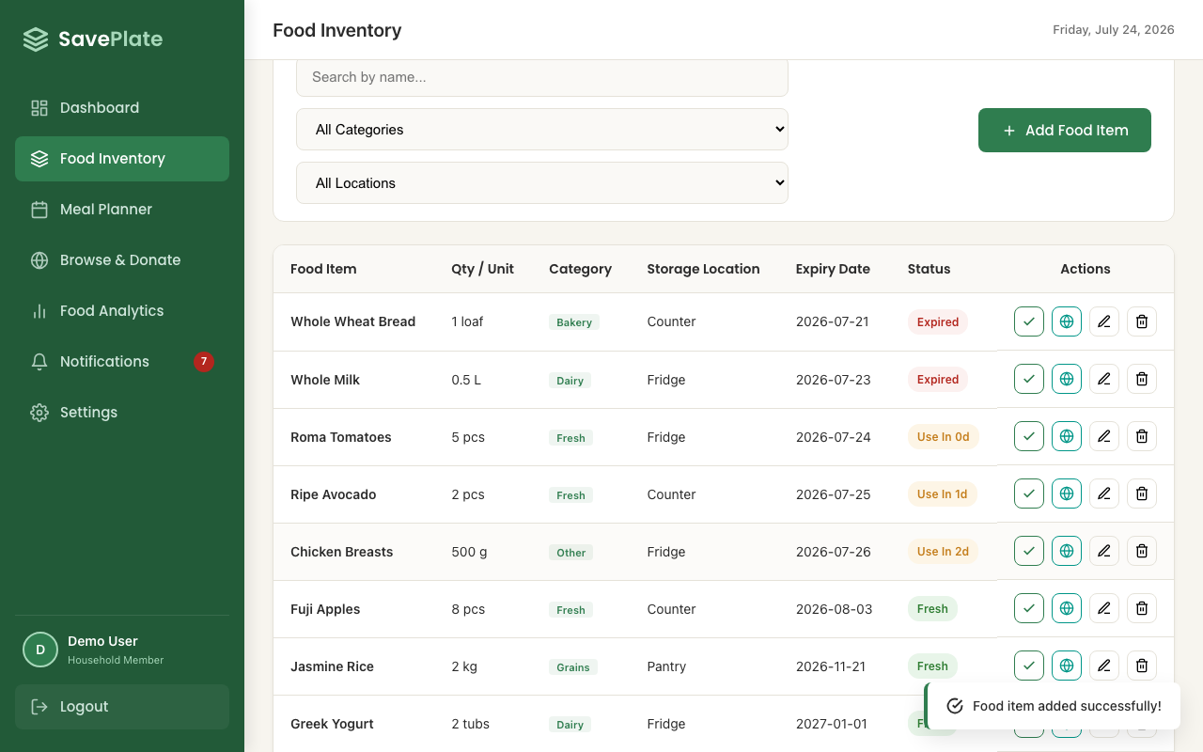

Pass/Fail (log) | PASS
Remarks | tests/uc2-inventory.spec.js:64

Test Case ID | TC6
Test Scenario | Marking an item used removes it from the active inventory list
Test Data | Item: Jasmine Rice
Test Steps | 1. Click the "Mark Used / Eaten" icon on the "Jasmine Rice" row.
Expected Output | The "Jasmine Rice" row is removed from the active inventory table.
Actual Output (Screen Shots) | See screenshot below
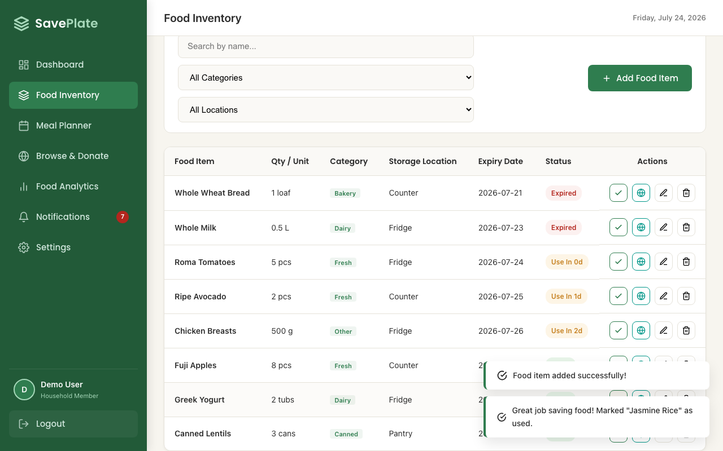

Pass/Fail (log) | PASS
Remarks | tests/uc2-inventory.spec.js:89

Test Case ID | TC7
Test Scenario | Donating an item removes it from the personal inventory list
Test Data | Item: Canned Lentils
Test Steps | 1. Click "Donate to Community Board" on the "Canned Lentils" row. 2. Click "Confirm".
Expected Output | The "Canned Lentils" row is removed from the personal inventory table (it now appears on the community board — see UC3).
Actual Output (Screen Shots) | See screenshot below
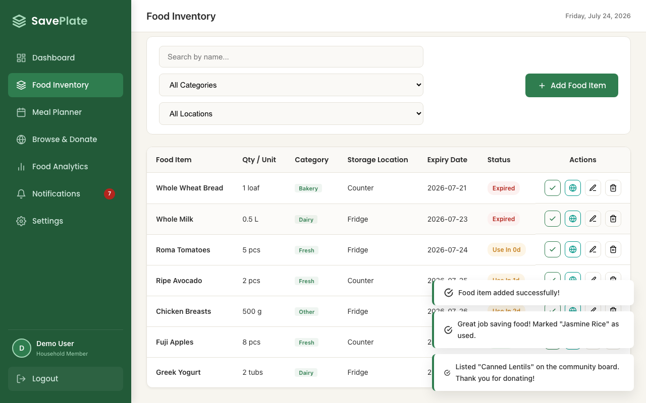

Pass/Fail (log) | PASS
Remarks | tests/uc2-inventory.spec.js:95

Test Case ID | TC8
Test Scenario | Deletes an item after confirmation
Test Data | Item: Chicken Breasts
Test Steps | 1. Click the "Delete Item" icon on the "Chicken Breasts" row. 2. Click "Confirm" in the delete dialog.
Expected Output | A confirmation dialog appears ("Are you sure you want to delete this item?"); after confirming, the "Chicken Breasts" row is removed.
Actual Output (Screen Shots) | See screenshot below
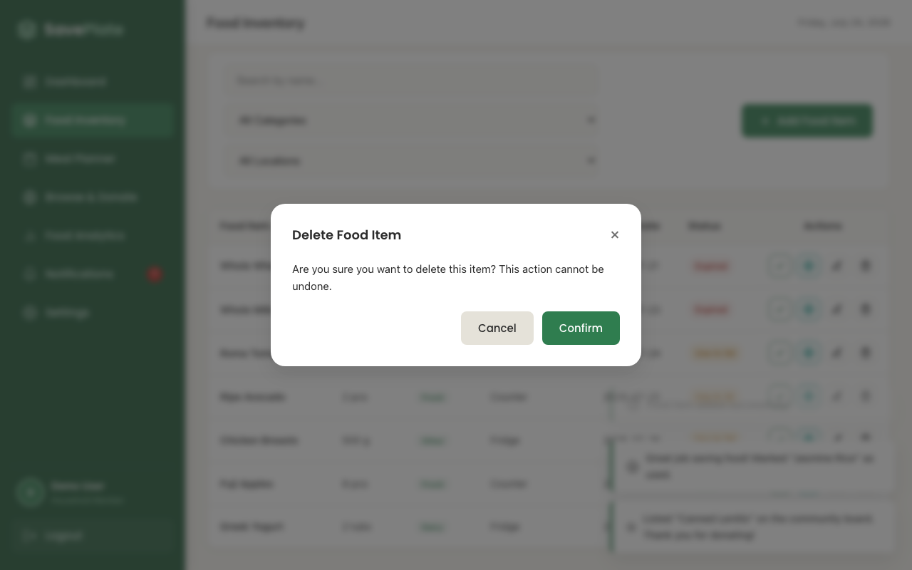

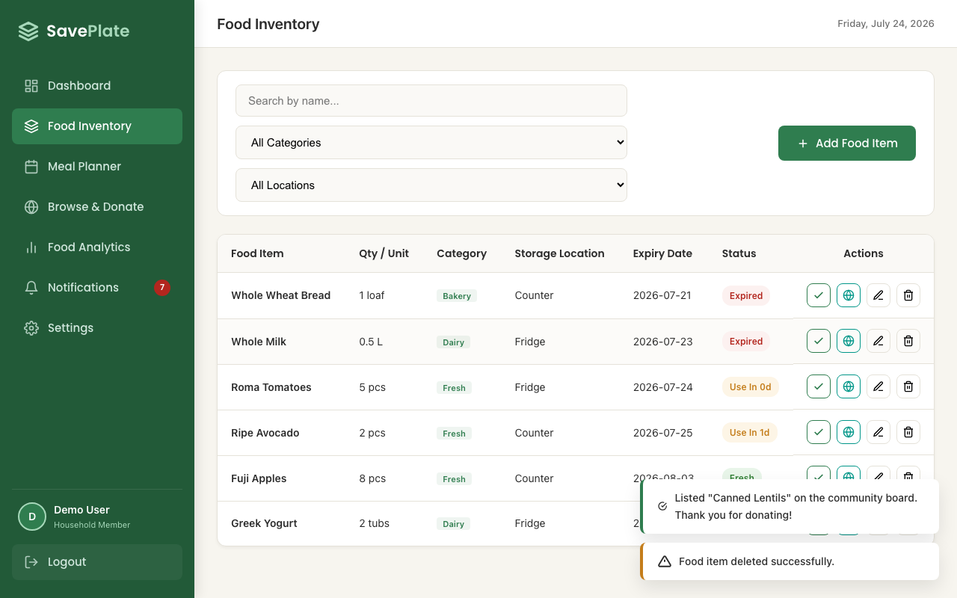

Pass/Fail (log) | PASS
Remarks | tests/uc2-inventory.spec.js:102

Screen Shot of Playwright Log | Full UC2 suite run (9/9 passed) — replaces "Screen Shot of Selenium Log"

