Column Transformation
Column Name | Transformation Reason | Transformation Details |  | New Column Name
inq_last_6mths | Categorical (0,1,more then 1) | Entropy is low, as the number of investigations increases, so does the percentage of failure, therefore we divided it into 3 categories (no investigations - relatively low failure percentage, low number of investigations - relatively average failure percentage, high number of investigations - relatively high failure percentage). | 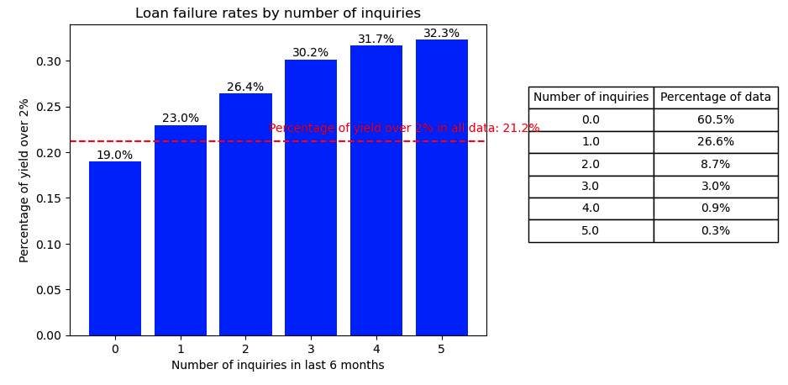 | inq_last_6mths_cat
num_tl_90g_dpd_24m | Binary(0- no accounts, 1- a history of having accounts) | The entropy is low, in most cases when the number of accounts is higher than 0 percent the average failure is higher than the average in the population. That's why we created a binary variable that indicates whether the number of accounts is higher than 0 or not. | 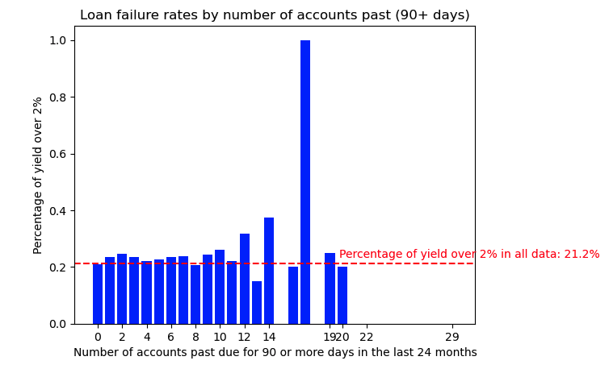 | has_past_due_accounts_90g_24m
pub_rec_bankruptcies | Binary(0- no public record bankruptcies, 1- more then one public record bankruptcies) | The entropy is low, in most cases when the number of public records is higher than 0 percent the average failure is higher than the average in the population. That's why we created a binary variable that indicates whether the number of public records bankruptcies is higher than 0 or not. | 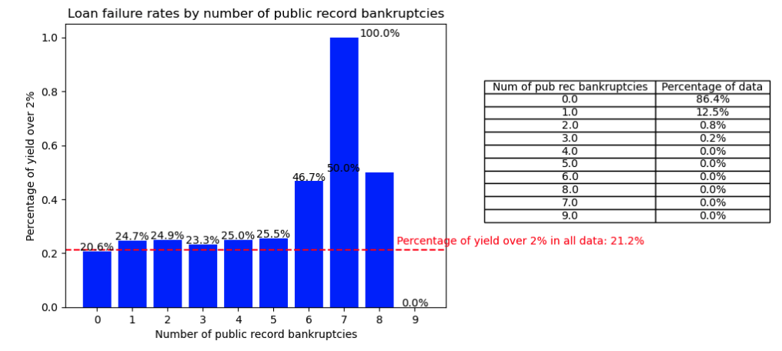 | has_pub_rec_bankruptcies
tax_liens | Binary(0- no tax liens, 1- more then one tax liens) | The entropy is low, in most cases when the number of tax liens is higher than 0 percent the average failure is higher than the average in the population. That's why we created a binary variable that indicates whether the tax liens is higher than 0 or not. | 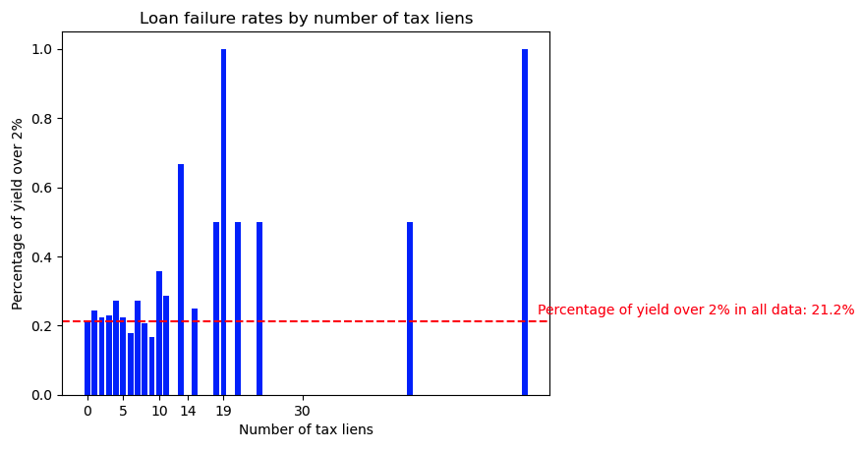 | has_tax_liens
purpose | Binary(1- yield over 2% percentage greater than population mean,0- otherwise) | The frequency of some values of the variable is very low. To overcome this, we took the purpose for which the failure percentage is higher than the average in the data and defined 1, when it is equal to or less than 0. | 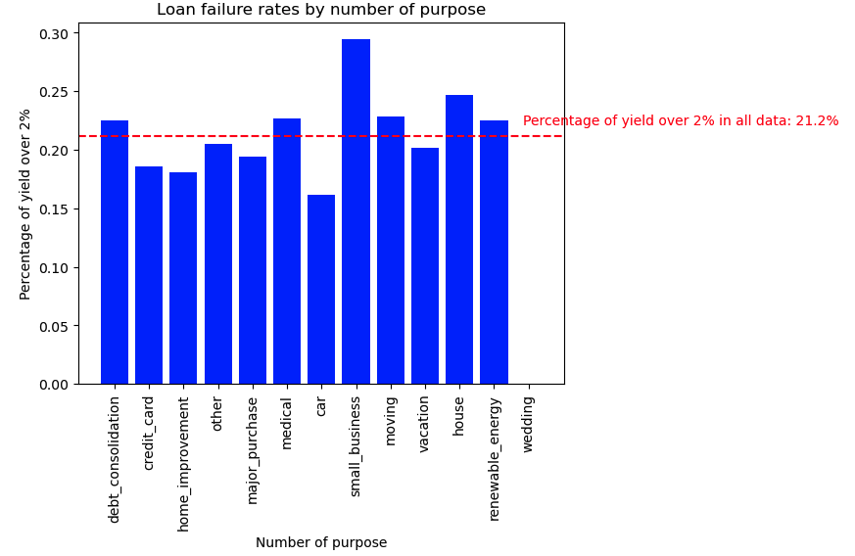 | purpose_danger
addr_state | Binary(1- yield over 2% percentage greater than population mean,0- otherwise) | The frequency of some values of the variable is very low. To overcome this, we took the purpose for which the failure percentage is higher than the average in the data and defined 1, when it is equal to or less than 0. | 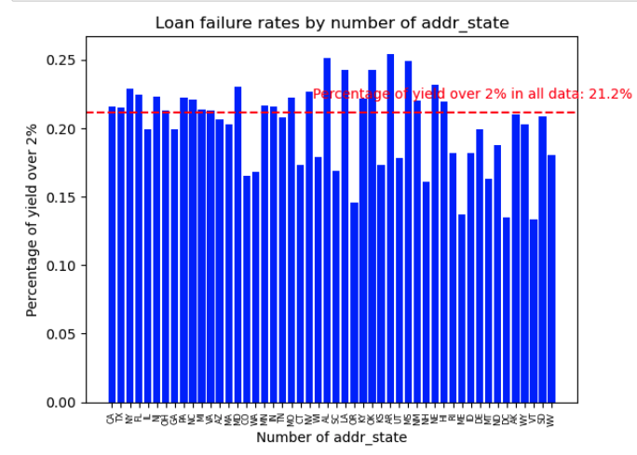 | addr_state_danger
earliest_cr_line | data['issue_d'] - data["earliest_cr_line"] | Calculate the age of the borrower's credit history may indicate their creditworthiness, with longer credit histories suggesting lower risk assuming a good credit record during that time. |  | Age_of_credit_history

Handling missing values
Column Name | Missing Values | % Missing | Imputation Method
il_util | 43357 | 13.2008% | LinearRegression with ['all_util', 'open_il_12m', 'total_bal_il', 'open_il_24m', 'open_act_il']
mths_since_recent_inq | 32274 | 9.8264% | LinearRegression with ['mo_sin_rcnt_tl', 'mo_sin_rcnt_rev_tl_op', 'fico_range_high', 'fico_range_low']
emp_length | 21394 | 6.5138% | We divided the annual_inc to bins and then generated all possible combinations of home ownership and income ranges, and computed the mode value of the available data for each combination.
mths_since_rcnt_il | 8843 | 2.6924% | current by using the mode value | 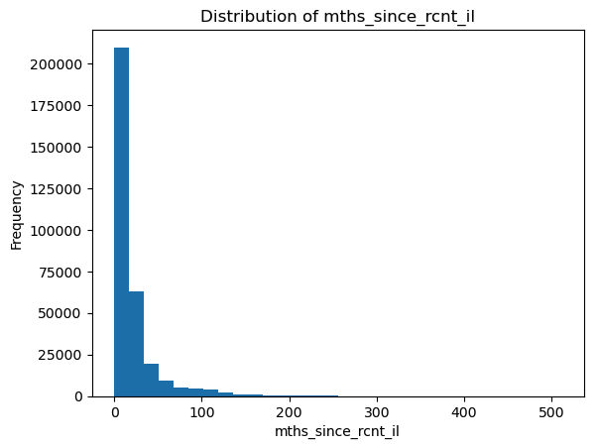
mo_sin_old_il_acct | 8792 | 2.6769% | current by using the median value | 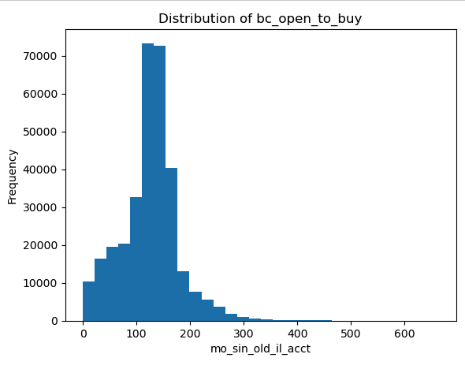
bc_util | 3707 | 1.1287% | current by using the average value | 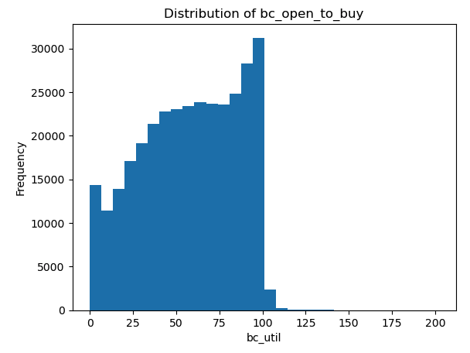
percent_bc_gt_75 | 3567 | 1.0860% | current by using the average value | 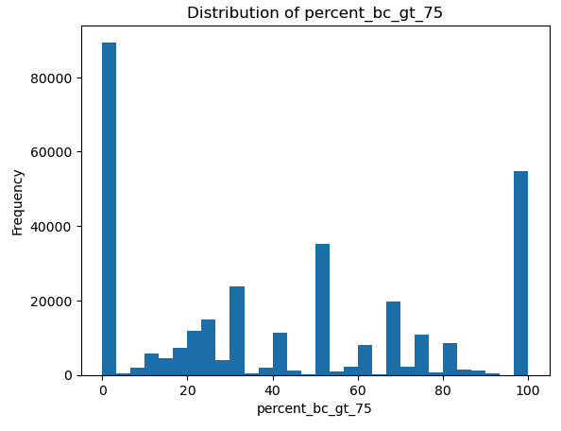
bc_open_to_buy | 3542 | 1.0784% | current by using the median value | 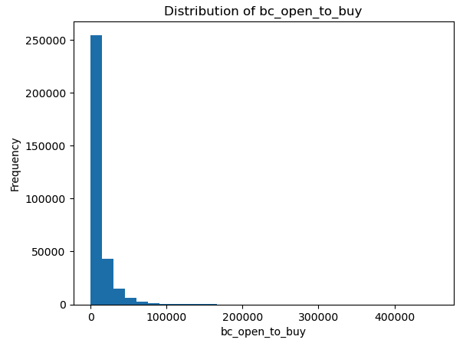
mths_since_recent_bc | 3328 | 1.0133% | current by using the median value | 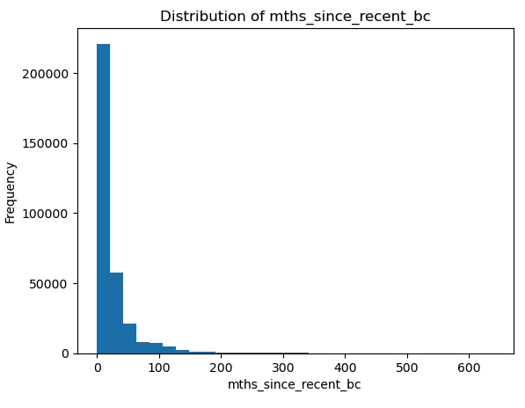
revol_util | 201 | 0.0612% | We removed all instances with the missing values
all_util | 74 | 0.0225% | We removed all instances with the missing values
total_cu_tl | 57 | 0.0174% | We removed all instances with the missing values
open_acc_6m | 57 | 0.0174% | We removed all instances with the missing values
inq_last_12m | 57 | 0.0174% | We removed all instances with the missing values
open_act_il | 56 | 0.0171% | We removed all instances with the missing values
inq_fi | 56 | 0.0171% | We removed all instances with the missing values
max_bal_bc | 56 | 0.0171% | We removed all instances with the missing values
open_rv_24m | 56 | 0.0171% | We removed all instances with the missing values
open_rv_12m | 56 | 0.0171% | We removed all instances with the missing values
total_bal_il | 56 | 0.0171% | We removed all instances with the missing values
open_il_24m | 56 | 0.0171% | We removed all instances with the missing values
open_il_12m | 56 | 0.0171% | We removed all instances with the missing values
inq_last_6mths_cat | 1 | 0.0003% | We removed all instances with the missing values

Features with missing value | 50
Features without missing value | 23

נושא פניה | count
Business relevance | 4
identical values | 3
Leakage | 42
Missing values>45% | 23
Remaining features | 66
Transformed | 6
Low Entropy | 6

Features by Missing Value

low frequency values
Column Name | treatment
grade | Keep the same to enable a fair comparison between our model and the company's model.
sub_grade | Keep the same to enable a fair comparison between our model and the company's model.
home_ownership | We will replace "any" with "other" to improve clarity and retain the category to avoid model instability. | 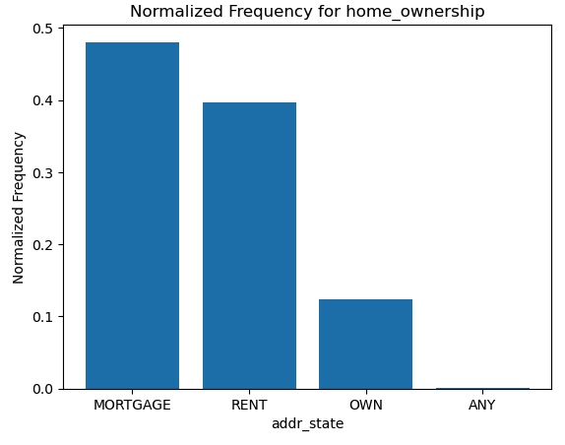
purpose | 2 methods : 1. Transformed (detailed in Column Transformation sheet) 2. We replaced categories with values less than 1% of the data with "Other" to avoid unreliable representation of the population. | 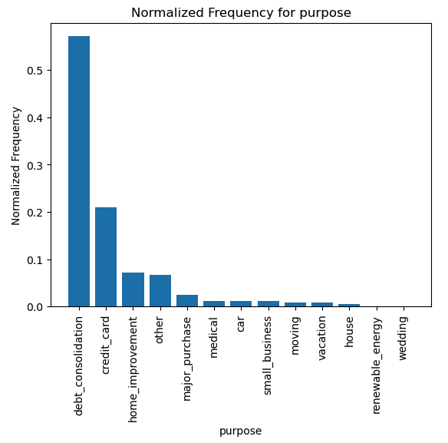
addr_state | Transformed (detailed in Column Transformation sheet) | 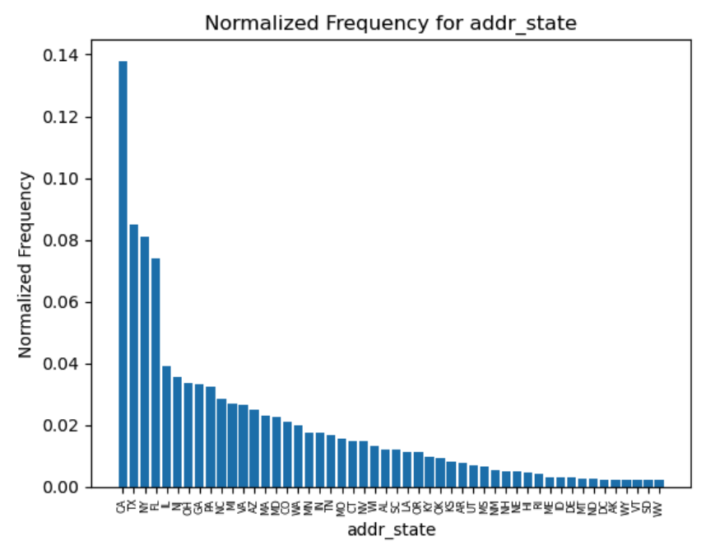
earliest_cr_line | Transformed (detailed in Column Transformation sheet)

