Instructions
Instructions:- | Notes for Normal/Routine Use.
If you follow the below instructions correctly, then you can successfully feed RT Quotes to AmiBroker.
These are all One Time Setup | Before you Open AmiBroker You should always Open this Excel File First& Press Start DDE

Step1:- | Whenever You need to Add New Symbol, Stop DDE if Running & Add Symbol in MarketWatch Sheet
First we need to enable Macros in Excel : Do as follows | & Add then Add the Symbol In AmiBroker
Click on the Office Button (Top Left)
Select Excel Options | AmiBroker will request Real Time Quotes for Active Chart Tickers Only
From Left Navigation - Select Trust Center | To Receive Quotes for All Tickers , You Should add All Tickers to Real Time Quote window in
Select Trust Center Settings | AmiBroker and Keep Realtime Quote window Open
From Left Navigation - Macro Settings
Select - Enable All Macros | Opening Sequence
Press Ok to close | Pi --> Excel & Start DDE --> AmiBroker
Close the Excel & Re-Open to take effect of macro settings. & Continue Setup
 | Closing Sequence
Step2:- | AmiBroker --> Stop DDE & Excel --> Pi
Login to Pi.
Add Required symbols in Pi Market Watch for which you require Data

Step3:-
Now Goto Excel Sheet 'MarketWatch'
Add Required Exch & Trade Symbol. Exch & Trade symbol should excatly match with Pi Market Watch
For Example :- NSE ICICIBANK-EQ NFO NIFTY16NOVFUT MCX SILVERM16NOVFUT
If Start DDE button is ON then you cannot add items.So Stop DDE if Running.
Once You added all Required Symbols, Press Start DDE button
Now DDE Started

Step4:-
AmiBroker Database Settings.Do Exactly as Below.
Open AmiBroker
File --> New --> Database
Now Give Your Database a Name. Ex:- PiRTD
Press Create Button
Datasource : Select DDE Universal Plugin From Dropdown
Number of Bars : 50000
Base Time Interval : 1 minute
Press Ok to Close Database Settings
Now You can see Yellow Color Indication at Bottom Right corner in
Amibroker
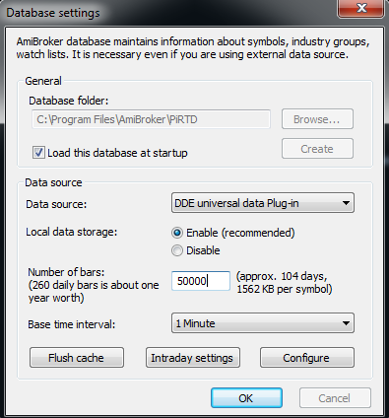

We need to add a Dummy Symbol, So that AmiBroker will save DDE Settings
Menu Bar --> Symbol --> New
Add 'SAMPLETICKER"
Now select the Added Symbol From symbol Pane.So that it become active chart
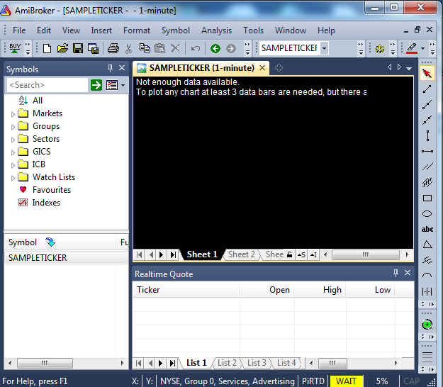

Now Goto File-->Database settings
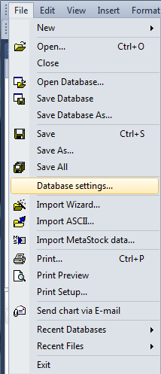

In Database setting --> Press Confgure Button (Bottom)
In the Configure DDE Plugin : Do as Follows

Preset : Generic 2
DDE Server Name : EXCEL

&& in the DDE Defintions Fields, Copy Paste the Below on all Boxes

DDE!{ticker}_{field}

Once done Press OK to Configure DDE Window
Press OK to Close Database Settings
As Soon as You Close Database Settings, The Yellow Indication will change to Green
That means that everything correct && AmiBroker is successfully Connected to Excel to Receive Quotes.

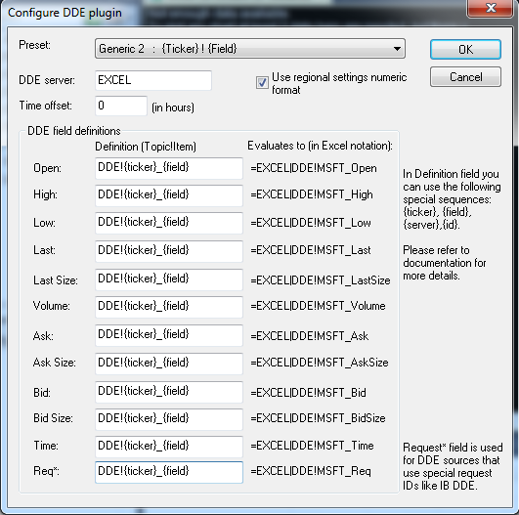

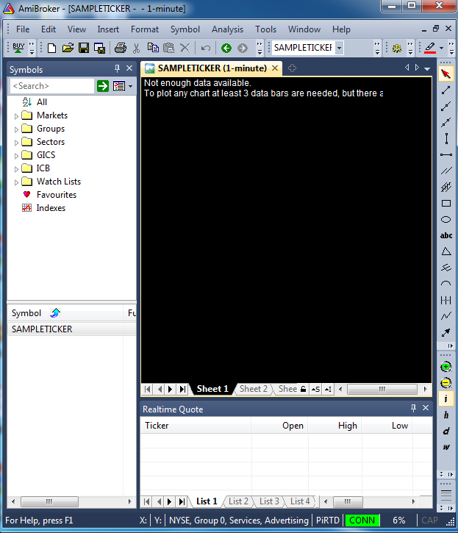

Now its time add Tickers in AmiBroker
Trade symbol & Its equivalent AmiBroker Ticker Format is available in DDE worksheet.(Coulum N)
You should add the Exact Ticker in AmiBroker
For Ex:-
TradeSymbol - ICICIBANK-EQ
Ticker - ICICIBANKEQ

TradeSymbol - NIFTY16NOVFUT
Ticker - NIFTY16NOVFUT

The Logic is AmiBroker Ticker should not have any Speacial Characters viz - _ &

&& We need to add those symbols to Realtime Quote Window of AmiBroker

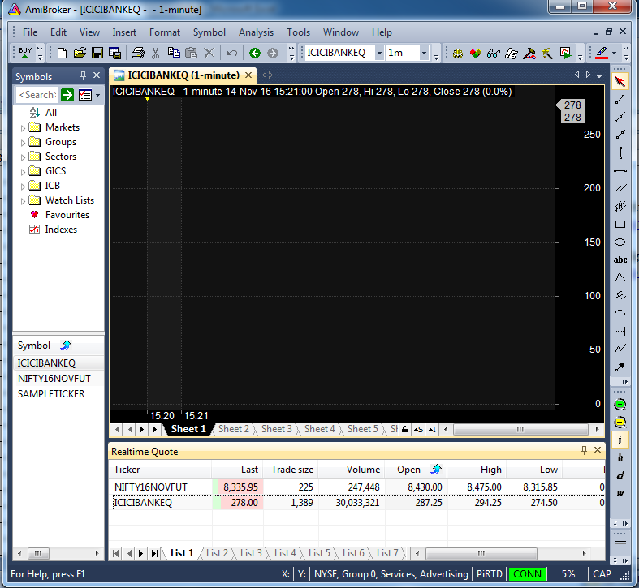

This Completes AmiBroker Setup.

Now You can Feed Reat Time Quotes from Pi Market Watch to AmiBroker.
We have wriiten a very simple & easy to understand steps.

Please GoTo the Next Page for Instructions for Routine use.

Regards,
http://algostart.com/

