CLO_histogram
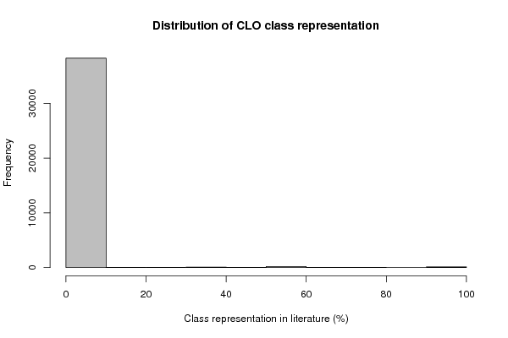
Frequency Table (Histogram)
Bins | Midpoint | Abs. Frequency | Rel. Frequency | Cumul. Rel. Freq. | Density
[0,10[ | 5 | 38250 | 0.983063 | 0.983063 | 0.098306
[10,20[ | 15 | 57 | 0.001465 | 0.984528 | 0.000146
[20,30[ | 25 | 58 | 0.001491 | 0.986019 | 0.000149
[30,40[ | 35 | 86 | 0.00221 | 0.988229 | 0.000221
[40,50[ | 45 | 35 | 9.00E-04 | 0.989128 | 9.00E-05
[50,60[ | 55 | 185 | 0.004755 | 0.993883 | 0.000475
[60,70[ | 65 | 55 | 0.001414 | 0.995297 | 0.000141
[70,80[ | 75 | 36 | 0.000925 | 0.996222 | 9.30E-05
[80,90[ | 85 | 17 | 0.000437 | 0.996659 | 4.40E-05
[90,100] | 95 | 130 | 0.003341 | 1 | 0.000334

CL_histogram
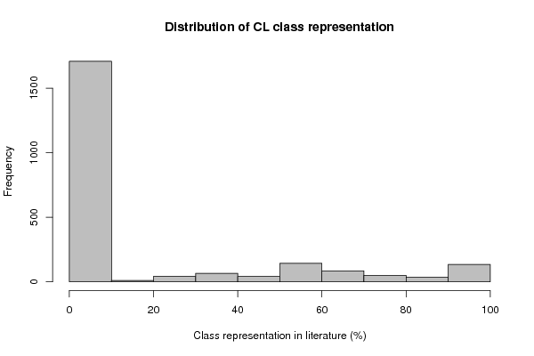
Frequency Table (Histogram)
Bins | Midpoint | Abs. Frequency | Rel. Frequency | Cumul. Rel. Freq. | Density
[0,10[ | 5 | 1708 | 0.736524 | 0.736524 | 0.073652
[10,20[ | 15 | 11 | 0.004743 | 0.741268 | 0.000474
[20,30[ | 25 | 44 | 0.018974 | 0.760241 | 0.001897
[30,40[ | 35 | 66 | 0.028461 | 0.788702 | 0.002846
[40,50[ | 45 | 41 | 0.01768 | 0.806382 | 0.001768
[50,60[ | 55 | 143 | 0.061665 | 0.868047 | 0.006166
[60,70[ | 65 | 85 | 0.036654 | 0.9047 | 0.003665
[70,80[ | 75 | 50 | 0.021561 | 0.926261 | 0.002156
[80,90[ | 85 | 36 | 0.015524 | 0.941785 | 0.001552
[90,100] | 95 | 135 | 0.058215 | 1 | 0.005821

