MissionA Target Classifications
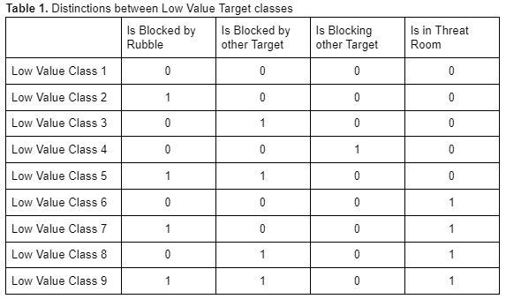
Target_Excel_ID | Metadata_ID | X_coord | Z_coord | IsHighValue | IsBlockedByRubble | IsBlockedByTarget | IsBlockingTarget | IsInThreatRoom | Class
1 | 1 | -2222 | -5 | 0 | 1 | 1 | 0 | 1 | 9
2 | 2 | -2217 | -1 | 0 | 0 | 0 | 1 | 1 | 0
3 | 3 | -2216 | -1 | 0 | 0 | 0 | 1 | 1 | 0
4 | 36 | -2209 | 36 | 0 | 0 | 0 | 0 | 0 | 1
5 | 32 | -2209 | 34 | 0 | 0 | 0 | 0 | 0 | 1
6 | 22 | -2208 | 27 | 0 | 1 | 0 | 0 | 0 | 2
7 | 8 | -2205 | 2 | 0 | 1 | 0 | 0 | 0 | 2
8 | 42 | -2203 | 39 | 0 | 0 | 0 | 0 | 0 | 1
9 | 6 | -2202 | 1 | 0 | 0 | 0 | 0 | 0 | 1
10 | 33 | -2199 | 34 | 0 | 0 | 0 | 0 | 1 | 6
11 | 30 | -2199 | 32 | 0 | 1 | 0 | 0 | 1 | 7
12 | 43 | -2193 | 39 | 0 | 0 | 0 | 0 | 0 | 1
13 | 26 | -2192 | 30 | 0 | 0 | 0 | 0 | 1 | 6
14 | 45 | -2186 | 40 | 0 | 0 | 0 | 1 | 0 | 4
15 | 34 | -2182 | 35 | 0 | 0 | 1 | 0 | 0 | 3
16 | 5 | -2181 | 0 | 0 | 0 | 0 | 0 | 0 | 1
17 | 48 | -2180 | 42 | 0 | 0 | 0 | 0 | 0 | 1
18 | 11 | -2080 | 7 | 0 | 0 | 0 | 0 | 0 | 1
19 | 15 | -2176 | 14 | 0 | 0 | 0 | 0 | 0 | 1
20 | 12 | -2173 | 8 | 0 | 1 | 0 | 0 | 0 | 2
21 | 37 | -2172 | 36 | 0 | 1 | 0 | 0 | 1 | 7
22 | 9 | -2172 | 3 | 0 | 0 | 0 | 0 | 0 | 1
23 | 44 | -2171 | 39 | 0 | 0 | 0 | 0 | 1 | 6
24 | 46 | -2170 | 41 | 0 | 0 | 0 | 0 | 1 | 6
25 | 18 | -2169 | 17 | 0 | 0 | 0 | 0 | 1 | 6
26 | 50 | -2168 | 44 | 0 | 1 | 0 | 0 | 0 | 2
27 | 20 | -2168 | 23 | 0 | 0 | 0 | 0 | 0 | 1
28 | 19 | -2168 | 17 | 0 | 0 | 0 | 0 | 1 | 6
29 | 16 | -2168 | 14 | 0 | 1 | 0 | 0 | 1 | 7
30 | 13 | -2168 | 8 | 0 | 0 | 0 | 0 | 0 | 1
31 | 41 | -2166 | 38 | 0 | 0 | 0 | 0 | 0 | 1
32 | 10 | -2163 | 5 | 0 | 1 | 0 | 0 | 0 | 2
33 | 23 | -2162 | 28 | 0 | 1 | 0 | 0 | 0 | 2
34 | 21 | -2162 | 26 | 0 | 0 | 0 | 0 | 0 | 1
35 | 53 | -2161 | 48 | 0 | 0 | 0 | 0 | 0 | 1
36 | 38 | -2155 | 36 | 0 | 1 | 0 | 0 | 0 | 2
37 | 49 | -2133 | 42 | 0 | 0 | 1 | 0 | 1 | 8
38 | 28 | -2132 | 30 | 0 | 0 | 1 | 0 | 0 | 3
39 | 55 | -2130 | 56 | 0 | 0 | 0 | 0 | 0 | 1
40 | 40 | -2128 | 37 | 0 | 0 | 0 | 1 | 1 | 0
41 | 54 | -2126 | 55 | 0 | 1 | 0 | 0 | 0 | 2
42 | 51 | -2126 | 47 | 0 | 0 | 0 | 0 | 0 | 1
43 | 52 | -2125 | 47 | 0 | 0 | 0 | 0 | 0 | 1
44 | 35 | -2124 | 35 | 0 | 1 | 0 | 0 | 1 | 7
45 | 25 | -2122 | 29 | 0 | 0 | 0 | 1 | 0 | 4
46 | 4 | -2113 | -1 | 0 | 1 | 0 | 0 | 0 | 2
47 | 39 | -2098 | 36 | 0 | 0 | 0 | 0 | 0 | 1
48 | 29 | -2095 | 30 | 0 | 1 | 0 | 0 | 0 | 2
49 | 14 | -2092 | 9 | 0 | 1 | 0 | 0 | 0 | 2
50 | 31 | -2090 | 32 | 0 | 0 | 0 | 0 | 0 | 1
51 | 7 | -2194 | 1 | 1 | 1 | 0 | 0 | 0 | 2
52 | 27 | -2183 | 30 | 1 | 0 | 0 | 0 | 0 | 1
53 | 24 | -2169 | 29 | 1 | 1 | 0 | 0 | 0 | 2
54 | 17 | -2126 | 15 | 1 | 0 | 0 | 0 | 0 | 1
55 | 47 | -2097 | 41 | 1 | 0 | 0 | 0 | 0 | 1
 |  |  |  |  | 18 | 4 | 5 | 15

