Regular_road_normal
From Node NO. | To Node NO. | Road type | Length(km)
1 | 13 | 2 | 7
1 | 14 | 2 | 3
2 | 3 | 2 | 9
2 | 15 | 1 | 4.5
3 | 4 | 2 | 4.5
3 | 16 | 1 | 3.5
4 | 17 | 1 | 4.25
5 | 6 | 2 | 4.5
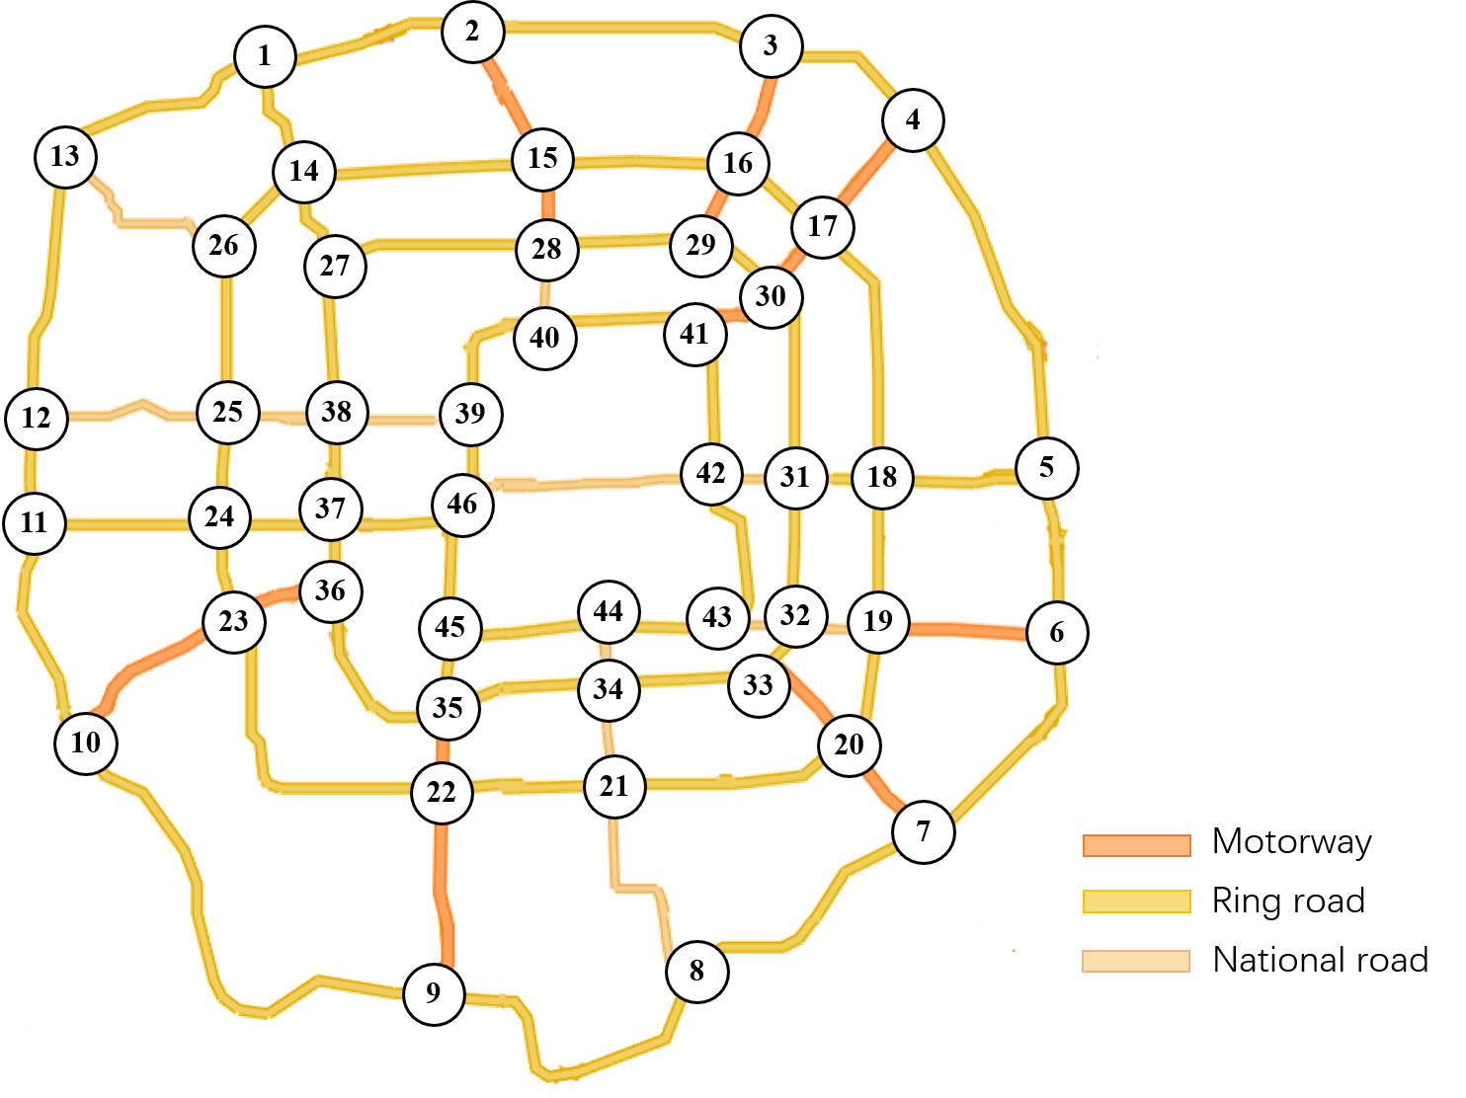
5 | 18 | 2 | 4
6 | 19 | 1 | 5
7 | 8 | 2 | 8.5
7 | 20 | 1 | 3.25
8 | 9 | 2 | 10
9 | 22 | 1 | 6
9 | 10 | 2 | 10.5
10 | 11 | 2 | 6
10 | 23 | 1 | 6
11 | 12 | 2 | 3.25
12 | 13 | 2 | 7.75
12 | 25 | 3 | 5.5
13 | 26 | 3 | 6
14 | 15 | 2 | 7
14 | 26 | 2 | 3
14 | 27 | 2 | 2.5
15 | 28 | 1 | 2.25
16 | 17 | 2 | 3
16 | 29 | 1 | 2.5
17 | 18 | 2 | 8
17 | 30 | 1 | 2.25
18 | 31 | 2 | 2.5
19 | 20 | 2 | 3.5
19 | 32 | 2 | 2.5
20 | 33 | 1 | 3
20 | 21 | 2 | 5
21 | 22 | 2 | 4.75
21 | 34 | 3 | 3
22 | 35 | 1 | 2.5
23 | 24 | 2 | 2.25
23 | 36 | 1 | 3
24 | 25 | 2 | 2.5
24 | 37 | 2 | 2.5
25 | 38 | 3 | 2
27 | 38 | 2 | 4.25
28 | 29 | 2 | 2.75
28 | 40 | 3 | 2.25
29 | 30 | 2 | 2.5
30 | 41 | 1 | 2.25
31 | 32 | 2 | 4.25
31 | 42 | 3 | 2
32 | 33 | 2 | 1.75
32 | 43 | 3 | 1.75
33 | 34 | 2 | 4.5
34 | 44 | 3 | 2
35 | 36 | 2 | 4.5
35 | 45 | 2 | 2.25
36 | 37 | 2 | 2.25
37 | 38 | 2 | 2.75
38 | 39 | 3 | 3
39 | 40 | 2 | 2.75
39 | 46 | 2 | 2
41 | 42 | 2 | 3.5
42 | 46 | 3 | 8
43 | 44 | 2 | 3
44 | 45 | 2 | 3.75
45 | 46 | 2 | 3.5

FCS-Area-Bus
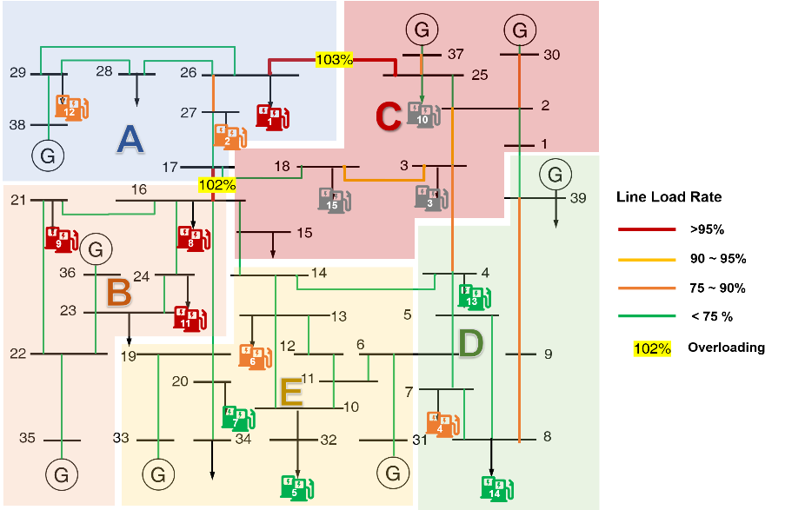
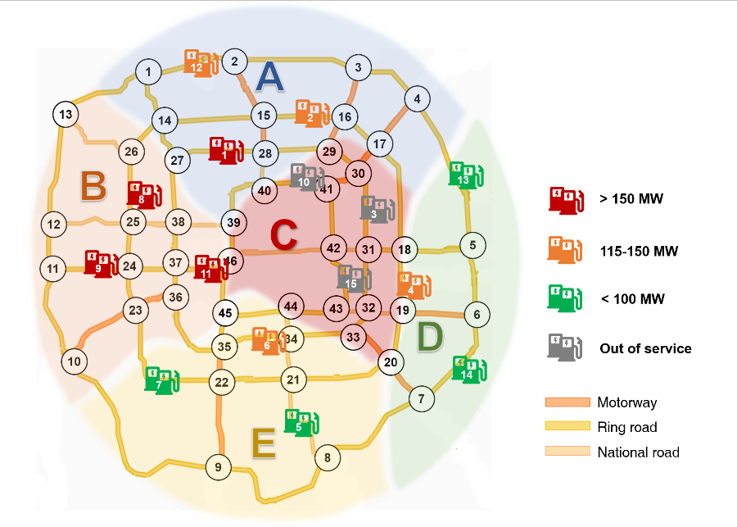
FCS NO. | Area | PN bus
1 | 1 | 26
2 | 1 | 27
3 | 3 | 3
4 | 4 | 7
5 | 5 | 32
6 | 5 | 13
7 | 5 | 20
8 | 2 | 16
9 | 2 | 21
10 | 3 | 25
11 | 2 | 24
12 | 1 | 29
13 | 4 | 4
14 | 4 | 8
15 | 3 | 18

