Sample.Data
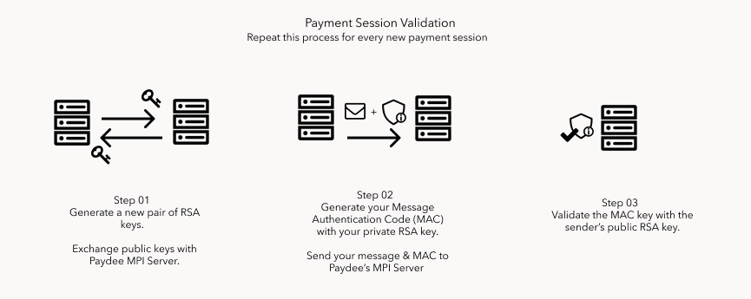

# | Step | Example
01.a. | Generate your RSA keys
01.b. | Exchange the keys | {'merchantId': '000000000000051', 'purchaseId': 'dev20211127230729', 'pubKey': 'MIIBIjANBgkqhkiG9w0BAQEFAAOCAQ8AMIIBCgKCAQEAlE1xevKwYpO8U4N82TQPNbBKWKZx4O0v3nJ7N4gkGYOdmmhvEJsFLvJ9Pg9fDxdrXHxp6uQMExNumgI3wopCrDSlEl56lAXa9ehWFHKa5KD_3n61iseuIoXYok6ntAx2MJhyJG03chOjOjZO6GQY-OjFHKJoDJ4iYsFB0pIXkIgTHNPbqe3PZ7BJPgmfP9owIF4rM59fkBA4W8w1r49FWH60YVAgSsTml3I4vjWzZcnV7bg8Aw1XlZiRmcvEo9NHffRl3M-ui0ELA9afB2Tb6jSYpqap__QZSO-90x6YzadTZBN6y14RZ9vjZsFm6j42MmPFnT4Wtq31PDseHAaELwIDAQAB', 'errorCode': '000'}
02.a. | Form the data to be MAC | SALES0000000000000515100000000000107Test Card2508123dev202111272307292021112723072945810000
02.b. | Generate the MAC | NYpKoVImQuqe63nPYs7xFFuWd-eT8Ld4XTYPJFMhuzSRiV-U4aqtBlpfUT2oP003tLqo24KIQwdk8eIqnQPZjXH_oNP4deQwApYM6qW1309uXg2gI6xHWmg-gICS3dhwQ1OaiN0vLG481Cn2mpLTKFvhZk6y9kc5qE3PB5D0_2U6Q9d5bkaO1xodUdYkfJo1XHkNCmimlpMesdPlRmtnw_R4Hrplv_RTbA5_fg1QJaXwiCrbUp4kgdhWmOnigynBGbhqdLSKiBqq-jAm0OX3knFksoK8b4SrQhN6htEGtzzyVHW11BZqiLD92U2kf3s4N9GIgP9ud76rQ86YxtbXYA
02.c. | Form data and transmit to /mpReq | csrf_token=IjhiYjk5OGRkMjhiYzRlMjQ1ZjBlNWUzMmU4ZGNkNjU3MTE4MzRkNGUi.YaJJsQ.lFi4r8fvwTgc-WnuOx87UULZ6EE&MPI_CARD_HOLDER_NAME=Test+Card&MPI_PAN=5100000000000107&MPI_PAN_EXP=2508&MPI_CVV2=123&MPI_MAC=NYpKoVImQuqe63nPYs7xFFuWd-eT8Ld4XTYPJFMhuzSRiV-U4aqtBlpfUT2oP003tLqo24KIQwdk8eIqnQPZjXH_oNP4deQwApYM6qW1309uXg2gI6xHWmg-gICS3dhwQ1OaiN0vLG481Cn2mpLTKFvhZk6y9kc5qE3PB5D0_2U6Q9d5bkaO1xodUdYkfJo1XHkNCmimlpMesdPlRmtnw_R4Hrplv_RTbA5_fg1QJaXwiCrbUp4kgdhWmOnigynBGbhqdLSKiBqq-jAm0OX3knFksoK8b4SrQhN6htEGtzzyVHW11BZqiLD92U2kf3s4N9GIgP9ud76rQ86YxtbXYA&MPI_PURCH_AMT=10000&MPI_PURCH_CURR=458&MPI_MERC_ID=000000000000051&MPI_TRANS_TYPE=SALES&MPI_PURCH_DATE=20211127230729&MPI_TRXN_ID=dev20211127230729

