Sheet5
Type |  | Her 2 | Her2-GRB2-SHC | Her2-SHC | Her2-GRB2 | ER | ER-GATA3-FOXA1 | ER-GATA3 | ER-FOXA1 | PR | PR-TIF2-SRC-1 | PR-TIF2 | PR-SRC-1 | SCRIB | SCRIB-VANGL1-NOS1AP | SCRIB-VANGL1 | SCRIB-NOS1AP | WASF3 | WASF3-CYFIP1-NCKAP1 | WASF3-CYFIP1 | WASF3-NCKAP1
3 | Patient 1 | 1.495 | 3.179 | 3.871 | 3.606 | 1.643 | 3.591 | 3.262 | 2.292 | 1.217 | 1.708 | 2.535 | 2.332 | 1.246 | 1.692 | 2.642 | 3.192 | 1.056 | 2.759 | 2.433 | 2.397
3 | Patient 2 | 2.345 | 0.866 | 1.932 | 1.453 | 1.200 | 1.084 | 2.596 | 2.398 | 1.463 | 2.608 | 1.761 | 2.732 | 1.591 | 1.850 | 1.135 | 1.049 | 1.261 | 0.985 | 0.904 | 1.429
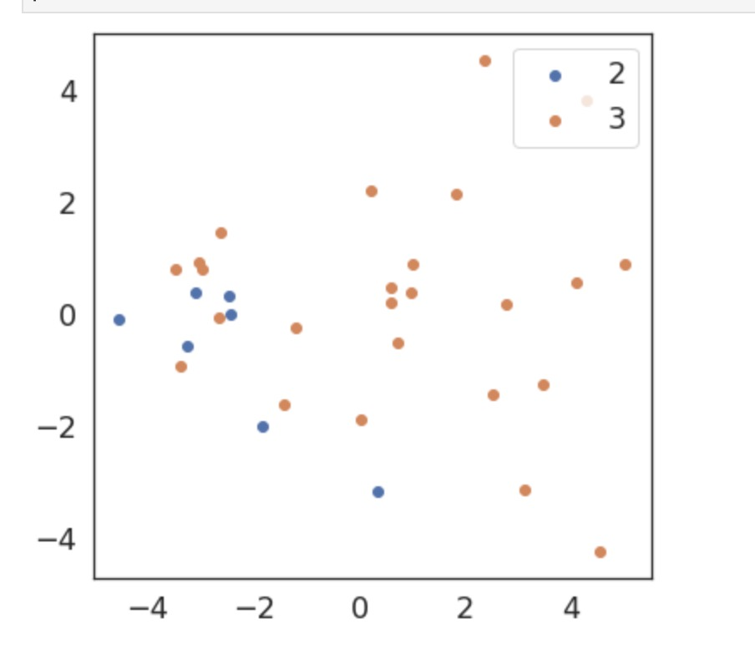
3 | Patient 7 | 2.972 | 3.665 | 2.380 | 2.545 | 4.752 | 1.955 | 3.754 | 2.025 | 1.305 | 4.684 | 3.866 | 4.635 | 4.890 | 4.158 | 2.078 | 3.339 | 2.727 | 3.554 | 1.173 | 1.512
3 | Patient 8 | 2.551 | 5.857 | 5.645 | 3.169 | 1.736 | 4.331 | 3.854 | 1.053 | 1.110 | 2.990 | 2.989 | 2.468 | 1.784 | 3.451 | 3.723 | 3.819 | 0.879 | 2.965 | 4.857 | 3.961
3 | Patient 9 | 2.808 | 1.030 | 3.912 | 2.382 | 1.901 | 3.846 | 4.868 | 1.613 | 1.270 | 3.615 | 3.223 | 3.246 | 1.186 | 6.000 | 2.242 | 2.268 | 1.092 | 3.453 | 3.395 | 3.731
3 | Patient 10 | 3.356 | 0.489 | 3.552 | 2.655 | 1.904 | 0.283 | 1.784 | 0.736 | 1.551 | 2.156 | 3.301 | 3.410 | 1.565 | 4.994 | 2.355 | 3.990 | 1.600 | 2.112 | 0.810 | 1.271
3 | Patient 11 | 3.855 | 3.746 | 2.799 | 1.845 | 1.642 | 2.867 | 3.487 | 3.884 | 1.696 | 4.446 | 3.144 | 2.793 | 1.344 | 3.073 | 4.233 | 3.166 | 1.062 | 2.124 | 3.047 | 3.025
3 | Patient 12 | 1.211 | 1.885 | 2.793 | 2.711 | 0.532 | 5.741 | 4.195 | 5.117 | 1.724 | 0.004 | 3.524 | 2.760 | 1.310 | 2.048 | 1.917 | 2.567 | 1.023 | 3.025 | 2.498 | 3.351
3 | Patient 14 | 0.720 | 3.241 | 3.624 | 3.689 | 1.094 | 0.370 | 1.242 | 1.314 | 0.546 | 2.501 | 1.284 | 1.300 | 1.293 | 2.333 | 3.909 | 4.871 | 1.300 | 2.717 | 2.479 | 2.726
3 | Patient 15 | 0.962 | 3.366 | 3.667 | 3.812 | 1.867 | 2.465 | 5.136 | 3.046 | 0.584 | 3.479 | 2.647 | 3.852 | 2.266 | 1.161 | 3.315 | 3.110 | 2.168 | 1.826 | 3.141 | 3.252
3 | Patient 17 | 0.743 | 0.000 | 0.000 | 0.000 | 1.220 | 0.738 | 1.064 | 0.494 | 1.232 | 1.191 | 1.228 | 1.115 | 1.110 | 0.581 | 0.680 | 0.534 | 1.218 | 0.595 | 0.640 | 0.470
3 | Patient 18 | 2.057 | 6.000 | 2.186 | 2.033 | 1.245 | 0.113 | 0.802 | 0.171 | 0.961 | 0.000 | 0.000 | 0.000 | 5.932 | 6.000 | 1.676 | 2.474 | 1.044 | 6.000 | 2.533 | 1.369
3 | Patient 19 | 1.229 | 6.000 | 6.000 | 6.000 | 1.264 | 1.612 | 6.000 | 1.675 | 0.714 | 1.322 | 6.000 | 5.466 | 5.906 | 2.828 | 1.841 | 3.318 | 1.048 | 1.903 | 4.163 | 4.645
3 | Patient 20 | 1.069 | 0.055 | 1.066 | 0.431 | 1.157 | 0.001 | 0.249 | 0.097 | 0.800 | 0.000 | 0.000 | 0.000 | 6.000 | 0.646 | 0.607 | 0.442 | 1.132 | 2.907 | 0.358 | 0.434
3 | Patient 22 | 0.799 | 0.000 | 0.000 | 0.000 | 1.194 | 0.325 | 1.038 | 0.453 | 1.130 | 0.285 | 0.979 | 0.632 | 2.881 | 1.668 | 2.070 | 1.382 | 1.057 | 2.099 | 2.402 | 1.783
3 | Patient 23 | 1.424 | 2.381 | 1.051 | 0.581 | 1.326 | 0.002 | 0.278 | 0.038 | 1.003 | 0.601 | 0.447 | 0.406 | 6.000 | 0.225 | 0.657 | 0.462 | 2.320 | 0.008 | 0.159 | 0.053
3 | Patient 24 | 0.797 | 0.000 | 0.000 | 0.000 | 0.962 | 0.000 | 0.000 | 0.000 | 1.224 | 1.151 | 1.189 | 0.956 | 3.103 | 2.559 | 2.218 | 1.174 | 1.168 | 3.712 | 2.550 | 1.932
3 | Patient 25 | 1.194 | 0.747 | 0.279 | 0.677 | 1.113 | 0.007 | 0.177 | 0.031 | 1.039 | 0.116 | 0.435 | 0.437 | 1.760 | 0.063 | 0.402 | 0.265 | 1.252 | 3.424 | 4.144 | 4.433
3 | Patient 26 | 0.613 | 0.000 | 0.000 | 0.000 | 0.911 | 0.000 | 0.000 | 0.000 | 0.915 | 0.000 | 0.000 | 0.000 | 6.000 | 0.022 | 0.235 | 0.133 | 1.289 | 2.536 | 3.698 | 3.326
3 | Patient 27 | 1.130 | 3.766 | 6.000 | 6.000 | 2.743 | 0.363 | 6.000 | 2.997 | 1.024 | 2.472 | 2.660 | 6.000 | 5.341 | 2.402 | 1.007 | 4.217 | 1.995 | 2.992 | 2.931 | 3.556
3 | Patient 28 | 1.039 | 6.000 | 6.000 | 6.000 | 1.093 | 2.063 | 2.679 | 1.687 | 1.091 | 6.000 | 6.000 | 6.000 | 6.000 | 1.363 | 4.405 | 5.990 | 1.555 | 6.000 | 6.000 | 6.000
3 | Patient 29 | 0.758 | 0.000 | 0.000 | 0.000 | 1.069 | 3.241 | 2.588 | 1.515 | 1.090 | 6.000 | 6.000 | 4.651 | 6.000 | 6.000 | 6.000 | 6.000 | 1.333 | 6.000 | 1.675 | 3.068
3 | Patient 30 | 3.356 | 6.000 | 3.140 | 2.432 | 1.113 | 0.782 | 0.995 | 0.464 | 1.104 | 0.881 | 0.932 | 1.090 | 6.000 | 0.991 | 0.837 | 1.147 | 1.057 | 6.000 | 3.977 | 2.906
3 | Patient 31 | 2.556 | 2.210 | 2.758 | 2.603 | 1.271 | 1.022 | 1.204 | 0.889 | 1.328 | 1.237 | 1.001 | 1.313 | 6.000 | 0.288 | 0.970 | 1.377 | 1.514 | 6.000 | 6.000 | 6.000
3 | Patient 32 | 1.326 | 2.256 | 4.060 | 1.190 | 2.608 | 2.202 | 3.897 | 0.949 | 1.052 | 2.580 | 2.714 | 1.627 | 6.000 | 3.523 | 3.850 | 5.168 | 1.127 | 6.000 | 6.000 | 6.000
2 | Patient 3 | 1.498 | 1.411 | 1.531 | 1.343 | 1.287 | 0.047 | 1.621 | 0.626 | 1.469 | 1.777 | 1.873 | 1.867 | 2.021 | 0.346 | 1.338 | 1.355 | 1.237 | 1.290 | 1.388 | 1.463
2 | Patient 4 | 2.438 | 1.509 | 1.520 | 1.363 | 1.560 | 0.459 | 1.580 | 1.043 | 1.911 | 4.150 | 1.619 | 1.634 | 2.911 | 0.424 | 1.570 | 1.441 | 0.994 | 0.000 | 0.000 | 0.000
2 | Patient 5 | 1.045 | 0.063 | 1.491 | 1.054 | 2.416 | 0.016 | 1.421 | 0.457 | 0.914 | 1.632 | 1.621 | 1.680 | 1.443 | 0.106 | 1.557 | 1.813 | 1.215 | 1.456 | 1.239 | 1.552
2 | Patient 6 | 1.272 | 1.622 | 1.214 | 0.582 | 1.524 | 1.557 | 1.753 | 0.935 | 1.348 | 6.000 | 3.039 | 1.628 | 1.895 | 1.284 | 0.613 | 1.094 | 1.586 | 1.295 | 1.469 | 1.444
2 | Patient 13 | 1.591 | 0.056 | 0.289 | 0.115 | 1.732 | 0.126 | 0.597 | 0.182 | 1.017 | 0.071 | 0.400 | 0.183 | 1.369 | 0.020 | 0.109 | 0.106 | 2.072 | 0.003 | 0.044 | 0.028
2 | Patient 16 | 1.141 | 1.567 | 1.563 | 1.169 | 1.031 | 0.857 | 1.696 | 0.575 | 0.858 | 1.112 | 1.375 | 1.361 | 1.969 | 0.211 | 1.010 | 1.035 | 1.614 | 1.210 | 1.429 | 1.523
2 | Patient 21 | 0.852 | 0.000 | 0.000 | 0.000 | 1.140 | 1.108 | 1.034 | 0.697 | 0.825 | 0.000 | 0.000 | 0.000 | 5.889 | 0.308 | 0.656 | 0.729 | 1.300 | 2.257 | 1.180 | 2.609

Type |  | Her 2 | Her2-GRB2-SHC | Her2-SHC | Her2-GRB2 | ER | ER-GATA3-FOXA1 | ER-GATA3 | ER-FOXA1 | PR | PR-TIF2-SRC-1 | PR-TIF2 | PR-SRC-1 | SCRIB | SCRIB-VANGL1-NOS1AP | SCRIB-VANGL1 | SCRIB-NOS1AP | WASF3 | WASF3-CYFIP1-NCKAP1 | WASF3-CYFIP1 | WASF3-NCKAP1
3 | Patient 1 | 1.495 | 3.179 | 3.871 | 3.606 | 1.643 | 3.591 | 3.262 | 2.292 | 1.217 | 1.708 | 2.535 | 2.332 | 1.246 | 1.692 | 2.642 | 3.192 | 1.056 | 2.759 | 2.433 | 2.397
3 | Patient 2 | 2.345 | 0.866 | 1.932 | 1.453 | 1.200 | 1.084 | 2.596 | 2.398 | 1.463 | 2.608 | 1.761 | 2.732 | 1.591 | 1.850 | 1.135 | 1.049 | 1.261 | 0.985 | 0.904 | 1.429
3 | Patient 7 | 2.972 | 3.665 | 2.380 | 2.545 | 4.752 | 1.955 | 3.754 | 2.025 | 1.305 | 4.684 | 3.866 | 4.635 | 4.890 | 4.158 | 2.078 | 3.339 | 2.727 | 3.554 | 1.173 | 1.512
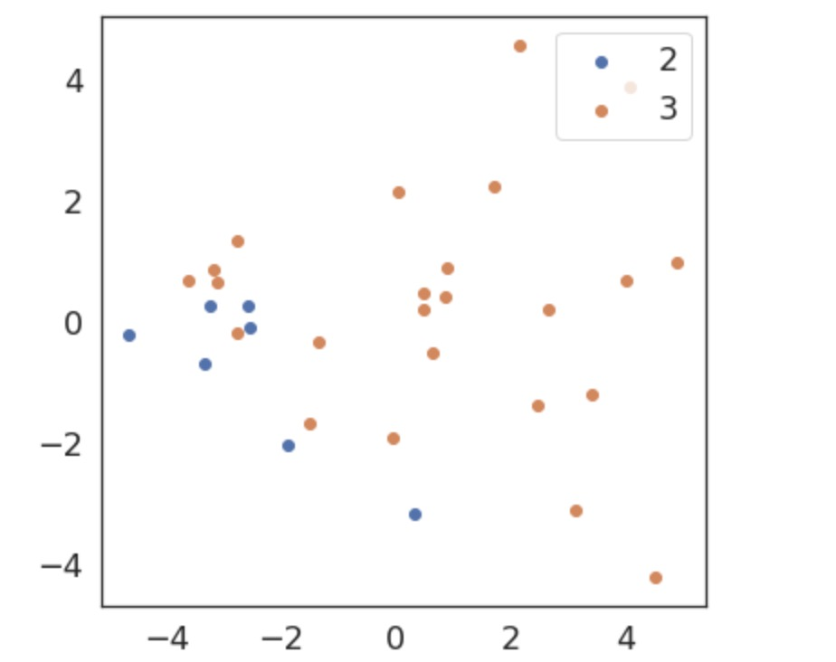
3 | Patient 8 | 2.551 | 5.857 | 5.645 | 3.169 | 1.736 | 4.331 | 3.854 | 1.053 | 1.110 | 2.990 | 2.989 | 2.468 | 1.784 | 3.451 | 3.723 | 3.819 | 0.879 | 2.965 | 4.857 | 3.961
3 | Patient 9 | 2.808 | 1.030 | 3.912 | 2.382 | 1.901 | 3.846 | 4.868 | 1.613 | 1.270 | 3.615 | 3.223 | 3.246 | 1.186 | 6.000 | 2.242 | 2.268 | 1.092 | 3.453 | 3.395 | 3.731
3 | Patient 10 | 3.356 | 0.489 | 3.552 | 2.655 | 1.904 | 0.283 | 1.784 | 0.736 | 1.551 | 2.156 | 3.301 | 3.410 | 1.565 | 4.994 | 2.355 | 3.990 | 1.600 | 2.112 | 0.810 | 1.271
3 | Patient 11 | 3.855 | 3.746 | 2.799 | 1.845 | 1.642 | 2.867 | 3.487 | 3.884 | 1.696 | 4.446 | 3.144 | 2.793 | 1.344 | 3.073 | 4.233 | 3.166 | 1.062 | 2.124 | 3.047 | 3.025
3 | Patient 12 | 1.211 | 1.885 | 2.793 | 2.711 | 0.532 | 5.741 | 4.195 | 5.117 | 1.724 | 0.004 | 3.524 | 2.760 | 1.310 | 2.048 | 1.917 | 2.567 | 1.023 | 3.025 | 2.498 | 3.351
3 | Patient 14 | 0.720 | 3.241 | 3.624 | 3.689 | 1.094 | 0.370 | 1.242 | 1.314 | 0.546 | 2.501 | 1.284 | 1.300 | 1.293 | 2.333 | 3.909 | 4.871 | 1.300 | 2.717 | 2.479 | 2.726
3 | Patient 15 | 0.962 | 3.366 | 3.667 | 3.812 | 1.867 | 2.465 | 5.136 | 3.046 | 0.584 | 3.479 | 2.647 | 3.852 | 2.266 | 1.161 | 3.315 | 3.110 | 2.168 | 1.826 | 3.141 | 3.252
3 | Patient 18 | 2.057 | 6.000 | 2.186 | 2.033 | 1.245 | 0.113 | 0.802 | 0.171 | 0.961 | 0.000 | 0.000 | 0.000 | 5.932 | 6.000 | 1.676 | 2.474 | 1.044 | 6.000 | 2.533 | 1.369
3 | Patient 19 | 1.229 | 6.000 | 6.000 | 6.000 | 1.264 | 1.612 | 6.000 | 1.675 | 0.714 | 1.322 | 6.000 | 5.466 | 5.906 | 2.828 | 1.841 | 3.318 | 1.048 | 1.903 | 4.163 | 4.645
3 | Patient 20 | 1.069 | 0.055 | 1.066 | 0.431 | 1.157 | 0.001 | 0.249 | 0.097 | 0.800 | 0.000 | 0.000 | 0.000 | 6.000 | 0.646 | 0.607 | 0.442 | 1.132 | 2.907 | 0.358 | 0.434
3 | Patient 22 | 0.799 | 0.000 | 0.000 | 0.000 | 1.194 | 0.325 | 1.038 | 0.453 | 1.130 | 0.285 | 0.979 | 0.632 | 2.881 | 1.668 | 2.070 | 1.382 | 1.057 | 2.099 | 2.402 | 1.783
3 | Patient 23 | 1.424 | 2.381 | 1.051 | 0.581 | 1.326 | 0.002 | 0.278 | 0.038 | 1.003 | 0.601 | 0.447 | 0.406 | 6.000 | 0.225 | 0.657 | 0.462 | 2.320 | 0.008 | 0.159 | 0.053
3 | Patient 24 | 0.797 | 0.000 | 0.000 | 0.000 | 0.962 | 0.000 | 0.000 | 0.000 | 1.224 | 1.151 | 1.189 | 0.956 | 3.103 | 2.559 | 2.218 | 1.174 | 1.168 | 3.712 | 2.550 | 1.932
3 | Patient 25 | 1.194 | 0.747 | 0.279 | 0.677 | 1.113 | 0.007 | 0.177 | 0.031 | 1.039 | 0.116 | 0.435 | 0.437 | 1.760 | 0.063 | 0.402 | 0.265 | 1.252 | 3.424 | 4.144 | 4.433
3 | Patient 26 | 0.613 | 0.000 | 0.000 | 0.000 | 0.911 | 0.000 | 0.000 | 0.000 | 0.915 | 0.000 | 0.000 | 0.000 | 6.000 | 0.022 | 0.235 | 0.133 | 1.289 | 2.536 | 3.698 | 3.326
3 | Patient 27 | 1.130 | 3.766 | 6.000 | 6.000 | 2.743 | 0.363 | 6.000 | 2.997 | 1.024 | 2.472 | 2.660 | 6.000 | 5.341 | 2.402 | 1.007 | 4.217 | 1.995 | 2.992 | 2.931 | 3.556
3 | Patient 28 | 1.039 | 6.000 | 6.000 | 6.000 | 1.093 | 2.063 | 2.679 | 1.687 | 1.091 | 6.000 | 6.000 | 6.000 | 6.000 | 1.363 | 4.405 | 5.990 | 1.555 | 6.000 | 6.000 | 6.000
3 | Patient 29 | 0.758 | 0.000 | 0.000 | 0.000 | 1.069 | 3.241 | 2.588 | 1.515 | 1.090 | 6.000 | 6.000 | 4.651 | 6.000 | 6.000 | 6.000 | 6.000 | 1.333 | 6.000 | 1.675 | 3.068
3 | Patient 30 | 3.356 | 6.000 | 3.140 | 2.432 | 1.113 | 0.782 | 0.995 | 0.464 | 1.104 | 0.881 | 0.932 | 1.090 | 6.000 | 0.991 | 0.837 | 1.147 | 1.057 | 6.000 | 3.977 | 2.906
3 | Patient 31 | 2.556 | 2.210 | 2.758 | 2.603 | 1.271 | 1.022 | 1.204 | 0.889 | 1.328 | 1.237 | 1.001 | 1.313 | 6.000 | 0.288 | 0.970 | 1.377 | 1.514 | 6.000 | 6.000 | 6.000
3 | Patient 32 | 1.326 | 2.256 | 4.060 | 1.190 | 2.608 | 2.202 | 3.897 | 0.949 | 1.052 | 2.580 | 2.714 | 1.627 | 6.000 | 3.523 | 3.850 | 5.168 | 1.127 | 6.000 | 6.000 | 6.000
2 | Patient 3 | 1.498 | 1.411 | 1.531 | 1.343 | 1.287 | 0.047 | 1.621 | 0.626 | 1.469 | 1.777 | 1.873 | 1.867 | 2.021 | 0.346 | 1.338 | 1.355 | 1.237 | 1.290 | 1.388 | 1.463
2 | Patient 4 | 2.438 | 1.509 | 1.520 | 1.363 | 1.560 | 0.459 | 1.580 | 1.043 | 1.911 | 4.150 | 1.619 | 1.634 | 2.911 | 0.424 | 1.570 | 1.441 | 0.994 | 0.000 | 0.000 | 0.000
2 | Patient 5 | 1.045 | 0.063 | 1.491 | 1.054 | 2.416 | 0.016 | 1.421 | 0.457 | 0.914 | 1.632 | 1.621 | 1.680 | 1.443 | 0.106 | 1.557 | 1.813 | 1.215 | 1.456 | 1.239 | 1.552
2 | Patient 6 | 1.272 | 1.622 | 1.214 | 0.582 | 1.524 | 1.557 | 1.753 | 0.935 | 1.348 | 6.000 | 3.039 | 1.628 | 1.895 | 1.284 | 0.613 | 1.094 | 1.586 | 1.295 | 1.469 | 1.444
2 | Patient 13 | 1.591 | 0.056 | 0.289 | 0.115 | 1.732 | 0.126 | 0.597 | 0.182 | 1.017 | 0.071 | 0.400 | 0.183 | 1.369 | 0.020 | 0.109 | 0.106 | 2.072 | 0.003 | 0.044 | 0.028
2 | Patient 16 | 1.141 | 1.567 | 1.563 | 1.169 | 1.031 | 0.857 | 1.696 | 0.575 | 0.858 | 1.112 | 1.375 | 1.361 | 1.969 | 0.211 | 1.010 | 1.035 | 1.614 | 1.210 | 1.429 | 1.523
2 | Patient 21 | 0.852 | 0.000 | 0.000 | 0.000 | 1.140 | 1.108 | 1.034 | 0.697 | 0.825 | 0.000 | 0.000 | 0.000 | 5.889 | 0.308 | 0.656 | 0.729 | 1.300 | 2.257 | 1.180 | 2.609

Type |  | Her 2 | Her2-GRB2-SHC | Her2-SHC | Her2-GRB2 | ER | ER-GATA3-FOXA1 | ER-GATA3 | ER-FOXA1 | PR | PR-TIF2-SRC-1 | PR-TIF2 | PR-SRC-1 | SCRIB | SCRIB-VANGL1-NOS1AP | SCRIB-VANGL1 | SCRIB-NOS1AP | WASF3 | WASF3-CYFIP1-NCKAP1 | WASF3-CYFIP1 | WASF3-NCKAP1
3 | Patient 1 | 1.495 | 3.179 | 3.871 | 3.606 | 1.643 | 3.591 | 3.262 | 2.292 | 1.217 | 1.708 | 2.535 | 2.332 | 1.246 | 1.692 | 2.642 | 3.192 | 1.056 | 2.759 | 2.433 | 2.397
3 | Patient 2 | 2.345 | 0.866 | 1.932 | 1.453 | 1.200 | 1.084 | 2.596 | 2.398 | 1.463 | 2.608 | 1.761 | 2.732 | 1.591 | 1.850 | 1.135 | 1.049 | 1.261 | 0.985 | 0.904 | 1.429
3 | Patient 7 | 2.972 | 3.665 | 2.380 | 2.545 | 4.752 | 1.955 | 3.754 | 2.025 | 1.305 | 4.684 | 3.866 | 4.635 | 4.890 | 4.158 | 2.078 | 3.339 | 2.727 | 3.554 | 1.173 | 1.512
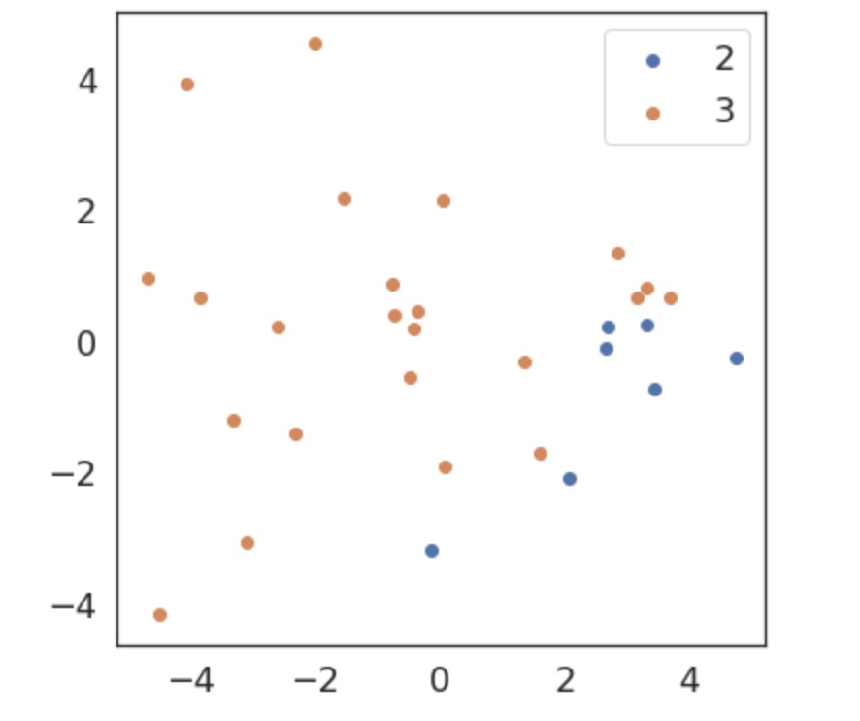
3 | Patient 8 | 2.551 | 5.857 | 5.645 | 3.169 | 1.736 | 4.331 | 3.854 | 1.053 | 1.110 | 2.990 | 2.989 | 2.468 | 1.784 | 3.451 | 3.723 | 3.819 | 0.879 | 2.965 | 4.857 | 3.961
3 | Patient 9 | 2.808 | 1.030 | 3.912 | 2.382 | 1.901 | 3.846 | 4.868 | 1.613 | 1.270 | 3.615 | 3.223 | 3.246 | 1.186 | 6.000 | 2.242 | 2.268 | 1.092 | 3.453 | 3.395 | 3.731
3 | Patient 10 | 3.356 | 0.489 | 3.552 | 2.655 | 1.904 | 0.283 | 1.784 | 0.736 | 1.551 | 2.156 | 3.301 | 3.410 | 1.565 | 4.994 | 2.355 | 3.990 | 1.600 | 2.112 | 0.810 | 1.271
3 | Patient 11 | 3.855 | 3.746 | 2.799 | 1.845 | 1.642 | 2.867 | 3.487 | 3.884 | 1.696 | 4.446 | 3.144 | 2.793 | 1.344 | 3.073 | 4.233 | 3.166 | 1.062 | 2.124 | 3.047 | 3.025
3 | Patient 12 | 1.211 | 1.885 | 2.793 | 2.711 | 0.532 | 5.741 | 4.195 | 5.117 | 1.724 | 0.004 | 3.524 | 2.760 | 1.310 | 2.048 | 1.917 | 2.567 | 1.023 | 3.025 | 2.498 | 3.351
3 | Patient 14 | 0.720 | 3.241 | 3.624 | 3.689 | 1.094 | 0.370 | 1.242 | 1.314 | 0.546 | 2.501 | 1.284 | 1.300 | 1.293 | 2.333 | 3.909 | 4.871 | 1.300 | 2.717 | 2.479 | 2.726
3 | Patient 15 | 0.962 | 3.366 | 3.667 | 3.812 | 1.867 | 2.465 | 5.136 | 3.046 | 0.584 | 3.479 | 2.647 | 3.852 | 2.266 | 1.161 | 3.315 | 3.110 | 2.168 | 1.826 | 3.141 | 3.252
3 | Patient 18 | 2.057 | 6.000 | 2.186 | 2.033 | 1.245 | 0.113 | 0.802 | 0.171 | 0.961 | 0.000 | 0.000 | 0.000 | 5.932 | 6.000 | 1.676 | 2.474 | 1.044 | 6.000 | 2.533 | 1.369
3 | Patient 19 | 1.229 | 6.000 | 6.000 | 6.000 | 1.264 | 1.612 | 6.000 | 1.675 | 0.714 | 1.322 | 6.000 | 5.466 | 5.906 | 2.828 | 1.841 | 3.318 | 1.048 | 1.903 | 4.163 | 4.645
3 | Patient 20 | 1.069 | 0.055 | 1.066 | 0.431 | 1.157 | 0.001 | 0.249 | 0.097 | 0.800 | 0.000 | 0.000 | 0.000 | 6.000 | 0.646 | 0.607 | 0.442 | 1.132 | 2.907 | 0.358 | 0.434
3 | Patient 23 | 1.424 | 2.381 | 1.051 | 0.581 | 1.326 | 0.002 | 0.278 | 0.038 | 1.003 | 0.601 | 0.447 | 0.406 | 6.000 | 0.225 | 0.657 | 0.462 | 2.320 | 0.008 | 0.159 | 0.053
3 | Patient 24 | 0.797 | 0.000 | 0.000 | 0.000 | 0.962 | 0.000 | 0.000 | 0.000 | 1.224 | 1.151 | 1.189 | 0.956 | 3.103 | 2.559 | 2.218 | 1.174 | 1.168 | 3.712 | 2.550 | 1.932
3 | Patient 25 | 1.194 | 0.747 | 0.279 | 0.677 | 1.113 | 0.007 | 0.177 | 0.031 | 1.039 | 0.116 | 0.435 | 0.437 | 1.760 | 0.063 | 0.402 | 0.265 | 1.252 | 3.424 | 4.144 | 4.433
3 | Patient 26 | 0.613 | 0.000 | 0.000 | 0.000 | 0.911 | 0.000 | 0.000 | 0.000 | 0.915 | 0.000 | 0.000 | 0.000 | 6.000 | 0.022 | 0.235 | 0.133 | 1.289 | 2.536 | 3.698 | 3.326
3 | Patient 27 | 1.130 | 3.766 | 6.000 | 6.000 | 2.743 | 0.363 | 6.000 | 2.997 | 1.024 | 2.472 | 2.660 | 6.000 | 5.341 | 2.402 | 1.007 | 4.217 | 1.995 | 2.992 | 2.931 | 3.556
3 | Patient 28 | 1.039 | 6.000 | 6.000 | 6.000 | 1.093 | 2.063 | 2.679 | 1.687 | 1.091 | 6.000 | 6.000 | 6.000 | 6.000 | 1.363 | 4.405 | 5.990 | 1.555 | 6.000 | 6.000 | 6.000
3 | Patient 29 | 0.758 | 0.000 | 0.000 | 0.000 | 1.069 | 3.241 | 2.588 | 1.515 | 1.090 | 6.000 | 6.000 | 4.651 | 6.000 | 6.000 | 6.000 | 6.000 | 1.333 | 6.000 | 1.675 | 3.068
3 | Patient 30 | 3.356 | 6.000 | 3.140 | 2.432 | 1.113 | 0.782 | 0.995 | 0.464 | 1.104 | 0.881 | 0.932 | 1.090 | 6.000 | 0.991 | 0.837 | 1.147 | 1.057 | 6.000 | 3.977 | 2.906
3 | Patient 31 | 2.556 | 2.210 | 2.758 | 2.603 | 1.271 | 1.022 | 1.204 | 0.889 | 1.328 | 1.237 | 1.001 | 1.313 | 6.000 | 0.288 | 0.970 | 1.377 | 1.514 | 6.000 | 6.000 | 6.000
3 | Patient 32 | 1.326 | 2.256 | 4.060 | 1.190 | 2.608 | 2.202 | 3.897 | 0.949 | 1.052 | 2.580 | 2.714 | 1.627 | 6.000 | 3.523 | 3.850 | 5.168 | 1.127 | 6.000 | 6.000 | 6.000
2 | Patient 3 | 1.498 | 1.411 | 1.531 | 1.343 | 1.287 | 0.047 | 1.621 | 0.626 | 1.469 | 1.777 | 1.873 | 1.867 | 2.021 | 0.346 | 1.338 | 1.355 | 1.237 | 1.290 | 1.388 | 1.463
2 | Patient 4 | 2.438 | 1.509 | 1.520 | 1.363 | 1.560 | 0.459 | 1.580 | 1.043 | 1.911 | 4.150 | 1.619 | 1.634 | 2.911 | 0.424 | 1.570 | 1.441 | 0.994 | 0.000 | 0.000 | 0.000
2 | Patient 5 | 1.045 | 0.063 | 1.491 | 1.054 | 2.416 | 0.016 | 1.421 | 0.457 | 0.914 | 1.632 | 1.621 | 1.680 | 1.443 | 0.106 | 1.557 | 1.813 | 1.215 | 1.456 | 1.239 | 1.552
2 | Patient 6 | 1.272 | 1.622 | 1.214 | 0.582 | 1.524 | 1.557 | 1.753 | 0.935 | 1.348 | 6.000 | 3.039 | 1.628 | 1.895 | 1.284 | 0.613 | 1.094 | 1.586 | 1.295 | 1.469 | 1.444
2 | Patient 13 | 1.591 | 0.056 | 0.289 | 0.115 | 1.732 | 0.126 | 0.597 | 0.182 | 1.017 | 0.071 | 0.400 | 0.183 | 1.369 | 0.020 | 0.109 | 0.106 | 2.072 | 0.003 | 0.044 | 0.028
2 | Patient 16 | 1.141 | 1.567 | 1.563 | 1.169 | 1.031 | 0.857 | 1.696 | 0.575 | 0.858 | 1.112 | 1.375 | 1.361 | 1.969 | 0.211 | 1.010 | 1.035 | 1.614 | 1.210 | 1.429 | 1.523
2 | Patient 21 | 0.852 | 0.000 | 0.000 | 0.000 | 1.140 | 1.108 | 1.034 | 0.697 | 0.825 | 0.000 | 0.000 | 0.000 | 5.889 | 0.308 | 0.656 | 0.729 | 1.300 | 2.257 | 1.180 | 2.609

Type |  | Her 2 | Her2-GRB2-SHC | Her2-SHC | Her2-GRB2 | ER | ER-GATA3-FOXA1 | ER-GATA3 | ER-FOXA1 | PR | PR-TIF2-SRC-1 | PR-TIF2 | PR-SRC-1 | SCRIB | SCRIB-VANGL1-NOS1AP | SCRIB-VANGL1 | SCRIB-NOS1AP | WASF3 | WASF3-CYFIP1-NCKAP1 | WASF3-CYFIP1 | WASF3-NCKAP1
3 | Patient 1 | 1.495 | 3.179 | 3.871 | 3.606 | 1.643 | 3.591 | 3.262 | 2.292 | 1.217 | 1.708 | 2.535 | 2.332 | 1.246 | 1.692 | 2.642 | 3.192 | 1.056 | 2.759 | 2.433 | 2.397
3 | Patient 2 | 2.345 | 0.866 | 1.932 | 1.453 | 1.200 | 1.084 | 2.596 | 2.398 | 1.463 | 2.608 | 1.761 | 2.732 | 1.591 | 1.850 | 1.135 | 1.049 | 1.261 | 0.985 | 0.904 | 1.429
3 | Patient 7 | 2.972 | 3.665 | 2.380 | 2.545 | 4.752 | 1.955 | 3.754 | 2.025 | 1.305 | 4.684 | 3.866 | 4.635 | 4.890 | 4.158 | 2.078 | 3.339 | 2.727 | 3.554 | 1.173 | 1.512
3 | Patient 8 | 2.551 | 5.857 | 5.645 | 3.169 | 1.736 | 4.331 | 3.854 | 1.053 | 1.110 | 2.990 | 2.989 | 2.468 | 1.784 | 3.451 | 3.723 | 3.819 | 0.879 | 2.965 | 4.857 | 3.961
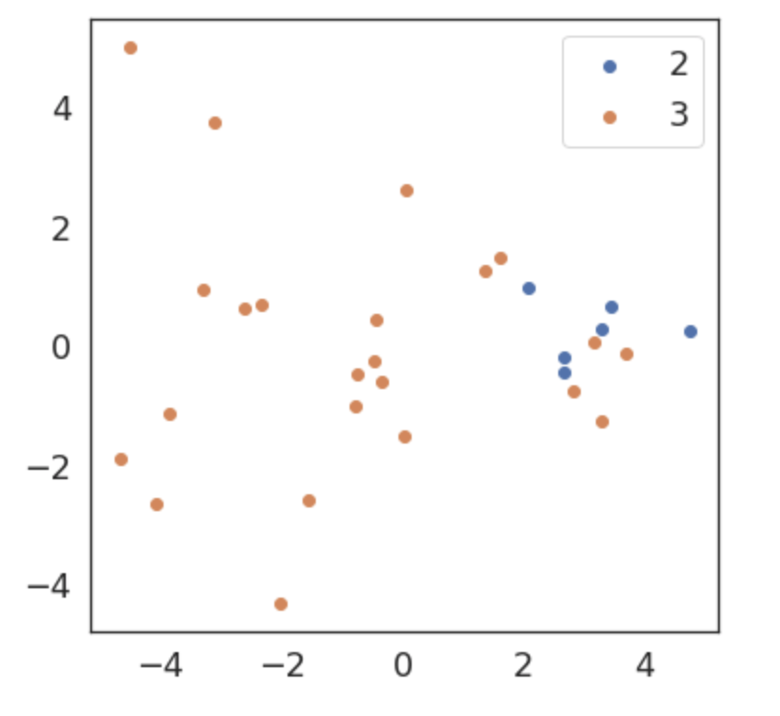
3 | Patient 9 | 2.808 | 1.030 | 3.912 | 2.382 | 1.901 | 3.846 | 4.868 | 1.613 | 1.270 | 3.615 | 3.223 | 3.246 | 1.186 | 6.000 | 2.242 | 2.268 | 1.092 | 3.453 | 3.395 | 3.731
3 | Patient 10 | 3.356 | 0.489 | 3.552 | 2.655 | 1.904 | 0.283 | 1.784 | 0.736 | 1.551 | 2.156 | 3.301 | 3.410 | 1.565 | 4.994 | 2.355 | 3.990 | 1.600 | 2.112 | 0.810 | 1.271
3 | Patient 11 | 3.855 | 3.746 | 2.799 | 1.845 | 1.642 | 2.867 | 3.487 | 3.884 | 1.696 | 4.446 | 3.144 | 2.793 | 1.344 | 3.073 | 4.233 | 3.166 | 1.062 | 2.124 | 3.047 | 3.025
3 | Patient 12 | 1.211 | 1.885 | 2.793 | 2.711 | 0.532 | 5.741 | 4.195 | 5.117 | 1.724 | 0.004 | 3.524 | 2.760 | 1.310 | 2.048 | 1.917 | 2.567 | 1.023 | 3.025 | 2.498 | 3.351
3 | Patient 14 | 0.720 | 3.241 | 3.624 | 3.689 | 1.094 | 0.370 | 1.242 | 1.314 | 0.546 | 2.501 | 1.284 | 1.300 | 1.293 | 2.333 | 3.909 | 4.871 | 1.300 | 2.717 | 2.479 | 2.726
3 | Patient 15 | 0.962 | 3.366 | 3.667 | 3.812 | 1.867 | 2.465 | 5.136 | 3.046 | 0.584 | 3.479 | 2.647 | 3.852 | 2.266 | 1.161 | 3.315 | 3.110 | 2.168 | 1.826 | 3.141 | 3.252
3 | Patient 18 | 2.057 | 6.000 | 2.186 | 2.033 | 1.245 | 0.113 | 0.802 | 0.171 | 0.961 | 0.000 | 0.000 | 0.000 | 5.932 | 6.000 | 1.676 | 2.474 | 1.044 | 6.000 | 2.533 | 1.369
3 | Patient 19 | 1.229 | 6.000 | 6.000 | 6.000 | 1.264 | 1.612 | 6.000 | 1.675 | 0.714 | 1.322 | 6.000 | 5.466 | 5.906 | 2.828 | 1.841 | 3.318 | 1.048 | 1.903 | 4.163 | 4.645
3 | Patient 20 | 1.069 | 0.055 | 1.066 | 0.431 | 1.157 | 0.001 | 0.249 | 0.097 | 0.800 | 0.000 | 0.000 | 0.000 | 6.000 | 0.646 | 0.607 | 0.442 | 1.132 | 2.907 | 0.358 | 0.434
3 | Patient 23 | 1.424 | 2.381 | 1.051 | 0.581 | 1.326 | 0.002 | 0.278 | 0.038 | 1.003 | 0.601 | 0.447 | 0.406 | 6.000 | 0.225 | 0.657 | 0.462 | 2.320 | 0.008 | 0.159 | 0.053
3 | Patient 24 | 0.797 | 0.000 | 0.000 | 0.000 | 0.962 | 0.000 | 0.000 | 0.000 | 1.224 | 1.151 | 1.189 | 0.956 | 3.103 | 2.559 | 2.218 | 1.174 | 1.168 | 3.712 | 2.550 | 1.932
3 | Patient 25 | 1.194 | 0.747 | 0.279 | 0.677 | 1.113 | 0.007 | 0.177 | 0.031 | 1.039 | 0.116 | 0.435 | 0.437 | 1.760 | 0.063 | 0.402 | 0.265 | 1.252 | 3.424 | 4.144 | 4.433
3 | Patient 26 | 0.613 | 0.000 | 0.000 | 0.000 | 0.911 | 0.000 | 0.000 | 0.000 | 0.915 | 0.000 | 0.000 | 0.000 | 6.000 | 0.022 | 0.235 | 0.133 | 1.289 | 2.536 | 3.698 | 3.326
3 | Patient 27 | 1.130 | 3.766 | 6.000 | 6.000 | 2.743 | 0.363 | 6.000 | 2.997 | 1.024 | 2.472 | 2.660 | 6.000 | 5.341 | 2.402 | 1.007 | 4.217 | 1.995 | 2.992 | 2.931 | 3.556
3 | Patient 28 | 1.039 | 6.000 | 6.000 | 6.000 | 1.093 | 2.063 | 2.679 | 1.687 | 1.091 | 6.000 | 6.000 | 6.000 | 6.000 | 1.363 | 4.405 | 5.990 | 1.555 | 6.000 | 6.000 | 6.000
3 | Patient 29 | 0.758 | 0.000 | 0.000 | 0.000 | 1.069 | 3.241 | 2.588 | 1.515 | 1.090 | 6.000 | 6.000 | 4.651 | 6.000 | 6.000 | 6.000 | 6.000 | 1.333 | 6.000 | 1.675 | 3.068
3 | Patient 30 | 3.356 | 6.000 | 3.140 | 2.432 | 1.113 | 0.782 | 0.995 | 0.464 | 1.104 | 0.881 | 0.932 | 1.090 | 6.000 | 0.991 | 0.837 | 1.147 | 1.057 | 6.000 | 3.977 | 2.906
3 | Patient 31 | 2.556 | 2.210 | 2.758 | 2.603 | 1.271 | 1.022 | 1.204 | 0.889 | 1.328 | 1.237 | 1.001 | 1.313 | 6.000 | 0.288 | 0.970 | 1.377 | 1.514 | 6.000 | 6.000 | 6.000
3 | Patient 32 | 1.326 | 2.256 | 4.060 | 1.190 | 2.608 | 2.202 | 3.897 | 0.949 | 1.052 | 2.580 | 2.714 | 1.627 | 6.000 | 3.523 | 3.850 | 5.168 | 1.127 | 6.000 | 6.000 | 6.000
2 | Patient 3 | 1.498 | 1.411 | 1.531 | 1.343 | 1.287 | 0.047 | 1.621 | 0.626 | 1.469 | 1.777 | 1.873 | 1.867 | 2.021 | 0.346 | 1.338 | 1.355 | 1.237 | 1.290 | 1.388 | 1.463
2 | Patient 4 | 2.438 | 1.509 | 1.520 | 1.363 | 1.560 | 0.459 | 1.580 | 1.043 | 1.911 | 4.150 | 1.619 | 1.634 | 2.911 | 0.424 | 1.570 | 1.441 | 0.994 | 0.000 | 0.000 | 0.000
2 | Patient 5 | 1.045 | 0.063 | 1.491 | 1.054 | 2.416 | 0.016 | 1.421 | 0.457 | 0.914 | 1.632 | 1.621 | 1.680 | 1.443 | 0.106 | 1.557 | 1.813 | 1.215 | 1.456 | 1.239 | 1.552
2 | Patient 13 | 1.591 | 0.056 | 0.289 | 0.115 | 1.732 | 0.126 | 0.597 | 0.182 | 1.017 | 0.071 | 0.400 | 0.183 | 1.369 | 0.020 | 0.109 | 0.106 | 2.072 | 0.003 | 0.044 | 0.028
2 | Patient 16 | 1.141 | 1.567 | 1.563 | 1.169 | 1.031 | 0.857 | 1.696 | 0.575 | 0.858 | 1.112 | 1.375 | 1.361 | 1.969 | 0.211 | 1.010 | 1.035 | 1.614 | 1.210 | 1.429 | 1.523
2 | Patient 21 | 0.852 | 0.000 | 0.000 | 0.000 | 1.140 | 1.108 | 1.034 | 0.697 | 0.825 | 0.000 | 0.000 | 0.000 | 5.889 | 0.308 | 0.656 | 0.729 | 1.300 | 2.257 | 1.180 | 2.609

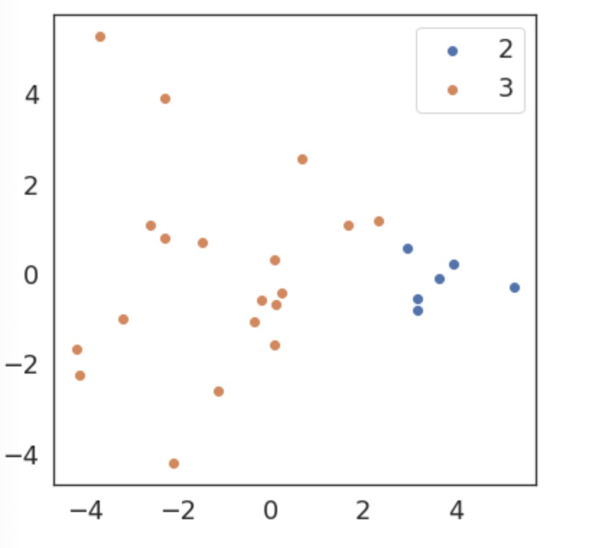
Type |  | Her 2 | Her2-GRB2-SHC | Her2-SHC | Her2-GRB2 | ER | ER-GATA3-FOXA1 | ER-GATA3 | ER-FOXA1 | PR | PR-TIF2-SRC-1 | PR-TIF2 | PR-SRC-1 | SCRIB | SCRIB-VANGL1-NOS1AP | SCRIB-VANGL1 | SCRIB-NOS1AP | WASF3 | WASF3-CYFIP1-NCKAP1 | WASF3-CYFIP1 | WASF3-NCKAP1
3 | Patient 1 | 1.495 | 3.179 | 3.871 | 3.606 | 1.643 | 3.591 | 3.262 | 2.292 | 1.217 | 1.708 | 2.535 | 2.332 | 1.246 | 1.692 | 2.642 | 3.192 | 1.056 | 2.759 | 2.433 | 2.397
3 | Patient 2 | 2.345 | 0.866 | 1.932 | 1.453 | 1.200 | 1.084 | 2.596 | 2.398 | 1.463 | 2.608 | 1.761 | 2.732 | 1.591 | 1.850 | 1.135 | 1.049 | 1.261 | 0.985 | 0.904 | 1.429
3 | Patient 7 | 2.972 | 3.665 | 2.380 | 2.545 | 4.752 | 1.955 | 3.754 | 2.025 | 1.305 | 4.684 | 3.866 | 4.635 | 4.890 | 4.158 | 2.078 | 3.339 | 2.727 | 3.554 | 1.173 | 1.512
3 | Patient 8 | 2.551 | 5.857 | 5.645 | 3.169 | 1.736 | 4.331 | 3.854 | 1.053 | 1.110 | 2.990 | 2.989 | 2.468 | 1.784 | 3.451 | 3.723 | 3.819 | 0.879 | 2.965 | 4.857 | 3.961
3 | Patient 9 | 2.808 | 1.030 | 3.912 | 2.382 | 1.901 | 3.846 | 4.868 | 1.613 | 1.270 | 3.615 | 3.223 | 3.246 | 1.186 | 6.000 | 2.242 | 2.268 | 1.092 | 3.453 | 3.395 | 3.731
3 | Patient 10 | 3.356 | 0.489 | 3.552 | 2.655 | 1.904 | 0.283 | 1.784 | 0.736 | 1.551 | 2.156 | 3.301 | 3.410 | 1.565 | 4.994 | 2.355 | 3.990 | 1.600 | 2.112 | 0.810 | 1.271
3 | Patient 11 | 3.855 | 3.746 | 2.799 | 1.845 | 1.642 | 2.867 | 3.487 | 3.884 | 1.696 | 4.446 | 3.144 | 2.793 | 1.344 | 3.073 | 4.233 | 3.166 | 1.062 | 2.124 | 3.047 | 3.025
3 | Patient 12 | 1.211 | 1.885 | 2.793 | 2.711 | 0.532 | 5.741 | 4.195 | 5.117 | 1.724 | 0.004 | 3.524 | 2.760 | 1.310 | 2.048 | 1.917 | 2.567 | 1.023 | 3.025 | 2.498 | 3.351
3 | Patient 14 | 0.720 | 3.241 | 3.624 | 3.689 | 1.094 | 0.370 | 1.242 | 1.314 | 0.546 | 2.501 | 1.284 | 1.300 | 1.293 | 2.333 | 3.909 | 4.871 | 1.300 | 2.717 | 2.479 | 2.726
3 | Patient 15 | 0.962 | 3.366 | 3.667 | 3.812 | 1.867 | 2.465 | 5.136 | 3.046 | 0.584 | 3.479 | 2.647 | 3.852 | 2.266 | 1.161 | 3.315 | 3.110 | 2.168 | 1.826 | 3.141 | 3.252
3 | Patient 18 | 2.057 | 6.000 | 2.186 | 2.033 | 1.245 | 0.113 | 0.802 | 0.171 | 0.961 | 0.000 | 0.000 | 0.000 | 5.932 | 6.000 | 1.676 | 2.474 | 1.044 | 6.000 | 2.533 | 1.369
3 | Patient 19 | 1.229 | 6.000 | 6.000 | 6.000 | 1.264 | 1.612 | 6.000 | 1.675 | 0.714 | 1.322 | 6.000 | 5.466 | 5.906 | 2.828 | 1.841 | 3.318 | 1.048 | 1.903 | 4.163 | 4.645
3 | Patient 24 | 0.797 | 0.000 | 0.000 | 0.000 | 0.962 | 0.000 | 0.000 | 0.000 | 1.224 | 1.151 | 1.189 | 0.956 | 3.103 | 2.559 | 2.218 | 1.174 | 1.168 | 3.712 | 2.550 | 1.932
3 | Patient 27 | 1.130 | 3.766 | 6.000 | 6.000 | 2.743 | 0.363 | 6.000 | 2.997 | 1.024 | 2.472 | 2.660 | 6.000 | 5.341 | 2.402 | 1.007 | 4.217 | 1.995 | 2.992 | 2.931 | 3.556
3 | Patient 28 | 1.039 | 6.000 | 6.000 | 6.000 | 1.093 | 2.063 | 2.679 | 1.687 | 1.091 | 6.000 | 6.000 | 6.000 | 6.000 | 1.363 | 4.405 | 5.990 | 1.555 | 6.000 | 6.000 | 6.000
3 | Patient 29 | 0.758 | 0.000 | 0.000 | 0.000 | 1.069 | 3.241 | 2.588 | 1.515 | 1.090 | 6.000 | 6.000 | 4.651 | 6.000 | 6.000 | 6.000 | 6.000 | 1.333 | 6.000 | 1.675 | 3.068
3 | Patient 30 | 3.356 | 6.000 | 3.140 | 2.432 | 1.113 | 0.782 | 0.995 | 0.464 | 1.104 | 0.881 | 0.932 | 1.090 | 6.000 | 0.991 | 0.837 | 1.147 | 1.057 | 6.000 | 3.977 | 2.906
3 | Patient 31 | 2.556 | 2.210 | 2.758 | 2.603 | 1.271 | 1.022 | 1.204 | 0.889 | 1.328 | 1.237 | 1.001 | 1.313 | 6.000 | 0.288 | 0.970 | 1.377 | 1.514 | 6.000 | 6.000 | 6.000
3 | Patient 32 | 1.326 | 2.256 | 4.060 | 1.190 | 2.608 | 2.202 | 3.897 | 0.949 | 1.052 | 2.580 | 2.714 | 1.627 | 6.000 | 3.523 | 3.850 | 5.168 | 1.127 | 6.000 | 6.000 | 6.000
2 | Patient 3 | 1.498 | 1.411 | 1.531 | 1.343 | 1.287 | 0.047 | 1.621 | 0.626 | 1.469 | 1.777 | 1.873 | 1.867 | 2.021 | 0.346 | 1.338 | 1.355 | 1.237 | 1.290 | 1.388 | 1.463
2 | Patient 4 | 2.438 | 1.509 | 1.520 | 1.363 | 1.560 | 0.459 | 1.580 | 1.043 | 1.911 | 4.150 | 1.619 | 1.634 | 2.911 | 0.424 | 1.570 | 1.441 | 0.994 | 0.000 | 0.000 | 0.000
2 | Patient 5 | 1.045 | 0.063 | 1.491 | 1.054 | 2.416 | 0.016 | 1.421 | 0.457 | 0.914 | 1.632 | 1.621 | 1.680 | 1.443 | 0.106 | 1.557 | 1.813 | 1.215 | 1.456 | 1.239 | 1.552
2 | Patient 13 | 1.591 | 0.056 | 0.289 | 0.115 | 1.732 | 0.126 | 0.597 | 0.182 | 1.017 | 0.071 | 0.400 | 0.183 | 1.369 | 0.020 | 0.109 | 0.106 | 2.072 | 0.003 | 0.044 | 0.028
2 | Patient 16 | 1.141 | 1.567 | 1.563 | 1.169 | 1.031 | 0.857 | 1.696 | 0.575 | 0.858 | 1.112 | 1.375 | 1.361 | 1.969 | 0.211 | 1.010 | 1.035 | 1.614 | 1.210 | 1.429 | 1.523
2 | Patient 21 | 0.852 | 0.000 | 0.000 | 0.000 | 1.140 | 1.108 | 1.034 | 0.697 | 0.825 | 0.000 | 0.000 | 0.000 | 5.889 | 0.308 | 0.656 | 0.729 | 1.300 | 2.257 | 1.180 | 2.609

