Charts
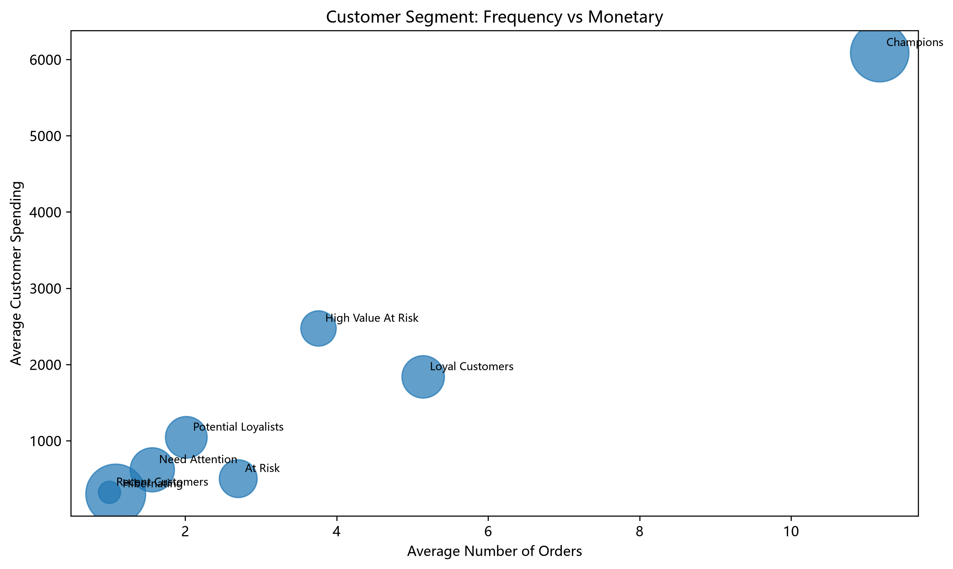
Customer Segmentation Visualizations

客户分层人数
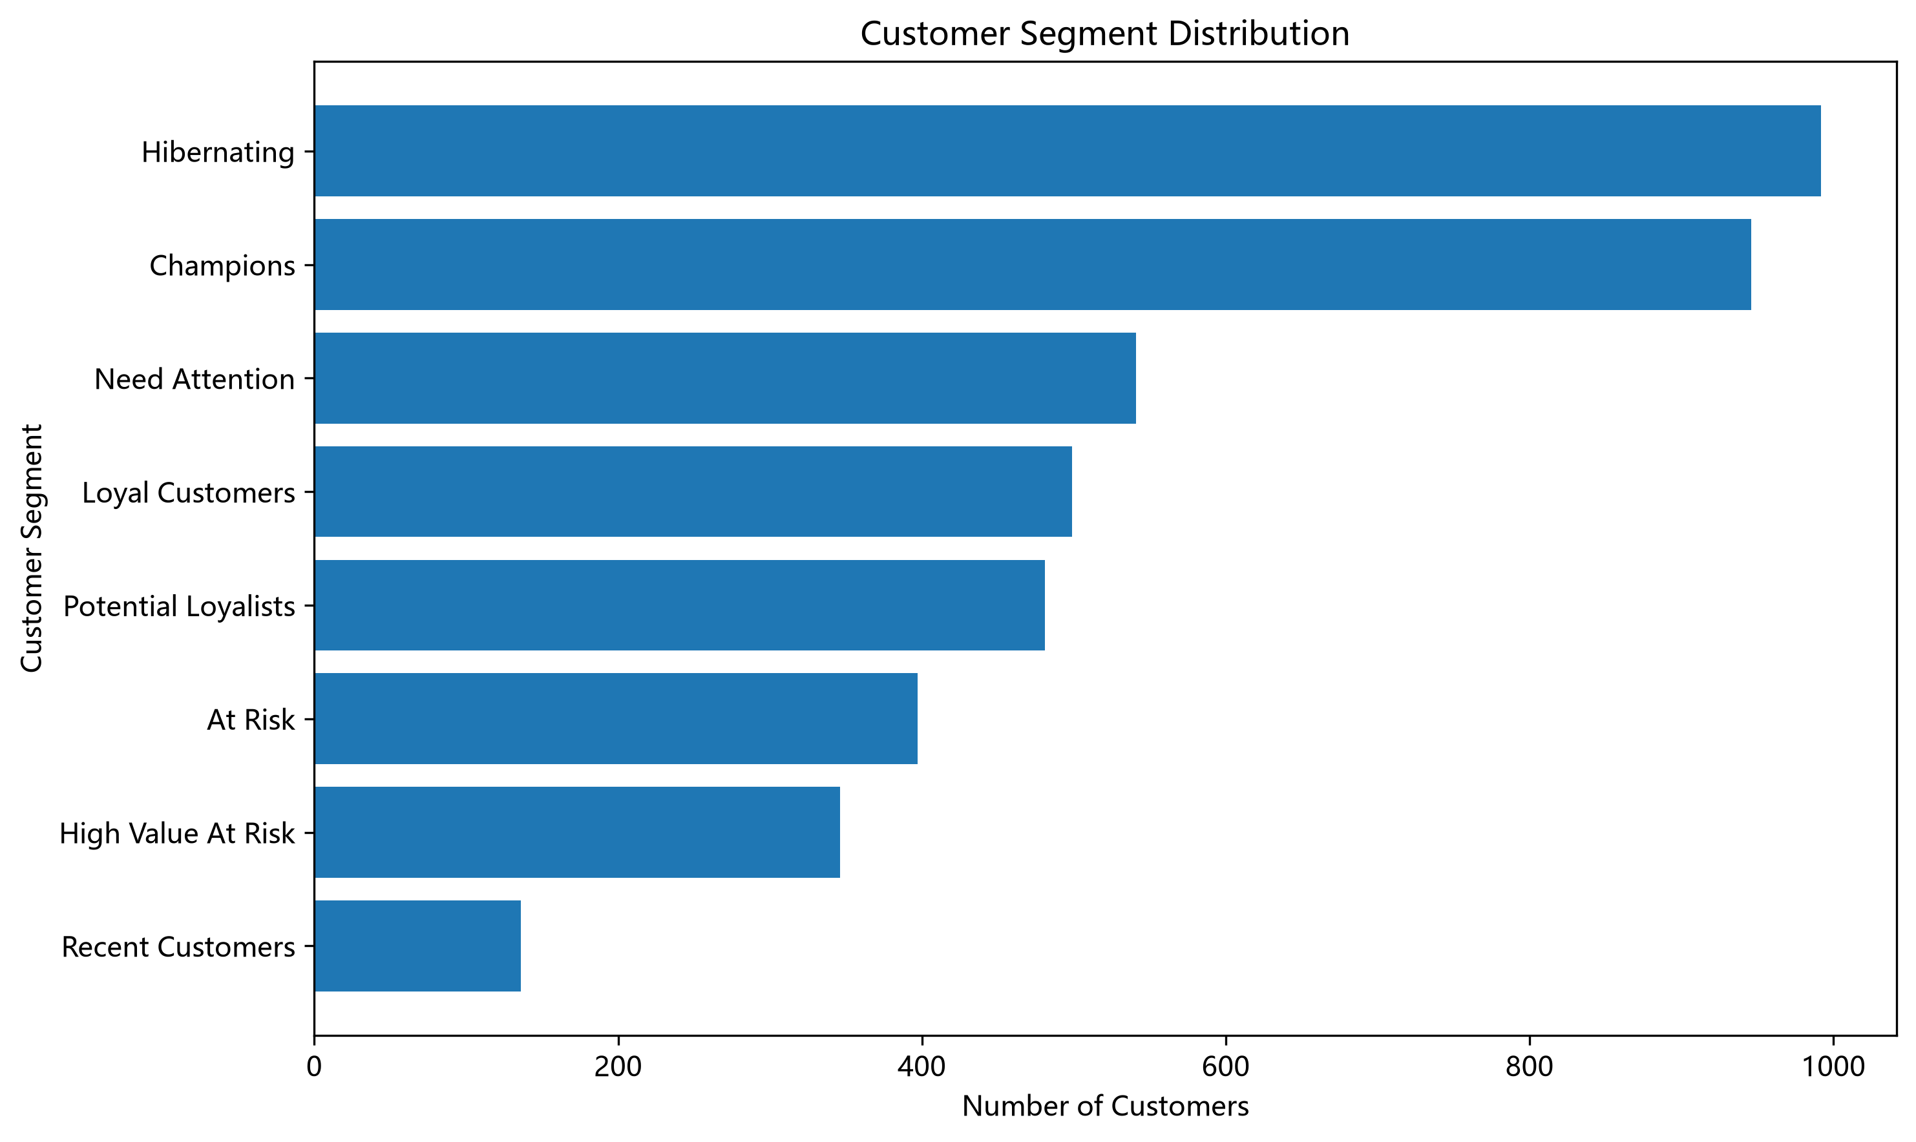

客户分层销售额
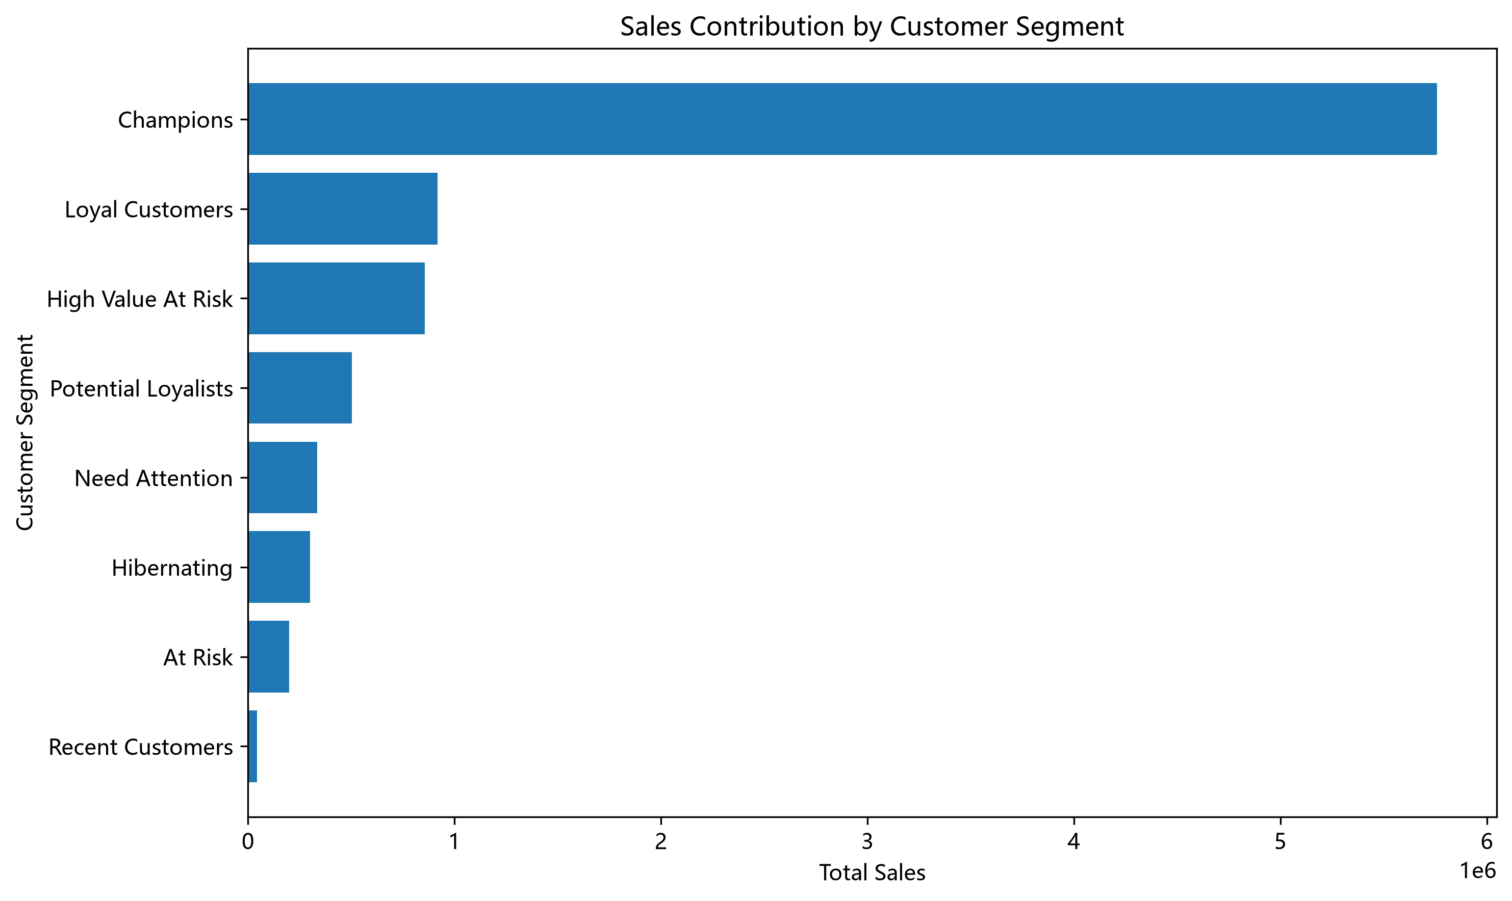

购买频率与消费金额

