Discount level
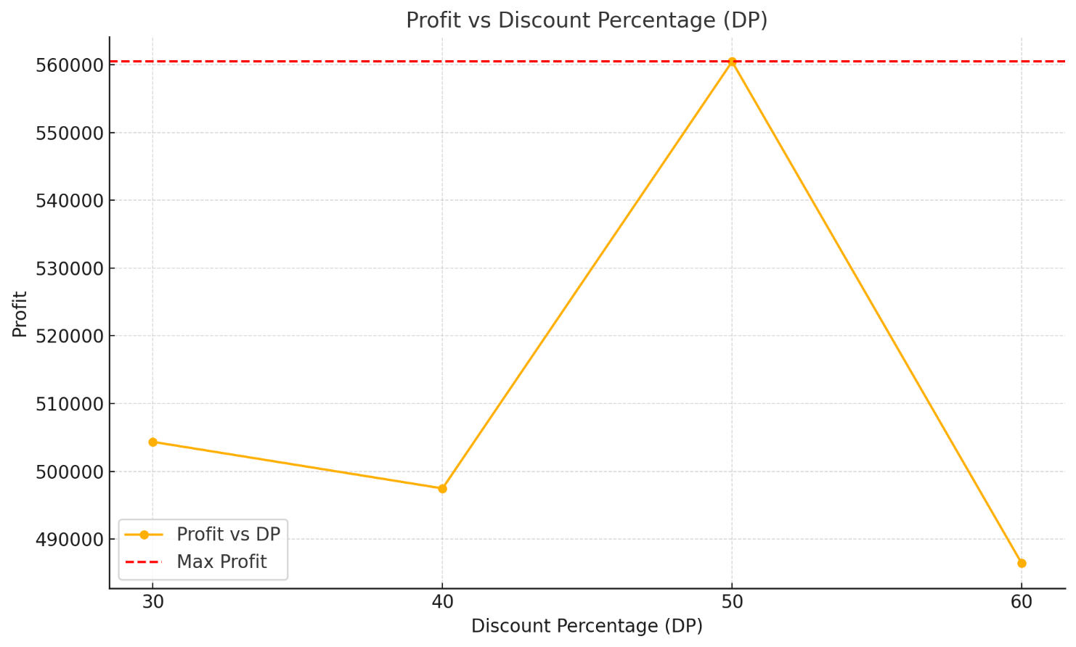

DP | 30% | 40% | 50% | 60% | In the discount strategy, a 50% discount is the optimal choice to maximize profit.
E | 45% | 60% | 75% | 90%
Profit | 504350 | 497480 | 560450 | 486425

