Sheet1
factor = 1 - 3t² + 2t³
t | factor | Step
0 | 1 | 0.02
0.02 | 0.998816
0.04 | 0.995328
0.06 | 0.989632
0.08 | 0.981824
0.1 | 0.972
0.12 | 0.960256
0.14 | 0.946688
0.16 | 0.931392
0.18 | 0.914464
0.2 | 0.896
0.22 | 0.876096
0.24 | 0.854848
0.26 | 0.832352
0.28 | 0.808704
0.3 | 0.784
0.32 | 0.758336
0.34 | 0.731808
0.36 | 0.704512
0.38 | 0.676544
0.4 | 0.648
0.42 | 0.618976
0.44 | 0.589568
0.46 | 0.559872
0.48 | 0.529984
0.5 | 0.5
0.52 | 0.470016
0.54 | 0.440128
0.56 | 0.410432
0.58 | 0.381024
0.6 | 0.352
0.62 | 0.323456
0.64 | 0.295488
0.66 | 0.268192
0.68 | 0.241664
0.7 | 0.216
0.72 | 0.191296
0.74 | 0.167648
0.76 | 0.145152
0.78 | 0.123904
0.8 | 0.104
0.82 | 0.085536
0.84 | 0.068608
0.86 | 0.053312
0.88 | 0.039744
0.9 | 0.028
0.92 | 0.018176
0.94 | 0.010368
0.96 | 0.004672
0.98 | 0.001184
1 | 0

Peak_Gain_from_Sensor
sensor | peak-rate | peak-ref | peak-gain-cap | distance-peak-to-sensor | peak_contribution | extrapulated-peak
1 | 0.8 | 2.5 | 2 | 0 | 1 | 1
 |  |  |  | 0.1 | 1.032 | 1.032
 |  |  |  | 0.2 | 1.064 | 1.064
 |  |  |  | 0.3 | 1.096 | 1.096
 |  |  |  | 0.4 | 1.128 | 1.128 | Calculate extrapulated peak gain from 1 sensor
Extrapolated peak MIN(peak-gain-cap,1+peak-rate*distance-from-sensor/peak-ref)
 |  |  |  | 0.5 | 1.16 | 1.16
 |  |  |  | 0.6 | 1.192 | 1.192
 |  |  |  | 0.7 | 1.224 | 1.224
 |  |  |  | 0.8 | 1.256 | 1.256
 |  |  |  | 0.9 | 1.288 | 1.288
 |  |  |  | 1 | 1.32 | 1.32
 |  |  |  | 1.1 | 1.352 | 1.352
 |  |  |  | 1.2 | 1.384 | 1.384
 |  |  |  | 1.3 | 1.416 | 1.416
 |  |  |  | 1.4 | 1.448 | 1.448
 |  |  |  | 1.5 | 1.48 | 1.48
 |  |  |  | 1.6 | 1.512 | 1.512
 |  |  |  | 1.7 | 1.544 | 1.544
 |  |  |  | 1.8 | 1.576 | 1.576
 |  |  |  | 1.9 | 1.608 | 1.608
 |  |  |  | 2 | 1.64 | 1.64
 |  |  |  | 2.1 | 1.672 | 1.672
 |  |  |  | 2.2 | 1.704 | 1.704
 |  |  |  | 2.3 | 1.736 | 1.736
 |  |  |  | 2.4 | 1.768 | 1.768
 |  |  |  | 2.5 | 1.8 | 1.8
 |  |  |  | 2.6 | 1.832 | 1.832
 |  |  |  | 2.7 | 1.864 | 1.864
 |  |  |  | 2.8 | 1.896 | 1.896
 |  |  |  | 2.9 | 1.928 | 1.928
 |  |  |  | 3 | 1.96 | 1.96
 |  |  |  | 3.1 | 1.992 | 1.992
 |  |  |  | 3.2 | 2 | 2
 |  |  |  | 3.3 | 2 | 2
 |  |  |  | 3.4 | 2 | 2
 |  |  |  | 3.5 | 2 | 2
 |  |  |  | 3.6 | 2 | 2
 |  |  |  | 3.7 | 2 | 2
 |  |  |  | 3.8 | 2 | 2
 |  |  |  | 3.9 | 2 | 2
 |  |  |  | 4 | 2 | 2

Peak_Decay
peak_gain | decay_amplitude_ref | min_decay_reach | max_decay_reach | natural_reach | decay_reach | distance_from_peak | norm_decay_distance_t | decay_factor
1 | 1 | 0.25 | 4 | 2.5 | 2.5 | 0 | 0 | 1
 | 1 |  |  |  |  | 0.2 | 0.08 | 0.981824
 |  |  |  |  |  | 0.4 | 0.16 | 0.931392
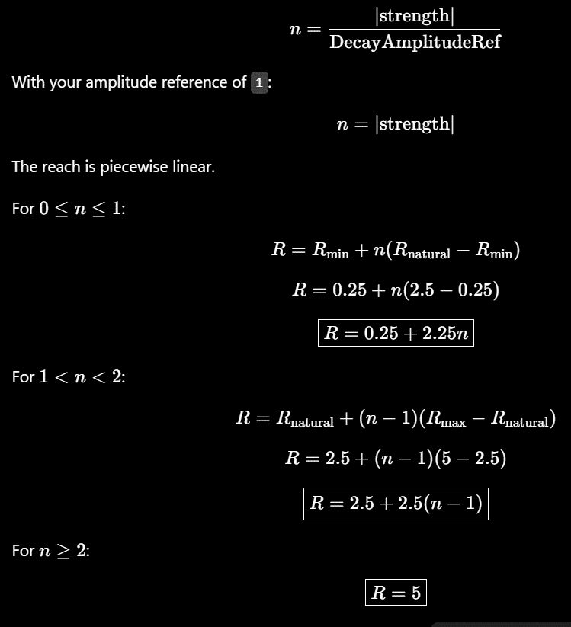
 |  |  |  |  |  | 0.6 | 0.24 | 0.854848
 |  |  |  |  |  | 0.8 | 0.32 | 0.758336
 |  |  |  |  |  | 1 | 0.4 | 0.648
 |  |  |  |  |  | 1.2 | 0.48 | 0.529984
 |  |  |  |  |  | 1.4 | 0.56 | 0.410432
 |  |  |  |  |  | 1.6 | 0.64 | 0.295488
 |  |  |  |  |  | 1.8 | 0.72 | 0.191296
 |  |  |  |  |  | 2 | 0.8 | 0.104
 |  |  |  |  |  | 2.2 | 0.88 | 0.039744
 |  |  |  |  |  | 2.4 | 0.96 | 0.004672
 |  |  |  |  |  | 2.6 | 1 | 0
 |  |  |  |  |  | 2.8 | 1 | 0
 |  |  |  |  |  | 3 | 1 | 0
 |  |  |  |  |  | 3.2 | 1 | 0
 |  |  |  |  |  | 3.4 | 1 | 0
 |  |  |  |  |  | 3.6 | 1 | 0
 |  |  |  |  |  | 3.8 | 1 | 0
 |  |  |  |  |  | 4 | 1 | 0
 |  |  |  |  |  | 4.2 | 1 | 0

