Sheet2
Average Adjusted Revenue from Comps | $103,021
Revenue assumption in financial model | $89,000
Margin for error | 14%

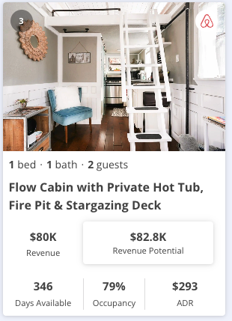

 | Revenue | $82,800 | Revenue | $94,600
 | Size | 0% | Size | 0%
 | Luxury | 5% | Luxury | 5%
 | Uniqueness | 3% | Uniqueness | 3%
 | Overall Adjustments | 8% | Overall Adjustments | 8%

 | Adjusted Revenue | $89,424 | Adjusted Revenue | $102,168

 | Airbnb link |  | Airbnb link


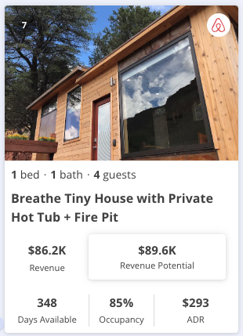
 | Revenue | $94,500 | Revenue | $89,600
 | Size | 0% | Size | -10%
 | Luxury | 5% | Luxury | 5%
 | Uniqueness | 3% | Uniqueness | 3%
 | Overall Adjustments | 8% | Overall Adjustments | -2%

 | Adjusted Revenue | $102,060 | Adjusted Revenue | $87,808

 | Airbnb link |  | Airbnb link

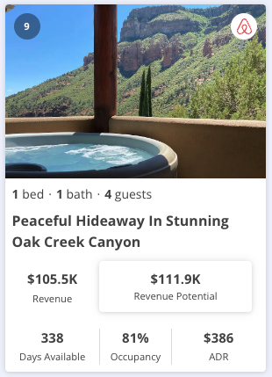
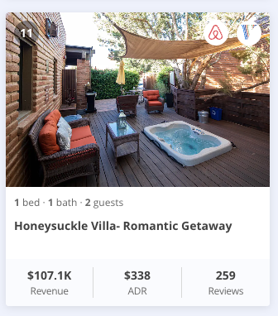
 | Revenue | $105,500 | Revenue | $107,100
 | Size | -5% | Size | 0%
 | Luxury | 3% | Luxury | 0%
 | Uniqueness | 3% | Uniqueness | 3%
 | Overall Adjustments | 1% | Overall Adjustments | 3%

 | Adjusted Revenue | $106,555 | Adjusted Revenue | $110,313

 | Airbnb link |  | Airbnb link

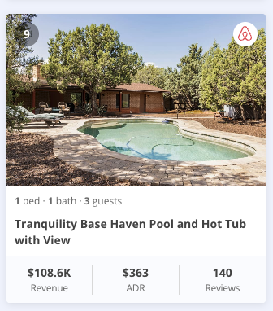

 | Revenue | $108,600 | Revenue | $108,200
 | Size | -3% | Size | -10%
 | Luxury | 0% | Luxury | -2%
 | Uniqueness | 3% | Uniqueness | 3%
 | Overall Adjustments | 0% | Overall Adjustments | -9%

 | Adjusted Revenue | $108,600 | Adjusted Revenue | $98,462

 | Airbnb link |  | Airbnb link

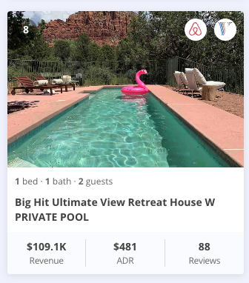

 | Revenue | $109,100 | Revenue | $128,500
 | Size | 0% | Size | -2%
 | Luxury | -10% | Luxury | -5%
 | Uniqueness | 3% | Uniqueness | 3%
 | Overall Adjustments | -7% | Overall Adjustments | -4%

 | Adjusted Revenue | $101,463 | Adjusted Revenue | $123,360

 | Airbnb link |  | Airbnb link

