instructions
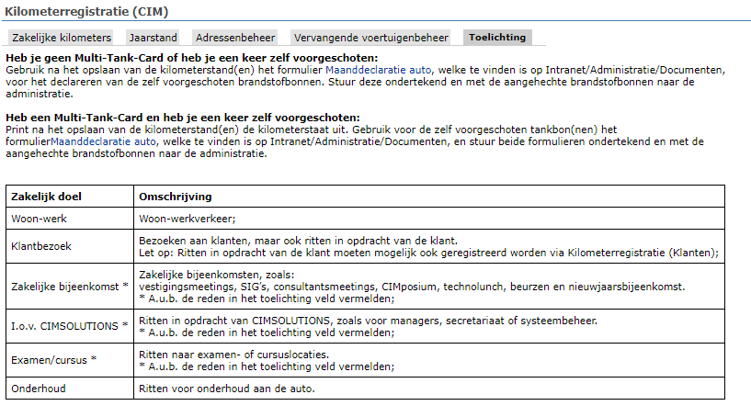
This spreadsheet is for monthly registration of business kilometers for lease cars and replacement cars
Year totals are NOT accumulated.
The data has to be entered in Dynamics 365 in future, when km registration functionality is available.

