currencies
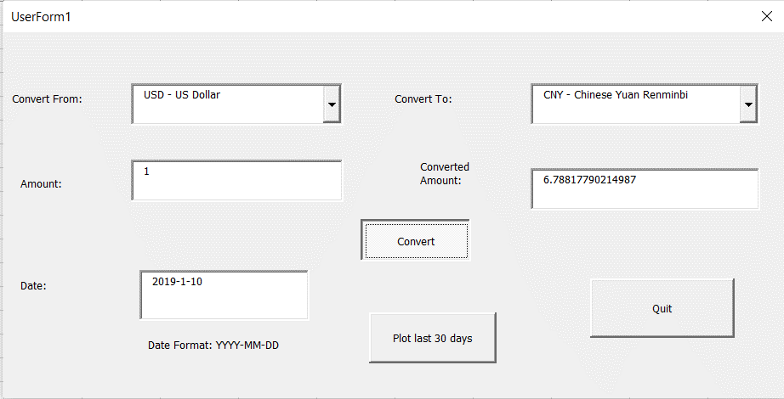
USD | US Dollar
EUR | Euro
GBP | British Pound
INR | Indian Rupee
AUD | Australian Dollar
CAD | Canadian Dollar
SGD | Singapore Dollar
CHF | Swiss Franc
MYR | Malaysian Ringgit
JPY | Japanese Yen
CNY | Chinese Yuan Renminbi
NZD | New Zealand Dollar
THB | Thai Baht
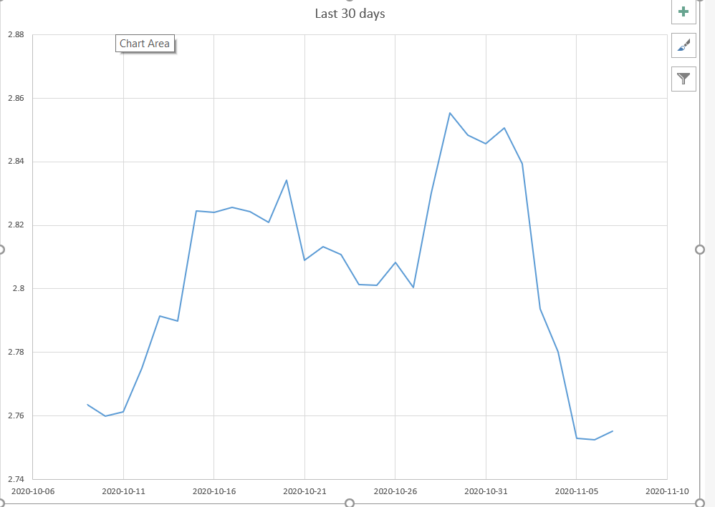
HUF | Hungarian Forint
AED | Emirati Dirham
HKD | Hong Kong Dollar
MXN | Mexican Peso
ZAR | South African Rand
PHP | Philippine Peso
SEK | Swedish Krona
IDR | Indonesian Rupiah
SAR | Saudi Arabian Riyal
BRL | Brazilian Real
TRY | Turkish Lira
KES | Kenyan Shilling
KRW | South Korean Won
EGP | Egyptian Pound
IQD | Iraqi Dinar
NOK | Norwegian Krone
KWD | Kuwaiti Dinar
RUB | Russian Ruble
DKK | Danish Krone
PKR | Pakistani Rupee
ILS | Israeli Shekel
PLN | Polish Zloty
QAR | Qatari Riyal
XAU | Gold Ounce
OMR | Omani Rial
COP | Colombian Peso
CLP | Chilean Peso
TWD | Taiwan New Dollar
ARS | Argentine Peso
CZK | Czech Koruna
VND | Vietnamese Dong
MAD | Moroccan Dirham
JOD | Jordanian Dinar
BHD | Bahraini Dinar
XOF | CFA Franc
LKR | Sri Lankan Rupee
UAH | Ukrainian Hryvnia
NGN | Nigerian Naira
TND | Tunisian Dinar
UGX | Ugandan Shilling
RON | Romanian Leu
BDT | Bangladeshi Taka
PEN | Peruvian Sol
GEL | Georgian Lari
XAF | Central African CFA Franc BEAC
FJD | Fijian Dollar
VEF | Venezuelan Bolívar
VES | Venezuelan Bolívar
BYN | Belarusian Ruble
HRK | Croatian Kuna
UZS | Uzbekistani Som
BGN | Bulgarian Lev
DZD | Algerian Dinar
IRR | Iranian Rial
DOP | Dominican Peso
ISK | Icelandic Krona
XAG | Silver Ounce
CRC | Costa Rican Colon
SYP | Syrian Pound
LYD | Libyan Dinar
JMD | Jamaican Dollar
MUR | Mauritian Rupee
GHS | Ghanaian Cedi
AOA | Angolan Kwanza
UYU | Uruguayan Peso
AFN | Afghan Afghani
LBP | Lebanese Pound
XPF | CFP Franc
TTD | Trinidadian Dollar
TZS | Tanzanian Shilling
ALL | Albanian Lek
XCD | East Caribbean Dollar
GTQ | Guatemalan Quetzal
NPR | Nepalese Rupee
BOB | Bolivian Bolíviano
ZWD | Zimbabwean Dollar
BBD | Barbadian or Bajan Dollar
CUC | Cuban Convertible Peso
LAK | Lao Kip
BND | Bruneian Dollar
BWP | Botswana Pula
HNL | Honduran Lempira
PYG | Paraguayan Guarani
ETB | Ethiopian Birr
NAD | Namibian Dollar
PGK | Papua New Guinean Kina
SDG | Sudanese Pound
MOP | Macau Pataca
NIO | Nicaraguan Cordoba
BMD | Bermudian Dollar
KZT | Kazakhstani Tenge
PAB | Panamanian Balboa
BAM | Bosnian Convertible Mark
GYD | Guyanese Dollar
YER | Yemeni Rial
MGA | Malagasy Ariary
KYD | Caymanian Dollar
MZN | Mozambican Metical
RSD | Serbian Dinar
SCR | Seychellois Rupee
AMD | Armenian Dram
SBD | Solomon Islander Dollar
AZN | Azerbaijan Manat
SLL | Sierra Leonean Leone
TOP | Tongan Pa'anga
BZD | Belizean Dollar
MWK | Malawian Kwacha
GMD | Gambian Dalasi
BIF | Burundian Franc
SOS | Somali Shilling
HTG | Haitian Gourde
GNF | Guinean Franc
MVR | Maldivian Rufiyaa
MNT | Mongolian Tughrik
CDF | Congolese Franc
STN | Sao Tomean Dobra
TJS | Tajikistani Somoni
KPW | North Korean Won
MMK | Burmese Kyat
LSL | Basotho Loti
LRD | Liberian Dollar
KGS | Kyrgyzstani Som
GIP | Gibraltar Pound
XPT | Platinum Ounce
MDL | Moldovan Leu
CUP | Cuban Peso
KHR | Cambodian Riel
MKD | Macedonian Denar
VUV | Ni-Vanuatu Vatu
MRU | Mauritanian Ouguiya
ANG | Dutch Guilder
SZL | Swazi Lilangeni
CVE | Cape Verdean Escudo
SRD | Surinamese Dollar
XPD | Palladium Ounce
SVC | Salvadoran Colon
BSD | Bahamian Dollar
XDR | IMF Special Drawing Rights
RWF | Rwandan Franc
AWG | Aruban or Dutch Guilder
DJF | Djiboutian Franc
BTN | Bhutanese Ngultrum
KMF | Comorian Franc
WST | Samoan Tala
SPL | Seborgan Luigino
ERN | Eritrean Nakfa
FKP | Falkland Island Pound
SHP | Saint Helenian Pound
JEP | Jersey Pound
TMT | Turkmenistani Manat
TVD | Tuvaluan Dollar
IMP | Isle of Man Pound
GGP | Guernsey Pound
ZMW | Zambian Kwacha
DJF | Djiboutian Franc
BTN | Bhutanese Ngultrum
KMF | Comorian Franc
WST | Samoan Tala
SPL | Seborgan Luigino
ERN | Eritrean Nakfa
FKP | Falkland Island Pound
SHP | Saint Helenian Pound
JEP | Jersey Pound
TMT | Turkmenistani Manat
TVD | Tuvaluan Dollar
IMP | Isle of Man Pound
GGP | Guernsey Pound
ZMW | Zambian Kwacha

Last 30 days
Last 30 days
11/9/2020 | 5.1089786812
11/10/2020 | 5.089240778
11/11/2020 | 5.0786973849
11/12/2020 | 5.0447243878
11/13/2020 | 5.0175359443
11/14/2020 | 5.028976332
11/15/2020 | 5.0287746276
11/16/2020 | 5.0365737934
11/17/2020 | 5.0013517636
11/18/2020 | 5.0265468017
11/19/2020 | 5.0310542588
11/20/2020 | 5.0186672339
11/21/2020 | 5.0102646868
11/22/2020 | 5.0094870395
11/23/2020 | 5.0243874272
11/24/2020 | 5.0595902785
11/25/2020 | 5.0531731683
11/26/2020 | 5.0541302857
11/27/2020 | 5.0624611964
11/28/2020 | 5.0602528787
11/29/2020 | 5.059864373
11/30/2020 | 5.0701630272
12/1/2020 | 5.0734622468
12/2/2020 | 5.0736316998
12/3/2020 | 5.0812635336
12/4/2020 | 5.10387903
12/5/2020 | 5.1087020081
12/6/2020 | 5.1089746376
12/7/2020 | 5.100510683
12/8/2020 | 5.0979938082

