Data
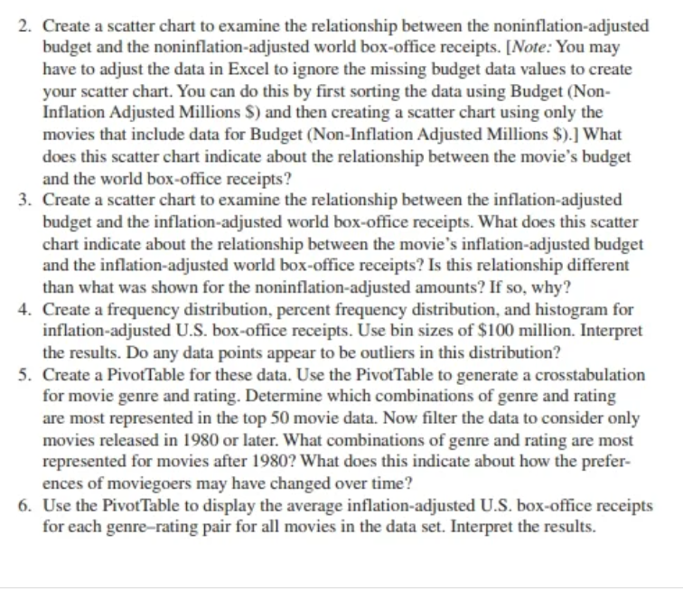
Title | Year Released | Budget (Inflation Adjusted Millions $) | World Box Office Receipts (Inflation Adjusted Millions $) | U.S. Box Office Receipts (Inflation Adjusted Millions $) | Rating | Genre | Budget (Non-Inflation Adjusted Millions $) | World Box Office Receipts (Non-Inflation Adjusted Millions $) | U.S. Box Office Receipts (Non-Inflation Adjusted Millions $)
Snow White and the Seven Dwarfs | 1937 | 5 | 854 | 854 | G | Animated | 1 | 185 | 185
American Graffiti | 1973 | 4 | 515 | 515 | PG | Drama | 1 | 115 | 115
Fantasia | 1940 | 17 | 651 | 651 | G | Animated | 2 | 76 | 76
Gone With the Wind | 1939 | 13 | 3,242 | 1,650 | G | Drama | 3 | 391 | 199
Pinocchio | 1940 | 19 | 529 | 529 | G | Animated | 3 | 84 | 84
The Robe | 1953 | 71 | 513 | 513 | UR | Drama | 5 | 36 | 36
The Sting | 1973 | 27 | 715 | 715 | PG | Drama | 6 | 160 | 160
The Godfather | 1972 | 28 | 624 | 623 | R | Drama | 6 | 135 | 135
Sleeping Beauty | 1959 | 66 | 570 | 570 | G | Animated | 6 | 52 | 52
Grease | 1978 | 9 | 1,176 | 562 | PG | Comedy | 6 | 380 | 182
Around the World in 80 Days | 1956 | 72 | 507 | 507 | G | Action | 6 | 42 | 42
Airport | 1970 | 52 | 518 | 518 | G | Drama | 10 | 101 | 101
Star Wars | 1977 | 20 | 2,468 | 1,426 | PG | SciFi/Fantasy | 11 | 798 | 461
Doctor Zhivago | 1965 | 96 | 973 | 973 | PG-13 | Drama | 11 | 112 | 112
Jaws | 1975 | 26 | 1,865 | 1,029 | PG | Action | 12 | 471 | 260
The Exorcist | 1973 | 27 | 1,412 | 809 | R | Horror | 12 | 358 | 205
The Ten Commandments | 1956 | 184 | 1,053 | 1,053 | G | Drama | 14 | 80 | 80
Ben-Hur | 1959 | 181 | 844 | 844 | G | Drama | 15 | 70 | 70
The Empire Strikes Back | 1980 | 26 | 1,420 | 772 | PG | SciFi/Fantasy | 18 | 534 | 290
Raiders of the Lost Ark | 1981 | 36 | 1,058 | 683 | PG | Action | 20 | 384 | 248
Ghostbusters | 1984 | 53 | 630 | 515 | PG | SciFi/Fantasy | 30 | 292 | 239
Return of the Jedi | 1983 | 43 | 1,373 | 741 | PG | SciFi/Fantasy | 33 | 573 | 309
Cleopatra | 1963 | 401 | 527 | 527 | UR | Drama | 44 | 58 | 58
The Lion King | 1994 | 34 | 1,626 | 722 | G | Animated | 45 | 952 | 423
Forrest Gump | 1994 | 50 | 1,275 | 618 | PG-13 | Drama | 55 | 680 | 330
Jurassic Park | 1993 | 46 | 1,741 | 676 | PG-13 | Action | 63 | 920 | 357
Shrek 2 | 2004 | 46 | 1,165 | 557 | PG | Animated | 75 | 912 | 437
Independence Day | 1996 | 51 | 1,459 | 549 | PG-13 | SciFi/Fantasy | 75 | 813 | 306
LOTR: The Return of the King | 2003 | 41 | 1,485 | 496 | PG-13 | SciFi/Fantasy | 94 | 1,129 | 377
Star Wars: The Phantom Menace | 1999 | 77 | 1,557 | 720 | PG | SciFi/Fantasy | 110 | 1,027 | 475
Spider-Man | 2002 | 95 | 1,103 | 552 | PG-13 | SciFi/Fantasy | 139 | 807 | 404
The Dark Knight | 2008 | 88 | 1,107 | 589 | PG-13 | SciFi/Fantasy | 150 | 1,002 | 533
Titanic | 1997 | 100 | 3,636 | 1,096 | PG-13 | Drama | 200 | 2,185 | 659
Marvel's The Avengers | 2012 | 91 | 1,512 | 623 | PG-13 | SciFi/Fantasy | 220 | 1,512 | 623
Pirates of the Caribbean: Dead Man's Chest | 2006 | 108 | 1,290 | 513 | PG-13 | Action | 225 | 1,066 | 423
Avatar | 2009 | 67 | 2,937 | 804 | PG-13 | Action | 230 | 2,778 | 761
The Sound of Music | 1965 | -- | 1,145 | 1,145 | G | Musical | -- | 163 | 163
E.T. | 1982 | -- | 1,970 | 1,132 | PG | SciFi/Fantasy | -- | 757 | 435
The Jungle Book | 1967 | -- | 1,263 | 871 | G | Animated | -- | 206 | 142
One Hundred and One Dalmatians | 1961 | -- | 1,162 | 825 | G | Animated | -- | 215 | 153
Mary Poppins | 1964 | -- | 686 | 686 | G | Musical | -- | 102 | 102
The Graduate | 1967 | -- | 671 | 671 | PG | Drama | -- | 104 | 104
Close Encounters of the Third Kind | 1977 | -- | 1,431 | 612 | PG | Drama | -- | 300 | 128
Butch Cassidy and the Sundance Kid | 1969 | -- | 553 | 553 | PG | Western | -- | 102 | 102
Bambi | 1942 | -- | 1,439 | 552 | G | Animated | -- | 268 | 103
Love Story | 1970 | -- | 549 | 549 | PG | Drama | -- | 106 | 106
Beverly Hills Cop | 1984 | -- | 738 | 548 | R | Comedy | -- | 316 | 235
Home Alone | 1990 | -- | 986 | 528 | PG | Comedy | -- | 534 | 286
Blazing Saddles | 1974 | -- | 496 | 496 | R | Comedy | -- | 120 | 120
Batman | 1989 | -- | 811 | 494 | PG-13 | SciFi/Fantasy | -- | 413 | 251

bins
1,650 | Range | 1,156
494
 |  | bin | frequency
 |  | 399
 |  | 499
 |  | 599
 |  | 699
 |  | 799
 |  | 899
 |  | 999
 |  | 1,099
 |  | 1,199
 |  | 1,299
 |  | 1,399
 |  | 1,499
 |  | 1,599
 |  | 1,699

1
Relationship between year released and inflation adjusted US box office reciepts
1937 | 854
1973 | 515
1940 | 651
1939 | 1,650
1940 | 529
1953 | 513
1973 | 715
1972 | 623
1959 | 570
1978 | 562
1956 | 507
1970 | 518
1977 | 1,426
1965 | 973
1975 | 1,029
1973 | 809
1956 | 1,053
1959 | 844
1980 | 772
1981 | 683
1984 | 515
1983 | 741
1963 | 527
1994 | 722
1994 | 618
1993 | 676
2004 | 557
1996 | 549
2003 | 496
1999 | 720
2002 | 552
2008 | 589
1997 | 1,096
2012 | 623
2006 | 513
2009 | 804
1965 | 1,145
1982 | 1,132
1967 | 871
1961 | 825
1964 | 686
1967 | 671
1977 | 612
1969 | 553
1942 | 552
1970 | 549
1984 | 548
1990 | 528
1974 | 496
1989 | 494

This scatter chart indicates box office reciepts for top 50 movie has been relatively flat |  | and slightly declining overtime (adjusted for inflation). |  | The data points are slightly negative correlation between the varibles.
Gone with the wind is an outliers whose reciepts is 1650 | Because this represents for reciepts for top movies, this indicates |  | the total revenue of box office movies are not increasesing overtime |  | or there's a greater
competition among the movies, that the top movies are not dominating the box office.

2
 | World Box Office Receipts (Non-Inflation Adjusted Millions $)
1 | 185
1 | 115
2 | 76
3 | 391
3 | 84
5 | 36
6 | 160
6 | 135
6 | 52
6 | 380
6 | 42
10 | 101
11 | 798
11 | 112
12 | 471
12 | 358
14 | 80
15 | 70
18 | 534
20 | 384
30 | 292
33 | 573
44 | 58
45 | 952
55 | 680
63 | 920
75 | 912
75 | 813
94 | 1,129
110 | 1,027
139 | 807
150 | 1,002
200 | 2,185
220 | 1,512
225 | 1,066
230 | 2,778

This scatter chart shows a positive correlation between budget and world box office receipts. Top 50 movies with larger budgets appear to be correlated with higher box office reciepts.
Some of this relationship may be driven by fact

3
 | World Box Office Receipts (Inflation Adjusted Millions $)
5 | 854
4 | 515
17 | 651
13 | 3,242
19 | 529
71 | 513
27 | 715
28 | 624
66 | 570
9 | 1,176
72 | 507
52 | 518
20 | 2,468
96 | 973
26 | 1,865
27 | 1,412
184 | 1,053
181 | 844
26 | 1,420
36 | 1,058
53 | 630
43 | 1,373
401 | 527
34 | 1,626
50 | 1,275
46 | 1,741
46 | 1,165
51 | 1,459
41 | 1,485
77 | 1,557
95 | 1,103
88 | 1,107
100 | 3,636
91 | 1,512
108 | 1,290
67 | 2,937

Inflation adjusted budget and inflation adjusted world box office reciepts has negative correlation.

4
Histogram
bins
1,650 | Range | 1,156
494

bin | frequency | data range | percent frequency
399 | 0 | <400 | 0% | Bin | Frequency
499 | 3 | 400-500 | 6% | 399 | 0
599 | 19 | 500-600 | 38% | 499 | 3
699 | 9 | 600-700 | 18% | 599 | 19
799 | 5 | 700-800 | 10% | 699 | 9
899 | 6 | 800-900 | 12% | 799 | 5
999 | 1 | 900-1000 | 2% | 899 | 6
1,099 | 3 | 1000-1100 | 6% | 999 | 1
1,199 | 2 | 1100-1200 | 4% | 1,099 | 3
1,299 | 0 | 1200-1300 | 0% | 1,199 | 2
1,399 | 0 | 1300-1400 | 0% | 1,299 | 0
1,499 | 1 | 1400-1500 | 2% | 1,399 | 0
1,599 | 0 | 1500-1600 | 0% | 1,499 | 1
1,699 | 1 | >1700 | 2% | 1,599 | 0
 | 50 |  |  | 1,699 | 1
 |  |  |  | More | 0

The distribution of inflation adjusted US box office receipts is skewed to the right. Most of top
50 movies have inflation adjusted box office receipts that are less than $700 million dollars.
However, there are few movies that have much greater inflation adjusted box office recipet. Gone with the wind (1.6 billion) and Star War (1.43 billions appear to be outliers)

5
Year Released | (Multiple Items)
 |  |  |  |  |  | movies before 1980
Count of U.S. Box Office Receipts (Inflation Adjusted Millions $) | Column Labels
Row Labels | G | PG | PG-13 | R | Grand Total
Action |  | 1 | 3 |  | 4
Animated | 1 | 1 |  |  | 2
Comedy |  | 1 |  | 1 | 2
Drama |  |  | 2 |  | 2
SciFi/Fantasy |  | 5 | 6 |  | 11
Grand Total | 1 | 8 | 11 | 1 | 21
 | G | PG | PG-13 | R
Action |  | 1 | 3
Animated | 1 | 1
Comedy |  | 1 |  | 1
Drama |  |  | 2
SciFi/Fantasy |  | 5 | 6

The filered Pivot table indicates after 1980 most common type of movie is PG13 rated SciFi/Fantasy,
Only 1 G rated animated in the data set was released after 1980. It looks like the box office receipt generating movies
has changed from movie aimed at children shift to older movie watchers.

