Checklist 301
Test Case ID: | 301
Test Case Name: | TC_ New Comments page creation - UI
Status: | New
Test Type: | UI
Author: | Ivan Ivanov
Creation Date: | 09/21/2012
Automation: | Recommended
Priority: | High
Objective: | To verify that UI for 'New Comments' page corresponds to mock up.
Pre-Conditions and Setup: | The ‘New Comments’ page is opened.
# | Steps | Instructions | Version (Build) #
 |  |  | Status | Comments | Execution Date
1 | Verify the UI controls presence |  | PASS |  | 08\10\2017
 | Verify the UI controls alignment |  | PASS |  | 08\10\2017
 | Verify size and font of labels. |  | PASS |  | 08\10\2017
2 | Verify spelling of labels. |  | PASS |  | 08\10\2017
3 | Verify that 'Comment Text' field is empty by default |  | PASS |  | 08\10\2017
4 | Verify that 'Number’ field is empty by default |  | PASS |  | 08\10\2017
5 | Verify that ‘Active’ checkbox is checked by defaultw |  | PASS |  | 08\10\2017
6 | Verify that status of 'Active' checkbox is changed by click. |  | FAIL | Status changed 1 time per double click. | 08\10\2017
7 | Verify tabulation. |  | PASS |  | 08\10\2017
8 | Verify that all UI controls are visible on the screen after page resizing. | * resize by corresponding button in the top right corner of the form * resize by dragging the corner of window | FAIL | Normal work with resize by button, but bad by dragging the corner. | 08\10\2017
Test Data: | None
Attachments: | 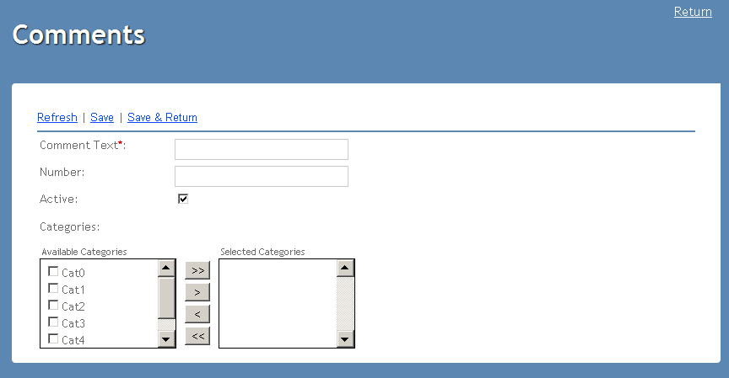

Defects
# | Summary |  | Actual Result | Expected Result | Priority
8 | Bad resize by dragging | 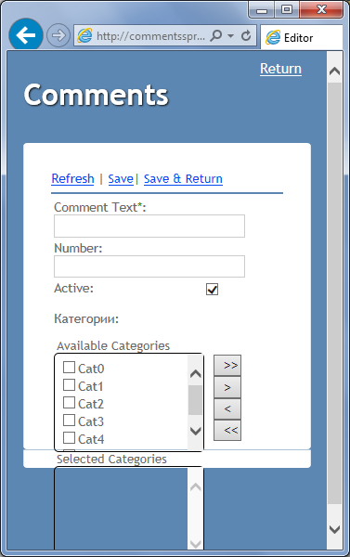 | Bad resize of the creen | Normal resize of screen | Normal

TC 302
Test Case ID: | 302
Test Case Name: | TC_ New Comments page creation - Functional Save and Save & Return
Status: | New
Test Type: | Functional
Author: | Max Maksimov
Creation Date: | 09/21/2012
Automation: | Recommended
Priority: | High
Objective: | To verify saving new comment by clicking 'Save' or 'Save & Return' buttons.
Pre-Conditions and Setup: | The 'New Comments' page is opened.
Comment: | Example of Detailed Test Case with possibility to set Status for each of steps
# | Steps | Expected Result | Instructions | Version (Build) #
 |  |  |  | Status | Comments | Execution Date
1 | Enter unique correct data to ‘Comment Text’, ‘Number’ fields. |  | ‘Comment Text’ - only aphabetical symbols ‘Number’ - numerical from 0 to 999 | PASS |  | 08\10\2017
2 | Add all categories to ‘Selected Categories’. |  |  |  |  | 08\10\2017
3 | Click ‘Save’ button. | 1. ‘Comment Text’, ‘Number’ fields are empty. 2. All categories are in ‘Available categories’ section. 3. ‘Active’ checkbox is checked. |  | FAIL | Fields aren't empty, all categories aren't in section. | 08\10\2017
4 | Go to main page |  | Use link from General sheet to open the main page | PASS |  | 08\10\2017
5 | Verify that new comment created in steps #1-#3 is present in the list of comments | 1. New comment (created in steps #1-#3) is present in the list. 2. Attributes indicated while creating comment ('Comment Text', 'Number', 'Categories') display in the corresponding columns of the grid |  | PASS |  | 08\10\2017
6 | Click 'New...' link | The 'New Comments' page is opened. |  | PASS |  | 08\10\2017
7 | Repeat steps #1 and #2 |  |  | PASS |  | 08\10\2017
8 | Click ‘Save&Return’ button. | The main 'Comments' page is opened |  | PASS |  | 08\10\2017
9 | Verify that new comment created in steps #7-#8 is present in the list of comments | 1. New comment (created in steps #7-#8) is present in the list. 2. Attributes indicated while creating comment ('Comment Text', 'Number', 'Categories') display in the corresponding columns of the grid |  | PASS |  | 08\10\2017
10 | Click 'New...' link | The 'New Comments' page is opened. |  | PASS |  | 08\10\2017
11 | Repeat steps #1 and #2 |  |  | PASS |  | 08\10\2017
12 | Click ‘Save’ button. | 1. ‘Comment Text’, ‘Number’ fields are empty. 2. All categories are in ‘Available categories’ section. 3. ‘Active’ checkbox is checked. |  | PASS |  | 08\10\2017
13 | Repeat steps #1 and #2 |  |  | PASS |  | 08\10\2017
14 | Click ‘Save&Return’ button. | The main 'Comments' page is opened |  | PASS |  | 08\10\2017
15 | Verify that two new comments (created in steps #11-#12 and #13-#14) are present in the list of comments | 1. Two new comments (created in steps #11-#12 and #13-#14) are present in the list. 2. Attributes indicated while creating comment ('Comment Text', 'Number', 'Categories') display in the corresponding columns of the grid |  | PASS |  | 08\10\2017
Test Data: | None
Attachments: | None

Defects
# | Summary | Steps to reproduce |  | Actual Result | Expected Result | Priority
3 | Bad result after "Save" | 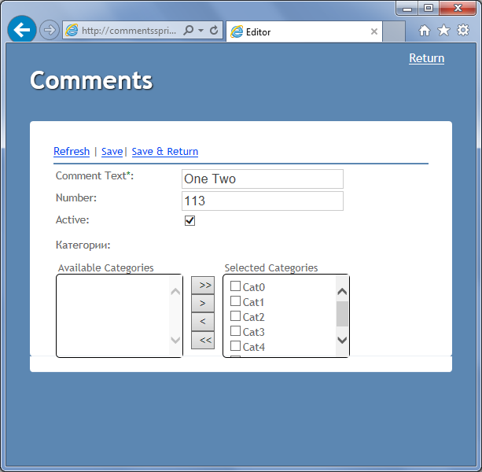 Write In the fields+click save button. |  | Fields aren't empty, all categories aren't in section. | 1. ‘Comment Text’, ‘Number’ fields are empty. 2. All categories are in ‘Available categories’ section. 3. ‘Active’ checkbox is checked. | High

