Results 1
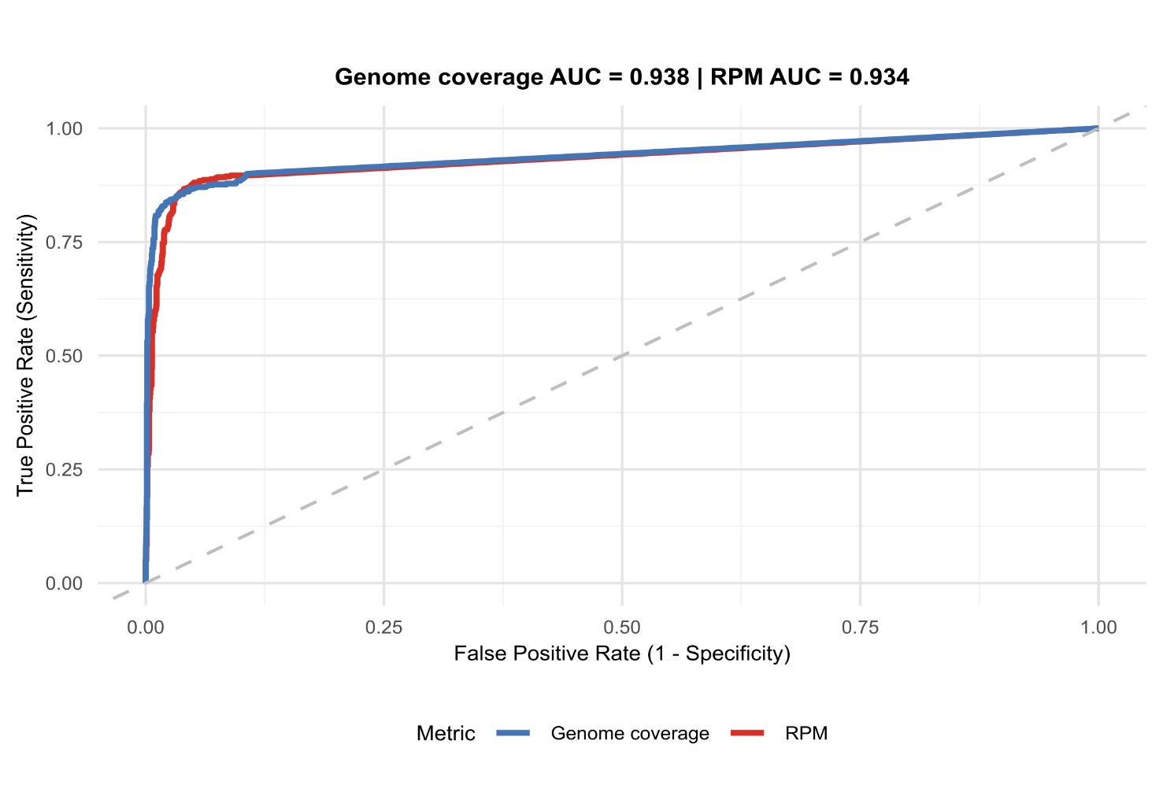
Metric | PathCare | NHLS_GS | NHLS_TY | Surviellance | Mucokids | SUDI | ALL_COMBINED
Number of samples | 277 | 40 | 51 | 368 | 69 | 78 | 515
Number of sample >100,000 reads | 260 | 40 | 47 | 347 | 68 | 64 | 479

Metric | PathCare | NHLS_GS | NHLS_TY | Surviellance | Mucokids | SUDI | ALL_COMBINED
Number of PCR samples | 260 | 40 | 47 | 347 | 68 | 64 | 479
Positive PCR detections | 282 | 38 | 48 | 368 | 101 | 42 | 511
Samples with PCR+ | 255 | 38 | 44 | 337 | 65 | 32 | 434
Negative PCR detections | 861 | 282 | 303 | 1,446 | 443 | 406 | 2,295
Unknown PCR detections | 937 | 0 | 25 | 962 | 0 | 64 | 1,026

Metric: Positive PCR per pathogen
 | PathCare | NHLS_GS | NHLS_TY | Surviellance | Mucokids | SUDI | ALL_COMBINED
Influenza A | 64 | 21 | 18 | 103 | 4 | 3 | 110
Influenza B | 10 | 1 | 2 | 13 | 0 | 0 | 13
RSV | 34 | 0 | 4 | 38 | 17 | 14 | 69
SARS-CoV-2 | 72 | 16 | 14 | 102 | 11 | 0 | 113
Rhinovirus | 58 | 0 | 2 | 60 | 44 | 21 | 125
Adenovirus | 0 | 0 | 3 | 3 | 15 | 4 | 22
HMPV | 44 | 0 | 3 | 47 | 2 | 0 | 49
Parainfluenzavirus | 0 | 0 | 2 | 2 | 8 | 0 | 10
 | 282 | 38 | 48 | 368 | 101 | 42 | 511

Figure 1A
Metric | AUC
Genome coverage | 0.938
RPM | 0.934

Figure 1A: Attached pdf, svg, png

Results 2
Figure 1B: Attached png,pdf,svg
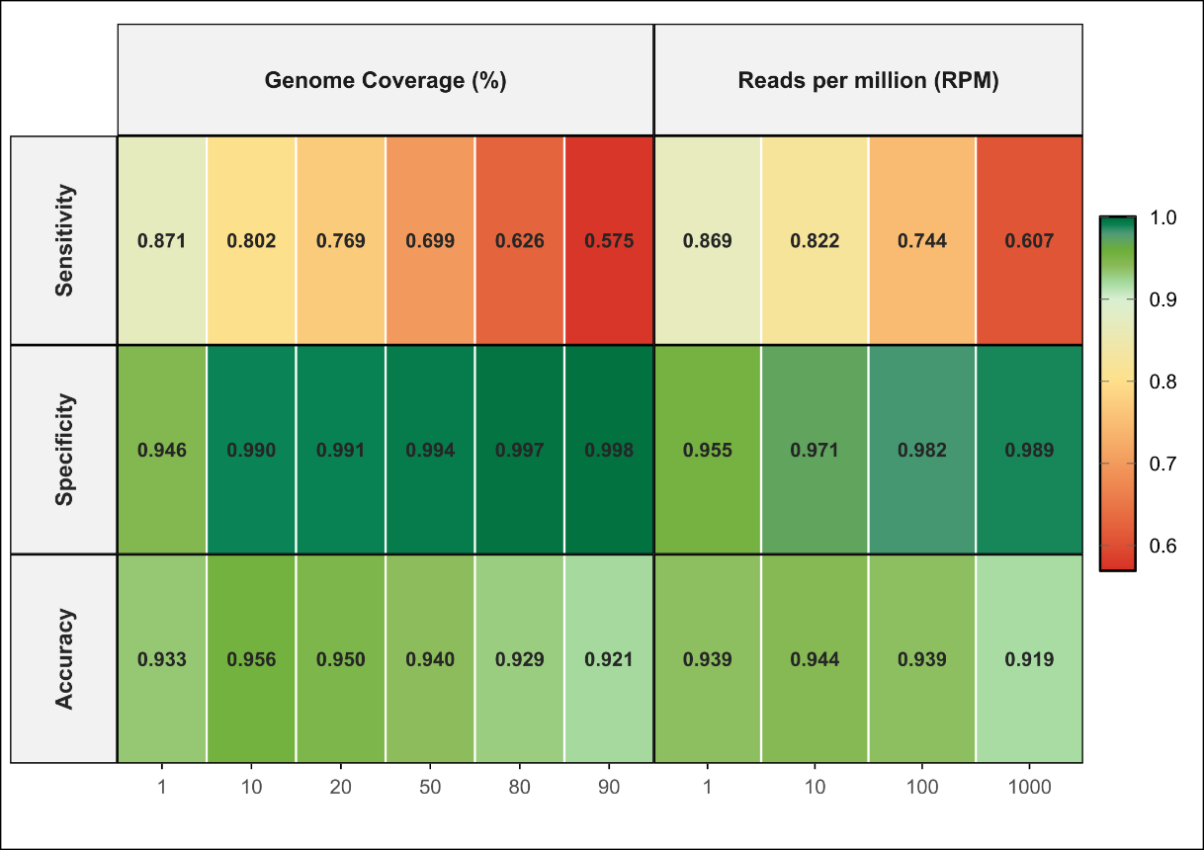

ALL_COMBINED |  |  |  |  |  |  |  |  | Tygerberg
Threshold | Type | TP | TN | FP | FN | Total | Sensitivity % | Specificity % | Threshold | Type | TP | TN | FP | FN | Total | Sensitivity % | Specificity %
cov10 | Contam-Adjusted | 410 | 2,272 | 23 | 101 | 2,806 | 80.2 | 99.0 | cov10 | Contam-Adjusted | 46 | 298 | 5 | 2 | 351 | 95.8 | 98.3
cov20 | Contam-Adjusted | 393 | 2,274 | 21 | 118 | 2,806 | 76.9 | 99.1 | cov20 | Contam-Adjusted | 45 | 299 | 4 | 3 | 351 | 93.8 | 98.7
cov50 | Contam-Adjusted | 357 | 2,282 | 13 | 154 | 2,806 | 69.9 | 99.4 | cov50 | Contam-Adjusted | 43 | 300 | 3 | 5 | 351 | 89.6 | 99.0
cov80 | Contam-Adjusted | 320 | 2,287 | 8 | 191 | 2,806 | 62.6 | 99.7 | cov80 | Contam-Adjusted | 39 | 301 | 2 | 9 | 351 | 81.2 | 99.3
cov90 | Contam-Adjusted | 294 | 2,290 | 5 | 217 | 2,806 | 57.5 | 99.8 | cov90 | Contam-Adjusted | 37 | 302 | 1 | 11 | 351 | 77.1 | 99.7
rpm1 | Contam-Adjusted | 444 | 2,191 | 104 | 67 | 2,806 | 86.9 | 95.5 | rpm1 | Contam-Adjusted | 48 | 288 | 15 | 0 | 351 | 100.0 | 95.0
rpm10 | Contam-Adjusted | 420 | 2,229 | 66 | 91 | 2,806 | 82.2 | 97.1 | rpm10 | Contam-Adjusted | 47 | 292 | 11 | 1 | 351 | 97.9 | 96.4
rpm100 | Contam-Adjusted | 380 | 2,254 | 41 | 131 | 2,806 | 74.4 | 98.2 | rpm100 | Contam-Adjusted | 42 | 299 | 4 | 6 | 351 | 87.5 | 98.7
rpm1000 | Contam-Adjusted | 310 | 2,270 | 25 | 201 | 2,806 | 60.7 | 98.9 | rpm1000 | Contam-Adjusted | 35 | 301 | 2 | 13 | 351 | 72.9 | 99.3
PathCare |  |  |  |  |  |  |  |  | Mucokids
Threshold | Type | TP | TN | FP | FN | Total | Sensitivity % | Specificity % | Threshold | Type | TP | TN | FP | FN | Total | Sensitivity % | Specificity %
cov10 | Contam-Adjusted | 219 | 851 | 10 | 63 | 1,143 | 77.7 | 98.8 | cov10 | Contam-Adjusted | 86 | 440 | 3 | 15 | 544 | 85.1 | 99.3
cov20 | Contam-Adjusted | 208 | 851 | 10 | 74 | 1,143 | 73.8 | 98.8 | cov20 | Contam-Adjusted | 84 | 441 | 2 | 17 | 544 | 83.2 | 99.5
cov50 | Contam-Adjusted | 185 | 855 | 6 | 97 | 1,143 | 65.6 | 99.3 | cov50 | Contam-Adjusted | 73 | 441 | 2 | 28 | 544 | 72.3 | 99.5
cov80 | Contam-Adjusted | 168 | 857 | 4 | 114 | 1,143 | 59.6 | 99.5 | cov80 | Contam-Adjusted | 68 | 441 | 2 | 33 | 544 | 67.3 | 99.5
cov90 | Contam-Adjusted | 154 | 859 | 2 | 128 | 1,143 | 54.6 | 99.8 | cov90 | Contam-Adjusted | 61 | 441 | 2 | 40 | 544 | 60.4 | 99.5
rpm1 | Contam-Adjusted | 240 | 801 | 60 | 42 | 1,143 | 85.1 | 93.0 | rpm1 | Contam-Adjusted | 92 | 432 | 11 | 9 | 544 | 91.1 | 97.5
rpm10 | Contam-Adjusted | 233 | 819 | 42 | 49 | 1,143 | 82.6 | 95.1 | rpm10 | Contam-Adjusted | 81 | 438 | 5 | 20 | 544 | 80.2 | 98.9
rpm100 | Contam-Adjusted | 212 | 830 | 31 | 70 | 1,143 | 75.2 | 96.4 | rpm100 | Contam-Adjusted | 71 | 440 | 3 | 30 | 544 | 70.3 | 99.3
rpm1000 | Contam-Adjusted | 173 | 843 | 18 | 109 | 1,143 | 61.3 | 97.9 | rpm1000 | Contam-Adjusted | 60 | 440 | 3 | 41 | 544 | 59.4 | 99.3
Groote Schuur |  |  |  |  |  |  |  |  | SUDI
Threshold | Type | TP | TN | FP | FN | Total | Sensitivity % | Specificity % | Threshold | Type | TP | TN | FP | FN | Total | Sensitivity % | Specificity %
cov10 | Contam-Adjusted | 34 | 277 | 5 | 4 | 320 | 89.5 | 98.2 | cov10 | Contam-Adjusted | 25 | 406 | 0 | 17 | 448 | 59.5 | 100.0
cov20 | Contam-Adjusted | 32 | 277 | 5 | 6 | 320 | 84.2 | 98.2 | cov20 | Contam-Adjusted | 24 | 406 | 0 | 18 | 448 | 57.1 | 100.0
cov50 | Contam-Adjusted | 32 | 280 | 2 | 6 | 320 | 84.2 | 99.3 | cov50 | Contam-Adjusted | 24 | 406 | 0 | 18 | 448 | 57.1 | 100.0
cov80 | Contam-Adjusted | 25 | 282 | 0 | 13 | 320 | 65.8 | 100.0 | cov80 | Contam-Adjusted | 20 | 406 | 0 | 22 | 448 | 47.6 | 100.0
cov90 | Contam-Adjusted | 24 | 282 | 0 | 14 | 320 | 63.2 | 100.0 | cov90 | Contam-Adjusted | 18 | 406 | 0 | 24 | 448 | 42.9 | 100.0
rpm1 | Contam-Adjusted | 36 | 269 | 13 | 2 | 320 | 94.7 | 95.4 | rpm1 | Contam-Adjusted | 28 | 401 | 5 | 14 | 448 | 66.7 | 98.8
rpm10 | Contam-Adjusted | 35 | 275 | 7 | 3 | 320 | 92.1 | 97.5 | rpm10 | Contam-Adjusted | 24 | 405 | 1 | 18 | 448 | 57.1 | 99.8
rpm100 | Contam-Adjusted | 34 | 279 | 3 | 4 | 320 | 89.5 | 98.9 | rpm100 | Contam-Adjusted | 21 | 406 | 0 | 21 | 448 | 50.0 | 100.0
rpm1000 | Contam-Adjusted | 30 | 280 | 2 | 8 | 320 | 78.9 | 99.3 | rpm1000 | Contam-Adjusted | 12 | 406 | 0 | 30 | 448 | 28.6 | 100.0

Results 3 SeqStrat
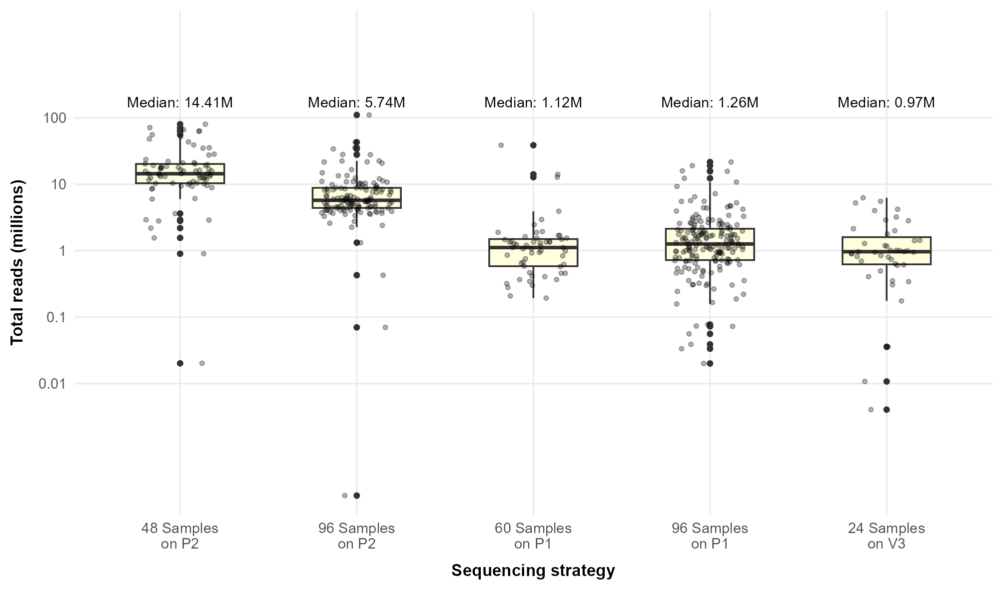
Sequencing Strategy |  |  |  |  |  |  |  |  |  |  |  |  |  |  |  |  |  |  |  | Figure 1C
Metric | 48_P2 | 96_P2 | 60_P1 | 96_P1 | 24_V3
Samples | 76 | 134 | 56 | 183 | 43 | 492
Median sequencing depth, reads per sample (IQR) | 14,405,418 (10,365,361 - 20,216,860) | 5,739,934 (4,406,050 - 8,835,935) | 1,115,971 (584,594 - 1,497,721) | 1,262,962 (722,087 - 2,140,999) | 966,502 (623,620 - 1,609,147) |  |  | Tester
Specificity (95% CI) | 99.0% (97.7% - 99.7%) | 99.2% (98.2% -99.8 %) | 98.8% (95.8% - 99.9%) | 98.6% (97.4% - 99.3%) | 99.6% (98.0% - 99.99%) |  | TP | TN | FP | FN
Sensitivity (95% CI) | 89.5% (81.5% - 94.8%) | 68.2% (59.5% - 76.0%) | 98.3% (90.6% - 99.96%) | 76.3% (69.6% - 82.3%) | 90.2% (76.9% - 97.31%) |  | 410 | 2,269 | 23 | 101
Sensitivity for pathogens detected with Ct value <30 (95% CI) | 98.6% (92.2% - 99.96%) | 100.0% (92.5% - 100.0%) | 100.0% (93.2% - 100.0%) | 96.8% (91.0% - 98.3%) | 100.0% (71.51% - 100.0%) |  | 410 | 2,269 | 26 | 101

Confusion Matrix - 24-V3 |  |  |  |  |  |  |  |  |  |  | False Positives - cov10 (24-V3)
 |  | Confusion Matrix |  |  |  |  | Performance Metrics |  |  |  | Sample ID | Pathogen | PCR | SEQ | Coverage % | RPM | Depth | Ct Value | Dataset
Threshold | Type | TP | TN | FP | FN | Total | Sensitivity % | Specificity % |  |  | C067952-VCS | Rhinovirus | 0 | 1 | 31.68 | 12.67 | 2.80 | NA | NHLS_GS
cov10 | Contam-Adjusted | 37 | 278 | 1 | 4 | 320 | 90.2 | 99.6 |  |  | False Negatives - cov10 (24-V3)
cov20 | Contam-Adjusted | 36 | 278 | 1 | 5 | 320 | 87.8 | 99.6 |  |  | Sample ID | Pathogen | PCR | SEQ | Coverage % | RPM | Depth | Ct Value | Dataset
cov50 | Contam-Adjusted | 34 | 279 | 0 | 7 | 320 | 82.9 | 100.0 |  |  | C067948-VCS | Influenza A | 1 | 0 | 1.01 | 0.94 | 1.00 | NA | NHLS_GS
cov80 | Contam-Adjusted | 30 | 279 | 0 | 11 | 320 | 73.2 | 100.0 |  |  | C067954-VCS | Influenza A | 1 | 0 | 2.22 | 3.82 | 1.71 | NA | NHLS_GS
cov90 | Contam-Adjusted | 28 | 279 | 0 | 13 | 320 | 68.3 | 100.0 |  |  | C067985-VCS | Influenza A | 1 | 0 | 6.51 | 18.74 | 1.53 | 37.05 | NHLS_TY
 |  |  |  |  |  |  |  |  |  |  | C067989-VCS | RSV | 1 | 0 | 6.36 | 35.24 | 2.92 | 35.49 | NHLS_TY
 |  |  |  |  |  |  |  |  |  |  |  |  |  |  |  |  |  |  |  | Sequencing Strategy
 |  |  |  |  |  |  |  |  |  |  |  |  |  |  |  |  |  |  |  | Metric | 48_P2 | 96_P2 | 60_P1 | 96_P1 | 24_V3 | All combined
Confusion Matrix - 48_P2 |  |  |  |  |  |  |  |  |  |  | False Positives - cov10 (48_P2) |  |  |  |  |  |  |  |  | Median sequencing depth, reads per sample (IQR) | 14,405,418 (10,365,361 - 20,216,860) | 5,739,934 (4,406,050 - 8,835,935) | 1,115,971 (584,594 - 1,497,721) | 1,262,962 (722,087 - 2,140,999) | 966,502 (623,620 - 1,609,147) | 2,606,952 (1,001,434 - 7,669,374)
 |  | Confusion Matrix |  |  |  |  | Performance Metrics |  |  |  | Sample ID | Pathogen | PCR | SEQ | Coverage % | RPM | Depth | Ct Value | Dataset | Specificity (95% CI) | 99.0% (97.7% - 99.7%) | 99.2% (98.2% -99.8 %) | 98.8% (95.8% - 99.9%) | 98.6% (97.4% - 99.3%) | 99.6% (98.0% - 99.99%) | 99.00%
Threshold | Type | TP | TN | FP | FN | Total | Sensitivity % | Specificity % |  |  | P008 | Rhinovirus | 0 | 1 | 86.12 | 564.76 | 252.29 | NA | NHLS_TY | Sensitivity (95% CI) | 89.5% (81.5% - 94.8%) | 68.2% (59.5% - 76.0%) | 98.3% (90.6% - 99.96%) | 76.3% (69.6% - 82.3%) | 90.2% (76.9% - 97.3.1%) | 80.20%
cov10 | Contam-Adjusted | 85 | 490 | 5 | 10 | 590 | 89.5 | 99.0 |  |  | P006 | Parainfluenzavirus | 0 | 1 | 54.59 | 23.03 | 7.07 | NA | NHLS_TY | Sensitivity for pathogens detected with Ct value <30 (95% CI) | 98.6% (92.2% - 99.96%) | 100.0% (92.5% - 100.0%) | 100.0% (93.2% - 100.0%) | 96.8% (91.0% - 98.3%) | 100.0% (71.51% - 100.0%) | 98.53% (96.29% - 99.6%)
cov20 | Contam-Adjusted | 83 | 491 | 4 | 12 | 590 | 87.4 | 99.2 |  |  | C066733 | Adenovirus | 0 | 1 | 99.96 | 206,067.16 | 24,845.37 | NA | Mucokids
cov50 | Contam-Adjusted | 76 | 491 | 4 | 19 | 590 | 80.0 | 99.2 |  |  | C066742_S1 | Parainfluenzavirus | 0 | 1 | 100.00 | 598,982.38 | 107,278.02 | NA | Mucokids | Sensitivity for pathogens detected with Ct value <30 (per sequencing startegy)
cov80 | Contam-Adjusted | 69 | 492 | 3 | 26 | 590 | 72.6 | 99.4 |  |  | C066756_S15 | Parainfluenzavirus | 0 | 1 | 12.83 | 3.23 | 1.42 | NA | Mucokids | Total Ct<30 observations: 11 |  |  |  |  | Total Ct<30 observations: 69 |  |  |  | Total Ct<30 observations: 52
cov90 | Contam-Adjusted | 60 | 493 | 2 | 35 | 590 | 63.2 | 99.6 |  |  | False Negatives - cov10 (48_P2) |  |  |  |  |  |  |  |  | Ct < 30 Contamination-Adjusted Sensitivity - 24-V3 |  |  |  |  | Ct < 30 Contamination-Adjusted Sensitivity - 48_P2 |  |  |  | Ct < 30 Contamination-Adjusted Sensitivity - 60_P1
 |  |  |  |  |  |  |  |  |  |  | Sample ID | Pathogen | PCR | SEQ | Coverage % | RPM | Depth | Ct Value | Dataset | Coverage Threshold | TP | FN | Sensitivity |  | Coverage Threshold | TP | FN | Sensitivity | Coverage Threshold | TP | FN | Sensitivity
 |  |  |  |  |  |  |  |  |  |  | C066716 | SARS-CoV-2 | 1 | 0 | 2.54 | 361.11 | 195.08 | 29.00 | Mucokids | 10 | 11 | 0 | 100.00% |  | 10 | 68 | 1 | 98.60% | 10 | 52 | 0 | 100.00%
 |  |  |  |  |  |  |  |  |  |  | C066724 | SARS-CoV-2 | 1 | 0 | 0.00 | 0.00 | 0.00 | 36.90 | Mucokids | 20 | 11 | 0 | 100.00% |  | 20 | 68 | 1 | 98.60% | 20 | 52 | 0 | 100.00%
 |  |  |  |  |  |  |  |  |  |  | C069861 | SARS-CoV-2 | 1 | 0 | 0.12 | 391.64 | 5,310.11 | 33.80 | Mucokids | 50 | 11 | 0 | 100.00% |  | 50 | 64 | 5 | 92.80% | 50 | 51 | 1 | 98.10%
 |  |  |  |  |  |  |  |  |  |  | C069862 | SARS-CoV-2 | 1 | 0 | 0.37 | 722.77 | 1,247.18 | 36.60 | Mucokids | 80 | 11 | 0 | 100.00% |  | 80 | 59 | 10 | 85.50% | 80 | 51 | 1 | 98.10%
 |  |  |  |  |  |  |  |  |  |  | C066736 | Rhinovirus | 1 | 0 | 53.01 | 10.46 | 5.70 | 38.60 | Mucokids | 90 | 11 | 0 | 100.00% |  | 90 | 52 | 17 | 75.40% | 90 | 50 | 2 | 96.20%
 |  |  |  |  |  |  |  |  |  |  | C066735 | Adenovirus | 1 | 0 | 23.06 | 4.19 | 2.02 | 33.50 | Mucokids
 |  |  |  |  |  |  |  |  |  |  | C066740 | Adenovirus | 1 | 0 | 15.95 | 15.10 | 2.24 | 34.60 | Mucokids | Total Ct<30 observations: 94 |  |  |  |  | Total Ct<30 observations: 47
 |  |  |  |  |  |  |  |  |  |  | C066758_S17 | Adenovirus | 1 | 0 | 1.59 | 3.46 | 1.75 | 34.94 | Mucokids | Ct < 30 Contamination-Adjusted Sensitivity - 96_P1 |  |  |  |  | Ct < 30 Contamination-Adjusted Sensitivity - 96_P2
 |  |  |  |  |  |  |  |  |  |  | C066726 | HMPV | 1 | 0 | 3.41 | 0.38 | 1.61 | 39.10 | Mucokids | Coverage Threshold | TP | FN | Sensitivity |  | Coverage Threshold | TP | FN | Sensitivity
 |  |  |  |  |  |  |  |  |  |  | C069912 | Rhinovirus | 1 | 0 | 2.08 | 0.15 | 1.83 | 39.86 | SUDI | 10 | 91 | 3 | 96.80% |  | 10 | 47 | 0 | 100.00%
 |  |  |  |  |  |  |  |  |  |  |  |  |  |  |  |  |  |  |  | 20 | 87 | 7 | 92.60% |  | 20 | 47 | 0 | 100.00%
Confusion Matrix - 60_P1 |  |  |  |  |  |  |  |  |  |  | False Positives - cov10 (60_P1) |  |  |  |  |  |  |  |  | 50 | 79 | 15 | 84.00% |  | 50 | 45 | 2 | 95.70%
 |  | Confusion Matrix |  |  |  |  | Performance Metrics |  |  |  | Sample ID | Pathogen | PCR | SEQ | Coverage % | RPM | Depth | Ct Value | Dataset | 80 | 70 | 24 | 74.50% |  | 80 | 45 | 2 | 95.70%
Threshold | Type | TP | TN | FP | FN | Total | Sensitivity % | Specificity % |  |  | VCS-C073414 | Influenza A | 0 | 1 | 31.82 | 261.19 | 2.74 | NA | PathCare | 90 | 67 | 27 | 71.30% |  | 90 | 44 | 3 | 93.60%
cov10 | Contam-Adjusted | 56 | 167 | 2 | 1 | 226 | 98.3 | 98.8 |  |  | VCS-C073444 | Influenza A | 0 | 1 | 24.74 | 44.64 | 1.90 | NA | PathCare
cov20 | Contam-Adjusted | 55 | 167 | 2 | 2 | 226 | 96.5 | 98.8 |  |  | False Negatives - cov10 (60_P1)
cov50 | Contam-Adjusted | 54 | 169 | 0 | 3 | 226 | 94.7 | 100.0 |  |  | Sample ID | Pathogen | PCR | SEQ | Coverage % | RPM | Depth | Ct Value | Dataset
cov80 | Contam-Adjusted | 53 | 169 | 0 | 4 | 226 | 93.0 | 100.0 |  |  | VCS-C073380 | SARS-CoV-2 | 1 | 0 | 3.81 | 945.00 | 50.54 | 32.91 | PathCare
cov90 | Contam-Adjusted | 51 | 169 | 0 | 6 | 226 | 89.5 | 100.0

Confusion Matrix - 96_P1 |  |  |  |  |  |  |  |  |  |  | False Positives - cov10 (96_P1)
 |  | Confusion Matrix |  |  |  |  | Performance Metrics |  |  |  | Sample ID | Pathogen | PCR | SEQ | Coverage % | RPM | Depth | Ct Value | Dataset
Threshold | Type | TP | TN | FP | FN | Total | Sensitivity % | Specificity % |  |  | C070397 | Influenza A | 0 | 1 | 43.71 | 20.31 | 2.53 | NA | PathCare
cov10 | Contam-Adjusted | 142 | 680 | 10 | 44 | 877 | 76.3 | 98.6 |  |  | C070372 | Rhinovirus | 0 | 1 | 88.13 | 1,183.50 | 44.43 | NA | PathCare
cov20 | Contam-Adjusted | 132 | 680 | 10 | 54 | 877 | 71.0 | 98.6 |  |  | C070882 | Rhinovirus | 0 | 1 | 69.03 | 1,408.07 | 23.03 | NA | PathCare
cov50 | Contam-Adjusted | 116 | 685 | 6 | 70 | 877 | 62.4 | 99.1 |  |  | C070897 | Rhinovirus | 0 | 1 | 89.58 | 10,542.01 | 169.96 | NA | PathCare
cov80 | Contam-Adjusted | 94 | 689 | 2 | 92 | 877 | 50.5 | 99.7 |  |  | C071089 | Rhinovirus | 0 | 1 | 64.35 | 6,541.03 | 373.90 | NA | PathCare
cov90 | Contam-Adjusted | 84 | 691 | 0 | 102 | 877 | 45.2 | 100.0 |  |  | C071100 | Rhinovirus | 0 | 1 | 29.11 | 201.17 | 11.29 | NA | PathCare
 |  |  |  |  |  |  |  |  |  |  | C071543 | RSV | 0 | 1 | 44.00 | 355.77 | 6.41 | NA | NHLS_GS
 |  |  |  |  |  |  |  |  |  |  | C071544 | RSV | 0 | 1 | 50.44 | 2,396.56 | 9.64 | NA | NHLS_GS
 |  |  |  |  |  |  |  |  |  |  | C071546 | Rhinovirus | 0 | 1 | 25.11 | 34.22 | 2.56 | NA | NHLS_GS
 |  |  |  |  |  |  |  |  |  |  | C071542 | HMPV | 0 | 1 | 71.66 | 1,392.82 | 32.90 | NA | NHLS_GS
 |  |  |  |  |  |  |  |  |  |  | False Negatives - cov10 (96_P1)
 |  |  |  |  |  |  |  |  |  |  | Sample ID | Pathogen | PCR | SEQ | Coverage % | RPM | Depth | Ct Value | Dataset
 |  |  |  |  |  |  |  |  |  |  | C071494 | Influenza B | 1 | 0 | 0.00 | 0.00 | 0.00 | 34.33 | PathCare
 |  |  |  |  |  |  |  |  |  |  | C071497 | Influenza B | 1 | 0 | 4.69 | 11.25 | 1.40 | NA | PathCare
 |  |  |  |  |  |  |  |  |  |  | C070372 | RSV | 1 | 0 | 38.72 | 54.71 | 2.40 | NA | PathCare
 |  |  |  |  |  |  |  |  |  |  | C070396 | RSV | 1 | 0 | 29.74 | 357.62 | 2.28 | 37.09 | PathCare
 |  |  |  |  |  |  |  |  |  |  | C070872 | RSV | 1 | 0 | 15.24 | 15.01 | 2.09 | 28.99 | PathCare
 |  |  |  |  |  |  |  |  |  |  | C070876 | RSV | 1 | 0 | 13.64 | 49.21 | 2.02 | 33.92 | PathCare
 |  |  |  |  |  |  |  |  |  |  | C071478 | RSV | 1 | 0 | 1.36 | 0.13 | 1.31 | NA | PathCare
 |  |  |  |  |  |  |  |  |  |  | C071500 | RSV | 1 | 0 | 7.77 | 14.87 | 1.65 | 37.71 | PathCare
 |  |  |  |  |  |  |  |  |  |  | C070320 | SARS-CoV-2 | 1 | 0 | 0.12 | 525.33 | 808.71 | 36.77 | PathCare
 |  |  |  |  |  |  |  |  |  |  | C070337 | SARS-CoV-2 | 1 | 0 | 1.19 | 223.22 | 23.84 | 33.87 | PathCare
 |  |  |  |  |  |  |  |  |  |  | C070371 | SARS-CoV-2 | 1 | 0 | 1.90 | 104.82 | 18.05 | 34.48 | PathCare
 |  |  |  |  |  |  |  |  |  |  | C070390 | SARS-CoV-2 | 1 | 0 | 6.84 | 272.62 | 5.67 | 31.36 | PathCare
 |  |  |  |  |  |  |  |  |  |  | C070401 | SARS-CoV-2 | 1 | 0 | 0.00 | 0.00 | 0.00 | 39.98 | PathCare
 |  |  |  |  |  |  |  |  |  |  | C070875 | SARS-CoV-2 | 1 | 0 | 0.12 | 8,450.18 | 2,343.20 | 34.09 | PathCare
 |  |  |  |  |  |  |  |  |  |  | C070890 | SARS-CoV-2 | 1 | 0 | 0.11 | 305.85 | 17.00 | 33.46 | PathCare
 |  |  |  |  |  |  |  |  |  |  | C070892 | SARS-CoV-2 | 1 | 0 | 0.31 | 267.59 | 44.40 | 32.07 | PathCare
 |  |  |  |  |  |  |  |  |  |  | C070896 | SARS-CoV-2 | 1 | 0 | 0.12 | 2,505.26 | 4,001.77 | 33.60 | PathCare
 |  |  |  |  |  |  |  |  |  |  | C071481 | SARS-CoV-2 | 1 | 0 | 0.00 | 0.00 | 0.00 | NA | PathCare
 |  |  |  |  |  |  |  |  |  |  | C071482 | SARS-CoV-2 | 1 | 0 | 0.00 | 0.00 | 0.00 | NA | PathCare
 |  |  |  |  |  |  |  |  |  |  | C071483 | SARS-CoV-2 | 1 | 0 | 8.62 | 168.00 | 3.28 | 30.66 | PathCare
 |  |  |  |  |  |  |  |  |  |  | C071504 | SARS-CoV-2 | 1 | 0 | 0.12 | 309,372.97 | 54,815.83 | 37.87 | PathCare
 |  |  |  |  |  |  |  |  |  |  | C071508 | SARS-CoV-2 | 1 | 0 | 0.12 | 320,281.52 | 47,623.46 | NA | PathCare
 |  |  |  |  |  |  |  |  |  |  | C071511 | SARS-CoV-2 | 1 | 0 | 0.11 | 120.32 | 17.70 | 34.85 | PathCare
 |  |  |  |  |  |  |  |  |  |  | C071512 | SARS-CoV-2 | 1 | 0 | 0.00 | 0.00 | 0.00 | 35.39 | PathCare
 |  |  |  |  |  |  |  |  |  |  | C071513 | SARS-CoV-2 | 1 | 0 | 0.00 | 0.00 | 0.00 | 36.71 | PathCare
 |  |  |  |  |  |  |  |  |  |  | C071515 | SARS-CoV-2 | 1 | 0 | 0.00 | 0.00 | 0.00 | NA | PathCare
 |  |  |  |  |  |  |  |  |  |  | C071516 | SARS-CoV-2 | 1 | 0 | 0.00 | 0.00 | 0.00 | NA | PathCare
 |  |  |  |  |  |  |  |  |  |  | C071517 | SARS-CoV-2 | 1 | 0 | 0.00 | 0.00 | 0.00 | NA | PathCare
 |  |  |  |  |  |  |  |  |  |  | C070336 | Rhinovirus | 1 | 0 | 7.97 | 5.46 | 1.84 | NA | PathCare
 |  |  |  |  |  |  |  |  |  |  | C070344 | Rhinovirus | 1 | 0 | 0.00 | 0.00 | 0.00 | 39.93 | PathCare
 |  |  |  |  |  |  |  |  |  |  | C070375 | Rhinovirus | 1 | 0 | 1.98 | 1.93 | 1.86 | 35.15 | PathCare
 |  |  |  |  |  |  |  |  |  |  | C070377 | Rhinovirus | 1 | 0 | 0.00 | 0.00 | 0.00 | 39.96 | PathCare
 |  |  |  |  |  |  |  |  |  |  | C070885 | Rhinovirus | 1 | 0 | 0.00 | 0.00 | 0.00 | 39.72 | PathCare
 |  |  |  |  |  |  |  |  |  |  | C071088 | Rhinovirus | 1 | 0 | 6.59 | 15.64 | 4.75 | 36.47 | PathCare
 |  |  |  |  |  |  |  |  |  |  | C071139 | Rhinovirus | 1 | 0 | 3.52 | 9.36 | 2.95 | 35.52 | PathCare
 |  |  |  |  |  |  |  |  |  |  | C070329 | HMPV | 1 | 0 | 0.00 | 0.00 | 0.00 | 38.98 | PathCare
 |  |  |  |  |  |  |  |  |  |  | C070372 | HMPV | 1 | 0 | 0.00 | 0.00 | 0.00 | NA | PathCare
 |  |  |  |  |  |  |  |  |  |  | C070384 | HMPV | 1 | 0 | 0.00 | 0.00 | 0.00 | 38.42 | PathCare
 |  |  |  |  |  |  |  |  |  |  | C070393 | HMPV | 1 | 0 | 0.00 | 0.00 | 0.00 | NA | PathCare
 |  |  |  |  |  |  |  |  |  |  | C070879 | HMPV | 1 | 0 | 0.00 | 0.00 | 0.00 | 33.94 | PathCare
 |  |  |  |  |  |  |  |  |  |  | C070882 | HMPV | 1 | 0 | 0.00 | 0.00 | 0.00 | 25.68 | PathCare
 |  |  |  |  |  |  |  |  |  |  | C071139 | HMPV | 1 | 0 | 2.04 | 12.47 | 4.00 | 36.38 | PathCare
 |  |  |  |  |  |  |  |  |  |  | C070355 | SARS-CoV-2 | 1 | 0 | 1.61 | 643.57 | 35.21 | 29.00 | NHLS_GS
 |  |  |  |  |  |  |  |  |  |  | C070356 | SARS-CoV-2 | 1 | 0 | 0.00 | 0.00 | 0.00 | 36.94 | NHLS_GS

Confusion Matrix - 96_P2 |  |  |  |  |  |  |  |  |  |  | False Positives - cov10 (96_P2)
 |  | Confusion Matrix |  |  |  |  | Performance Metrics |  |  |  | Sample ID | Pathogen | PCR | SEQ | Coverage % | RPM | Depth | Ct Value | Dataset
Threshold | Type | TP | TN | FP | FN | Total | Sensitivity % | Specificity % |  |  | C070219 | Influenza A | 0 | 1 | 99.99 | 44,688.20 | 3,902.96 | NA | PathCare
cov10 | Contam-Adjusted | 90 | 654 | 5 | 42 | 793 | 68.2 | 99.2 |  |  | C071107 | Rhinovirus | 0 | 1 | 93.33 | 2,186.89 | 134.33 | NA | PathCare
cov20 | Contam-Adjusted | 87 | 655 | 4 | 45 | 793 | 65.9 | 99.4 |  |  | C070260 | HMPV | 0 | 1 | 97.54 | 1,605.60 | 155.98 | NA | NHLS_TY
cov50 | Contam-Adjusted | 77 | 656 | 3 | 55 | 793 | 58.3 | 99.5 |  |  | C070262 | HMPV | 0 | 1 | 11.03 | 0.53 | 1.93 | NA | NHLS_TY
cov80 | Contam-Adjusted | 74 | 656 | 3 | 58 | 793 | 56.1 | 99.5 |  |  | C070258 | Parainfluenzavirus | 0 | 1 | 35.69 | 16.60 | 3.21 | NA | NHLS_TY
cov90 | Contam-Adjusted | 71 | 656 | 3 | 61 | 793 | 53.8 | 99.5 |  |  | False Negatives - cov10 (96_P2)
 |  |  |  |  |  |  |  |  |  |  | Sample ID | Pathogen | PCR | SEQ | Coverage % | RPM | Depth | Ct Value | Dataset
 |  |  |  |  |  |  |  |  |  |  | C071160 | Influenza A | 1 | 0 | 0.00 | 0.00 | 0.00 | NA | PathCare
 |  |  |  |  |  |  |  |  |  |  | C070253 | RSV | 1 | 0 | 1.55 | 14.02 | 2.83 | NA | PathCare
 |  |  |  |  |  |  |  |  |  |  | C071107 | RSV | 1 | 0 | 0.58 | 0.23 | 1.00 | NA | PathCare
 |  |  |  |  |  |  |  |  |  |  | C071108 | RSV | 1 | 0 | 0.89 | 0.18 | 1.00 | NA | PathCare
 |  |  |  |  |  |  |  |  |  |  | C071109 | RSV | 1 | 0 | 6.27 | 2.34 | 1.29 | NA | PathCare
 |  |  |  |  |  |  |  |  |  |  | C071161 | RSV | 1 | 0 | 0.89 | 0.28 | 1.00 | NA | PathCare
 |  |  |  |  |  |  |  |  |  |  | C071162 | RSV | 1 | 0 | 2.64 | 0.97 | 1.27 | NA | PathCare
 |  |  |  |  |  |  |  |  |  |  | C070236 | SARS-CoV-2 | 1 | 0 | 0.00 | 0.00 | 0.00 | 37.34 | PathCare
 |  |  |  |  |  |  |  |  |  |  | C070244 | SARS-CoV-2 | 1 | 0 | 1.17 | 179.30 | 98.98 | NA | PathCare
 |  |  |  |  |  |  |  |  |  |  | C070253 | SARS-CoV-2 | 1 | 0 | 0.00 | 0.00 | 0.00 | NA | PathCare
 |  |  |  |  |  |  |  |  |  |  | C071105 | SARS-CoV-2 | 1 | 0 | 0.00 | 0.00 | 0.00 | NA | PathCare
 |  |  |  |  |  |  |  |  |  |  | C071112b | SARS-CoV-2 | 1 | 0 | 0.00 | 0.00 | 0.00 | 37.86 | PathCare
 |  |  |  |  |  |  |  |  |  |  | C071157 | SARS-CoV-2 | 1 | 0 | 0.00 | 0.00 | 0.00 | NA | PathCare
 |  |  |  |  |  |  |  |  |  |  | C071159 | SARS-CoV-2 | 1 | 0 | 0.00 | 0.00 | 0.00 | NA | PathCare
 |  |  |  |  |  |  |  |  |  |  | C070222 | Rhinovirus | 1 | 0 | 0.00 | 0.00 | 0.00 | NA | PathCare
 |  |  |  |  |  |  |  |  |  |  | C070226 | Rhinovirus | 1 | 0 | 0.00 | 0.00 | 0.00 | NA | PathCare
 |  |  |  |  |  |  |  |  |  |  | C070233 | Rhinovirus | 1 | 0 | 0.00 | 0.00 | 0.00 | NA | PathCare
 |  |  |  |  |  |  |  |  |  |  | C070247 | Rhinovirus | 1 | 0 | 0.00 | 0.00 | 0.00 | NA | PathCare
 |  |  |  |  |  |  |  |  |  |  | C070250 | Rhinovirus | 1 | 0 | 0.00 | 0.00 | 0.00 | NA | PathCare
 |  |  |  |  |  |  |  |  |  |  | C071107 | HMPV | 1 | 0 | 0.00 | 0.00 | 0.00 | NA | PathCare
 |  |  |  |  |  |  |  |  |  |  | C069868 | RSV | 1 | 0 | 2.65 | 1.52 | 1.45 | 34.26 | Mucokids
 |  |  |  |  |  |  |  |  |  |  | C069867 | Rhinovirus | 1 | 0 | 5.76 | 0.91 | 3.21 | 34.83 | Mucokids
 |  |  |  |  |  |  |  |  |  |  | C069875 | Rhinovirus | 1 | 0 | 8.24 | 3.50 | 2.79 | 38.44 | Mucokids
 |  |  |  |  |  |  |  |  |  |  | C069879 | Adenovirus | 1 | 0 | 1.06 | 0.00 | 1.43 | 35.27 | Mucokids
 |  |  |  |  |  |  |  |  |  |  | C069879 | Parainfluenzavirus | 1 | 0 | 4.08 | 1.66 | 1.57 | 37.89 | Mucokids
 |  |  |  |  |  |  |  |  |  |  | C069883 | Parainfluenzavirus | 1 | 0 | 0.00 | 0.00 | 0.00 | 37.77 | Mucokids
 |  |  |  |  |  |  |  |  |  |  | C071435 | Influenza A | 1 | 0 | 5.76 | 2.27 | 1.06 | 31.64 | SUDI
 |  |  |  |  |  |  |  |  |  |  | C071424 | RSV | 1 | 0 | 1.79 | 0.55 | 1.50 | 32.14 | SUDI
 |  |  |  |  |  |  |  |  |  |  | C071434 | RSV | 1 | 0 | 0.00 | 0.00 | 0.00 | 36.81 | SUDI
 |  |  |  |  |  |  |  |  |  |  | C071440 | RSV | 1 | 0 | 0.00 | 0.00 | 0.00 | 36.29 | SUDI
 |  |  |  |  |  |  |  |  |  |  | C071395 | Rhinovirus | 1 | 0 | 0.00 | 0.00 | 0.00 | 32.40 | SUDI
 |  |  |  |  |  |  |  |  |  |  | C071399 | Rhinovirus | 1 | 0 | 0.00 | 0.00 | 0.00 | 40.00 | SUDI
 |  |  |  |  |  |  |  |  |  |  | C071403 | Rhinovirus | 1 | 0 | 0.00 | 0.00 | 0.00 | 35.01 | SUDI
 |  |  |  |  |  |  |  |  |  |  | C071412 | Rhinovirus | 1 | 0 | 3.42 | 0.49 | 1.00 | 33.50 | SUDI
 |  |  |  |  |  |  |  |  |  |  | C071446 | Rhinovirus | 1 | 0 | 0.00 | 0.00 | 0.00 | 39.75 | SUDI
 |  |  |  |  |  |  |  |  |  |  | C071447 | Rhinovirus | 1 | 0 | 0.00 | 0.00 | 0.00 | 39.12 | SUDI
 |  |  |  |  |  |  |  |  |  |  | C071448 | Rhinovirus | 1 | 0 | 0.00 | 0.00 | 0.00 | 39.14 | SUDI
 |  |  |  |  |  |  |  |  |  |  | C071451 | Rhinovirus | 1 | 0 | 4.75 | 0.79 | 2.09 | 37.08 | SUDI
 |  |  |  |  |  |  |  |  |  |  | C071395 | Adenovirus | 1 | 0 | 0.83 | 2.49 | 1.37 | 35.85 | SUDI
 |  |  |  |  |  |  |  |  |  |  | C071397 | Adenovirus | 1 | 0 | 4.90 | 5.41 | 1.18 | 33.97 | SUDI
 |  |  |  |  |  |  |  |  |  |  | C071403 | Adenovirus | 1 | 0 | 1.22 | 0.74 | 1.30 | 36.47 | SUDI
 |  |  |  |  |  |  |  |  |  |  | C071451 | Adenovirus | 1 | 0 | 0.35 | 0.23 | 1.75 | 34.48 | SUDI

Results 5 Sequenced
Sequencing Results
Excluding Contamination |  |  |  |  |  |  |  | Ignoring Contamination |  |  |  |  |  |  |  | RSV A strains (excluding contam samples)
Metric | PathCare | NHLS_GS | NHLS_TY | Surveillance | Mucokids | SUDI | All Combined | Metric | PathCare | NHLS_GS | NHLS_TY | Surveillance | Mucokids | SUDI | All Combined | Strain | Mucokids | NHLS Groote Schuur | NHLS Tygerberg | PathCare | SUDI | Total
FLU A | 67 | 20 | 16 | 103 | 4 | 2 | 109 | FLU A | 69 | 20 | 16 | 105 | 5 | 2 | 112 | A | 3 | 0 | 1 | 2 | 1 | 7
OC43 | 2 | 0 | 0 | 2 | 4 | 1 | 7 | OC43 | 2 | 0 | 0 | 2 | 4 | 1 | 7 | A.D.1 | 0 | 0 | 0 | 1 | 0 | 1
HKU1 | 1 | 0 | 0 | 1 | 0 | 0 | 1 | HKU1 | 1 | 0 | 0 | 1 | 0 | 0 | 1 | A.D.1.5 | 0 | 0 | 0 | 2 | 0 | 2
SARS-CoV-2 | 44 | 14 | 14 | 72 | 7 | 1 | 80 | SARS-CoV-2 | 44 | 14 | 14 | 72 | 7 | 1 | 80 | A.D.1.6 | 3 | 0 | 0 | 3 | 1 | 7
FLU B | 8 | 1 | 2 | 11 | 0 | 0 | 11 | FLU B | 8 | 1 | 2 | 11 | 0 | 0 | 11 | A.D.3.7 | 0 | 0 | 0 | 0 | 1 | 1
Human bocavirus | 5 | 2 | 1 | 8 | 5 | 1 | 14 | Human bocavirus | 5 | 2 | 1 | 8 | 5 | 1 | 14 | A.D.5 | 0 | 0 | 0 | 1 | 0 | 1
RSV-B | 7 | 0 | 2 | 9 | 5 | 0 | 14 | RSV-B | 7 | 0 | 2 | 9 | 5 | 0 | 14 | A.D.5.1 | 3 | 0 | 0 | 9 | 4 | 16
Enterovirus A | 4 | 0 | 0 | 4 | 2 | 0 | 6 | Enterovirus A | 4 | 0 | 0 | 4 | 2 | 0 | 6 | A.D.5.2 | 4 | 3 | 1 | 3 | 4 | 15
HRV-A | 35 | 1 | 2 | 38 | 22 | 7 | 67 | HRV-A | 35 | 1 | 2 | 38 | 26 | 7 | 71 | Total | 13 | 3 | 2 | 21 | 11 | 50
Enterovirus B | 3 | 1 | 0 | 4 | 3 | 0 | 7 | Enterovirus B | 3 | 1 | 0 | 4 | 3 | 0 | 7
HRV-B | 2 | 1 | 1 | 4 | 7 | 2 | 13 | HRV-B | 2 | 1 | 1 | 4 | 7 | 2 | 13
Enterovirus C | 1 | 0 | 0 | 1 | 3 | 3 | 7 | Enterovirus C | 1 | 0 | 0 | 1 | 3 | 3 | 7
HRV-C | 19 | 1 | 1 | 21 | 22 | 4 | 47 | HRV-C | 19 | 1 | 1 | 21 | 23 | 4 | 48
Enterovirus D | 1 | 0 | 0 | 1 | 1 | 0 | 2 | Enterovirus D | 1 | 0 | 0 | 1 | 1 | 0 | 2
Total Enterovirus | 9 | 1 | 0 | 10 | 9 | 3 | 22 | Total Enterovirus | 9 | 1 | 0 | 10 | 9 | 3 | 22
Human parvovirus B19 | 0 | 0 | 0 | 0 | 3 | 0 | 3 | Human parvovirus B19 | 0 | 0 | 0 | 0 | 4 | 0 | 4
FLU C | 1 | 0 | 0 | 1 | 0 | 0 | 1 | FLU C | 1 | 0 | 0 | 1 | 0 | 0 | 1
NL63 | 0 | 0 | 0 | 0 | 2 | 0 | 2 | NL63 | 0 | 0 | 0 | 0 | 2 | 0 | 2
Adenovirus B | 4 | 0 | 2 | 6 | 4 | 0 | 10 | Adenovirus B | 4 | 0 | 2 | 6 | 4 | 0 | 10
Adenovirus C | 10 | 0 | 1 | 11 | 8 | 0 | 19 | Adenovirus C | 10 | 0 | 1 | 11 | 10 | 0 | 21
Adenovirus E | 1 | 0 | 0 | 1 | 0 | 0 | 1 | Adenovirus E | 1 | 0 | 0 | 1 | 0 | 0 | 1
PIV 4 | 1 | 0 | 0 | 1 | 2 | 0 | 3 | PIV 4 | 1 | 0 | 0 | 1 | 2 | 0 | 3
RSV A | 21 | 3 | 2 | 26 | 13 | 11 | 50 | RSV A | 87 | 11 | 3 | 101 | 13 | 12 | 126
HMPV | 38 | 1 | 5 | 44 | 1 | 0 | 45 | HMPV | 38 | 1 | 5 | 44 | 1 | 0 | 45
RSV | 22 | 3 | 3 | 28 | 16 | 11 | 55 | RSV | 89 | 11 | 5 | 105 | 16 | 12 | 133
PIV 2 | 1 | 0 | 0 | 1 | 4 | 0 | 5 | PIV 2 | 1 | 0 | 0 | 1 | 4 | 0 | 5
Parechovirus A | 0 | 0 | 0 | 0 | 4 | 0 | 4 | Parechovirus A | 0 | 0 | 0 | 0 | 4 | 0 | 4
PIV 1 | 0 | 0 | 0 | 0 | 2 | 0 | 2 | PIV 1 | 0 | 0 | 0 | 0 | 2 | 0 | 2
PIV 3 | 16 | 0 | 6 | 22 | 0 | 0 | 22 | PIV 3 | 16 | 0 | 6 | 22 | 0 | 0 | 22
CMV | 15 | 1 | 4 | 20 | 23 | 7 | 50 | CMV | 15 | 1 | 4 | 20 | 23 | 7 | 50
EBV | 10 | 4 | 6 | 20 | 10 | 0 | 30 | EBV | 10 | 4 | 6 | 20 | 10 | 0 | 30
HSV-1 | 3 | 5 | 0 | 8 | 1 | 0 | 9 | HSV-1 | 3 | 5 | 0 | 8 | 1 | 0 | 9
HSV-2 | 1 | 0 | 1 | 2 | 0 | 0 | 2 | HSV-2 | 1 | 0 | 1 | 2 | 0 | 0 | 2
HHV-6a | 1 | 0 | 0 | 1 | 0 | 0 | 1 | HHV-6a | 1 | 0 | 0 | 1 | 0 | 0 | 1
HHV-6b | 4 | 1 | 0 | 5 | 7 | 0 | 12 | HHV-6b | 4 | 1 | 0 | 5 | 7 | 0 | 12
HHV-7 | 9 | 3 | 1 | 13 | 5 | 0 | 18 | HHV-7 | 9 | 3 | 1 | 13 | 5 | 0 | 18
HIV-1 | 0 | 0 | 2 | 2 | 1 | 0 | 3 | HIV-1 | 0 | 0 | 2 | 2 | 1 | 0 | 3
Adeno-associated virus 2 | 2 | 1 | 0 | 3 | 4 | 2 | 9 | Adeno-associated virus 2 | 2 | 2 | 0 | 4 | 4 | 2 | 10
Alphapapillomavirus-4 | 0 | 0 | 1 | 1 | 0 | 0 | 1 | Alphapapillomavirus-4 | 0 | 0 | 1 | 1 | 0 | 0 | 1
Alphapapillomavirus-7 | 1 | 1 | 3 | 5 | 0 | 0 | 5 | Alphapapillomavirus-7 | 1 | 1 | 3 | 5 | 0 | 0 | 5
Alphapapillomavirus-9 | 0 | 0 | 1 | 1 | 0 | 0 | 1 | Alphapapillomavirus-9 | 0 | 0 | 1 | 1 | 0 | 0 | 1
Astorvirus MLB2 | 0 | 0 | 0 | 0 | 1 | 0 | 1 | Astorvirus MLB2 | 0 | 0 | 0 | 0 | 1 | 0 | 1
WU | 3 | 1 | 0 | 4 | 7 | 0 | 11 | WU | 1 | 1 | 1 | 3 | 6 | 0 | 9
KI | 1 | 1 | 1 | 3 | 6 | 0 | 9 | KI | 3 | 1 | 0 | 4 | 7 | 0 | 11
Cardiovirus B | 0 | 0 | 0 | 0 | 2 | 0 | 2 | Cardiovirus B | 0 | 0 | 0 | 0 | 2 | 0 | 2
Kobuvirus aichi | 0 | 0 | 0 | 0 | 1 | 0 | 1 | Kobuvirus aichi | 0 | 0 | 0 | 0 | 1 | 0 | 1
229E | 1 | 0 | 0 | 1 | 0 | 0 | 1 | 229E | 1 | 0 | 0 | 1 | 0 | 0 | 1

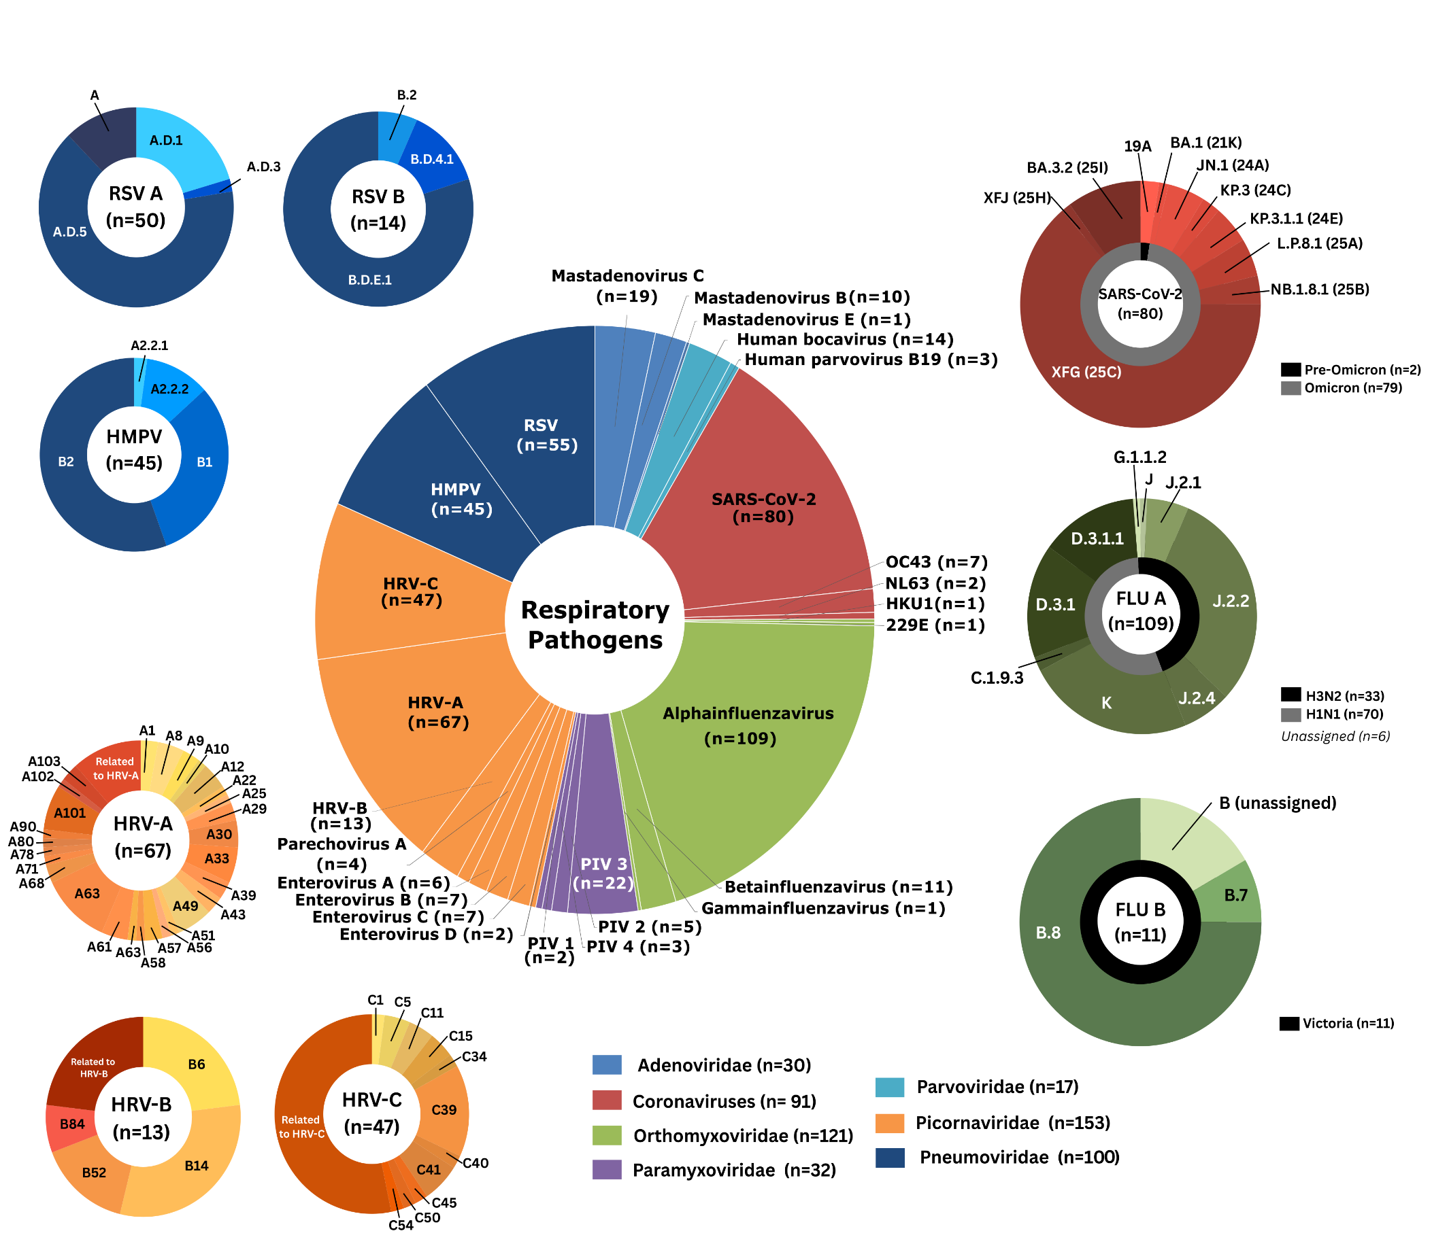
Summary tables |  |  |  |  |  |  |  | Figure 2: EXCLUDING THE CONTAMINATION
IGNORING CONTAMINATION
Metric | PathCare | NHLS_GS | NHLS_TY | Surveillance | Mucokids | SUDI | All Combined
Study samples | 260 | 41 | 46 | 347 | 68 | 64 | 479
Samples with additional other viral detection | 44 | 11 | 17 | 72 | 41 | 9 | 122
Samples with any respiratory pathogen | 244 | 37 | 43 | 324 | 66 | 24 | 414
Samples with respiratory co-infections (2+ distinct displayed subtypes) | 92 | 14 | 10 | 115 | 37 | 9 | 161
% respiratory co-infection | 35.4% | 34.1% | 21.7% | 33.1% | 54.4% | 14.1% | 33.6%
Samples with Non-PCR respiratory pathogens | 16 | 2 | 1 | 19 | 21 | 5 | 45
EXCLUDING CONTAMINATION
Metric | PathCare | NHLS_GS | NHLS_TY | Surveillance | Mucokids | SUDI | All Combined
Study samples | 260 | 41 | 46 | 347 | 68 | 64 | 479
Samples with additional other viral detection | 44 | 11 | 17 | 72 | 41 | 9 | 122
Samples with any respiratory pathogen | 232 | 37 | 43 | 312 | 66 | 24 | 402
Samples with respiratory co-infections (2+ distinct displayed subtypes) | 50 | 6 | 8 | 64 | 36 | 8 | 108
% respiratory co-infection | 19.2% | 14.6% | 17.4% | 18.4% | 52.9% | 12.5% | 22.5%
Samples with Non-PCR respiratory pathogens | 16 | 2 | 1 | 19 | 20 | 5 | 44
Samples with respiratory not detcted by PCR | 41 | 2 | 4 | 47 | 20 | 6 | 73

Pathogens per sample | PathCare | NHLS_GS | NHLS_TY | Surveillance | Mucokids | SUDI | All Combined
2 | 18 | 4 | 7 | 29 | 19 | 8 | 56
3 | 12 | 1 | 1 | 14 | 12 | 0 | 26
4 | 3 | 1 | 0 | 4 | 3 | 0 | 7
5 | 1 | 0 | 0 | 1 | 1 | 0 | 2
8 | 1 | 0 | 0 | 1 | 1 | 0 | 2
Codetections (2+) | 50 | 6 | 8 | 64 | 36 | 8 | 108

Results 6 Precision
Run | Sample-id | old | Workflow | Pool | Virus | CT-value | Coverage
8 | S77 | #N/A | ID | 3 | HRV | 21.23 | 96.253
8 | S77 | #N/A | ID | 3 | SARS-CoV-2 | 19.9 | 98.9432
8 | S77 | #N/A | ID | 3 | Adenovirus | 26.32 | 99.1179
8 | S78 | #N/A | ID | 2 | SARS-CoV-2 | 33.8 | 0.123733
8 | S78 | #N/A | ID | 2 | HRV | 17.89 | 99.4506
8 | S79 | #N/A | ID | 3 | SARS-CoV-2 | 36.6 | 0.3712
8 | S80 | #N/A | ID | 3 | Parainfluenzavirus | 39.08 | 7.40385
8 | S80 | #N/A | ID | 3 | Adenovirus | 36.12 | 25.8236 | Figure3: Attached png,pdf,svg
8 | S80 | #N/A | ID | 3 | HRV | 31.73 | 81.5576
8 | S80 | #N/A | ID | 3 | RSV | 13.84 | 99.763
8 | S82 | #N/A | ID | 2 | Influenza A | 17.28 | 99.772
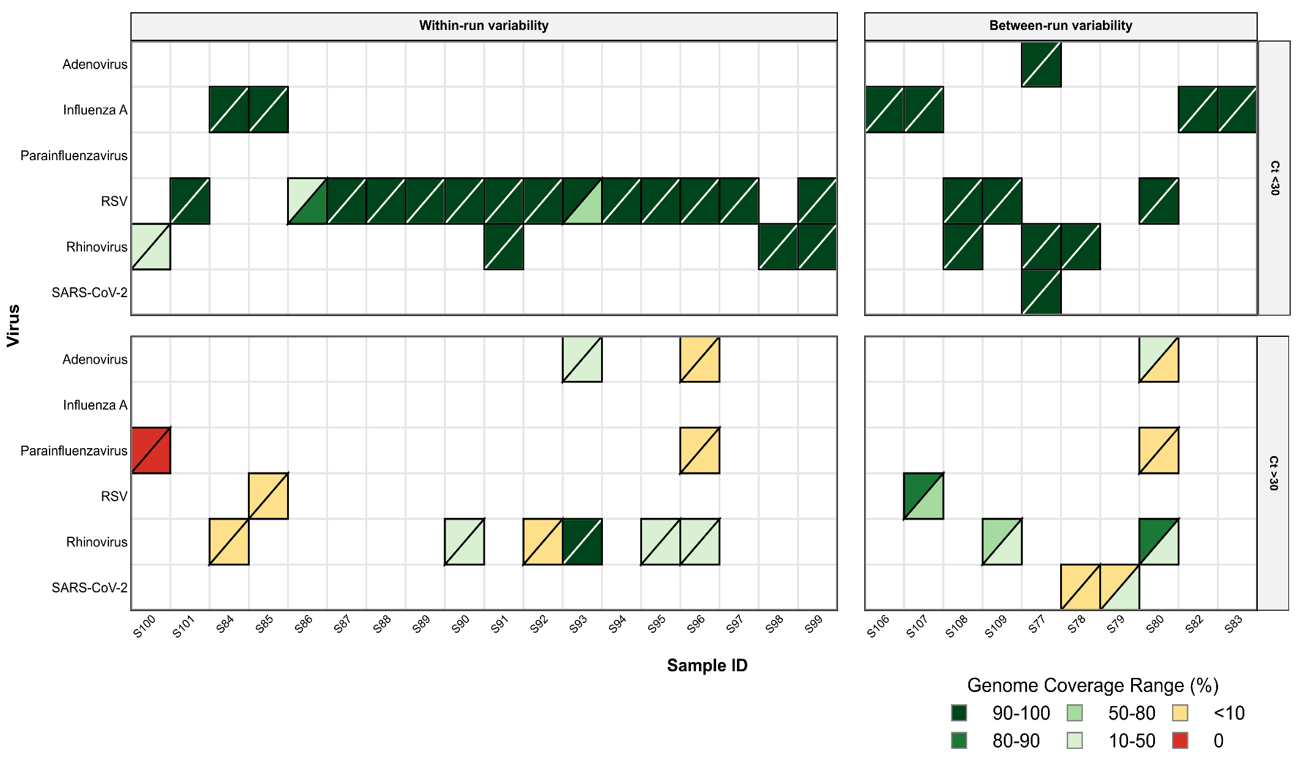
8 | S83 | #N/A | ID | 1 | Influenza A | 17.36 | 99.919
8 | S106 | #N/A | ID | 1 | Influenza A | 23.2 | 98.6864
8 | S107 | #N/A | ID | 2 | RSV | 32.16 | 85.1557
8 | S107 | #N/A | ID | 2 | Influenza A | 27.86 | 97.9159
8 | S108 | #N/A | ID | 1 | HRV | 21.53 | 94.2813
8 | S108 | #N/A | ID | 1 | RSV | 18.16 | 99.7696
8 | S109 | #N/A | ID | 1 | HRV | 30.23 | 57.005
8 | S109 | #N/A | ID | 1 | RSV | 16.96 | 99.6314
9 | S77 | #N/A | ID-D | 6 | HRV | 21.23 | 96.6615
9 | S77 | #N/A | ID-D | 6 | Adenovirus | 26.32 | 99.6967
9 | S77 | #N/A | ID-D | 6 | SARS-CoV-2 | 19.9 | 99.8796
9 | S78 | #N/A | ID-D | 7 | SARS-CoV-2 | 33.8 | 1.08016
9 | S78 | #N/A | ID-D | 7 | HRV | 17.89 | 95.0838
9 | S79 | #N/A | ID-D | 4 | SARS-CoV-2 | 36.6 | 39.7218
9 | S80 | #N/A | ID-D | 5 | Adenovirus | 36.12 | 1.47547
9 | S80 | #N/A | ID-D | 5 | Parainfluenzavirus | 39.08 | 2.99757
9 | S80 | #N/A | ID-D | 5 | HRV | 31.73 | 30.7187
9 | S80 | #N/A | ID-D | 5 | RSV | 13.84 | 99.9342
9 | S82 | #N/A | ID-D | 7 | Influenza A | 17.28 | 99.9926
9 | S83 | #N/A | ID-D | 7 | Influenza A | 17.36 | 100
9 | S84 | #N/A | ID | 2 | HRV | 34.83 | 5.7606
9 | S84 | #N/A | ID | 2 | Influenza A | 20.01 | 100
9 | S84 | #N/A | ID-D | 2 | HRV | 34.83 | 5.10347
9 | S84 | #N/A | ID-D | 2 | Influenza A | 20.01 | 100
9 | S85 | #N/A | ID | 2 | RSV | 33.19 | 2.6463
9 | S85 | #N/A | ID | 2 | Influenza A | 25.4 | 98.65
9 | S85 | #N/A | ID-D | 2 | RSV | 33.19 | 1.88269
9 | S85 | #N/A | ID-D | 2 | Influenza A | 25.4 | 97.06
9 | S86 | #N/A | ID | 2 | RSV | 26.87 | 25.4888
9 | S86 | #N/A | ID-D | 2 | RSV | 26.87 | 87.881
9 | S87 | #N/A | ID | 2 | RSV | 19.75 | 99.9869
9 | S87 | #N/A | ID-D | 2 | RSV | 19.75 | 99.7833
9 | S88 | #N/A | ID | 2 | RSV | 28.2 | 99.7433
9 | S88 | #N/A | ID-D | 2 | RSV | 28.2 | 99.5853
9 | S89 | #N/A | ID | 2 | RSV | 14.75 | 100
9 | S89 | #N/A | ID-D | 2 | RSV | 14.75 | 100
9 | S90 | #N/A | ID | 2 | HRV | 34.82 | 40.0727
9 | S90 | #N/A | ID | 2 | RSV | 17.4 | 99.8815
9 | S90 | #N/A | ID-D | 2 | HRV | 34.82 | 20.5817
9 | S90 | #N/A | ID-D | 2 | RSV | 17.4 | 99.8815
9 | S91 | #N/A | ID | 2 | HRV | 28.96 | 92.2524
9 | S91 | #N/A | ID | 2 | RSV | 17.24 | 99.9934
9 | S91 | #N/A | ID-D | 2 | HRV | 28.96 | 94.9289
9 | S91 | #N/A | ID-D | 2 | RSV | 17.24 | 100
9 | S92 | #N/A | ID | 2 | HRV | 38.44 | 8.23546
9 | S92 | #N/A | ID | 2 | RSV | 14.98 | 100
9 | S92 | #N/A | ID-D | 2 | HRV | 38.44 | 8.02573
9 | S92 | #N/A | ID-D | 2 | RSV | 14.98 | 100
9 | S93 | #N/A | ID | 2 | Adenovirus | 36.74 | 31.5719
9 | S93 | #N/A | ID | 2 | HRV | 30.4 | 93.2103
9 | S93 | #N/A | ID | 2 | RSV | 23.75 | 99.7433
9 | S93 | #N/A | ID-D | 2 | Adenovirus | 36.74 | 28.9173
9 | S93 | #N/A | ID-D | 2 | RSV | 23.75 | 65.701
9 | S93 | #N/A | ID-D | 2 | HRV | 30.4 | 93.5766
9 | S94 | #N/A | ID | 2 | RSV | 17.65 | 99.0587
9 | S94 | #N/A | ID-D | 2 | RSV | 17.65 | 100
9 | S95 | #N/A | ID | 2 | HRV | 35.33 | 14.5513
9 | S95 | #N/A | ID | 2 | RSV | 13.25 | 99.368
9 | S95 | #N/A | ID-D | 2 | HRV | 35.33 | 23.1159
9 | S95 | #N/A | ID-D | 2 | RSV | 13.25 | 99.9013
9 | S96 | #N/A | ID | 5 | Parainfluenzavirus | 37.89 | 1.46363
9 | S96 | #N/A | ID | 5 | Adenovirus | 35.27 | 7.01977
9 | S96 | #N/A | ID | 5 | HRV | 30.27 | 34.0045
9 | S96 | #N/A | ID | 5 | RSV | 16.9 | 98.8151
9 | S96 | #N/A | ID-D | 6 | Adenovirus | 35.27 | 6.94656
9 | S96 | #N/A | ID-D | 6 | Parainfluenzavirus | 37.89 | 6.97942
9 | S96 | #N/A | ID-D | 6 | HRV | 30.27 | 37.9754
9 | S96 | #N/A | ID-D | 6 | RSV | 16.9 | 99.5589
9 | S97 | #N/A | ID | 7 | RSV | 17.44 | 99.0192
9 | S97 | #N/A | ID-D | 8 | RSV | 17.44 | 99.6182
9 | S98 | #N/A | ID | 7 | HRV | 23.57 | 99.183
9 | S98 | #N/A | ID-D | 8 | HRV | 23.57 | 99.1407
9 | S99 | #N/A | ID | 4 | RSV | 29.05 | 92.9564
9 | S99 | #N/A | ID | 4 | HRV | 17.25 | 100
9 | S99 | #N/A | ID-D | 6 | RSV | 29.05 | 94.8456
9 | S99 | #N/A | ID-D | 6 | HRV | 17.25 | 100
9 | S100 | #N/A | ID | 5 | Parainfluenzavirus | 37.77 | 0
9 | S100 | #N/A | ID | 5 | HRV | 20.02 | 49.4128
9 | S100 | #N/A | ID-D | 6 | Parainfluenzavirus | 37.77 | 0
9 | S100 | #N/A | ID-D | 6 | HRV | 20.02 | 46.5464
9 | S101 | #N/A | ID | 7 | RSV | 18.43 | 99.8881
9 | S101 | #N/A | ID-D | 6 | RSV | 18.43 | 99.8881
9 | S106 | #N/A | ID-D | 6 | Influenza A | 23.2 | 100
9 | S107 | #N/A | ID-D | 7 | RSV | 32.16 | 78.3161
9 | S107 | #N/A | ID-D | 7 | Influenza A | 27.86 | 99.06068834
9 | S108 | #N/A | ID-D | 7 | HRV | 21.53 | 94.0157
9 | S108 | #N/A | ID-D | 7 | RSV | 18.16 | 99.8025
9 | S109 | #N/A | ID-D | 5 | HRV | 30.23 | 21.4765
9 | S109 | #N/A | ID-D | 5 | RSV | 16.96 | 99.605

Results 7 Optimising
Run | sample_id | original_dataset | Pathogen | coverage_percentage | rpm | depth_of_coverage | viral_loads | Ct_category | Contam | ct_values
1238 | C066715 | Mucokids | Rhinovirus | 97.09 | 29504.61 | 5140.19 | 0 | <20 | NO | 19
1238 | C066716 | Mucokids | Rhinovirus | 83.54 | 738.25 | 192.1 | 0 | 20-25 | NO | 21.6 | Figure4A (Including contamination with RED cirlce): Attached png,pdf,svg | Figure4B(Excluding contamination): Attached png,pdf,svg
1238 | C066716 | Mucokids | SARS-CoV-2 | 2.54 | 361.11 | 195.08 | 0 | 25-30 | NO | 29
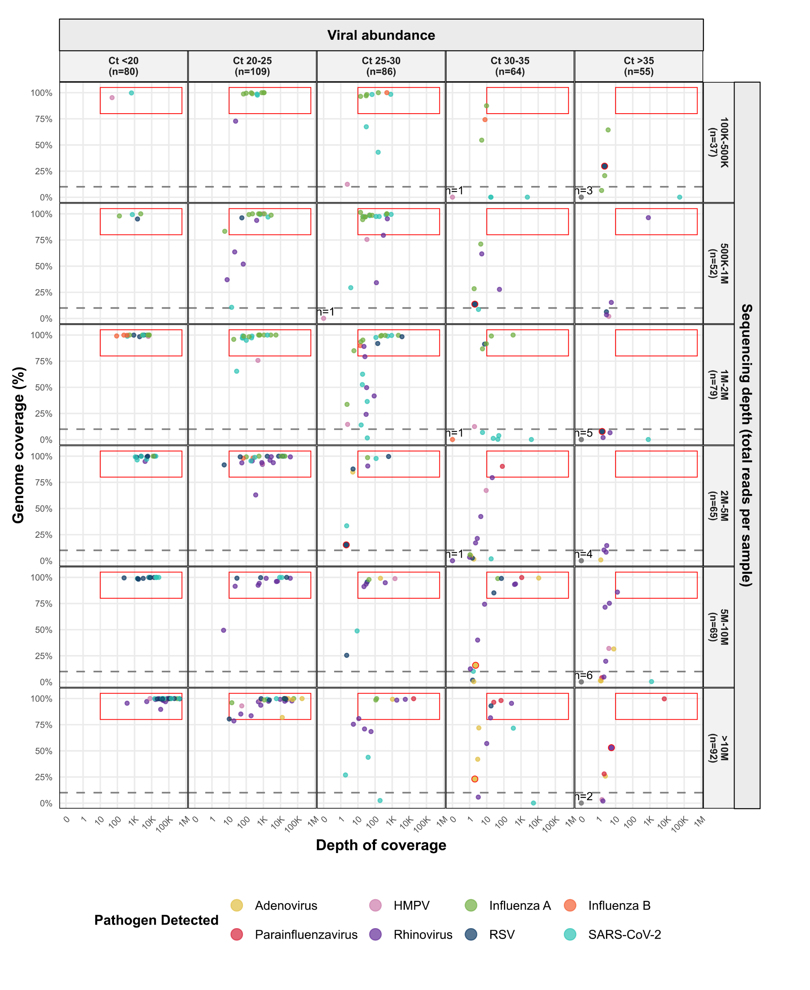
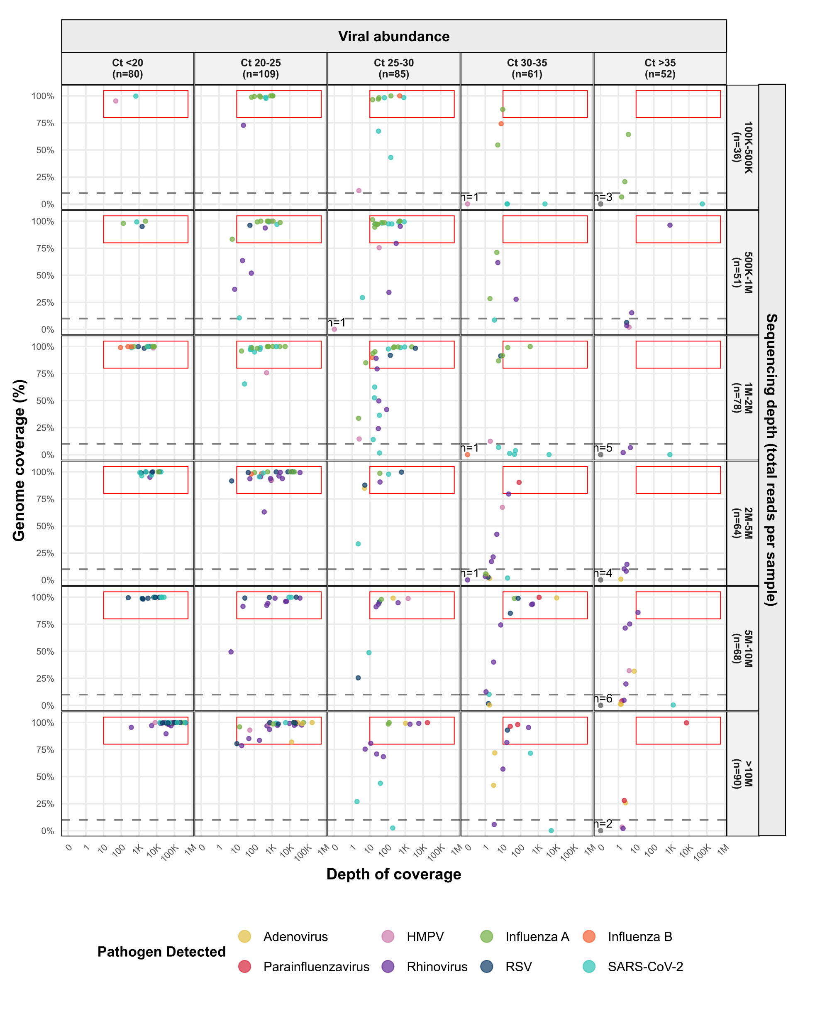
1238 | C066717 | Mucokids | Rhinovirus | 97.68 | 112342.54 | 46117.32 | 0 | 20-25 | NO | 23.5
1238 | C066718 | Mucokids | Parainfluenzavirus | 100 | 60320.63 | 20621.77 | 0 | 20-25 | NO | 22.76
1238 | C066718 | Mucokids | SARS-CoV-2 | 43.86 | 363.13 | 39.44 | 0 | 25-30 | NO | 29
1238 | C066719 | Mucokids | Rhinovirus | 95.54 | 2120.94 | 367.53 | 0 | <20 | NO | 19.8
1238 | C066720 | Mucokids | Rhinovirus | 93.62 | 2085.99 | 707.72 | 0 | 20-25 | NO | 22.7
1238 | C066721 | Mucokids | Rhinovirus | 51.97 | 2530.55 | 66.96 | 0 | 20-25 | NO | 22.8
1238 | C066722 | Mucokids | Parainfluenzavirus | 96.45 | 187.67 | 25.67 | 0 | 30-35 | NO | 31.1
1238 | C066722 | Mucokids | Rhinovirus | 97.46 | 61225.78 | 17731.1 | 0 | 20-25 | NO | 21.3
1238 | C066723 | Mucokids | Adenovirus | 99.3 | 6920.18 | 1038.33 | 0 | 25-30 | NO | 26.3
1238 | C066723 | Mucokids | Rhinovirus | 96.99 | 78419.94 | 63949.92 | 0 | <20 | NO | 19.4
1238 | C066724 | Mucokids | Rhinovirus | 99.47 | 82907.66 | 86023.56 | 0 | <20 | NO | 18.1
1238 | C066724 | Mucokids | SARS-CoV-2 | 0 | 0 | 0 | 0 | >35 | NO | 36.9
1238 | C066725 | Mucokids | Rhinovirus | 85.22 | 214.14 | 48.28 | 0 | 20-25 | NO | 22.3
1238 | C066726 | Mucokids | HMPV | 3.41 | 0.38 | 1.61 | 0 | >35 | NO | 39.1
1238 | C066726 | Mucokids | Rhinovirus | 75.44 | 14.65 | 5.44 | 0 | 25-30 | NO | 29.5
1238 | C066727 | Mucokids | Adenovirus | 81.94 | 113888.81 | 12635.94 | 0 | 20-25 | NO | 21.6
1238 | C066728 | Mucokids | Rhinovirus | 98.21 | 245457.18 | 49973.68 | 0 | <20 | NO | 15.5
1238 | C066730 | Mucokids | HMPV | 100 | 49837.41 | 8040.08 | 0 | <20 | NO | 19.5
1238 | C066731 | Mucokids | Rhinovirus | 99.1 | 52099.94 | 16550.59 | 0 | <20 | NO | 19.5
1238 | C066732 | Mucokids | Rhinovirus | 99.24 | 25382.86 | 5790.95 | 0 | 25-30 | NO | 26.3
1238 | C066733 | Mucokids | Rhinovirus | 99.25 | 15088.61 | 9492.3 | 0 | 20-25 | NO | 22.3
1238 | C066734 | Mucokids | Adenovirus | 99.96 | 591091.95 | 123339.2 | 0 | <20 | NO | 17.2
1238 | C066735 | Mucokids | Adenovirus | 23.06 | 4.19 | 2.02 | 0 | 30-35 | YES | 33.5
1238 | C066735 | Mucokids | Rhinovirus | 98.7 | 36301.65 | 22434.14 | 0 | 20-25 | NO | 20.4
1238 | C066736 | Mucokids | Parainfluenzavirus | 99.85 | 127423.13 | 17794.32 | 0 | 25-30 | NO | 25.7
1238 | C066736 | Mucokids | Rhinovirus | 53.01 | 10.46 | 5.7 | 0 | >35 | YES | 38.6
1238 | C066738 | Mucokids | Rhinovirus | 99.93 | 97593.29 | 25887.36 | 0 | <20 | NO | 19.3
1238 | C066739 | Mucokids | Rhinovirus | 96.91 | 1624.67 | 510.73 | 0 | 20-25 | NO | 20.5
1238 | C066740 | Mucokids | Adenovirus | 15.95 | 15.1 | 2.24 | 0 | 30-35 | YES | 34.6
1238 | C066740 | Mucokids | SARS-CoV-2 | 48.79 | 381.99 | 8.94 | 0 | 25-30 | NO | 28
1238 | C066741 | Mucokids | Rhinovirus | 97.43 | 8033.15 | 2005.42 | 0 | 20-25 | NO | 22.9
1238 | C066742_S1 | Mucokids | Adenovirus | 41.98 | 17.21 | 2.97 | 0 | 30-35 | NO | 32
1238 | C066742_S1 | Mucokids | SARS-CoV-2 | 26.95 | 5.48 | 1.88 | 0 | 25-30 | NO | 28
1238 | C066743_S2 | Mucokids | Adenovirus | 71.92 | 73.07 | 3.45 | 0 | 30-35 | NO | 30.77
1238 | C066743_S2 | Mucokids | Rhinovirus | 89.65 | 160165.02 | 33480.76 | 0 | <20 | NO | 19.85
1238 | C066744_S3 | Mucokids | Adenovirus | 84.83 | 644.6 | 5.03 | 0 | 25-30 | NO | 29.13
1238 | C066744_S3 | Mucokids | Rhinovirus | 95.01 | 99951.55 | 4145.1 | 0 | <20 | NO | 19.62
1238 | C066745_S4 | Mucokids | Rhinovirus | 93.79 | 125624.45 | 3788.02 | 0 | 20-25 | NO | 20.51
1238 | C066746_S5 | Mucokids | SARS-CoV-2 | 33.44 | 61.78 | 2.21 | 0 | 25-30 | NO | 27.7
1238 | C066747_S6 | Mucokids | Rhinovirus | 98.35 | 218460.74 | 44506.53 | 0 | <20 | NO | 16.1
1238 | C066749_S8 | Mucokids | Rhinovirus | 96.06 | 40388.1 | 5719.22 | 0 | 20-25 | NO | 21.89
1238 | C066750_S9 | Mucokids | SARS-CoV-2 | 100 | 577385.8 | 104037.55 | 0 | <20 | NO | 19.7
1238 | C066751_S10 | Mucokids | Parainfluenzavirus | 98.13 | 498.8 | 67.88 | 0 | 30-35 | NO | 34.79
1238 | C066751_S10 | Mucokids | Rhinovirus | 95.41 | 926.39 | 278.34 | 0 | 30-35 | NO | 30.42
1238 | C066754_S13 | Mucokids | Adenovirus | 99.9 | 285265.36 | 28136.9 | 0 | 20-25 | NO | 23.26
1238 | C066755_S14 | Mucokids | Rhinovirus | 70.9172 | 96.3 | 24.30776814 | 0 | 25-30 | NO | 27.95
1238 | C066756_S15 | Mucokids | Rhinovirus | 99.09 | 11374.44 | 1452.82 | 0 | 20-25 | NO | 20.63
1238 | C066756_S15 | Mucokids | SARS-CoV-2 | 10.19 | 5.53 | 1.65 | 0 | 30-35 | NO | 31.8
1238 | C066757_S16 | Mucokids | Parainfluenzavirus | 90.28 | 4654.84 | 81.25 | 0 | 30-35 | NO | 31.4
1238 | C066758_S17 | Mucokids | Adenovirus | 1.59 | 3.46 | 1.75 | 0 | 30-35 | NO | 34.94
1238 | C066758_S17 | Mucokids | Rhinovirus | 92.18 | 20703.7 | 877.28 | 0 | 20-25 | NO | 21.47
1238 | C066759_S18 | Mucokids | Adenovirus | 100 | 534138.88 | 97819.35 | 0 | <20 | NO | 16.99
1238 | C066759_S18 | Mucokids | Rhinovirus | 98.47 | 1805.99 | 1852.03 | 0 | 25-30 | NO | 26.88
1238 | C066760_S19 | Mucokids | RSV | 99.59 | 399199.06 | 32476.87 | 0 | <20 | NO | 16.52
1238 | C066760_S19 | Mucokids | Rhinovirus | 80.83 | 52.37 | 11.22 | 0 | 25-30 | NO | 27.05
567 | C067980-VCS | NHLS_TY | Influenza A | 87.48 | 2527.5 | 9.7 | 0 | 30-35 | NO | 30.99
567 | C067981-VCS | NHLS_TY | Influenza A | 94.51 | 2016.61 | 18.94 | 0 | 25-30 | NO | 27.16
567 | C067982-VCS | NHLS_TY | Influenza A | 100 | 33073.32 | 230.35 | 0 | 20-25 | NO | 22.48
567 | C067985-VCS | NHLS_TY | Influenza A | 6.509 | 18.74 | 1.53 | 0 | >35 | NO | 37.05
567 | C067989-VCS | NHLS_TY | Influenza A | 98.57 | 11257.35 | 68.15 | 0 | 25-30 | NO | 29.32
567 | C067989-VCS | NHLS_TY | RSV | 6.35903 | 35.24 | 2.922360248 | 0 | >35 | NO | 35.49
567 | C067990-VCS | NHLS_TY | Influenza A | 28.42 | 59.61 | 1.84 | 0 | 30-35 | NO | 32.19
567 | C067991-VCS | NHLS_TY | Influenza A | 64.38 | 675.64 | 3.67 | 0 | >35 | NO | 39.4
567 | C067995-VCS | NHLS_TY | Influenza A | 20.66 | 254.11 | 2.31 | 0 | >35 | NO | 39.06
567 | C067997-VCS | NHLS_TY | Influenza A | 71.13 | 416.19 | 4.48 | 0 | 30-35 | NO | 33.21
1238 | C069860 | Mucokids | Adenovirus | 99.12 | 7107.05 | 206.45 | 0 | 25-30 | NO | 26.32
1238 | C069860 | Mucokids | Rhinovirus | 96.25 | 40974.25 | 6579.99 | 0 | 20-25 | NO | 21.23
1238 | C069860 | Mucokids | SARS-CoV-2 | 98.94 | 39147.6 | 1465.66 | 0 | <20 | NO | 19.9
1238 | C069861 | Mucokids | Rhinovirus | 99.45 | 268259.05 | 73663.98 | 0 | <20 | NO | 17.89
1238 | C069861 | Mucokids | SARS-CoV-2 | 0.12 | 391.64 | 5310.11 | 0 | 30-35 | NO | 33.8
1238 | C069862 | Mucokids | SARS-CoV-2 | 0.37 | 722.77 | 1247.18 | 0 | >35 | NO | 36.6
1238 | C069863 | Mucokids | Adenovirus | 25.82 | 2.43 | 2.53 | 0 | >35 | NO | 36.12
1238 | C069863 | Mucokids | Parainfluenzavirus | 27.94 | 1.05 | 2.16 | 0 | >35 | NO | 39.08
1238 | C069863 | Mucokids | RSV | 99.76 | 663031.9 | 432633.37 | 0 | <20 | NO | 13.84
1238 | C069863 | Mucokids | Rhinovirus | 81.56 | 9.79 | 16.5 | 0 | 30-35 | NO | 31.73
1238 | C069865 | Mucokids | Influenza A | 99.77 | 402261.48 | 74974.24 | 0 | <20 | NO | 17.28
1238 | C069866 | Mucokids | Influenza A | 99.92 | 603300.18 | 307591.39 | 0 | <20 | NO | 17.36
9 | C069867 | Mucokids | Influenza A | 100 | 599527.96 | 58617.39 | 0 | 20-25 | NO | 20.47
9 | C069867 | Mucokids | Rhinovirus | 5.76 | 0.91 | 3.21 | 0 | 30-35 | NO | 34.83
9 | C069868 | Mucokids | Influenza A | 98.65 | 1352.76 | 36.5 | 0 | 25-30 | NO | 25.4
9 | C069868 | Mucokids | RSV | 2.65 | 1.52 | 1.45 | 0 | 30-35 | NO | 34.26
9 | C069869 | Mucokids | RSV | 25.49 | 8.34 | 2.21 | 0 | 25-30 | NO | 26.87
9 | C069870 | Mucokids | RSV | 99.99 | 72992.85 | 2413.98 | 0 | <20 | NO | 19.75
9 | C069871 | Mucokids | RSV | 99.74 | 22812.05 | 614.33 | 0 | 25-30 | NO | 28.2
9 | C069872 | Mucokids | RSV | 100 | 825860.86 | 211642.29 | 0 | <20 | NO | 14.75
9 | C069873 | Mucokids | RSV | 99.88 | 175058.59 | 8405.91 | 0 | <20 | NO | 17.4
9 | C069873 | Mucokids | Rhinovirus | 40.07 | 11.86 | 2.94 | 0 | 30-35 | NO | 34.82
9 | C069874 | Mucokids | RSV | 99.99 | 138063.8 | 6815.41 | 0 | <20 | NO | 17.7
9 | C069874 | Mucokids | Rhinovirus | 94.87 | 7062.73 | 391.51 | 0 | 25-30 | NO | 28.96
9 | C069875 | Mucokids | RSV | 100 | 464012.45 | 14649 | 0 | <20 | NO | 14.98
9 | C069875 | Mucokids | Rhinovirus | 8.24 | 3.5 | 2.79 | 0 | >35 | NO | 38.44
9 | C069876 | Mucokids | Adenovirus | 31.5719 | 0 | 7.831570598 | 0 | >35 | NO | 36.74
9 | C069876 | Mucokids | RSV | 99.74 | 14113.55 | 694.41 | 0 | 20-25 | NO | 23.75
9 | C069876 | Mucokids | Rhinovirus | 93.21 | 3597.4 | 417.05 | 0 | 30-35 | NO | 30.4
9 | C069877 | Mucokids | RSV | 99.06 | 82639.24 | 3204.47 | 0 | <20 | NO | 18.89
9 | C069878 | Mucokids | RSV | 99.37 | 204095.37 | 5286.22 | 0 | <20 | NO | 14.8
9 | C069878 | Mucokids | Rhinovirus | 14.55 | 7.26 | 3.04 | 0 | >35 | NO | 35.33
9 | C069879 | Mucokids | Adenovirus | 1.05741 | 0 | 1.431578947 | 0 | >35 | NO | 35.27
9 | C069879 | Mucokids | Parainfluenzavirus | 4.08 | 1.66 | 1.57 | 0 | >35 | NO | 37.89
9 | C069879 | Mucokids | RSV | 98.82 | 40069.41 | 1551.88 | 0 | <20 | NO | 18.3
9 | C069879 | Mucokids | Rhinovirus | 74.34 | 72.7 | 7.45 | 0 | 30-35 | NO | 30.27
9 | C069880 | Mucokids | RSV | 99.02 | 37067.68 | 1313.66 | 0 | <20 | NO | 19.8
9 | C069881 | Mucokids | Rhinovirus | 99.18 | 236731.41 | 37091.27 | 0 | 20-25 | NO | 23.57
9 | C069882 | Mucokids | RSV | 92.96 | 74.68 | 17.78 | 0 | 30-35 | NO | 32.1
9 | C069882 | Mucokids | Rhinovirus | 100 | 178423.11 | 83506.56 | 0 | <20 | NO | 17.25
9 | C069883 | Mucokids | Parainfluenzavirus | 0 | 0 | 0 | 0 | >35 | NO | 37.77
9 | C069883 | Mucokids | Rhinovirus | 49.41 | 21.09 | 4.77 | 0 | 20-25 | NO | 20.02
9 | C069884 | Mucokids | RSV | 99.89 | 204168.31 | 13914.25 | 0 | <20 | NO | 18.43
1238 | C069907 | SUDI | Influenza A | 98.69 | 12676.47 | 1169.45 | 0 | 20-25 | NO | 23.2
1238 | C069908 | SUDI | Influenza A | 97.92 | 869.54 | 44.32 | 0 | 25-30 | NO | 27.86
1238 | C069908 | SUDI | RSV | 85.16 | 486.79 | 26.04 | 0 | 30-35 | NO | 32.16
1238 | C069909 | SUDI | RSV | 99.77 | 108116.05 | 8032.19 | 0 | <20 | NO | 18.16
1238 | C069909 | SUDI | Rhinovirus | 94.28 | 3442.77 | 571.42 | 0 | 20-25 | NO | 21.53
1238 | C069910 | SUDI | RSV | 99.63 | 183666.18 | 21305.18 | 0 | <20 | NO | 16.96
1238 | C069910 | SUDI | Rhinovirus | 57.01 | 23.45 | 9.96 | 0 | 30-35 | NO | 30.23
1238 | C069911 | SUDI | RSV | 98.64 | 23890.96 | 2233.92 | 0 | 20-25 | NO | 20.07
1238 | C069911 | SUDI | Rhinovirus | 68.44 | 205.85 | 58.08 | 0 | 25-30 | NO | 29.44
1238 | C069912 | SUDI | RSV | 99.61 | 424484.41 | 43126.86 | 0 | <20 | NO | 14.87
1238 | C069912 | SUDI | Rhinovirus | 2.08 | 0.15 | 1.83 | 0 | >35 | NO | 39.86
9 | C070218 | PathCare | Influenza A | 100 | 139466.21 | 16511.19 | 0 | 20-25 | NO | 21.9
9 | C070220 | PathCare | RSV | 100 | 616534.72 | 129195.83 | 0 | <20 | NO | 17.5
9 | C070222 | PathCare | Influenza A | 99.34 | 2630.31 | 100.79 | 0 | 20-25 | NO | 24.1
9 | C070234 | PathCare | SARS-CoV-2 | 99.99 | 485942.47 | 7462.98 | 0 | <20 | NO | 18.92
9 | C070235 | PathCare | SARS-CoV-2 | 100 | 944497.38 | 412161.99 | 0 | <20 | NO | 17.3
9 | C070236 | PathCare | SARS-CoV-2 | 0 | 0 | 0 | 0 | >35 | NO | 37.34
9 | C070255 | NHLS_TY | HMPV | 98.79 | 19073.83 | 1451.45 | 0 | 25-30 | NO | 27.25
9 | C070255 | NHLS_TY | Parainfluenzavirus | 99.84 | 16610.15 | 1097.54 | 0 | 30-35 | NO | 32.66
9 | C070255 | NHLS_TY | RSV | 95.59 | 502.5 | 34.53 | 0 | 25-30 | NO | 28.94
9 | C070257 | NHLS_TY | SARS-CoV-2 | 99.93 | 169591.83 | 14979.86 | 0 | 20-25 | NO | 20
9 | C070258 | NHLS_TY | SARS-CoV-2 | 99.39 | 42334.11 | 1681.75 | 0 | 20-25 | NO | 21.1
9 | C070259 | NHLS_TY | Influenza A | 98.88 | 549.41 | 44.06 | 0 | 30-35 | NO | 33.9
9 | C070259 | NHLS_TY | SARS-CoV-2 | 99.91 | 343855.51 | 12075.96 | 0 | 20-25 | NO | 22.9
9 | C070260 | NHLS_TY | SARS-CoV-2 | 99.9 | 138412.16 | 5766.07 | 0 | 20-25 | NO | 21.5
9 | C070261 | NHLS_TY | SARS-CoV-2 | 99.95 | 365928.61 | 8928.9 | 0 | 20-25 | NO | 21.2
10 | C070313 | PathCare | RSV | 100 | 407119.01 | 13292.5 | 0 | 20-25 | NO | 21.32
10 | C070317 | PathCare | SARS-CoV-2 | 99.99 | 842818.28 | 45929.11 | 0 | <20 | NO | 16.53
10 | C070318 | PathCare | SARS-CoV-2 | 99.88 | 261465.44 | 2479.5 | 0 | <20 | NO | 16.07
10 | C070319 | PathCare | SARS-CoV-2 | 97.81 | 15993.37 | 114.61 | 0 | 25-30 | NO | 25.21
10 | C070320 | PathCare | SARS-CoV-2 | 0.12 | 525.33 | 808.71 | 0 | >35 | NO | 36.77
10 | C070321 | PathCare | Influenza B | 89.84 | 1119.63 | 13.77 | 0 | 25-30 | NO | 26.91
10 | C070328 | PathCare | RSV | 99.99 | 357848.27 | 7784.35 | 0 | 20-25 | NO | 24.38
10 | C070329 | PathCare | HMPV | 0 | 0 | 0 | 0 | >35 | NO | 38.98
10 | C070330 | PathCare | Rhinovirus | 62.97 | 6159.5 | 357.34 | 0 | 20-25 | NO | 21.93
10 | C070331 | PathCare | Rhinovirus | 42.32 | 61.63 | 4.5 | 0 | 30-35 | NO | 32.68
10 | C070332 | PathCare | Rhinovirus | 21.34 | 16.09 | 2.79 | 0 | 30-35 | NO | 34.98
10 | C070333 | PathCare | Rhinovirus | 95.47 | 3585.54 | 223.98 | 0 | 20-25 | NO | 22.74
10 | C070334 | PathCare | Influenza B | 98.07 | 4040.73 | 66.58 | 0 | 20-25 | NO | 21.01
10 | C070335 | PathCare | Influenza A | 95.19 | 1431.11 | 19.41 | 0 | 25-30 | NO | 25.05
10 | C070337 | PathCare | SARS-CoV-2 | 1.19 | 223.22 | 23.84 | 0 | 30-35 | NO | 33.87
10 | C070341 | PathCare | SARS-CoV-2 | 97.15 | 10883.29 | 66.34 | 0 | 20-25 | NO | 21.81
10 | C070342 | PathCare | RSV | 99.92 | 83023.05 | 1689.7 | 0 | 20-25 | NO | 20.5
10 | C070344 | PathCare | HMPV | 95.24 | 26461.33 | 48.93 | 0 | <20 | NO | 19.74
10 | C070344 | PathCare | Rhinovirus | 0 | 0 | 0 | 0 | >35 | NO | 39.93
10 | C070346 | PathCare | SARS-CoV-2 | 99.99 | 720949.24 | 19305 | 0 | <20 | NO | 15.44
10 | C070347 | PathCare | SARS-CoV-2 | 99.18 | 9226.38 | 63 | 0 | 20-25 | NO | 22.45
10 | C070348 | NHLS_GS | SARS-CoV-2 | 62.56 | 2675.04 | 18.7 | 0 | 30-35 | NO | 30
10 | C070349 | NHLS_GS | SARS-CoV-2 | 98.96 | 34040.56 | 216.4 | 0 | 25-30 | NO | 25
10 | C070350 | NHLS_GS | SARS-CoV-2 | 52.59 | 2481.02 | 18.08 | 0 | 30-35 | NO | 30
10 | C070351 | NHLS_GS | SARS-CoV-2 | 97.1 | 12021.7 | 59.07 | 0 | 20-25 | NO | 23
10 | C070352 | NHLS_GS | SARS-CoV-2 | 96.97 | 714187.65 | 1867.38 | 0 | 20-25 | NO | 22
10 | C070353 | NHLS_GS | SARS-CoV-2 | 14.01 | 1467.93 | 15.46 | 0 | 25-30 | NO | 28
10 | C070354 | NHLS_GS | SARS-CoV-2 | 99.95 | 896737.84 | 15848.63 | 0 | 20-25 | NO | 22
10 | C070355 | NHLS_GS | SARS-CoV-2 | 1.61 | 643.57 | 35.21 | 0 | 25-30 | NO | 29
10 | C070356 | NHLS_GS | SARS-CoV-2 | 0 | 0 | 0 | 0 | >35 | NO | 36.94
10 | C070371 | PathCare | SARS-CoV-2 | 1.9 | 104.82 | 18.05 | 0 | 30-35 | NO | 34.48
10 | C070373 | PathCare | SARS-CoV-2 | 99.98 | 902589.86 | 18565.4 | 0 | <20 | NO | 15.05
10 | C070374 | PathCare | Rhinovirus | 93.76 | 25839.88 | 405.86 | 0 | 20-25 | NO | 24.36
10 | C070375 | PathCare | Rhinovirus | 1.98 | 1.93 | 1.86 | 0 | >35 | NO | 35.15
10 | C070376 | PathCare | Rhinovirus | 61.72 | 221.05 | 5.12 | 0 | 30-35 | NO | 34.79
10 | C070377 | PathCare | Rhinovirus | 0 | 0 | 0 | 0 | >35 | NO | 39.96
10 | C070378 | PathCare | RSV | 100 | 589429.91 | 22754.58 | 0 | 20-25 | NO | 20.25
10 | C070378 | PathCare | Rhinovirus | 19.82 | 5.7 | 2.66 | 0 | >35 | NO | 36.61
10 | C070383 | PathCare | Rhinovirus | 37.03 | 203.76 | 7.65 | 0 | 20-25 | NO | 24.47
10 | C070384 | PathCare | HMPV | 0 | 0 | 0 | 0 | >35 | NO | 38.42
10 | C070384 | PathCare | Rhinovirus | 99.52 | 67392.99 | 2879.26 | 0 | 20-25 | NO | 20.72
10 | C070385 | PathCare | SARS-CoV-2 | 99.32 | 136343.34 | 1107.12 | 0 | <20 | NO | 14.33
10 | C070386 | PathCare | Influenza B | 99.99 | 135375.83 | 486.32 | 0 | 25-30 | NO | 25.11
10 | C070387 | PathCare | SARS-CoV-2 | 95.5 | 15251.74 | 188.6 | 0 | 20-25 | NO | 22.07
10 | C070388 | PathCare | SARS-CoV-2 | 99.99 | 348812.49 | 7602.25 | 0 | <20 | NO | 16.82
10 | C070389 | PathCare | Influenza A | 83.32 | 701.69 | 5.6 | 0 | 20-25 | NO | 23.25
10 | C070390 | PathCare | SARS-CoV-2 | 6.84 | 272.62 | 5.67 | 0 | 30-35 | NO | 31.36
10 | C070392 | PathCare | SARS-CoV-2 | 97.05 | 478936.83 | 5099.71 | 0 | <20 | NO | 18.02
10 | C070394 | PathCare | RSV | 96.2 | 11691 | 55.68 | 0 | 20-25 | NO | 20.98
10 | C070395 | PathCare | RSV | 100 | 287924.79 | 3475.69 | 0 | <20 | NO | 16.78
10 | C070396 | PathCare | RSV | 29.74 | 357.62 | 2.28 | 0 | >35 | YES | 37.09
10 | C070397 | PathCare | SARS-CoV-2 | 99.97 | 755694.18 | 18638.05 | 0 | <20 | NO | 17.6
10 | C070398 | PathCare | SARS-CoV-2 | 10.63 | 2158.36 | 14.08 | 0 | 20-25 | NO | 23.14
10 | C070399 | PathCare | SARS-CoV-2 | 97.67 | 22440.89 | 111.9 | 0 | 25-30 | NO | 26.98
10 | C070400 | PathCare | SARS-CoV-2 | 29.4 | 654.04 | 3.83 | 0 | 25-30 | NO | 29.75
10 | C070401 | PathCare | SARS-CoV-2 | 0 | 0 | 0 | 0 | >35 | NO | 39.98
10 | C070870 | PathCare | SARS-CoV-2 | 36.45 | 8497.81 | 34.74 | 0 | 25-30 | NO | 26.23
10 | C070871 | PathCare | RSV | 99.95 | 362753.28 | 5909.28 | 0 | <20 | NO | 17.05
10 | C070872 | PathCare | RSV | 15.24 | 15.01 | 2.09 | 0 | 25-30 | YES | 28.99
10 | C070873 | PathCare | SARS-CoV-2 | 99.99 | 736896.1 | 25973.7 | 0 | <20 | NO | 14.39
10 | C070874 | PathCare | RSV | 99.89 | 107123.55 | 900.45 | 0 | <20 | NO | 16.2
10 | C070875 | PathCare | SARS-CoV-2 | 0.12 | 8450.18 | 2343.2 | 0 | 30-35 | NO | 34.09
10 | C070876 | PathCare | RSV | 13.64 | 49.21 | 2.02 | 0 | 30-35 | YES | 33.92
10 | C070879 | PathCare | HMPV | 0 | 0 | 0 | 0 | 30-35 | NO | 33.94
10 | C070880 | PathCare | HMPV | 99.98 | 205886.16 | 915.22 | 0 | 20-25 | NO | 22.95
10 | C070881 | PathCare | Rhinovirus | 63.6 | 1195.86 | 21.25 | 0 | 20-25 | NO | 23.57
10 | C070882 | PathCare | HMPV | 0 | 0 | 0 | 0 | 25-30 | NO | 25.68
10 | C070883 | PathCare | Rhinovirus | 89.07 | 1226.94 | 22.53 | 0 | 25-30 | NO | 26.36
10 | C070884 | PathCare | Influenza A | 99.3 | 31872.82 | 144.2 | 0 | 20-25 | NO | 22.44
10 | C070885 | PathCare | HMPV | 12.41 | 95.8 | 2.41 | 0 | 25-30 | NO | 27.57
10 | C070885 | PathCare | Rhinovirus | 0 | 0 | 0 | 0 | >35 | NO | 39.72
10 | C070886 | PathCare | Rhinovirus | 72.76 | 2469.07 | 23.98 | 0 | 25-30 | NO | 25
10 | C070888 | PathCare | SARS-CoV-2 | 97.34 | 18325.34 | 21.98 | 0 | 25-30 | NO | 29.98
10 | C070889 | PathCare | RSV | 100 | 820805.93 | 104575.76 | 0 | <20 | NO | 14.1
10 | C070890 | PathCare | SARS-CoV-2 | 0.11 | 305.85 | 17 | 0 | 30-35 | NO | 33.46
10 | C070891 | PathCare | SARS-CoV-2 | 100 | 896002.81 | 43271.37 | 0 | <20 | NO | 16.29
10 | C070892 | PathCare | SARS-CoV-2 | 0.31 | 267.59 | 44.4 | 0 | 30-35 | NO | 32.07
10 | C070895 | PathCare | RSV | 91.3 | 723.5 | 7.45 | 0 | 30-35 | NO | 31.05
10 | C070896 | PathCare | SARS-CoV-2 | 0.12 | 2505.26 | 4001.77 | 0 | 30-35 | NO | 33.6
12 | C071071 | PathCare | Rhinovirus | 95.25 | 50266.93 | 520.91 | 0 | 25-30 | NO | 29.05
12 | C071072 | PathCare | HMPV | 75.75 | 37619.98 | 482.84 | 0 | 20-25 | NO | 23.72
12 | C071073 | PathCare | Rhinovirus | 96.35 | 62738.3 | 816.59 | 0 | >35 | NO | 37.9
12 | C071074 | PathCare | Rhinovirus | 15.31 | 58.94 | 5.62 | 0 | >35 | NO | 36.01
12 | C071075 | PathCare | Rhinovirus | 49.73 | 792.69 | 32.05 | 0 | 25-30 | NO | 26.04
12 | C071076 | PathCare | HMPV | 75.51 | 5277.15 | 33.6 | 0 | 25-30 | NO | 29.58
12 | C071077 | PathCare | HMPV | 92.86 | 27384.23 | 892.69 | 0 | 20-25 | NO | 22.54
12 | C071078 | PathCare | Rhinovirus | 79.5 | 219.17 | 20.83 | 0 | 30-35 | NO | 31.1
12 | C071079 | PathCare | Rhinovirus | 99.34 | 508114.01 | 37540.71 | 0 | 20-25 | NO | 20.21
12 | C071080 | PathCare | Rhinovirus | 90.62 | 746.86 | 37.55 | 0 | 25-30 | NO | 26.43
12 | C071081 | PathCare | Rhinovirus | 17.09 | 11.11 | 2.23 | 0 | 30-35 | NO | 34.41
12 | C071082 | PathCare | Rhinovirus | 79.49 | 27450.51 | 305.83 | 0 | 25-30 | NO | 27.72
12 | C071083 | PathCare | Rhinovirus | 24.15 | 417.29 | 30.13 | 0 | 25-30 | NO | 26.89
12 | C071084 | PathCare | Rhinovirus | 34.19 | 3314.73 | 119.97 | 0 | 25-30 | NO | 26.89
12 | C071085 | PathCare | Rhinovirus | 27.79 | 935.09 | 55.13 | 0 | 30-35 | NO | 31.15
12 | C071086 | PathCare | HMPV | 12.48 | 15.5 | 1.93 | 0 | 30-35 | NO | 33.89
12 | C071086 | PathCare | Rhinovirus | 79.31 | 679.26 | 25.6 | 0 | 25-30 | NO | 28.48
12 | C071087 | PathCare | Rhinovirus | 96.11 | 61116.27 | 2448.59 | 0 | 20-25 | NO | 24.76
12 | C071088 | PathCare | Rhinovirus | 6.59 | 15.64 | 4.75 | 0 | >35 | NO | 36.47
11 | C071112b | PathCare | Influenza A | 96 | 150.4864894 | 14.4774754 | 0 | 20-25 | NO | 23.5
11 | C071112b | PathCare | SARS-CoV-2 | 0 | 0 | 0 | 0 | >35 | NO | 37.86
11 | C071135b | PathCare | Influenza A | 99.9620003 | 390.8688187 | 123.2160724 | 0 | 25-30 | NO | 26.31
12 | C071137 | PathCare | HMPV | 98.61 | 393568.99 | 6365.57 | 0 | <20 | NO | 18.12
12 | C071139 | PathCare | HMPV | 2.04 | 12.47 | 4 | 0 | >35 | NO | 36.38
12 | C071139 | PathCare | Rhinovirus | 3.52 | 9.36 | 2.95 | 0 | >35 | NO | 35.52
11 | C071142 | PathCare | RSV | 98.9928 | 1080.889721 | 71.81087911 | 0 | 30-35 | NO | 31.07
11 | C071147 | PathCare | RSV | 99.9015 | 5919.44632 | 735.5522682 | 0 | 20-25 | NO | 21.82
12 | C071149 | PathCare | HMPV | 32.08 | 24.99 | 4.05 | 0 | >35 | NO | 39.49
12 | C071149 | PathCare | Rhinovirus | 85.9 | 110.55 | 12.75 | 0 | >35 | NO | 38.19
12 | C071151 | PathCare | HMPV | 67.25 | 229.11 | 9.24 | 0 | 30-35 | NO | 31.56
11 | C071156 | PathCare | RSV | 99.9934 | 100089.092 | 16735.28078 | 0 | 20-25 | NO | 23.64
11 | C071395 | SUDI | Adenovirus | 0.830532 | 2.492995721 | 1.371237458 | 0 | >35 | NO | 35.85
11 | C071395 | SUDI | Rhinovirus | 0 | 0 | 0 | 0 | 30-35 | NO | 32.4
11 | C071397 | SUDI | Adenovirus | 4.89746 | 5.408944419 | 1.176704545 | 0 | 30-35 | NO | 33.97
11 | C071399 | SUDI | Rhinovirus | 0 | 0 | 0 | 0 | >35 | NO | 40
11 | C071403 | SUDI | Adenovirus | 1.21941 | 0.744000012 | 1.298405467 | 0 | >35 | NO | 36.47
11 | C071403 | SUDI | Rhinovirus | 0 | 0 | 0 | 0 | >35 | NO | 35.01
11 | C071405 | SUDI | Rhinovirus | 75.22 | 34.85 | 4.34 | 0 | >35 | NO | 36.22
11 | C071407 | SUDI | Rhinovirus | 71.492 | 17.028 | 2.43 | 0 | >35 | NO | 39.96
11 | C071411 | SUDI | Rhinovirus | 92.4637 | 4080.36587 | 496.8337904 | 0 | 20-25 | NO | 22.56
11 | C071412 | SUDI | Rhinovirus | 3.42302 | 0.491472341 | 1 | 0 | 30-35 | NO | 33.5
11 | C071415b | SUDI | Rhinovirus | 91.1913 | 147.5033999 | 22.47362772 | 0 | 25-30 | NO | 27
11 | C071421 | SUDI | Rhinovirus | 91.5058 | 245.8166806 | 22.54649015 | 0 | 20-25 | NO | 24.88
11 | C071423 | SUDI | RSV | 98.2226 | 41828.20353 | 1689.548154 | 0 | <20 | NO | 15.24
11 | C071424 | SUDI | RSV | 1.79053 | 0.545384935 | 1.5 | 0 | 30-35 | NO | 32.14
11 | C071429 | SUDI | Rhinovirus | 12.5419 | 1.383749796 | 1.10367893 | 0 | 30-35 | NO | 33.05
11 | C071433 | SUDI | Rhinovirus | 93.6242 | 1298.556017 | 55.37514934 | 0 | 20-25 | NO | 23.98
11 | C071434 | SUDI | RSV | 0 | 0 | 0 | 0 | >35 | NO | 36.81
11 | C071435 | SUDI | Influenza A | 5.760622294 | 2.2718299 | 1.056050955 | 0 | 30-35 | NO | 31.64
11 | C071440 | SUDI | RSV | 0 | 0 | 0 | 0 | >35 | NO | 36.29
11 | C071441 | SUDI | RSV | 99.2298 | 604.5286894 | 28.72595197 | 0 | 20-25 | NO | 22.67
11 | C071441 | SUDI | Rhinovirus | 93.5625 | 275.381468 | 30.08837699 | 0 | 25-30 | NO | 28.04
11 | C071443 | SUDI | RSV | 99.3615 | 2517.27776 | 44.68894925 | 0 | 20-25 | NO | 20.92
11 | C071444 | SUDI | RSV | 87.7559 | 144.3548815 | 5.182882004 | 0 | 25-30 | NO | 25.37
11 | C071445 | SUDI | Rhinovirus | 93.8619 | 10284.40645 | 809.3155072 | 0 | 20-25 | NO | 20.62
11 | C071446 | SUDI | Rhinovirus | 0 | 0 | 0 | 0 | >35 | NO | 39.75
11 | C071447 | SUDI | Rhinovirus | 0 | 0 | 0 | 0 | >35 | NO | 39.12
11 | C071448 | SUDI | Rhinovirus | 0 | 0 | 0 | 0 | >35 | NO | 39.14
11 | C071451 | SUDI | Adenovirus | 0.347811 | 0.225419421 | 1.74789916 | 0 | 30-35 | NO | 34.48
11 | C071451 | SUDI | RSV | 99.4931 | 3730.578708 | 245.588858 | 0 | <20 | NO | 16.93
11 | C071451 | SUDI | Rhinovirus | 4.75391 | 0.788967974 | 2.091176471 | 0 | >35 | NO | 37.08
11 | C071452 | SUDI | RSV | 91.6859 | 176.3370409 | 5.18552556 | 0 | 20-25 | NO | 21.83
11 | C071464 | NHLS_TY | Influenza A | 100 | 29603.5329 | 343.9299811 | 0 | 30-35 | NO | 30.07
12 | C071470 | PathCare | Influenza A | 99.06 | 1011.84 | 18.59 | 0 | 30-35 | NO | 32.2
12 | C071471 | PathCare | Influenza A | 100 | 29407.69 | 552.96 | 0 | 20-25 | NO | 21.42
12 | C071473 | PathCare | Influenza A | 93.64 | 1580.35 | 14.96 | 0 | 25-30 | NO | 25.56
12 | C071474 | PathCare | Influenza A | 100 | 46146.56 | 581.42 | 0 | 20-25 | NO | 21.22
12 | C071475 | PathCare | RSV | 98.41 | 139410.92 | 1976.95 | 0 | <20 | NO | 19.93
12 | C071476 | PathCare | RSV | 98.39 | 265329.65 | 3724.79 | 0 | 25-30 | NO | 25.98
12 | C071477 | PathCare | RSV | 91.9 | 15212.5 | 142.89 | 0 | 25-30 | NO | 26.22
12 | C071483 | PathCare | SARS-CoV-2 | 8.62 | 168 | 3.28 | 0 | 30-35 | NO | 30.66
12 | C071484 | PathCare | SARS-CoV-2 | 99.32 | 397027.92 | 743.66 | 0 | <20 | NO | 18.26
12 | C071485 | PathCare | SARS-CoV-2 | 99.98 | 930779.25 | 17413.27 | 0 | <20 | NO | 12.75
12 | C071494 | PathCare | Influenza B | 0 | 0 | 0 | 0 | 30-35 | NO | 34.33
12 | C071495 | PathCare | Influenza A | 97.98 | 20342 | 130.98 | 0 | <20 | NO | 19.59
12 | C071496 | PathCare | Influenza A | 99.98 | 385914.7 | 12201.77 | 0 | <20 | NO | 13.69
12 | C071500 | PathCare | RSV | 7.77 | 14.87 | 1.65 | 0 | >35 | YES | 37.71
12 | C071501 | PathCare | RSV | 95.07 | 190255.89 | 1493.4 | 0 | <20 | NO | 15.2
12 | C071502 | PathCare | SARS-CoV-2 | 43.07 | 114400.8 | 151.81 | 0 | 25-30 | NO | 26.41
12 | C071503 | PathCare | SARS-CoV-2 | 99.34 | 380204.51 | 644.68 | 0 | 20-25 | NO | 20.64
12 | C071504 | PathCare | SARS-CoV-2 | 0.117045 | 309372.9703 | 54815.82857 | 0 | >35 | NO | 37.87
12 | C071505 | PathCare | SARS-CoV-2 | 98.82 | 71754.67 | 377.87 | 0 | <20 | NO | 19.28
12 | C071506 | PathCare | SARS-CoV-2 | 99.75 | 482587.99 | 661.83 | 0 | <20 | NO | 19.33
12 | C071507 | PathCare | SARS-CoV-2 | 97.44 | 61091.79 | 174.2 | 0 | 25-30 | NO | 27.76
12 | C071509 | PathCare | SARS-CoV-2 | 100 | 901938.76 | 40411.04 | 0 | <20 | NO | 14.2
12 | C071511 | PathCare | SARS-CoV-2 | 0.110357 | 120.3210165 | 17.69697 | 0 | 30-35 | NO | 34.85
12 | C071512 | PathCare | SARS-CoV-2 | 0 | 0 | 0 | 0 | >35 | NO | 35.39
12 | C071513 | PathCare | SARS-CoV-2 | 0 | 0 | 0 | 0 | >35 | NO | 36.71
12 | C071521 | PathCare | HMPV | 14.59 | 25.24 | 2.5 | 0 | 25-30 | NO | 25.18
12 | C071521 | PathCare | Rhinovirus | 41.74 | 1318.41 | 88.51 | 0 | 25-30 | NO | 29.44
12 | C071538 | NHLS_GS | Influenza A | 54.6 | 1043.32 | 5.09 | 0 | 30-35 | NO | 31.11
12 | C071539 | NHLS_GS | Influenza B | 98.31 | 11019.63 | 250.85 | 0 | 20-25 | NO | 20.34
12 | C071541 | NHLS_GS | SARS-CoV-2 | 94.97 | 13558.45 | 100.9 | 0 | 20-25 | NO | 24.58
12 | C071543 | NHLS_GS | SARS-CoV-2 | 98.23 | 12544.18 | 49.31 | 0 | 25-30 | NO | 27
12 | C071544 | NHLS_GS | SARS-CoV-2 | 67.41 | 22113.89 | 30.8 | 0 | 25-30 | NO | 29.72
12 | C071545 | NHLS_GS | SARS-CoV-2 | 98.28 | 37405.58 | 66.38 | 0 | 25-30 | NO | 26.74
12 | C071546 | NHLS_GS | SARS-CoV-2 | 65.39 | 6096.7 | 27.63 | 0 | 20-25 | NO | 21.51
12 | C071547 | NHLS_GS | SARS-CoV-2 | 97.27 | 44085.67 | 204.83 | 0 | 20-25 | NO | 23.95
12 | C071548 | NHLS_GS | SARS-CoV-2 | 96.42 | 137465.62 | 1420.55 | 0 | <20 | NO | 17.87
12 | C071549 | NHLS_TY | Influenza A | 99.6 | 13725.22 | 239.6 | 0 | 25-30 | NO | 27.19
12 | C071550 | NHLS_TY | Influenza B | 74.19 | 1475.97 | 7.92 | 0 | 30-35 | NO | 34.12
567 | K063384-R1 | NHLS_TY | SARS-CoV-2 | 99.06 | 142702.2 | 433.94 | 0 | 25-30 | NO | 27.07
567 | K063385-R1 | NHLS_TY | SARS-CoV-2 | 98.44 | 627182.62 | 822.48 | 0 | 25-30 | NO | 26.6
567 | K063392-R1 | NHLS_TY | SARS-CoV-2 | 99.58 | 210642.41 | 920.23 | 0 | 25-30 | NO | 25.36
567 | K063403-R1 | NHLS_TY | SARS-CoV-2 | 99.99 | 805504.99 | 17976.1 | 0 | <20 | NO | 18.63
567 | K063409-R1 | NHLS_TY | SARS-CoV-2 | 99.51 | 326716.32 | 864.73 | 0 | 25-30 | NO | 25.62
567 | K063413-R1 | NHLS_TY | SARS-CoV-2 | 98.98 | 69067.15 | 539.13 | 0 | 25-30 | NO | 26.79
567 | K063433-R1 | NHLS_TY | SARS-CoV-2 | 97.48 | 32782.04 | 114.03 | 0 | 25-30 | NO | 27.55
567 | K063435-R1 | NHLS_TY | SARS-CoV-2 | 99.96 | 605393.27 | 5159.63 | 0 | <20 | NO | 19.98
1238 | P004 | NHLS_TY | Rhinovirus | 78.62 | 46.36 | 19.04 | 0 | 20-25 | NO | 21
1238 | P005 | NHLS_TY | HMPV | 98.56 | 3442.203216 | 669.503268 | 0 | 25-30 | NO | 25
1238 | P006 | NHLS_TY | HMPV | 92.99 | 272.39 | 55 | 0 | 20-25 | NO | 24
1238 | P007 | NHLS_TY | RSV | 80.45 | 55.29 | 10.23 | 0 | 20-25 | NO | 24
1238 | P008 | NHLS_TY | Adenovirus | 99 | 643671.98 | 49472.84 | 0 | 20-25 | NO | 24
1238 | P010 | NHLS_TY | Influenza A | 99.7 | 161849.94 | 2302.7 | 0 | 25-30 | NO | 27
1238 | P011 | NHLS_TY | RSV | 99.51 | 169013.24 | 20029.06 | 0 | 20-25 | NO | 21
1238 | ST06926318 | NHLS_TY | Influenza A | 98.64 | 816.19 | 110.69 | 0 | 25-30 | NO | 27.74
1238 | ST06930602 | NHLS_TY | Adenovirus | 99.95 | 823210.07 | 180302.49 | 0 | 20-25 | NO | 24.43
1238 | ST06940894 | NHLS_TY | Adenovirus | 99.34 | 322554.31 | 10771.26 | 0 | 30-35 | NO | 30.23
1238 | ST06956752 | NHLS_TY | Parainfluenzavirus | 99.72 | 39404.67 | 6944.47 | 0 | >35 | NO | 35.66
1238 | UB01566303 | NHLS_TY | Rhinovirus | 93.72 | 2954.62 | 474.8 | 0 | 30-35 | NO | 31.42
13 | VCS-C073343 | PathCare | Influenza A | 100 | 296630.8582 | 1100.098768 | 0 | 20-25 | NO | 22.63
13 | VCS-C073344 | PathCare | Influenza A | 100 | 42915.07474 | 513.5084071 | 0 | <20 | NO | 19.32
13 | VCS-C073345 | PathCare | Influenza A | 100 | 96390.28279 | 529.4394274 | 0 | 20-25 | NO | 21.45
13 | VCS-C073347 | PathCare | Influenza A | 98.75 | 500250.1072 | 2835.64964 | 0 | 20-25 | NO | 21.39
13 | VCS-C073349 | PathCare | Influenza A | 99.48320413 | 35526.86713 | 99.41520244 | 0 | 20-25 | NO | 24.21
13 | VCS-C073351 | PathCare | Influenza A | 96.99802402 | 6939.202897 | 30.28433754 | 0 | 25-30 | NO | 26.57
13 | VCS-C073352 | PathCare | Influenza A | 97.1120231 | 4519.493739 | 27.09070277 | 0 | 25-30 | NO | 26.88
13 | VCS-C073356 | PathCare | Influenza A | 100 | 382953.0145 | 5403.89708 | 0 | 20-25 | NO | 20.36
13 | VCS-C073357 | PathCare | Influenza A | 100 | 471871.7326 | 7211.831348 | 0 | <20 | NO | 17.91
13 | VCS-C073358 | PathCare | Influenza A | 100 | 85014.13066 | 484.9253893 | 0 | 25-30 | NO | 26.86
13 | VCS-C073360 | PathCare | Influenza A | 100 | 454207.4172 | 7115.923545 | 0 | <20 | NO | 19.5
13 | VCS-C073361 | PathCare | Influenza A | 100 | 272981.4183 | 1046.9243 | 0 | 20-25 | NO | 22.8
13 | VCS-C073362 | PathCare | Influenza A | 95.86849637 | 1587.2763 | 18.69213105 | 0 | 20-25 | NO | 22.88
13 | VCS-C073363 | PathCare | Influenza A | 100 | 82375.41937 | 634.0457516 | 0 | 20-25 | NO | 24.83
13 | VCS-C073364 | PathCare | Influenza B | 99.10047052 | 6800.34186 | 90.5622818 | 0 | <20 | NO | 19.35
13 | VCS-C073365 | PathCare | Influenza A | 98.80680955 | 5265.602061 | 72.07899392 | 0 | 20-25 | NO | 22.51
13 | VCS-C073366 | PathCare | Influenza A | 100 | 290020.8153 | 2886.186298 | 0 | <20 | NO | 19.53
13 | VCS-C073367 | PathCare | Influenza A | 100 | 107709.9362 | 1091.083092 | 0 | 20-25 | NO | 21.32
13 | VCS-C073368 | PathCare | Influenza A | 100 | 338721.0877 | 5961.204919 | 0 | <20 | NO | 18.92
13 | VCS-C073369 | PathCare | Influenza A | 100 | 222966.7812 | 2708.218498 | 0 | 20-25 | NO | 20.91
13 | VCS-C073370 | PathCare | Influenza A | 98.99680803 | 50259.69862 | 222.2815139 | 0 | 20-25 | NO | 24.07
13 | VCS-C073371 | PathCare | Influenza A | 96.47362821 | 7686.737016 | 14.27272727 | 0 | 25-30 | NO | 26.41
13 | VCS-C073372 | PathCare | Influenza A | 33.68312908 | 72.54729024 | 2.317429194 | 0 | 25-30 | NO | 29.92
13 | VCS-C073378 | PathCare | SARS-CoV-2 | 99.9064 | 882463.0109 | 51377.97563 | 0 | <20 | NO | 14.55
13 | VCS-C073379 | PathCare | SARS-CoV-2 | 99.8963 | 461458.1779 | 3166.115894 | 0 | <20 | NO | 19.17
13 | VCS-C073380 | PathCare | SARS-CoV-2 | 3.81233 | 945.000945 | 50.53684211 | 0 | 30-35 | NO | 32.91
13 | VCS-C073383 | PathCare | SARS-CoV-2 | 71.6517 | 4559.610454 | 355.6433305 | 0 | 30-35 | NO | 34.37
13 | VCS-C073386 | PathCare | SARS-CoV-2 | 99.9431 | 350778.8622 | 1721.382319 | 0 | 20-25 | NO | 20.19
13 | VCS-C073407 | PathCare | Influenza A | 100 | 217265.494 | 1138.612443 | 0 | 20-25 | NO | 22.63
13 | VCS-C073408 | PathCare | Influenza A | 100 | 241460.4681 | 809.3399165 | 0 | 20-25 | NO | 21.09
13 | VCS-C073409 | PathCare | Influenza A | 98.73081015 | 26306.57414 | 69.22454007 | 0 | 20-25 | NO | 24.35
13 | VCS-C073410 | PathCare | Influenza A | 97.32883246 | 2061.288717 | 19.1888713 | 0 | 25-30 | NO | 25.04
13 | VCS-C073411 | PathCare | Influenza A | 99.83855581 | 47191.02595 | 196.830577 | 0 | 20-25 | NO | 23.21
13 | VCS-C073412 | PathCare | Influenza A | 98.39641283 | 11564.96136 | 147.8800494 | 0 | 20-25 | NO | 23.61
13 | VCS-C073414 | PathCare | SARS-CoV-2 | 97.6357 | 282418.3657 | 449.4407796 | 0 | 20-25 | NO | 22.31
13 | VCS-C073415 | PathCare | SARS-CoV-2 | 98.6456 | 478847.9797 | 426.2684193 | 0 | 20-25 | NO | 20.65
13 | VCS-C073419 | PathCare | Influenza A | 98.22411389 | 10215.89396 | 32.8106836 | 0 | 25-30 | NO | 29.13
13 | VCS-C073421 | PathCare | Influenza A | 100 | 270594.5864 | 2299.678499 | 0 | <20 | NO | 19.11
13 | VCS-C073423 | PathCare | Influenza A | 100 | 417657.0458 | 11222.48119 | 0 | 20-25 | NO | 20.92
13 | VCS-C073424 | PathCare | Influenza A | 99.6124031 | 42443.92818 | 390.3132677 | 0 | 25-30 | NO | 25.26
13 | VCS-C073425 | PathCare | Influenza A | 100 | 50545.57982 | 620.2508563 | 0 | 20-25 | NO | 22.34
13 | VCS-C073426 | PathCare | Influenza A | 100 | 55327.99939 | 487.9693722 | 0 | 25-30 | NO | 26.69
13 | VCS-C073427-B | PathCare | Influenza A | 86.79 | 419.623 | 5.642 | 0 | 30-35 | NO | 34.69
13 | VCS-C073430 | PathCare | Influenza A | 91.65627064 | 638.7208891 | 9.425060048 | 0 | 30-35 | NO | 30.47
13 | VCS-C073431 | PathCare | Influenza A | 98.99680803 | 11819.75441 | 214.1769538 | 0 | 25-30 | NO | 25.39
13 | VCS-C073432 | PathCare | Influenza A | 98.8845674 | 6902.537492 | 47.98463822 | 0 | 25-30 | NO | 26.57
13 | VCS-C073435 | PathCare | Influenza A | 97.13482292 | 2836.727432 | 26.69884986 | 0 | 25-30 | NO | 27.96
13 | VCS-C073436 | PathCare | SARS-CoV-2 | 100 | 927465.4564 | 142554.1419 | 0 | <20 | NO | 12.73
13 | VCS-C073437 | PathCare | Influenza A | 99.96960024 | 52358.46398 | 155.0859815 | 0 | 25-30 | NO | 26.3
13 | VCS-C073439 | PathCare | Influenza A | 99.97720018 | 30253.43603 | 530.4824781 | 0 | 20-25 | NO | 21.54
13 | VCS-C073440 | PathCare | Influenza A | 100 | 491697.1778 | 17963.56731 | 0 | 20-25 | NO | 20.88
13 | VCS-C073441 | PathCare | Influenza A | 84.9783518 | 431.4530869 | 5.864766839 | 0 | 25-30 | NO | 28.81
13 | VCS-C073442 | PathCare | Influenza A | 101.4059888 | 1841.859379 | 14.15079068 | 0 | 25-30 | NO | 28.47
13 | VCS-C073444 | PathCare | Influenza B | 99.91004705 | 24501.29631 | 238.7537226 | 0 | <20 | NO | 18.31
13 | VCS-C073445 | PathCare | Influenza B | 99.74398007 | 32600.83474 | 367.094693 | 0 | <20 | NO | 16.23
13 | VCS-C073446 | PathCare | Rhinovirus | 10.3188 | 4.873460596 | 2.111111111 | 0 | >35 | NO | 36.81
13 | VCS-C073446 | PathCare | SARS-CoV-2 | 98.9265 | 30489.99397 | 314.6620781 | 0 | 20-25 | NO | 21.84

Results 9 Co-infections
Co-infection Comparison |  |  |  | Pathogens per sample | PathCare | NHLS_GS | NHLS_TY | Surveillance | Mucokids | SUDI | All Combined
Dataset | Excluding contamination | Ignoring contamination | Difference | 2 | 18 | 4 | 7 | 29 | 19 | 8 | 56
Surveillance | 64 | 115 | 51 | 3 | 12 | 1 | 1 | 14 | 12 | 0 | 26
Mucokids | 36 | 37 | 1 | 4 | 3 | 1 | 0 | 4 | 3 | 0 | 7
SUDI | 8 | 9 | 1 | 5 | 1 | 0 | 0 | 1 | 1 | 0 | 2
Total | 108 | 161 | 53 | 8 | 1 | 0 | 0 | 1 | 1 | 0 | 2
 |  |  |  | Codetections (2+) | 50 | 6 | 8 | 64 | 36 | 8 | 108

Co-infections |  |  |  |  |  |  |  |  | 17
ID | path | Source
C069908 | Influenza A | SUDI
C069908 | RSV A | SUDI
C069909 | Rhinovirus A | SUDI
C069909 | RSV A | SUDI
C069910 | Rhinovirus A | SUDI
C069910 | RSV A | SUDI
C069911 | Rhinovirus A | SUDI
C069911 | RSV A | SUDI
C069912 | RSV A | SUDI
C071405 | Rhinovirus B | SUDI
C071407 | Rhinovirus B | SUDI
C071411 | Rhinovirus C | SUDI
C071415b | Rhinovirus A | SUDI
C071421 | Rhinovirus C | SUDI
C071423 | RSV A | SUDI
C071427 | Enterovirus C | SUDI
C071429 | Rhinovirus A | SUDI
C071429 | SARS-CoV-2 | SUDI
C071433 | Rhinovirus A | SUDI
C071433 | Rhinovirus C | SUDI
C071441 | Rhinovirus C | SUDI
C071441 | RSV A | SUDI
C071443 | RSV A | SUDI
C071444 | RSV A | SUDI
C071445 | Rhinovirus A | SUDI
C071451 | RSV A | SUDI
C071451 | Human coronavirus OC43 | SUDI
C071452 | RSV A | SUDI
C071453 | Enterovirus C | SUDI
C071454 | Enterovirus C | SUDI
C066715 | HRV-A | Mucokids
C066716 | HRV-A | Mucokids
C066717 | Human bocavirus | Mucokids
C066717 | HRV-C | Mucokids
C066718 | PIV2 | Mucokids
C066718 | SARS-CoV-2 | Mucokids
C066719 | HRV-A | Mucokids
C066720 | HRV-A | Mucokids
C066720 | HRV-C | Mucokids
C066721 | HRV-C | Mucokids
C066722 | PIV2 | Mucokids
C066722 | HRV-A | Mucokids
C066722 | HRV-C | Mucokids
C066723 | Adenovirus C | Mucokids
C066723 | HRV-A | Mucokids
C066723 | HRV-C | Mucokids
C066724 | HRV-A | Mucokids
C066724 | HRV-C | Mucokids
C066725 | Parechovirus A | Mucokids
C066725 | HRV-C | Mucokids
C066726 | HRV-B | Mucokids
C066727 | Adenovirus B | Mucokids
C066728 | HRV-A | Mucokids
C066730 | HMPV | Mucokids
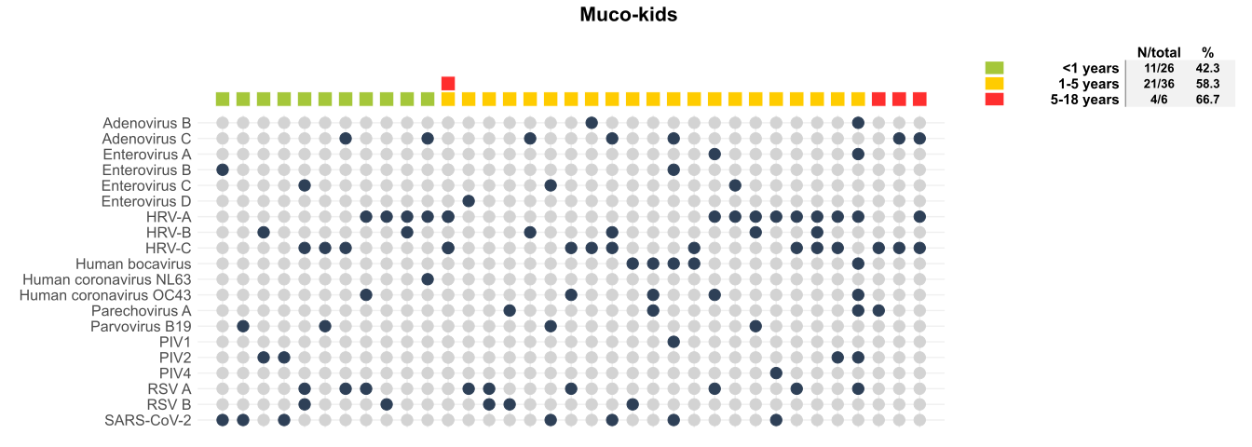
C066731 | HRV-C | Mucokids
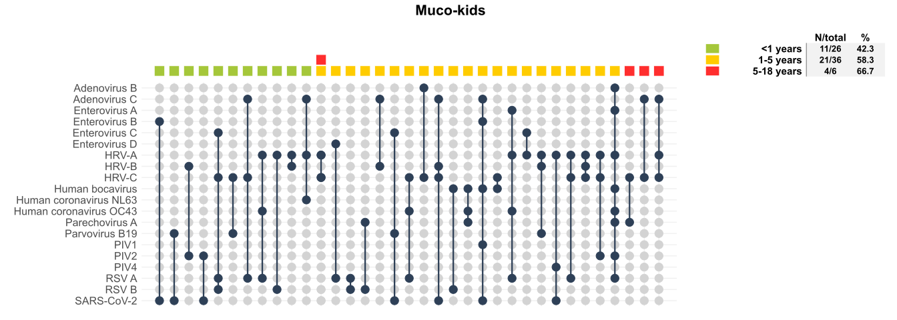
C066732 | HRV-C | Mucokids
C066733 | Adenovirus B | Mucokids
C066733 | HRV-C | Mucokids
C066734 | Adenovirus B | Mucokids
C066735 | Parvovirus B19 | Mucokids
C066735 | HRV-A | Mucokids
C066735 | HRV-B | Mucokids
C066736 | PIV 1 | Mucokids
C066738 | Parvovirus B19 | Mucokids
C066738 | HRV-C | Mucokids
C066739 | HRV-A | Mucokids
C066740 | Enterovirus B | Mucokids
C066740 | SARS-CoV-2 | Mucokids
C066741 | HRV-A | Mucokids
C066741 | HRV-B | Mucokids
C066742_S1 | Enterovirus B | Mucokids
C066742_S1 | Human bocavirus | Mucokids
C066742_S1 | Adenovirus C | Mucokids
C066742_S1 | PIV1 | Mucokids
C066742_S1 | SARS-CoV-2 | Mucokids
C066743_S2 | Human coronavirus NL63 | Mucokids
C066743_S2 | Adenovirus C | Mucokids
C066743_S2 | HRV-A | Mucokids
C066744_S3 | Adenovirus C | Mucokids
C066744_S3 | HRV-C | Mucokids
C066745_S4 | HRV-C | Mucokids
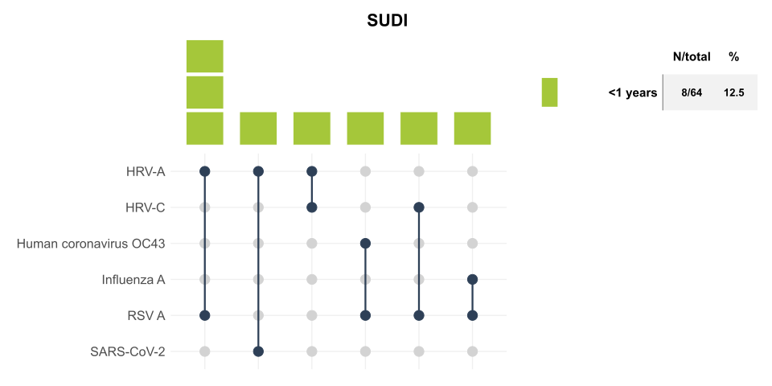
C066746_S5 | SARS-CoV-2 | Mucokids
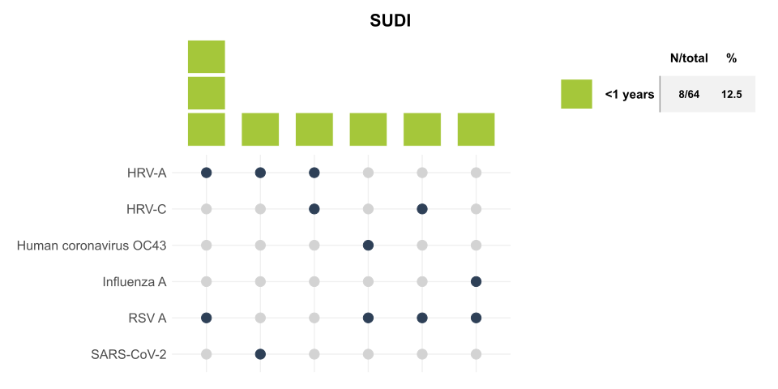
C066746_S5 | Parvovirus B19 | Mucokids
C066747_S6 | HRV-A | Mucokids
C066747_S6 | HRV-B | Mucokids
C066747_S6 | HRV-C | Mucokids
C066748_S7 | Human coronavirus NL63 | Mucokids
C066749_S8 | HRV-C | Mucokids
C066750_S9 | Enterovirus C | Mucokids
C066750_S9 | Parvovirus B19 | Mucokids
C066750_S9 | SARS-CoV-2 | Mucokids
C066751_S10 | PIV2 | Mucokids
C066751_S10 | HRV-B | Mucokids
C066754_S13 | Adenovirus C | Mucokids
C066755_S14 | Enterovirus C | Mucokids
C066755_S14 | HRV-A | Mucokids
C066756_S15 | PIV4 | Mucokids
C066756_S15 | HRV-A | Mucokids
C066756_S15 | SARS-CoV-2 | Mucokids
C066757_S16 | PIV4 | Mucokids
C066758_S17 | HRV-A | Mucokids
C066759_S18 | Adenovirus C | Mucokids
C066759_S18 | HRV-B | Mucokids
C066760_S19 | RSV B | Mucokids
C066760_S19 | HRV-A | Mucokids
C069860 | Adenovirus C | Mucokids
C069860 | HRV-B | Mucokids
C069860 | HRV-C | Mucokids
C069860 | SARS-CoV-2 | Mucokids
C069861 | HRV-C | Mucokids
C069862 | Enterovirus B | Mucokids
C069863 | RSV A | Mucokids
C069863 | Human bocavirus | Mucokids
C069863 | Enterovirus A | Mucokids
C069863 | OC43 | Mucokids
C069863 | Adenovirus B | Mucokids
C069863 | Parechovirus A | Mucokids
C069863 | PIV2 | Mucokids
C069863 | HRV-A | Mucokids
C069865 | FLU A | Mucokids
C069865 | Human bocavirus | Mucokids
C069865 | Parechovirus A | Mucokids
C069866 | Influenza A | Mucokids
C069867 | Influenza A | Mucokids
C069868 | Influenza A | Mucokids
C069869 | RSV A | Mucokids
C069870 | Human bocavirus | Mucokids
C069870 | RSV B | Mucokids
C069871 | RSV A | Mucokids
C069872 | RSV A | Mucokids
C069872 | RSV B | Mucokids
C069873 | RSV A | Mucokids
C069873 | OC43 | Mucokids
C069873 | HRV-A | Mucokids
C069874 | RSV A | Mucokids
C069874 | RSV B | Mucokids
C069874 | Enterovirus C | Mucokids
C069874 | HRV-C | Mucokids
C069875 | Parechovirus A | Mucokids
C069875 | RSV B | Mucokids
C069876 | RSV A | Mucokids
C069876 | Adenovirus C | Mucokids
C069876 | HRV-C | Mucokids
C069877 | Enterovirus D | Mucokids
C069877 | RSV A | Mucokids
C069878 | OC43 | Mucokids
C069878 | HRV-C | Mucokids
C069878 | RSV A | Mucokids
C069879 | Enterovirus A | Mucokids
C069879 | OC43 | Mucokids
C069879 | HRV-A | Mucokids
C069879 | RSV A | Mucokids
C069880 | RSV A | Mucokids
C069881 | HRV-C | Mucokids
C069882 | HRV-A | Mucokids
C069882 | HRV-C | Mucokids
C069882 | RSV A | Mucokids
C069883 | HRV-A | Mucokids
C069884 | RSV A | Mucokids
C067947_VCS | Influenza A | NHLS Groote Schuur
C067949_VCS | Influenza A | NHLS Groote Schuur
C067951_VCS | Influenza A | NHLS Groote Schuur
C067952_VCS | Rhinovirus C | NHLS Groote Schuur
C067953_VCS | Influenza A | NHLS Groote Schuur
C067956_VCS | Influenza A | NHLS Groote Schuur
C067957_VCS | Influenza A | NHLS Groote Schuur
C067958_VCS | Influenza A | NHLS Groote Schuur
C067959_VCS | Influenza A | NHLS Groote Schuur
C067961_VCS | Influenza A | NHLS Groote Schuur
C067964_VCS | Enterovirus B | NHLS Groote Schuur
C067964_VCS | Human bocavirus | NHLS Groote Schuur
C067964_VCS | Influenza A | NHLS Groote Schuur
C067966_VCS | Influenza A | NHLS Groote Schuur
C067967_VCS | Influenza A | NHLS Groote Schuur
C067968_VCS | Influenza A | NHLS Groote Schuur
C067969_VCS | Influenza A | NHLS Groote Schuur
C067970_VCS | Influenza A | NHLS Groote Schuur
C067971_VCS | Influenza A | NHLS Groote Schuur
C067972_VCS | Influenza A | NHLS Groote Schuur
C067975_VCS | Influenza A | NHLS Tygerberg
C067977_VCS | Influenza A | NHLS Tygerberg
C067980_VCS | Influenza A | NHLS Tygerberg
C067981_VCS | Influenza A | NHLS Tygerberg
C067982_VCS | Influenza A | NHLS Tygerberg
C067989_VCS | Influenza A | NHLS Tygerberg
C067989_VCS | PIV3 | NHLS Tygerberg
C067990_VCS | Influenza A | NHLS Tygerberg
C067991_VCS | Influenza A | NHLS Tygerberg
C067995_VCS | Influenza A | NHLS Tygerberg
C067997_VCS | Influenza A | NHLS Tygerberg
C070219 | HMPV | PathCare
C070219 | Influenza A | PathCare
C070220 | RSV A | PathCare
C070220 | RSV B | PathCare
C070221 | PIV3 | PathCare
C070221 | Rhinovirus A | PathCare
C070222 | Influenza A | PathCare
C070223 | Rhinovirus A | PathCare
C070224 | HMPV | PathCare
C070224 | Human coronavirus 229E | PathCare
C070224 | Rhinovirus A | PathCare
C070225 | Rhinovirus A | PathCare
C070227 | Enterovirus B | PathCare
C070227 | Rhinovirus A | PathCare
C070228 | Influenza A | PathCare
C070228 | RSV A | PathCare
C070229 | Influenza A | PathCare
C070230 | Rhinovirus C | PathCare
C070231 | Rhinovirus A | PathCare
C070232 | RSV A | PathCare
C070234 | SARS-CoV-2 | PathCare
C070235 | SARS-CoV-2 | PathCare
C070245 | RSV A | PathCare
C070246 | Rhinovirus C | PathCare
C070247 | Mastadenovirus C | PathCare
C070248 | Mastadenovirus C | PathCare
C070248 | Rhinovirus C | PathCare
C070249 | PIV3 | PathCare
C070249 | Rhinovirus A | PathCare
C070249 | Enterovirus A | PathCare
C070250 | PIV3 | PathCare
C070251 | Rhinovirus A | PathCare
C070251 | Rhinovirus C | PathCare
C070251 | HMPV | PathCare
C070252 | Enterovirus D | PathCare
C070252 | Rhinovirus C | PathCare
C070253 | HMPV | PathCare
...

