Sheet1
question |  | answer
1. Explain the difference between Relative, Absolute and Mixed Cell Referencing. |  | A1 Relative reference $A$1 ← Absolute reference $A1 Fixed column, changing row A$2 ← Changing column, fixed row

2. Write a formula to calculate the total sales of Car and Bicyle only only.

vehicle |  | price
car |  | 500000
bicycle |  | 10500
auto-ricksshaw |  | 25000

 | answer | 510500

3. Using the data below, write a formula to calculate the average sales of items priced above 100 but less than 300

items | price | sales

items A | 90 | 1000
items B | 150 | 1200 |  | average function
items C | 250 | 1500

price are in B20:B22
price are in C20:C22

items B sales 1200
items C sales 1500

average

 | 1200/2+1500/2
 | 1350

4. Count how many customer names are recorded.

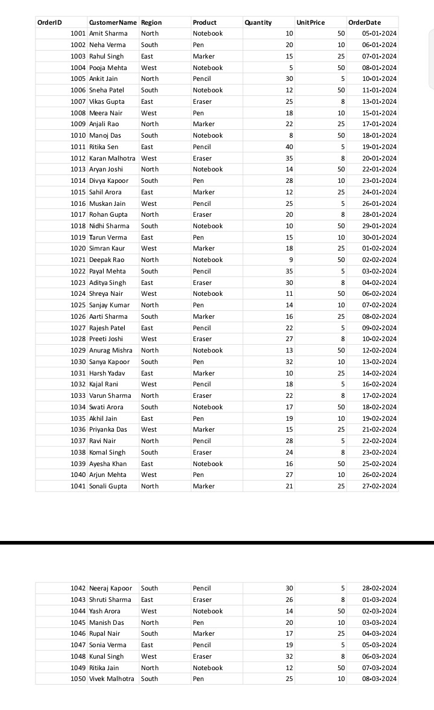

 |  | Count function

answer | 50

5. Calculate the Total Sales for each row using a formula.

 | Quantity*unit price |  | total sales

 |  |  | 500
 |  |  | 300
 |  |  | 375
 |  |  | 250
 |  |  | 150
 |  |  | 600
 |  |  | 200
 |  |  | 180
 |  |  | 550
 |  |  | 400
 |  |  | 200
 |  |  | 280
 |  |  | 700
 |  |  | 280
 |  |  | 300
 |  |  | 125
 |  |  | 160
 |  |  | 500
 |  |  | 150
 |  |  | 450
 |  |  | 450
 |  |  | 175
 |  |  | 240
 |  |  | 550
 |  |  | 140
 |  |  | 400
 |  |  | 110
 |  |  | 216
 |  |  | 650
 |  |  | 320
 |  |  | 250
 |  |  | 90
 |  |  | 176
 |  |  | 850
 |  |  | 190
 |  |  | 375
 |  |  | 140
 |  |  | 192
 |  |  | 800
 |  |  | 270
 |  |  | 525
 |  |  | 150
 |  |  | 208
 |  |  | 700
 |  |  | 200
 |  |  | 425
 |  |  | 95
 |  |  | 256
 |  |  | 600
 |  |  | 250

6. Calculate the total sales of Notebooks in the North region only.

 |  |  | notebook | sales
 |  |  |  | 500
 |  |  |  | 250
 |  |  |  | 600
 |  |  |  | 400
 |  |  |  | 700
 |  |  |  | 500
 |  |  |  | 450
 |  |  |  | 550
 |  |  |  | 650
 |  |  |  | 850
 |  |  |  | 800
 |  |  |  | 700
 |  |  |  | 600

 |  |  | total sale
 |  |  | 7550

7. Create a column chart showing total sales by product.

标题
 | 500 | 250 | 600 | 400 | 700 | 500 | 450 | 550 | 650 | 850 | 800 | 700

8. Insert a line chart showing daily sales trend.

标题
 | 500
 | 300
 | 375
 | 250
 | 150
 | 600
 | 200
 | 180
 | 550
 | 400
 | 200
 | 280
 | 700
 | 280
 | 300
 | 125
 | 160
 | 500
 | 150
 | 450
 | 450
 | 175
 | 240
 | 550
 | 140
 | 400
 | 110
 | 216
 | 650
 | 320
 | 250
 | 90
 | 176
 | 850
 | 190
 | 375
 | 140
 | 192
 | 800
 | 270
 | 525
 | 150
 | 208
 | 700
 | 200
 | 425
 | 95
 | 256
 | 600
 | 250

