I1
s | t | -(e-s)(t-1)^2+e | theta[rad] | cos pi theta | =-cos pi theta | s+(e-s)(1-cos pi t)/2
0 | 0 | 0 | 0 | 1 | -1 | 0
e | 0.01 | 0.0199 | 0.062831853072 | 0.99802672843 | -0.99802672843 | 0.00098663578586
1 | 0.02 | 0.0396 | 0.12566370614 | 0.99211470131 | -0.99211470131 | 0.0039426493428
 | 0.03 | 0.0591 | 0.18849555922 | 0.98228725073 | -0.98228725073 | 0.0088563746357
 | 0.04 | 0.0784 | 0.25132741229 | 0.96858316113 | -0.96858316113 | 0.015708419436
 | 0.05 | 0.0975 | 0.31415926536 | 0.9510565163 | -0.9510565163 | 0.024471741852
 | 0.06 | 0.1164 | 0.37699111843 | 0.92977648589 | -0.92977648589 | 0.035111757056
 | 0.07 | 0.1351 | 0.4398229715 | 0.90482705247 | -0.90482705247 | 0.047586473767
 | 0.08 | 0.1536 | 0.50265482457 | 0.87630668004 | -0.87630668004 | 0.061846659978
 | 0.09 | 0.1719 | 0.56548667765 | 0.8443279255 | -0.8443279255 | 0.077836037249
 | 0.1 | 0.19 | 0.62831853072 | 0.80901699437 | -0.80901699437 | 0.095491502813
 | 0.11 | 0.2079 | 0.69115038379 | 0.77051324278 | -0.77051324278 | 0.11474337861
 | 0.12 | 0.2256 | 0.75398223686 | 0.72896862742 | -0.72896862742 | 0.13551568629
 | 0.13 | 0.2431 | 0.81681408993 | 0.68454710593 | -0.68454710593 | 0.15772644704
 | 0.14 | 0.2604 | 0.87964594301 | 0.63742398975 | -0.63742398975 | 0.18128800513
 | 0.15 | 0.2775 | 0.94247779608 | 0.58778525229 | -0.58778525229 | 0.20610737385
 | 0.16 | 0.2944 | 1.0053096491 | 0.53582679498 | -0.53582679498 | 0.23208660251
 | 0.17 | 0.3111 | 1.0681415022 | 0.4817536741 | -0.4817536741 | 0.25912316295
 | 0.18 | 0.3276 | 1.1309733553 | 0.42577929157 | -0.42577929157 | 0.28711035422
 | 0.19 | 0.3439 | 1.1938052084 | 0.36812455268 | -0.36812455268 | 0.31593772366
 | 0.2 | 0.36 | 1.2566370614 | 0.30901699437 | -0.30901699437 | 0.34549150281
 | 0.21 | 0.3759 | 1.3194689145 | 0.24868988716 | -0.24868988716 | 0.37565505642
 | 0.22 | 0.3916 | 1.3823007676 | 0.18738131459 | -0.18738131459 | 0.40630934271
 | 0.23 | 0.4071 | 1.4451326207 | 0.12533323356 | -0.12533323356 | 0.43733338322
 | 0.24 | 0.4224 | 1.5079644737 | 0.062790519529 | -0.062790519529 | 0.46860474024
 | 0.25 | 0.4375 | 1.5707963268 | 6.1257422745E-17 | -6.1257422745E-17 | 0.5
 | 0.26 | 0.4524 | 1.6336281799 | -0.062790519529 | 0.062790519529 | 0.53139525976
 | 0.27 | 0.4671 | 1.6964600329 | -0.12533323356 | 0.12533323356 | 0.56266661678
 | 0.28 | 0.4816 | 1.759291886 | -0.18738131459 | 0.18738131459 | 0.59369065729
 | 0.29 | 0.4959 | 1.8221237391 | -0.24868988716 | 0.24868988716 | 0.62434494358
 | 0.3 | 0.51 | 1.8849555922 | -0.30901699437 | 0.30901699437 | 0.65450849719
 | 0.31 | 0.5239 | 1.9477874452 | -0.36812455268 | 0.36812455268 | 0.68406227634
 | cos pi theta |  | =-cos pi theta |  | s+(e-s)(1-cos pi t)/2
0 | 1 | 0 | -1 | 0 | 0
0.062831853072 | 0.99802672843 | 0.062831853072 | -0.99802672843 | 0.062831853072 | 0.00098663578586
0.12566370614 | 0.99211470131 | 0.12566370614 | -0.99211470131 | 0.12566370614 | 0.0039426493428
0.18849555922 | 0.98228725073 | 0.18849555922 | -0.98228725073 | 0.18849555922 | 0.0088563746357
0.25132741229 | 0.96858316113 | 0.25132741229 | -0.96858316113 | 0.25132741229 | 0.015708419436
0.31415926536 | 0.9510565163 | 0.31415926536 | -0.9510565163 | 0.31415926536 | 0.024471741852
0.37699111843 | 0.92977648589 | 0.37699111843 | -0.92977648589 | 0.37699111843 | 0.035111757056
0.4398229715 | 0.90482705247 | 0.4398229715 | -0.90482705247 | 0.4398229715 | 0.047586473767
0.50265482457 | 0.87630668004 | 0.50265482457 | -0.87630668004 | 0.50265482457 | 0.061846659978
0.56548667765 | 0.8443279255 | 0.56548667765 | -0.8443279255 | 0.56548667765 | 0.077836037249
0.62831853072 | 0.80901699437 | 0.62831853072 | -0.80901699437 | 0.62831853072 | 0.095491502813
0.69115038379 | 0.77051324278 | 0.69115038379 | -0.77051324278 | 0.69115038379 | 0.11474337861
0.75398223686 | 0.72896862742 | 0.75398223686 | -0.72896862742 | 0.75398223686 | 0.13551568629
0.81681408993 | 0.68454710593 | 0.81681408993 | -0.68454710593 | 0.81681408993 | 0.15772644704
0.87964594301 | 0.63742398975 | 0.87964594301 | -0.63742398975 | 0.87964594301 | 0.18128800513
0.94247779608 | 0.58778525229 | 0.94247779608 | -0.58778525229 | 0.94247779608 | 0.20610737385
1.0053096491 | 0.53582679498 | 1.0053096491 | -0.53582679498 | 1.0053096491 | 0.23208660251
1.0681415022 | 0.4817536741 | 1.0681415022 | -0.4817536741 | 1.0681415022 | 0.25912316295
1.1309733553 | 0.42577929157 | 1.1309733553 | -0.42577929157 | 1.1309733553 | 0.28711035422
1.1938052084 | 0.36812455268 | 1.1938052084 | -0.36812455268 | 1.1938052084 | 0.31593772366
1.2566370614 | 0.30901699437 | 1.2566370614 | -0.30901699437 | 1.2566370614 | 0.34549150281
1.3194689145 | 0.24868988716 | 1.3194689145 | -0.24868988716 | 1.3194689145 | 0.37565505642
1.3823007676 | 0.18738131459 | 1.3823007676 | -0.18738131459 | 1.3823007676 | 0.40630934271
1.4451326207 | 0.12533323356 | 1.4451326207 | -0.12533323356 | 1.4451326207 | 0.43733338322
1.5079644737 | 0.062790519529 | 1.5079644737 | -0.062790519529 | 1.5079644737 | 0.46860474024
1.5707963268 | 6.1257422745E-17 | 1.5707963268 | -6.1257422745E-17 | 1.5707963268 | 0.5
1.6336281799 | -0.062790519529 | 1.6336281799 | 0.062790519529 | 1.6336281799 | 0.53139525976
1.6964600329 | -0.12533323356 | 1.6964600329 | 0.12533323356 | 1.6964600329 | 0.56266661678
1.759291886 | -0.18738131459 | 1.759291886 | 0.18738131459 | 1.759291886 | 0.59369065729
1.8221237391 | -0.24868988716 | 1.8221237391 | 0.24868988716 | 1.8221237391 | 0.62434494358
1.8849555922 | -0.30901699437 | 1.8849555922 | 0.30901699437 | 1.8849555922 | 0.65450849719
1.9477874452 | -0.36812455268 | 1.9477874452 | 0.36812455268 | 1.9477874452 | 0.68406227634
2.0106192983 | -0.42577929157 | 2.0106192983 | 0.42577929157 | 2.0106192983 | 0.71288964578
2.0734511514 | -0.4817536741 | 2.0734511514 | 0.4817536741 | 2.0734511514 | 0.74087683705
2.1362830044 | -0.53582679498 | 2.1362830044 | 0.53582679498 | 2.1362830044 | 0.76791339749
2.1991148575 | -0.58778525229 | 2.1991148575 | 0.58778525229 | 2.1991148575 | 0.79389262615
2.2619467106 | -0.63742398975 | 2.2619467106 | 0.63742398975 | 2.2619467106 | 0.81871199487
2.3247785637 | -0.68454710593 | 2.3247785637 | 0.68454710593 | 2.3247785637 | 0.84227355296
2.3876104167 | -0.72896862742 | 2.3876104167 | 0.72896862742 | 2.3876104167 | 0.86448431371
2.4504422698 | -0.77051324278 | 2.4504422698 | 0.77051324278 | 2.4504422698 | 0.88525662139
2.5132741229 | -0.80901699437 | 2.5132741229 | 0.80901699437 | 2.5132741229 | 0.90450849719
2.5761059759 | -0.8443279255 | 2.5761059759 | 0.8443279255 | 2.5761059759 | 0.92216396275
2.638937829 | -0.87630668004 | 2.638937829 | 0.87630668004 | 2.638937829 | 0.93815334002
2.7017696821 | -0.90482705247 | 2.7017696821 | 0.90482705247 | 2.7017696821 | 0.95241352623
2.7646015352 | -0.92977648589 | 2.7646015352 | 0.92977648589 | 2.7646015352 | 0.96488824294
2.8274333882 | -0.9510565163 | 2.8274333882 | 0.9510565163 | 2.8274333882 | 0.97552825815
2.8902652413 | -0.96858316113 | 2.8902652413 | 0.96858316113 | 2.8902652413 | 0.98429158056
2.9530970944 | -0.98228725073 | 2.9530970944 | 0.98228725073 | 2.9530970944 | 0.99114362536
3.0159289474 | -0.99211470131 | 3.0159289474 | 0.99211470131 | 3.0159289474 | 0.99605735066
3.0787608005 | -0.99802672843 | 3.0787608005 | 0.99802672843 | 3.0787608005 | 0.99901336421
...
 | 0.32 | 0.5376 | 2.0106192983 | -0.42577929157 | 0.42577929157 | 0.71288964578
 | 0.33 | 0.5511 | 2.0734511514 | -0.4817536741 | 0.4817536741 | 0.74087683705
 | 0.34 | 0.5644 | 2.1362830044 | -0.53582679498 | 0.53582679498 | 0.76791339749
 | 0.35 | 0.5775 | 2.1991148575 | -0.58778525229 | 0.58778525229 | 0.79389262615
 | 0.36 | 0.5904 | 2.2619467106 | -0.63742398975 | 0.63742398975 | 0.81871199487
 | 0.37 | 0.6031 | 2.3247785637 | -0.68454710593 | 0.68454710593 | 0.84227355296
 | 0.38 | 0.6156 | 2.3876104167 | -0.72896862742 | 0.72896862742 | 0.86448431371
 | 0.39 | 0.6279 | 2.4504422698 | -0.77051324278 | 0.77051324278 | 0.88525662139
 | 0.4 | 0.64 | 2.5132741229 | -0.80901699437 | 0.80901699437 | 0.90450849719
 | 0.41 | 0.6519 | 2.5761059759 | -0.8443279255 | 0.8443279255 | 0.92216396275
 | 0.42 | 0.6636 | 2.638937829 | -0.87630668004 | 0.87630668004 | 0.93815334002
 | 0.43 | 0.6751 | 2.7017696821 | -0.90482705247 | 0.90482705247 | 0.95241352623
 | 0.44 | 0.6864 | 2.7646015352 | -0.92977648589 | 0.92977648589 | 0.96488824294
 | 0.45 | 0.6975 | 2.8274333882 | -0.9510565163 | 0.9510565163 | 0.97552825815
 | 0.46 | 0.7084 | 2.8902652413 | -0.96858316113 | 0.96858316113 | 0.98429158056
 | 0.47 | 0.7191 | 2.9530970944 | -0.98228725073 | 0.98228725073 | 0.99114362536
 | 0.48 | 0.7296 | 3.0159289474 | -0.99211470131 | 0.99211470131 | 0.99605735066
 | 0.49 | 0.7399 | 3.0787608005 | -0.99802672843 | 0.99802672843 | 0.99901336421
 | 0.5 | 0.75 | 3.1415926536 | -1 | 1 | 1
 | 0.51 | 0.7599 | 3.2044245067 | -0.99802672843
 | 0.52 | 0.7696 | 3.2672563597 | -0.99211470131
 | 0.53 | 0.7791 | 3.3300882128 | -0.98228725073
 | 0.54 | 0.7884 | 3.3929200659 | -0.96858316113
 | 0.55 | 0.7975 | 3.4557519189 | -0.9510565163
 | 0.56 | 0.8064 | 3.518583772 | -0.92977648589
 | 0.57 | 0.8151 | 3.5814156251 | -0.90482705247
 | 0.58 | 0.8236 | 3.6442474782 | -0.87630668004
 | 0.59 | 0.8319 | 3.7070793312 | -0.8443279255
 | 0.6 | 0.84 | 3.7699111843 | -0.80901699437
 | 0.61 | 0.8479 | 3.8327430374 | -0.77051324278
 | 0.62 | 0.8556 | 3.8955748905 | -0.72896862742
 | 0.63 | 0.8631 | 3.9584067435 | -0.68454710593
 | 0.64 | 0.8704 | 4.0212385966 | -0.63742398975
 | 0.65 | 0.8775 | 4.0840704497 | -0.58778525229
 | 0.66 | 0.8844 | 4.1469023027 | -0.53582679498
 | 0.67 | 0.8911 | 4.2097341558 | -0.4817536741
 | 0.68 | 0.8976 | 4.2725660089 | -0.42577929157
 | 0.69 | 0.9039 | 4.335397862 | -0.36812455268
 | 0.7 | 0.91 | 4.398229715 | -0.30901699437
 | 0.71 | 0.9159 | 4.4610615681 | -0.24868988716
 | 0.72 | 0.9216 | 4.5238934212 | -0.18738131459
 | 0.73 | 0.9271 | 4.5867252742 | -0.12533323356
 | 0.74 | 0.9324 | 4.6495571273 | -0.062790519529
 | 0.75 | 0.9375 | 4.7123889804 | -1.8377226824E-16
 | 0.76 | 0.9424 | 4.7752208335 | 0.062790519529
 | 0.77 | 0.9471 | 4.8380526865 | 0.12533323356
 | 0.78 | 0.9516 | 4.9008845396 | 0.18738131459
 | 0.79 | 0.9559 | 4.9637163927 | 0.24868988716
 | 0.8 | 0.96 | 5.0265482457 | 0.30901699437
 | 0.81 | 0.9639 | 5.0893800988 | 0.36812455268
 | 0.82 | 0.9676 | 5.1522119519 | 0.42577929157
 | 0.83 | 0.9711 | 5.215043805 | 0.4817536741
 | 0.84 | 0.9744 | 5.277875658 | 0.53582679498
 | 0.85 | 0.9775 | 5.3407075111 | 0.58778525229
 | 0.86 | 0.9804 | 5.4035393642 | 0.63742398975
 | 0.87 | 0.9831 | 5.4663712172 | 0.68454710593
 | 0.88 | 0.9856 | 5.5292030703 | 0.72896862742
 | 0.89 | 0.9879 | 5.5920349234 | 0.77051324278
 | 0.9 | 0.99 | 5.6548667765 | 0.80901699437
 | 0.91 | 0.9919 | 5.7176986295 | 0.8443279255
 | 0.92 | 0.9936 | 5.7805304826 | 0.87630668004
 | 0.93 | 0.9951 | 5.8433623357 | 0.90482705247
 | 0.94 | 0.9964 | 5.9061941887 | 0.92977648589
 | 0.95 | 0.9975 | 5.9690260418 | 0.9510565163
 | 0.96 | 0.9984 | 6.0318578949 | 0.96858316113
 | 0.97 | 0.9991 | 6.094689748 | 0.98228725073
 | 0.98 | 0.9996 | 6.157521601 | 0.99211470131
 | 0.99 | 0.9999 | 6.2203534541 | 0.99802672843
 | 1 | 1 | 6.2831853072 | 1 | 39.478417604 | 0

I2
t | w(t)
-2 | 0
-1.9 | 0.00016666666667
-1.8 | 0.0013333333333
-1.7 | 0.0045
-1.6 | 0.010666666667
-1.5 | 0.020833333333
-1.4 | 0.036
-1.3 | 0.057166666667
-1.2 | 0.085333333333
-1.1 | 0.1215
-1 | 0.16666666667
-0.9 | 0.22116666667
-0.8 | 0.28266666667
-0.7 | 0.34816666667
-0.6 | 0.41466666667
-0.5 | 0.47916666667
-0.4 | 0.53866666667
-0.3 | 0.59016666667
-0.2 | 0.63066666667
-0.1 | 0.65716666667
0 | 0.66666666667
0.1 | 0.65716666667
0.2 | 0.63066666667
0.3 | 0.59016666667
0.4 | 0.53866666667
0.5 | 0.47916666667
0.6 | 0.41466666667
0.7 | 0.34816666667
0.8 | 0.28266666667
0.9 | 0.22116666667
1 | 0.16666666667
1.1 | 0.1215
1.2 | 0.085333333333
1.3 | 0.057166666667
1.4 | 0.036
1.5 | 0.020833333333
1.6 | 0.010666666667
1.7 | 0.0045
1.8 | 0.0013333333333
1.9 | 0.00016666666667
2 | 0

graph
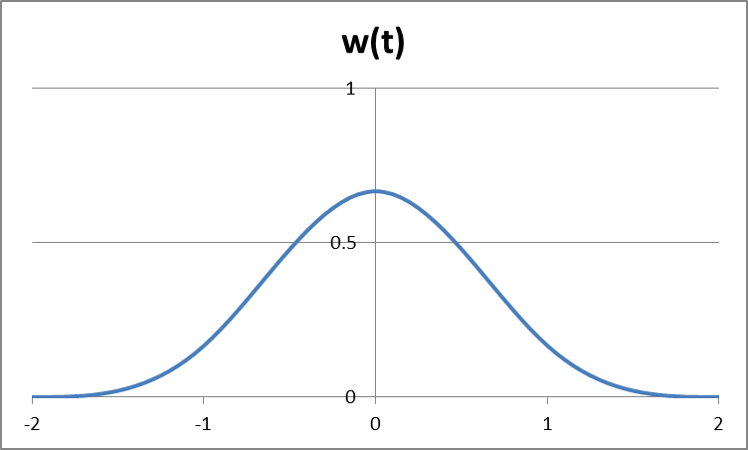
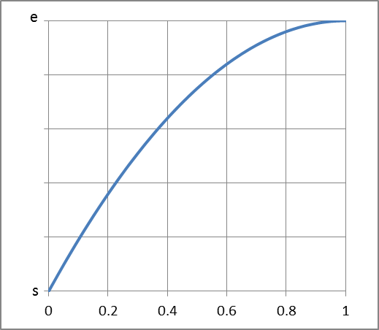
 | -(e-s)(t-1)^2+e
0 | 0
0.01 | 0.0199
0.02 | 0.0396
0.03 | 0.0591
0.04 | 0.0784
0.05 | 0.0975
0.06 | 0.1164
0.07 | 0.1351
0.08 | 0.1536
0.09 | 0.1719
0.1 | 0.19
0.11 | 0.2079
0.12 | 0.2256
0.13 | 0.2431
0.14 | 0.2604
0.15 | 0.2775
0.16 | 0.2944
0.17 | 0.3111
0.18 | 0.3276
0.19 | 0.3439
0.2 | 0.36
0.21 | 0.3759
0.22 | 0.3916
0.23 | 0.4071
0.24 | 0.4224
0.25 | 0.4375
0.26 | 0.4524
0.27 | 0.4671
0.28 | 0.4816
0.29 | 0.4959
0.3 | 0.51
0.31 | 0.5239
0.32 | 0.5376
0.33 | 0.5511
0.34 | 0.5644
0.35 | 0.5775
0.36 | 0.5904
0.37 | 0.6031
0.38 | 0.6156
0.39 | 0.6279
0.4 | 0.64
0.41 | 0.6519
0.42 | 0.6636
0.43 | 0.6751
0.44 | 0.6864
0.45 | 0.6975
0.46 | 0.7084
0.47 | 0.7191
0.48 | 0.7296
0.49 | 0.7399
...

 | cos pi theta
0 | 1
0.062831853072 | 0.99802672843
0.12566370614 | 0.99211470131
0.18849555922 | 0.98228725073
0.25132741229 | 0.96858316113
0.31415926536 | 0.9510565163
0.37699111843 | 0.92977648589
0.4398229715 | 0.90482705247
0.50265482457 | 0.87630668004
0.56548667765 | 0.8443279255
0.62831853072 | 0.80901699437
0.69115038379 | 0.77051324278
0.75398223686 | 0.72896862742
0.81681408993 | 0.68454710593
0.87964594301 | 0.63742398975
0.94247779608 | 0.58778525229
1.0053096491 | 0.53582679498
1.0681415022 | 0.4817536741
1.1309733553 | 0.42577929157
1.1938052084 | 0.36812455268
1.2566370614 | 0.30901699437
1.3194689145 | 0.24868988716
1.3823007676 | 0.18738131459
1.4451326207 | 0.12533323356
1.5079644737 | 0.062790519529
1.5707963268 | 6.1257422745E-17
1.6336281799 | -0.062790519529
1.6964600329 | -0.12533323356
1.759291886 | -0.18738131459
1.8221237391 | -0.24868988716
1.8849555922 | -0.30901699437
1.9477874452 | -0.36812455268
2.0106192983 | -0.42577929157
2.0734511514 | -0.4817536741
2.1362830044 | -0.53582679498
2.1991148575 | -0.58778525229
2.2619467106 | -0.63742398975
2.3247785637 | -0.68454710593
2.3876104167 | -0.72896862742
2.4504422698 | -0.77051324278
2.5132741229 | -0.80901699437
2.5761059759 | -0.8443279255
2.638937829 | -0.87630668004
2.7017696821 | -0.90482705247
2.7646015352 | -0.92977648589
2.8274333882 | -0.9510565163
2.8902652413 | -0.96858316113
2.9530970944 | -0.98228725073
3.0159289474 | -0.99211470131
3.0787608005 | -0.99802672843
...

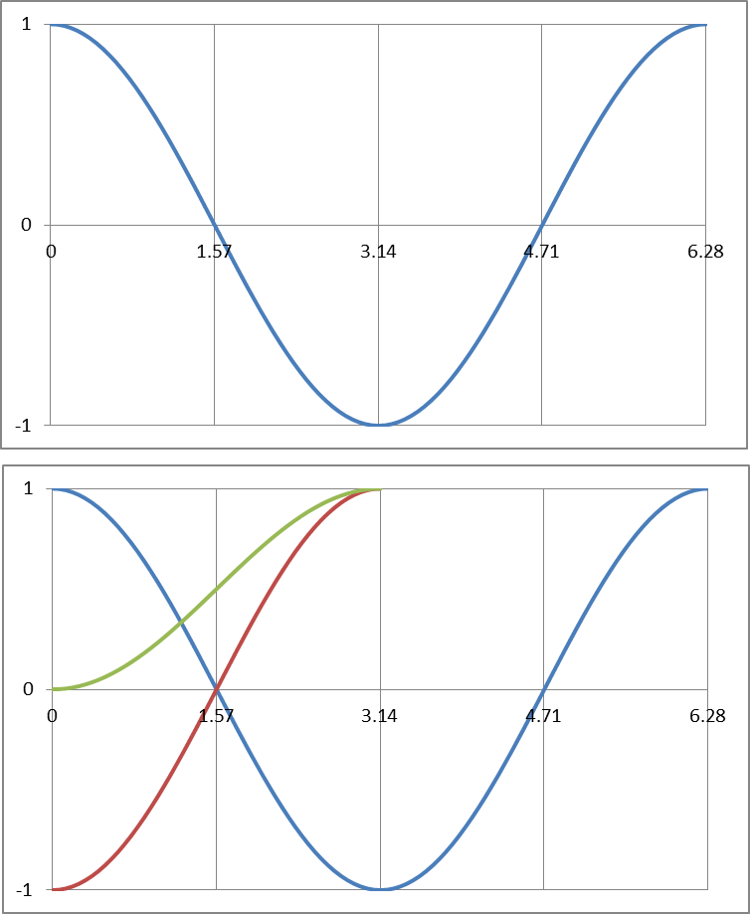

 | cos pi theta |  | =-cos pi theta |  | s+(e-s)(1-cos pi t)/2
0 | 1 | 0 | -1 | 0 | 0
0.062831853072 | 0.99802672843 | 0.062831853072 | -0.99802672843 | 0.062831853072 | 0.00098663578586
0.12566370614 | 0.99211470131 | 0.12566370614 | -0.99211470131 | 0.12566370614 | 0.0039426493428
0.18849555922 | 0.98228725073 | 0.18849555922 | -0.98228725073 | 0.18849555922 | 0.0088563746357
0.25132741229 | 0.96858316113 | 0.25132741229 | -0.96858316113 | 0.25132741229 | 0.015708419436
0.31415926536 | 0.9510565163 | 0.31415926536 | -0.9510565163 | 0.31415926536 | 0.024471741852
0.37699111843 | 0.92977648589 | 0.37699111843 | -0.92977648589 | 0.37699111843 | 0.035111757056
0.4398229715 | 0.90482705247 | 0.4398229715 | -0.90482705247 | 0.4398229715 | 0.047586473767
0.50265482457 | 0.87630668004 | 0.50265482457 | -0.87630668004 | 0.50265482457 | 0.061846659978
0.56548667765 | 0.8443279255 | 0.56548667765 | -0.8443279255 | 0.56548667765 | 0.077836037249
0.62831853072 | 0.80901699437 | 0.62831853072 | -0.80901699437 | 0.62831853072 | 0.095491502813
0.69115038379 | 0.77051324278 | 0.69115038379 | -0.77051324278 | 0.69115038379 | 0.11474337861
0.75398223686 | 0.72896862742 | 0.75398223686 | -0.72896862742 | 0.75398223686 | 0.13551568629
0.81681408993 | 0.68454710593 | 0.81681408993 | -0.68454710593 | 0.81681408993 | 0.15772644704
0.87964594301 | 0.63742398975 | 0.87964594301 | -0.63742398975 | 0.87964594301 | 0.18128800513
0.94247779608 | 0.58778525229 | 0.94247779608 | -0.58778525229 | 0.94247779608 | 0.20610737385
1.0053096491 | 0.53582679498 | 1.0053096491 | -0.53582679498 | 1.0053096491 | 0.23208660251
1.0681415022 | 0.4817536741 | 1.0681415022 | -0.4817536741 | 1.0681415022 | 0.25912316295
1.1309733553 | 0.42577929157 | 1.1309733553 | -0.42577929157 | 1.1309733553 | 0.28711035422
1.1938052084 | 0.36812455268 | 1.1938052084 | -0.36812455268 | 1.1938052084 | 0.31593772366
1.2566370614 | 0.30901699437 | 1.2566370614 | -0.30901699437 | 1.2566370614 | 0.34549150281
1.3194689145 | 0.24868988716 | 1.3194689145 | -0.24868988716 | 1.3194689145 | 0.37565505642
1.3823007676 | 0.18738131459 | 1.3823007676 | -0.18738131459 | 1.3823007676 | 0.40630934271
1.4451326207 | 0.12533323356 | 1.4451326207 | -0.12533323356 | 1.4451326207 | 0.43733338322
1.5079644737 | 0.062790519529 | 1.5079644737 | -0.062790519529 | 1.5079644737 | 0.46860474024
1.5707963268 | 6.1257422745E-17 | 1.5707963268 | -6.1257422745E-17 | 1.5707963268 | 0.5
1.6336281799 | -0.062790519529 | 1.6336281799 | 0.062790519529 | 1.6336281799 | 0.53139525976
1.6964600329 | -0.12533323356 | 1.6964600329 | 0.12533323356 | 1.6964600329 | 0.56266661678
1.759291886 | -0.18738131459 | 1.759291886 | 0.18738131459 | 1.759291886 | 0.59369065729
1.8221237391 | -0.24868988716 | 1.8221237391 | 0.24868988716 | 1.8221237391 | 0.62434494358
1.8849555922 | -0.30901699437 | 1.8849555922 | 0.30901699437 | 1.8849555922 | 0.65450849719
1.9477874452 | -0.36812455268 | 1.9477874452 | 0.36812455268 | 1.9477874452 | 0.68406227634
2.0106192983 | -0.42577929157 | 2.0106192983 | 0.42577929157 | 2.0106192983 | 0.71288964578
2.0734511514 | -0.4817536741 | 2.0734511514 | 0.4817536741 | 2.0734511514 | 0.74087683705
2.1362830044 | -0.53582679498 | 2.1362830044 | 0.53582679498 | 2.1362830044 | 0.76791339749
2.1991148575 | -0.58778525229 | 2.1991148575 | 0.58778525229 | 2.1991148575 | 0.79389262615
2.2619467106 | -0.63742398975 | 2.2619467106 | 0.63742398975 | 2.2619467106 | 0.81871199487
2.3247785637 | -0.68454710593 | 2.3247785637 | 0.68454710593 | 2.3247785637 | 0.84227355296
2.3876104167 | -0.72896862742 | 2.3876104167 | 0.72896862742 | 2.3876104167 | 0.86448431371
2.4504422698 | -0.77051324278 | 2.4504422698 | 0.77051324278 | 2.4504422698 | 0.88525662139
2.5132741229 | -0.80901699437 | 2.5132741229 | 0.80901699437 | 2.5132741229 | 0.90450849719
2.5761059759 | -0.8443279255 | 2.5761059759 | 0.8443279255 | 2.5761059759 | 0.92216396275
2.638937829 | -0.87630668004 | 2.638937829 | 0.87630668004 | 2.638937829 | 0.93815334002
2.7017696821 | -0.90482705247 | 2.7017696821 | 0.90482705247 | 2.7017696821 | 0.95241352623
2.7646015352 | -0.92977648589 | 2.7646015352 | 0.92977648589 | 2.7646015352 | 0.96488824294
2.8274333882 | -0.9510565163 | 2.8274333882 | 0.9510565163 | 2.8274333882 | 0.97552825815
2.8902652413 | -0.96858316113 | 2.8902652413 | 0.96858316113 | 2.8902652413 | 0.98429158056
2.9530970944 | -0.98228725073 | 2.9530970944 | 0.98228725073 | 2.9530970944 | 0.99114362536
3.0159289474 | -0.99211470131 | 3.0159289474 | 0.99211470131 | 3.0159289474 | 0.99605735066
3.0787608005 | -0.99802672843 | 3.0787608005 | 0.99802672843 | 3.0787608005 | 0.99901336421
...

