Suggestion
dSILAC protease + label — recommendation
Goal: maximise turnover-quantifiable proteome coverage beyond trypsin + heavy Lys/Arg. Basis: 20,431-protein human proteome + 1.35M empirically observed peptides (PeptideAtlas 607 / PXD024364).

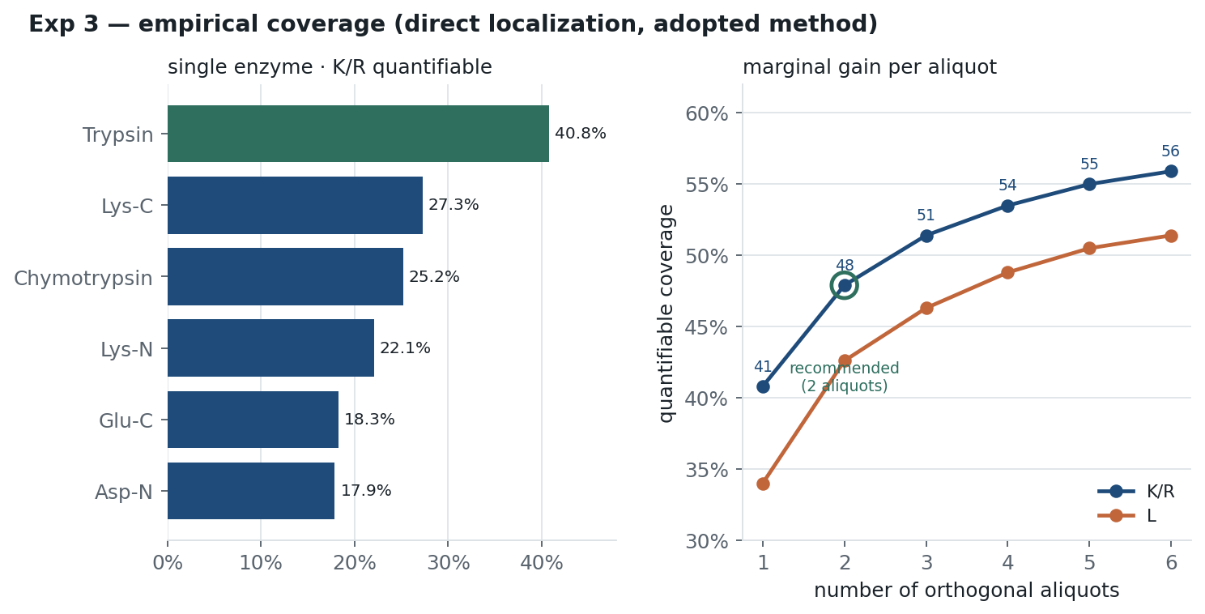
RECOMMENDATION
Label | Heavy Lys +8 / Arg +10 | Nothing else — not leucine, not a 3rd residue. Wins under every method, enzyme set and mod-cap tested.
Core digest | Trypsin + Lys-C (separate aliquots) | Two LC-MS runs, NOT single-tube sequential digestion. +5.7 pts over trypsin alone.
Third aliquot | Glu-C (optional) | Adds ~+3 pts. The one genuinely open call — take it only if the timecourse budget allows.
Avoid | Leucine label · Lys-N · chymotrypsin (unless semi-specific search) | K+R+L adds only +0.6 pts uncapped (your DIA case) for a 3rd heavy amino acid; Lys-N is redundant with Lys-C; chymotrypsin rank is method-dependent.

Headline numbers (turnover-quantifiable coverage, heavy K/R)
Design | Gated coverage | Direct-localization | Marginal gain | Note
Trypsin alone (baseline) | 31.8% | 41.0% | — | standard SILAC
Trypsin + Lys-C | 36.2% | 46.7% | +5.7 | RECOMMENDED core
Trypsin + Lys-C + Glu-C | 39.3% | 50.7% | +3.4 | optional 3rd aliquot
All six proteases | 43.6% | 57.8% | +2 vs 3-enz | diminishing returns

Quantifiable coverage = % of proteome residues covered by observed peptides carrying 1–5 heavy-label residues. Absolute values are ~12 pts below published figures (stricter FDR, canonical-only DB) and are for RELATIVE ranking only. See Methods tab. Every conclusion here reversed at least once during analysis — see Methods > Analysis lineage.

1 Label reach
Experiment 1 — fraction of peptides carrying a label
In-silico, fully-cleaved (missed=0), 7–40 aa. Shows how well each candidate label 'reaches' each protease's peptides. K/R is highest for every enzyme — the premise 'switch to leucine for protease-independence' fails here.

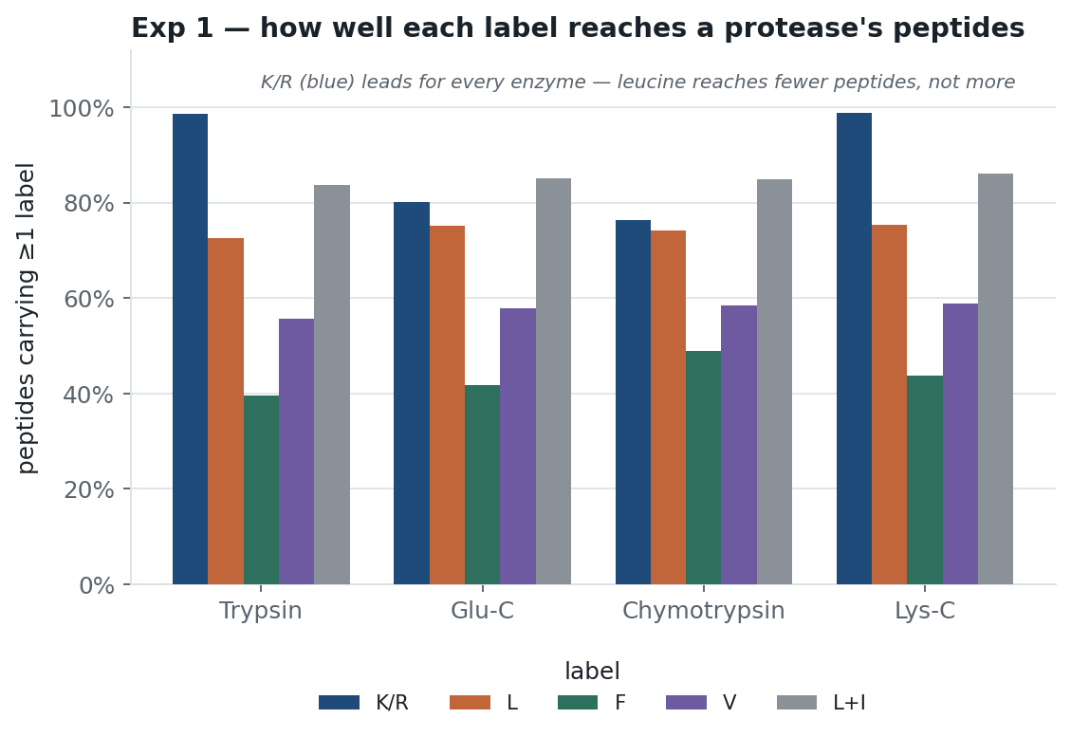
Protease | K/R | L | F | V | L+I | n peptides
Trypsin | 98.7% | 72.5% | 39.6% | 55.6% | 83.7% | 545,810
Glu-C (E) | 80.1% | 75.2% | 41.8% | 57.8% | 85.2% | 427,668
Chymotrypsin | 76.3% | 74.2% | 48.9% | 58.5% | 85.0% | 451,201
Lys-C | 98.9% | 75.3% | 43.7% | 58.8% | 86.2% | 353,093

Leucine reaches only ~73–75% of peptides (not ~95% as first assumed); K/R reaches ~76–99%. K+R together = 11.4% of residues vs L's 10.0%.

2 In-silico coverage
Experiment 2 — theoretical orthogonal-aliquot coverage
Residue-weighted, missed≤2, 7–40 aa. DET = any peptide; QUANT = peptides carrying the label. K/R beats L at every scheme. NOTE: this pure-theory view later proved ~20 pts optimistic and mis-ranked enzymes — see sheets 3-onward.

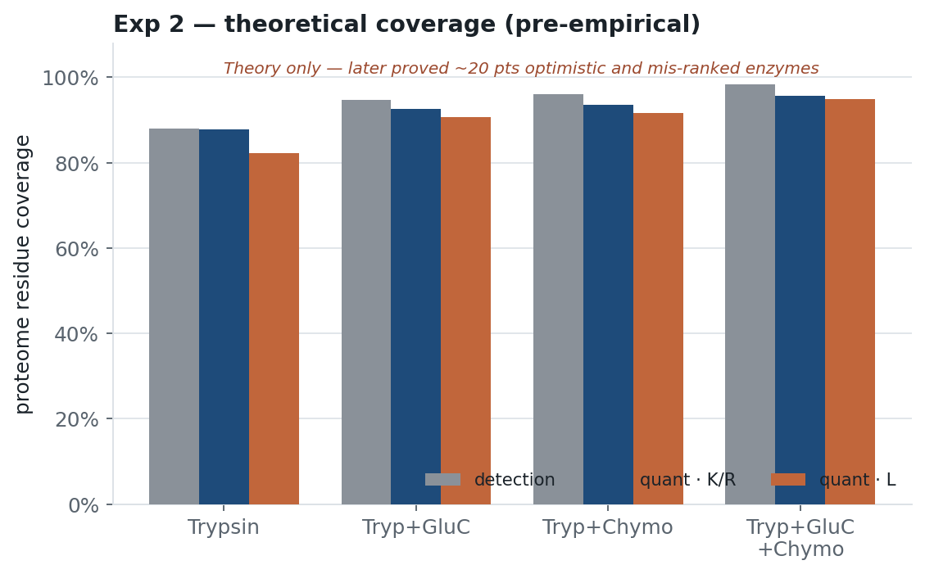
Scheme | DET % | QUANT K/R % | QUANT L %
Trypsin | 88.0% | 87.8% | 82.3%
Trypsin + Glu-C(E) | 94.7% | 92.6% | 90.6%
Trypsin + Chymotrypsin | 96.0% | 93.5% | 91.7%
Trypsin + Glu-C(E) + Chymo | 98.3% | 95.6% | 95.0%

Theoretical only. Chymotrypsin looks best here purely because F/Y/W gives many cut sites — empirically it does not hold up.

4 Realism diagnostic
Experiment 4 — why the strict gate was discarded
Fraction of each enzyme's OBSERVED peptides that match a fully-specific digest product. If low, gating on specificity penalises the enzyme by method, not biology.

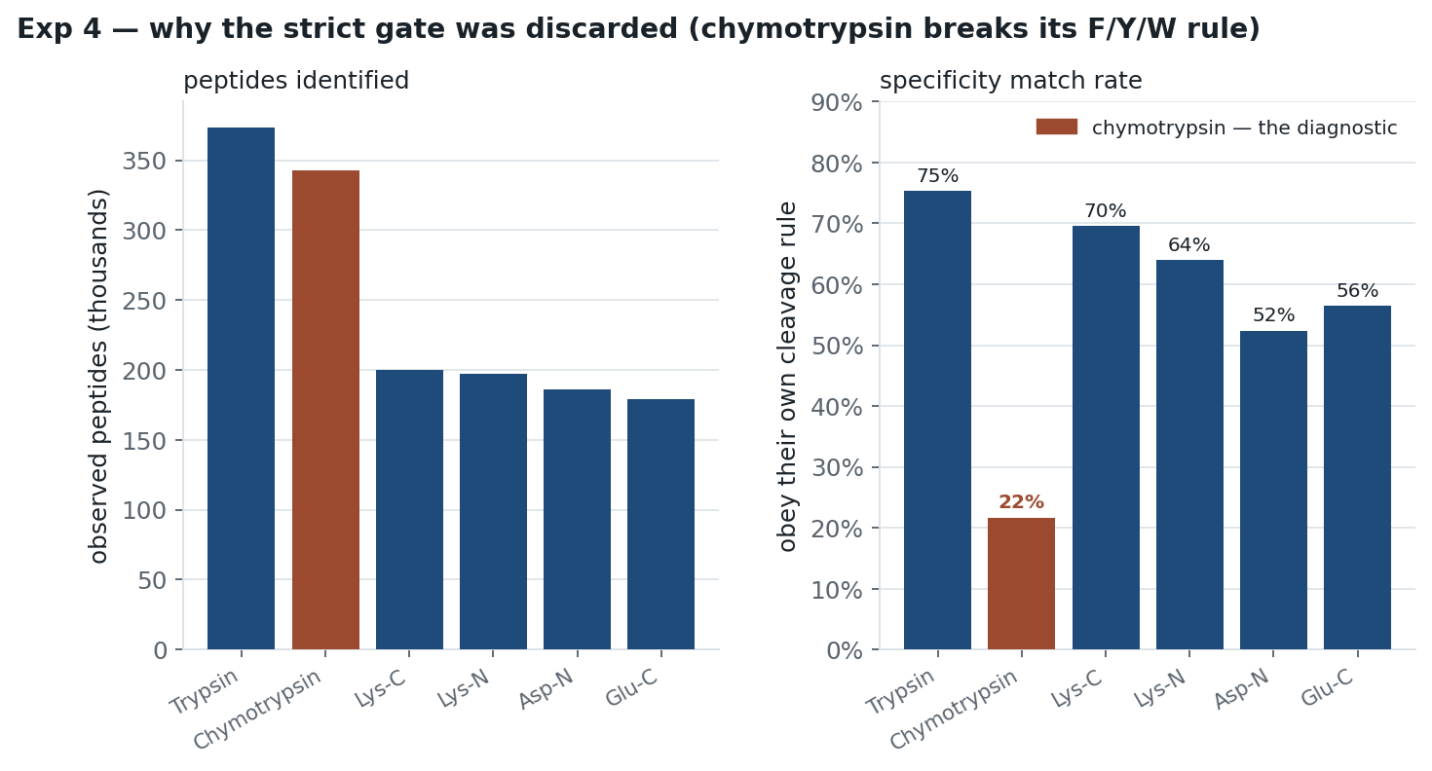
Enzyme | Observed peptides | Match strict 7–40 mc≤2 | Match wide 6–60 mc≤5 | Observed-rate in TRUNCATED local file
Trypsin | 373,305 | 75.4% | 77.0% | 67.2%
Lys-C | 200,117 | 69.6% | 71.0% | 43.7%
Lys-N | 196,950 | 64.0% | 67.1% | 1.4%
Glu-C | 179,407 | 56.5% | 61.4% | 7.9%
Asp-N | 185,883 | 52.4% | 55.2% | 7.9%
Chymotrypsin | 343,132 | 21.7% | 22.3% | 3.7%

Chymotrypsin: only 21.7% of real peptides obey F/Y/W (→22.3% even with a huge window) — its textbook rule is wrong, so any strict-specificity gate mis-scores it. THIS row is highlighted as the diagnostic finding, not a winner.
Last column: the repo's bundled PeptideAtlas file is truncated to 1.5M peptides and tryptic-biased, so 'Realistic mode' falsely reports Glu-C/Asp-N/chymo/Lys-N as near-worthless. Known defect — see Methods.

5 Param sweep
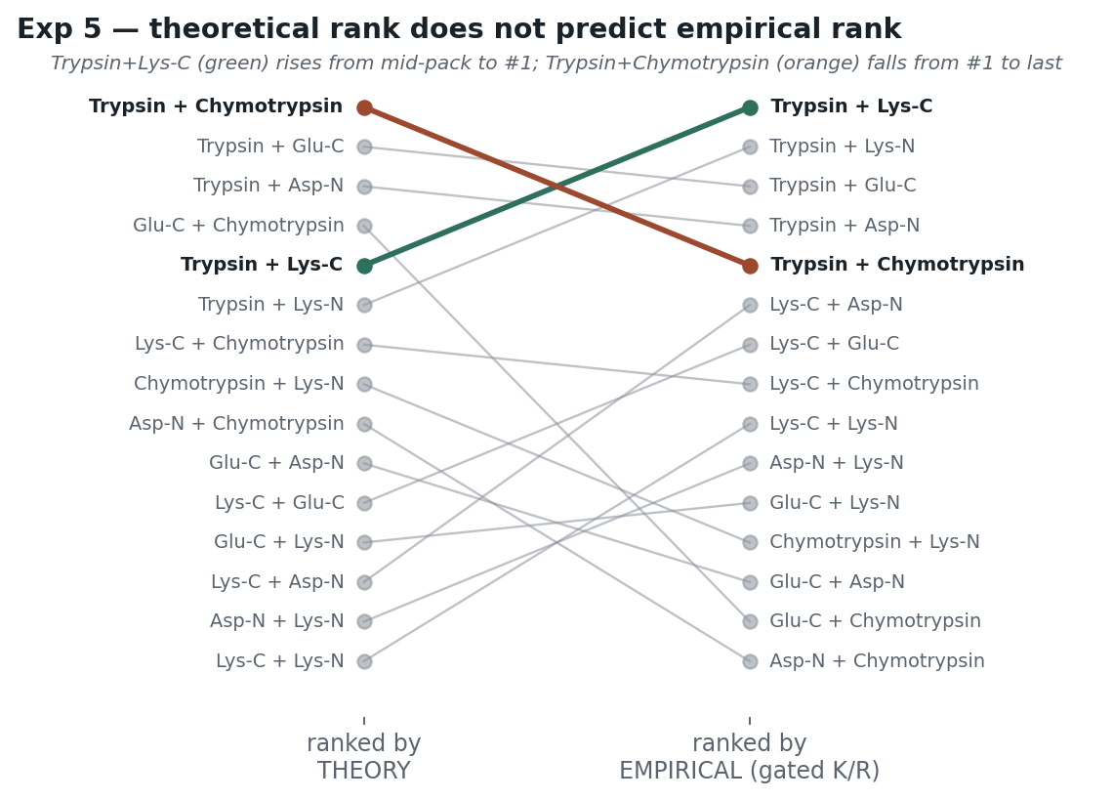
Experiment 5 — digestion-parameter fairness sweep
Coverage across 2 length windows × 4 missed-cleavage settings (8 conditions). Fairness test: do the parameters change the ranking? THEO_DET = theoretical detection; OBS_KR = empirically gated K/R-quantifiable. 'spread' = max−min across the 8 conditions.

Theoretical detection — 2-enzyme combinations
Combination | 52/2 | 52/3 | 52/4 | 52/5 | 60/2 | 60/3 | 60/4 | 60/5 | spread
Trypsin + Chymotrypsin | 98.1% | 98.1% | 98.2% | 98.2% | 98.7% | 98.7% | 98.7% | 98.7% | 0.6
Trypsin + Glu-C | 97.4% | 97.4% | 97.4% | 97.4% | 98.3% | 98.3% | 98.3% | 98.3% | 0.9
Trypsin + Asp-N | 96.9% | 97.0% | 97.0% | 97.0% | 98.0% | 98.0% | 98.0% | 98.0% | 1.1
Glu-C + Chymotrypsin | 96.6% | 96.7% | 96.7% | 96.7% | 97.8% | 97.8% | 97.8% | 97.8% | 1.2
Trypsin + Lys-N | 94.1% | 94.1% | 94.1% | 94.1% | 95.9% | 95.9% | 96.0% | 96.0% | 1.9
Trypsin + Lys-C | 94.0% | 94.1% | 94.1% | 94.1% | 95.9% | 95.9% | 95.9% | 95.9% | 1.9
Lys-C + Chymotrypsin | 93.8% | 93.8% | 93.8% | 93.8% | 95.6% | 95.6% | 95.6% | 95.6% | 1.8
Chymotrypsin + Lys-N | 93.8% | 93.8% | 93.8% | 93.8% | 95.6% | 95.6% | 95.6% | 95.6% | 1.8
Asp-N + Chymotrypsin | 93.3% | 93.3% | 93.3% | 93.3% | 95.4% | 95.4% | 95.4% | 95.4% | 2.1
Glu-C + Asp-N | 92.3% | 92.4% | 92.4% | 92.4% | 94.7% | 94.7% | 94.7% | 94.7% | 2.4
Lys-C + Glu-C | 91.8% | 91.9% | 91.9% | 91.9% | 94.2% | 94.2% | 94.3% | 94.3% | 2.5
Glu-C + Lys-N | 91.8% | 91.9% | 91.9% | 91.9% | 94.2% | 94.3% | 94.3% | 94.3% | 2.5
Lys-C + Asp-N | 89.3% | 89.4% | 89.4% | 89.4% | 92.5% | 92.5% | 92.5% | 92.5% | 3.2
Asp-N + Lys-N | 89.4% | 89.4% | 89.4% | 89.4% | 92.5% | 92.5% | 92.5% | 92.5% | 3.1
Lys-C + Lys-N | 71.0% | 71.1% | 71.1% | 71.1% | 76.1% | 76.1% | 76.1% | 76.1% | 5.1

Empirically gated K/R-quantifiable — 2-enzyme combinations
Combination | 52/2 | 52/3 | 52/4 | 52/5 | 60/2 | 60/3 | 60/4 | 60/5 | spread
Trypsin + Lys-C | 36.1% | 36.1% | 36.1% | 36.1% | 36.1% | 36.1% | 36.1% | 36.1% | 0.0
Trypsin + Lys-N | 35.4% | 35.5% | 35.5% | 35.5% | 35.4% | 35.5% | 35.5% | 35.5% | 0.1
Trypsin + Glu-C | 35.2% | 35.3% | 35.4% | 35.4% | 35.2% | 35.3% | 35.4% | 35.4% | 0.2
Trypsin + Asp-N | 35.2% | 35.2% | 35.3% | 35.3% | 35.2% | 35.2% | 35.3% | 35.3% | 0.1
Trypsin + Chymotrypsin | 33.9% | 33.9% | 33.9% | 33.9% | 33.9% | 33.9% | 33.9% | 33.9% | 0.0
Lys-C + Glu-C | 25.4% | 25.6% | 25.7% | 25.7% | 25.4% | 25.6% | 25.7% | 25.7% | 0.3
Lys-C + Asp-N | 25.5% | 25.6% | 25.6% | 25.6% | 25.5% | 25.6% | 25.6% | 25.6% | 0.1
Lys-C + Chymotrypsin | 23.7% | 23.8% | 23.8% | 23.8% | 23.7% | 23.8% | 23.8% | 23.8% | 0.1
Lys-C + Lys-N | 23.1% | 23.2% | 23.2% | 23.2% | 23.1% | 23.2% | 23.2% | 23.2% | 0.1
Glu-C + Lys-N | 21.7% | 21.9% | 22.0% | 22.0% | 21.7% | 21.9% | 22.0% | 22.0% | 0.3
Asp-N + Lys-N | 21.8% | 21.9% | 22.0% | 22.0% | 21.8% | 21.9% | 22.0% | 22.0% | 0.2
Chymotrypsin + Lys-N | 19.9% | 20.0% | 20.0% | 20.0% | 19.9% | 20.0% | 20.0% | 20.0% | 0.1
Glu-C + Asp-N | 18.7% | 19.1% | 19.2% | 19.2% | 18.7% | 19.1% | 19.2% | 19.2% | 0.5
Glu-C + Chymotrypsin | 16.6% | 17.0% | 17.1% | 17.1% | 16.6% | 17.0% | 17.1% | 17.1% | 0.5
Asp-N + Chymotrypsin | 16.4% | 16.5% | 16.5% | 16.5% | 16.4% | 16.5% | 16.5% | 16.5% | 0.1

Verdict: widening the window helps non-tryptic enzymes theoretically (Asp-N spread 6.3 vs trypsin 2.2), but once GATED the parameters barely matter (all spreads ≤0.5) — you're limited by the instrument, not the digest model. Missed cleavages >2 do essentially nothing. Trypsin+Chymotrypsin is last under gating at ALL 8 conditions → confirms its collapse is real, not a window artifact.

6 Trypsin+LysC+X
Experiment 6 — Trypsin + Lys-C + one more
Which third enzyme to add. Values are the mean across the 8 digestion conditions (spread was ≤0.2 throughout, so a single figure suffices).

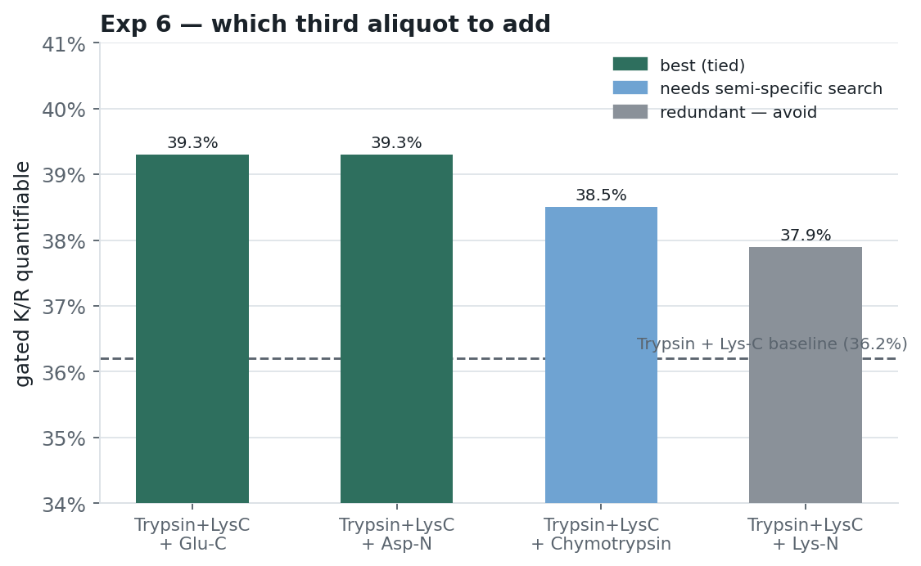
Total coverage
Combination | Theoretical | Gated | Verdict
Trypsin | 95.4% | 31.8% | baseline
Trypsin + Lys-C | 95.9% | 36.2% | recommended core
+ Asp-N | 98.2% | 39.3% | best 3rd (tie)
+ Glu-C | 98.4% | 39.3% | best 3rd (tie)
+ Chymotrypsin | 98.9% | 38.5% | needs semi-specific search
+ Lys-N | 96.0% | 37.9% | redundant with Lys-C — avoid
All six | 99.6% | 43.6% | diminishing returns

Lys-N adds only +0.1 theoretical over Trypsin+Lys-C (both cut at K, opposite sides). Asp-N and Glu-C tie for best gated coverage; chymotrypsin leads theoretically but its gain is conditional on search strategy.

7 Label screen
Experiment 7 — SILAC label screen (K+R vs L vs combinations)
Direct localization on Trypsin + Lys-C + Glu-C. Quantifiable coverage at variable-mod caps of 3/5/8 and UNCAPPED. UNCAPPED is the operative model for channel-based DIA (Spectronaut plex / MSFragger-DIA / DIA-NN): the heavy label is a fixed per-channel offset, not a combinatorial variable mod — so no per-peptide cap applies.

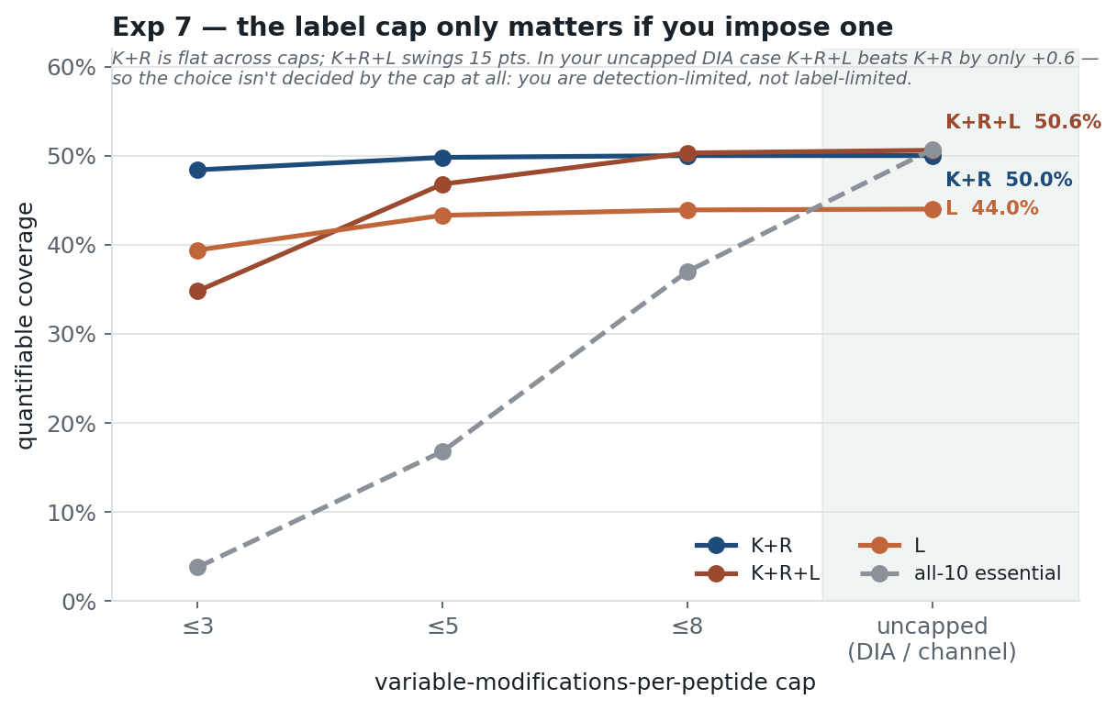
Label | cap ≤3 | cap ≤5 | cap ≤8 | UNCAPPED (DIA) | vs K+R uncapped
all-10 essential | 3.8% | 16.8% | 37.0% | 50.7% | +0.7
K+R+L | 34.8% | 46.8% | 50.3% | 50.6% | +0.6
K+R+F | 45.8% | 49.7% | 50.3% | 50.3% | +0.3
K+R | 48.4% | 49.8% | 50.0% | 50.0% | +0.0
L | 39.4% | 43.3% | 43.9% | 44.0% | -6.0
K | 38.2% | 38.5% | 38.5% | 38.5% | -11.5
R | 35.9% | 36.2% | 36.2% | 36.2% | -13.8

K+R WINS — and the reason is cap-independent. UNCAPPED (your DIA case): K+R = 50.0%, K+R+L = 50.6% — a +0.6 gain for a THIRD heavy amino acid (more media cost, another metabolic pool, added Arg→Pro-type risk). You are DETECTION-limited, not label-limited: once a peptide is observed and holds ≥1 K/R (~96% of covered residues), extra labels reach no new sequence. K+R+L is highlighted amber because it is not harmful, just not worth it. Note K+R's stability across caps (48.4→49.8→50.0→50.0) vs K+R+L's swing (34.8→46.8→50.3→50.6).

