Bug Reports
Bug ID | Title | Module | Steps to Reproduce | Expected Result | Actual Result | Severity/priority | Status | Screenshot
BUG_01 | Date of Birth field accepts future dates | PIM | 1. Navigate to Personal Details tab 2. Set Date of Birth to a future date (e.g. December 2026) 3. Click Save | System should reject a Date of Birth later than the current date, since a birthdate cannot be in the future | Future date was accepted and saved without any validation error | Medium | Fail | 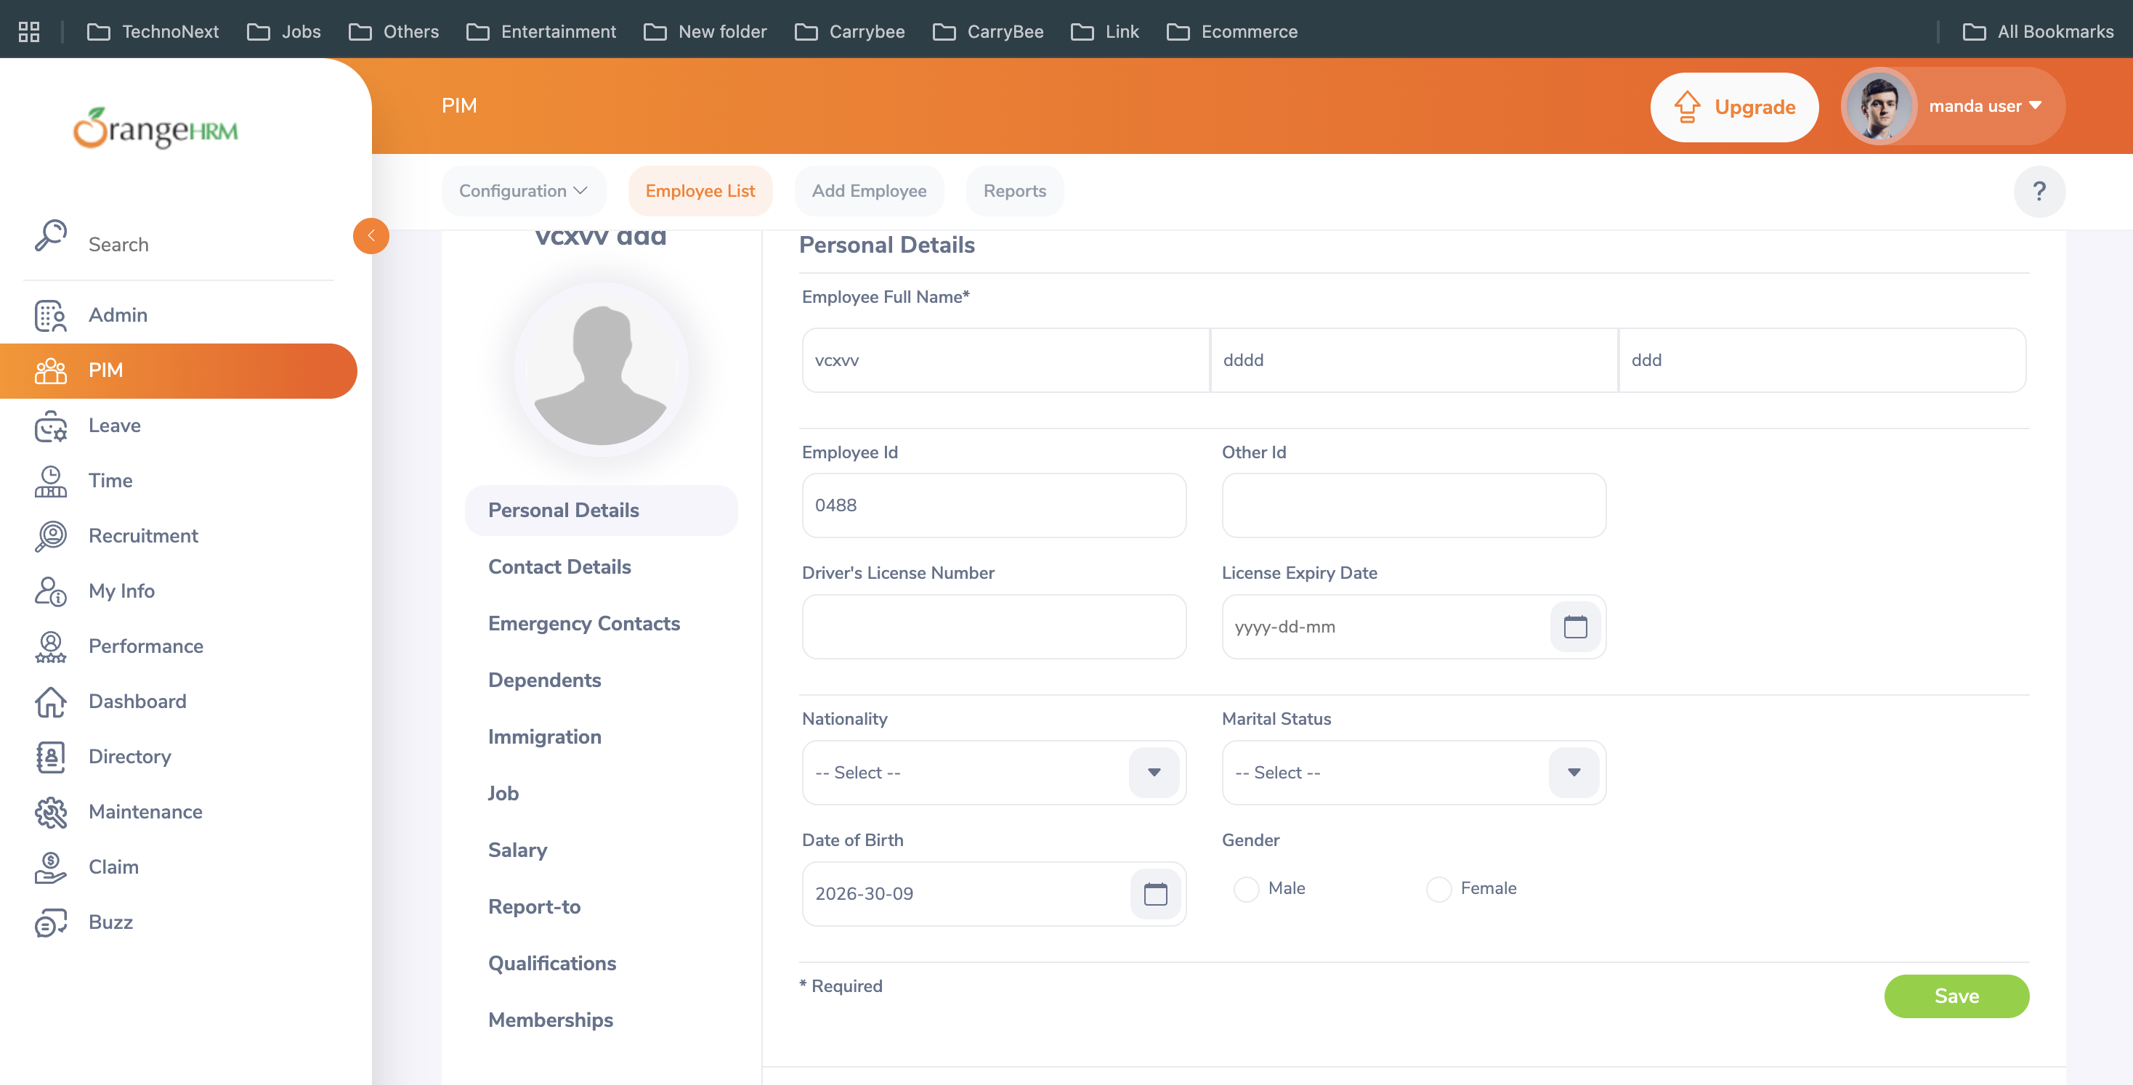
BUG_02 | Employee First Name and Last Name fields accept purely numeric values | PIM | 1. Enter "12345" in First Name 2. Enter "9999" in Last Name 3. Click Save | Name fields should reject purely numeric input and require alphabetic characters | Employee saved successfully with First Name "12345" and Last Name "9999"; no validation error shown | Medium | Fail | 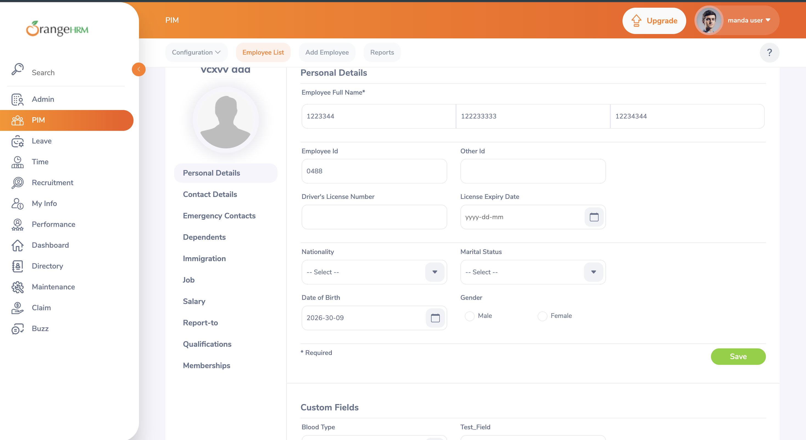
BUG_03 | Emergency Contact Name and Relationship fields accept purely numeric values | PIM | 1. Click Add under Assigned Emergency Contacts 2. Enter "12345" in Name field 3. Enter "9999" in Relationship field 4. Enter a valid Home Telephone number 5. Click Save | Name and Relationship fields should reject purely numeric input | Emergency contact saved successfully with Name "12345" and Relationship "9999"; no validation error shown | Low | Fail | 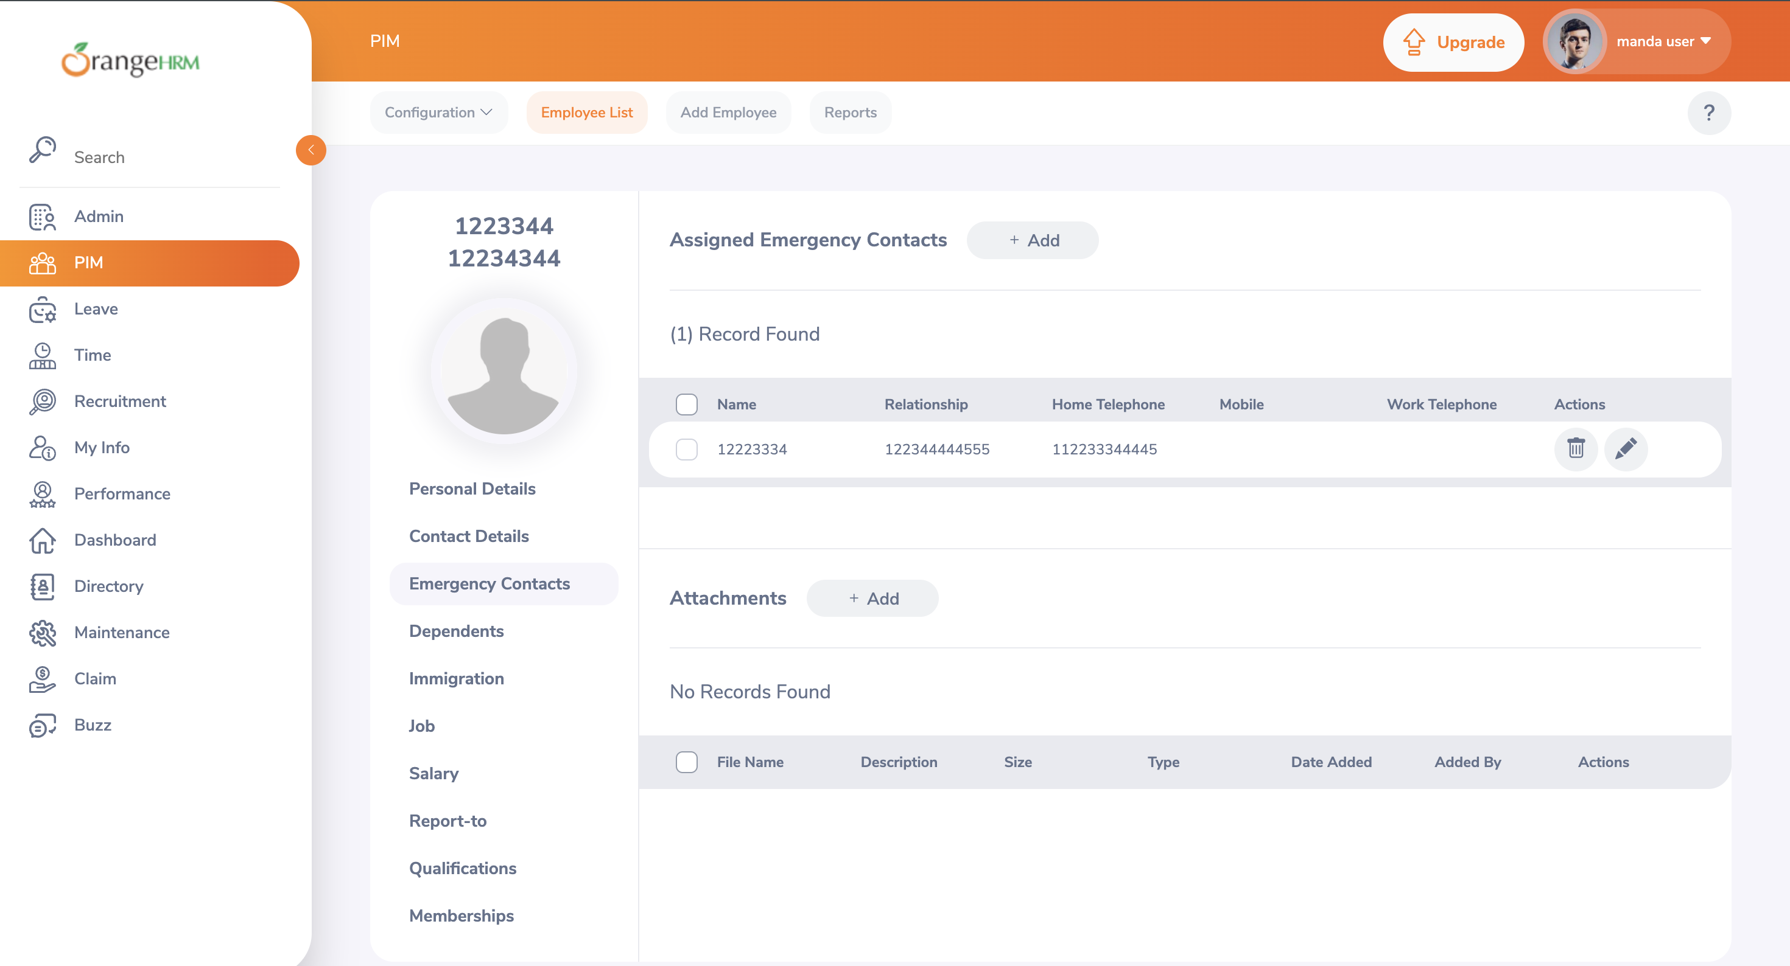
BUG_04 | Attempt to delete the currently logged-in Admin user's account | Admin | 1. Locate the row Status: Enabled 2. Click the delete action for that row 3. Confirm deletion if prompted | System should either block deletion of the currently logged-in user, or show a stronger warning before deleting any Enabled/active account | The Enabled (active) user account was deleted immediately on confirmation — the system neither blocked the action nor showed any additional warning for an active/currently logged-in account, and the row disappeared from the Users list. | High | Fail | 