pagerank 1
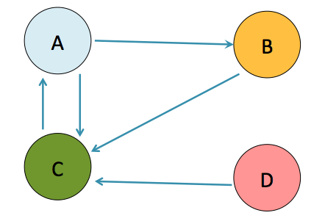
 |  |  |  |  |  | A | B | C
 |  |  |  |  |  | B | C
 |  |  |  |  |  | C | A
 |  |  |  |  |  | D | C

 | beta | N
 | 0.85 | 4 | 0.0375

A | B | C | D | Sum
25% | 25% | 25% | 25% | 100% | 0
25% | 14% | 57% | 4% | 100% | 1
52% | 14% | 30% | 4% | 100% | 2
29% | 26% | 41% | 4% | 100% | 3
39% | 16% | 41% | 4% | 100% | 4
39% | 20% | 37% | 4% | 100% | 5
35% | 20% | 41% | 4% | 100% | 6
38% | 19% | 39% | 4% | 100% | 7
37% | 20% | 39% | 4% | 100% | 8
37% | 19% | 40% | 4% | 100% | 9
38% | 19% | 39% | 4% | 100% | 10
37% | 20% | 39% | 4% | 100% | 11
37% | 20% | 39% | 4% | 100% | 12
37% | 20% | 39% | 4% | 100% | 13
37% | 20% | 39% | 4% | 100% | 14
37% | 20% | 39% | 4% | 100% | 15
37% | 20% | 39% | 4% | 100% | 16
37% | 20% | 39% | 4% | 100% | 17
37% | 20% | 39% | 4% | 100% | 18
37% | 20% | 39% | 4% | 100% | 19
37% | 20% | 39% | 4% | 100% | 20
37% | 20% | 39% | 4% | 100% | 21
37% | 20% | 39% | 4% | 100% | 22
37% | 20% | 39% | 4% | 100% | 23
37% | 20% | 39% | 4% | 100% | 24
37% | 20% | 39% | 4% | 100% | 25

pagerank 2
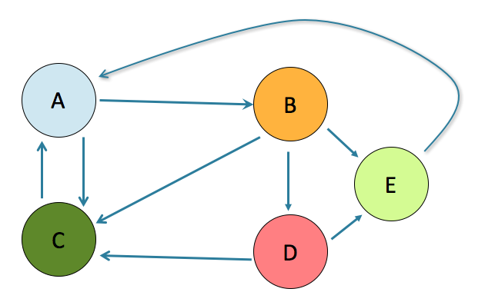
 |  |  |  |  |  |  | A | C | B
 |  |  |  |  |  |  | B | E | D | C
 |  |  |  |  |  |  | C | A
 |  |  |  |  |  |  | D | C | E
 |  |  |  |  |  |  | E | A

 | beta | N
 | 0.85 | 5

A | B | C | D | E | Total
20% | 20% | 20% | 20% | 20% | 100% | 0
37% | 12% | 26% | 9% | 17% | 100% | 1
39% | 19% | 26% | 6% | 10% | 100% | 2
33% | 20% | 28% | 8% | 11% | 100% | 3
36% | 17% | 26% | 9% | 12% | 100% | 4
36% | 18% | 27% | 8% | 12% | 100% | 5
36% | 18% | 27% | 8% | 12% | 100% | 6
35% | 18% | 27% | 8% | 12% | 100% | 7
36% | 18% | 27% | 8% | 12% | 100% | 8
36% | 18% | 27% | 8% | 12% | 100% | 9
36% | 18% | 27% | 8% | 12% | 100% | 10
36% | 18% | 27% | 8% | 12% | 100% | 11
36% | 18% | 27% | 8% | 12% | 100% | 12
36% | 18% | 27% | 8% | 12% | 100% | 13
36% | 18% | 27% | 8% | 12% | 100% | 14
36% | 18% | 27% | 8% | 12% | 100% | 15
36% | 18% | 27% | 8% | 12% | 100% | 16
36% | 18% | 27% | 8% | 12% | 100% | 17
36% | 18% | 27% | 8% | 12% | 100% | 18
36% | 18% | 27% | 8% | 12% | 100% | 19
36% | 18% | 27% | 8% | 12% | 100% | 20
36% | 18% | 27% | 8% | 12% | 100% | 21
36% | 18% | 27% | 8% | 12% | 100% | 22
36% | 18% | 27% | 8% | 12% | 100% | 23
36% | 18% | 27% | 8% | 12% | 100% | 24
36% | 18% | 27% | 8% | 12% | 100% | 25

