STORAGE - SHUTTER
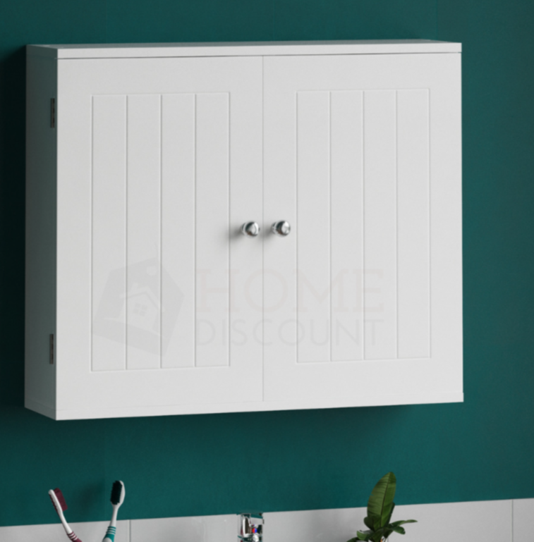
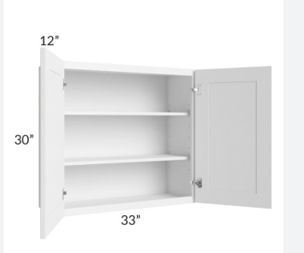
 | STORAGE - SHUTTER
 | Nos(cove) | 1 |  |  | Shelves (horizontal) |  | 0 |  |  | wall cabinet- 700X600X300MM
 | Length ( Meters) | 0.6 | M |  | Partition (vertical) |  | 0
 | Height (Meters) | 0.2 | M |  | Shutters |  | 0
 | Depth (Meters) | 0.45 | M |  | Internal drawers |  | 1
 | Base Material | PLY MR - 18mm | SFT |  | 0.60 | 1.80 | 0.43
 | Secondary Material | MDF - 5.5mm |  |  | Additional
 | Internal Finish | 0.8mm Off white laminate |  |  | Jaali-6mm MDF+DUCO
 | External Finish | SF Laminate
 | Hinges | Hettich -Soft |  |  | Area(SFT) |  | 2
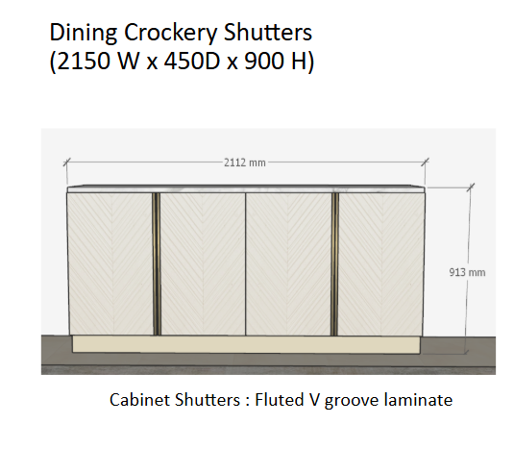
 | Drawer Channel | EBCO - 300mm-Normal |  |  | Rate/Sft. |  | 4926
 | Low Value | Yes |  |  | Amount |  | 9852
 |  |  |  |  |  |  | 8
 | Actual Material usage post wastage |  |  |  | Absolute Pending material post wastage
 | SFT | NOs |  |  | SFT |  | NOs
Base Material | 54 | 1.68 |  |  | 32 |  | 1.00
Secondary Material | 4 | 0.14 |  |  | 32 |  | 1.00
Internal Finish | 94 | 2.93 |  |  | 32 |  | 1.00 |  |  |  | MATERIAL CALCULATION
External Finish | 23 | 0.71 |  |  |  |  |  |  |  |  | Area | NOS | LENGTH | HEIGHT | DEPTH |  | SHELVES | PARTITION | DRAWERS | SHUTTERS
 |  |  |  |  |  |  |  |  |  |  |  | 1 | 0.6 | 0.2 | 0.45 |  | 0 | 0 | 1 | 0
BILL OF MATERIALS (Per Unit) |  |  |  |  |  |  |  |  |  |  |  |  |  |  |  |  |  | 0.60 | 1.80 | 0.43
Sl NO | CATEGORY | ITEM | UOM | QUANTITY | RATE | AMOUNT |  | SFT | NOs |  |  | Nos | L | H | D | Quantity | BM | SM
1 | Base Material | PLY MR - 18mm | NOS | 1.68 | 2336 | 3931 |  | 54 | 1.68 |  | BASE MATERIAL
2 | Secondary Material | Blockboard -19mm | NOS | 0.14 | 3,450 | 483 |  | 4 | 0.14 |  | Front/Shutter&Back | 2 | 0.60 | 0.20 | 0.00 | 0.2 | 0 | 0
3 | Internal Finish | 0.8mm Off white laminate | NOS | 2.93 | 750 | 2201 |  | 94 | 2.93 |  | Sides | 2 | 0.00 | 0.20 | 0.45 | 0.2 | 0.2 | 0
4 | internal Polish " | NA | NOS | 85 |  | 0 |  |  |  |  | Top/Bottom | 2 | 0.60 | 0.00 | 0.45 | 0.5 | 0.5 | 0
5 | External Finish | SF Laminate | NOS | 0.71 | 1500 | 1066 |  |  |  |  | Partition | 0 | 0.00 | 0.20 | 0.45 | 0.0 | 0.0 | 0 |  |  | BILL OF MATERIALS (Per Unit)
6 | External Polish | NA | NOS | 21 |  | 0 |  |  |  |  | shelves | 0 | 0.60 | 0.00 | 0.45 | 0.0 | 0.0 | 0
7 | Adhessive | Fevicol (SH+SR) | KG | 0.14 | 245 | 34 |  |  |  |  | Drawers | 1 | 0.60 | 1.80 | 0.43
8 | Handle /Knob | Handle | NOS | 1 | 200 | 200 |  |  |  |  | Base | 1 | 0.60 | 0.00 | 0.43 | 0.3 | 0.0 | 0.3
9 | Hinges | Hettich -Soft | PAIRS | 0 | 330 | 0 |  |  |  |  | Sides(R/L) | 2 | 0.00 | 1.80 | 0.43 | 1.5 | 1.5 | 0
10 | Channels for drawers | EBCO - 200mm-Normal | PAIRS | 1 | 149 | 149 |  |  |  |  | Sides(F/B) | 2 | 0.60 | 1.80 | 0.00 | 2.2 | 2.2 | 0
11 | lock | Epco Locks | NOS | 0 | 174 | 0 |  |  |  |  |  |  |  | Total(SQM) |  | 4.9 | 4.5 | 0.4
12 | Nails | Nails | KG | 0.3 | 80 | 24 |  |  |  |  |  |  |  | Total(SFT) |  | 53 | 49 | 4
13 | jaali | Jaali-18mm MDF+DUCO | SFT | 0 | 880 | 0
14 | Additional | Melamine | SFT | 0 | 120 | 0 |  |  |  |  | FINISHING MATERIAL
15 |  | 5mm Mirror | SFT | 0 | 150 | 0 |  |  |  |  | INTERNAL FINISH
16 | Miscellaneous item | 2.50% | LS | 1 | 202 | 202 |  |  |  |  | Front/Shutter &Back | 3 | 0.60 | 0.20 | 0.00 | 0.4
17 | Labour | Storage | SFT | 2 | 280 /sft | 560 |  |  |  |  | Sides | 2 | 0.00 | 0.20 | 0.45 | 0.2
18 | Transportation |  |  |  | 3% | 221 |  |  |  |  | Top/Bottom | 2 | 0.60 | 0.00 | 0.45 | 0.5
Total (COGS) |  |  |  |  |  | 5140 | 2570 | /sft |  |  | Partition | 0 | 0.00 | 0.20 | 0.45 | 0.0
Vendor Price |  |  |  |  | 15% | 5911 | 2956 | /sft |  |  | shelves | 0 | 0.60 | 0.00 | 0.45 | 0.0
HL Price price |  |  |  |  | 40% | 9852 | 4926 | /sft |  |  | Drawers | 1 | 0.60 | 1.80 | 0.43
 |  |  |  |  |  |  |  |  |  |  | Base | 2 | 0.60 | 0.00 | 0.43 | 0.5
 |  |  |  |  |  |  |  |  |  |  | Sides(R/L) | 4 | 0.00 | 1.80 | 0.43 | 3.1
 |  |  |  |  |  |  |  |  |  |  | Sides(F/B) | 3 | 0.60 | 1.80 | 0.00 | 3.2
 |  |  |  |  |  |  |  |  |  |  |  |  |  |  |  | 8 | SQM
 |  |  |  |  |  |  |  |  |  |  |  |  |  | Total |  | 85 | SFT
 |  |  |  |  |  |  |  |  |  |  | External FINISH
 |  |  |  |  |  |  |  |  |  |  | Front/Shutter &Back | 1 | 0.60 | 0.20 | 0.00 | 0.1 |  | 0
 |  |  |  |  |  |  |  |  |  |  | Sides | 2 | 0.00 | 0.20 | 0.45 | 0.2 |  | 0.18
 |  |  |  |  |  |  |  |  |  |  | Top/Bottom | 2 | 0.60 | 0.00 | 0.45 | 0.5 |  | 0.54
 |  |  |  |  |  |  |  |  |  |  | Partition | 0 | 0.00 | 0.20 | 0.45 | 0.0 |  | 0
 |  |  |  |  |  |  |  |  |  |  | shelves | 0 | 0.60 | 0.00 | 0.45 | 0.0 |  | 0
 |  |  |  |  |  |  |  |  |  |  | Drawers | 1 | 0.60 | 1.80 | 0.43
 |  |  |  |  |  |  |  |  |  |  | Base | 0 | 0.60 | 0.00 | 0.43 | 0.0 |  | 0
 |  |  |  |  |  |  |  |  |  |  | Sides(R/L) | 0 | 0.00 | 1.80 | 0.43 | 0.0 |  | 0
 |  |  |  |  |  |  |  |  |  |  | Sides(F/B) | 1 | 0.60 | 1.80 | 0.00 | 1.1 |  | 1
 |  |  |  |  |  |  |  |  |  |  |  |  |  |  |  | 2 | SQM | 2 | SQM
 |  |  |  |  |  |  |  |  |  |  |  |  |  | Total |  | 21 | SFT | 21 | SFT

 |  |  |  |  |  |  |  |  |  |  | Material |  | Area (Sft) | Area (inc 10% wastage) | Panel (nos) | Panel (optimized)
 |  |  |  |  |  |  |  |  |  |  | Base Material |  | 49 | 54 | 1.7 | 2.0
 |  |  |  |  |  |  |  |  |  |  | Secondary Material |  | 4 | 4 | 0.1 | 1.0
 |  |  |  |  |  |  |  |  |  |  | Internal Finish |  | 85 | 94 | 2.9 | 3.0
 |  |  |  |  |  |  |  |  |  |  | internal Polish " |  | 85 | 85 | - | -
 |  |  |  |  |  |  |  |  |  |  | External Finish |  | 21 | 23 | 0.7 | 1.0
 |  |  |  |  |  |  |  |  |  |  | External Polish |  | 21 | 21 | - | -

STORAGE - OPEN
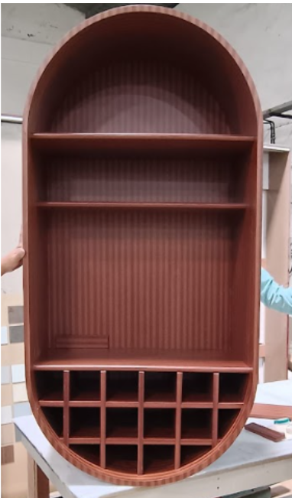
 | STORAGE - OPEN
 | Nos(cove) | 1 |  |  | Shelves (horizontal) |  | 5 |  |  | Open unit- 500X600X300MM
 | Length ( Meters) | 0.75 | M |  | Partition (vertical) |  | 2
 | Height (Meters) | 1.5 | M
 | Depth (Meters) | 0.45 | M |  | Area(SFT) |  | 13
 | Base Material | MDF - 17mm |  |  | Rate/Sft. |  | 1779
 | Secondary Material | MDF - 17mm |  |  | Amount |  | 23125
 | Finish | HGL Laminate
 | Low Value | Yes

 | Actual Material usage post wastage |  |  |  | Absolute Pending material post wastage
 | SFT | NOs |  |  | SFT |  | NOs
Base Material | 60 | 1.87 |  |  | 32 |  | 1.00
Secondary Material | 13 | 0.42 |  |  | 32 |  | 1.00
Finish | 147 | 4.58 |  |  | 32 |  | 1.00
 |  |  |  |  |  |  |  |  |  |  | MATERIAL CALCULATION
 |  |  |  |  |  |  |  |  |  |  | Area | NOS | LENGTH | HEIGHT | DEPTH |  | SHELVES | PARTITION
BILL OF MATERIALS (Per Unit) |  |  |  |  |  |  |  |  |  |  | 13 | 1 | 0.75 | 1.5 | 0.45 |  | 5 | 2
Sl NO | CATEGORY | ITEM | UOM | QUANTITY | RATE | AMOUNT |  | SFT | NOs |  |  | Nos | L | H | D | Quantity | BM | SM
1 | BASE MATERIAL | ply MR - 12mm | NOS | 3 | 1568 | 4704 |  | 73 | 2.29 |  | BASE MATERIAL
2 | Secondary Material | Flexiply - 8mm | NOS | 0.42 | 2,496 | 1039 |  | 147 | 4.58 |  | Back | 1 | 0.75 | 1.50 | 0.00 | 1.1 | - | 1
3 | Finish | HGL Laminate | NOS | 4.58 | 1830 | 8379 |  |  |  |  | Sides | 2 | 0.00 | 1.50 | 0.45 | 1.4 | 1.4 | 0
2 | internal Polish " | NA | NOS | 133 |  | 0 |  |  |  |  | Top/Bottom | 2 | 0.75 | 0.00 | 0.45 | 0.7 | 0.7 | 0
3 | Fevicol (SH+SR) |  | KG | 3 | 250 | 750 |  |  |  |  | Partition | 2 | 0.00 | 1.50 | 0.45 | 1.4 | 1.4 | 0 | BILL OF MATERIALS (Per Unit)
4 | Nails | Nails | KG | 1.95 | 80 | 156 |  |  |  |  | shelves | 5 | 0.75 | 0.00 | 0.45 | 1.7 | 1.7 | 0
5 | jaali | Jaali-18mm MDF+DUCO | SFT | 0 | 880 | 0 |  |  |  |  |  |  |  | Total(Sqm) |  | 6.2 | 5.1 | 1.1
6 | Additional | Melamine | SFT | 0 | 120 | 0 |  |  |  |  |  |  |  | Total(SFT) |  | 67 | 54 | 12
7 |  | 5mm Clear Glass | SFT | 0 | 93 | 0
8 | Miscellaneous item | 2.50% | LS | 1 | 353.059767 | 353
9 | Labour | storage | SFT | 13 | 290 | 3770 |  |  |  |  | FINISHING MATERIAL
10 | Transportation |  |  |  | 5% | 958
Total (COGS) |  |  |  |  |  | 20109 | 1547 | /sft |  |  | Back | 2 | 0.75 | 1.50 | 0.00 | 2.3
Vendor Price |  |  |  |  | 15% | 23125 | 1779 | /sft |  |  | Sides | 4 | 0.00 | 1.50 | 0.45 | 2.7
HL Price price |  |  |  |  | 40% | 38543 | 2965 | /sft |  |  | Top/Bottom | 4 | 0.75 | 0.00 | 0.45 | 1.4
 |  |  |  |  |  |  |  |  |  |  | Partition | 4 | 0.00 | 1.50 | 0.45 | 2.7
 |  |  |  |  |  |  |  |  |  |  | shelves | 10 | 0.75 | 0.00 | 0.45 | 3.4
 |  |  |  |  |  |  |  |  |  |  |  |  |  |  |  | 12.4 | SQM
 |  |  |  |  |  |  |  |  |  |  |  |  |  | Total |  | 133 | SFT

 |  |  |  |  |  |  |  |  |  |  | Material |  | Area (Sft) | Area (inc 10% wastage) | Panel (nos) | Panel (optimized)
 |  |  |  |  |  |  |  |  |  |  | Base Material |  | 54 | 60 | 1.9 | 1.9
 |  |  |  |  |  |  |  |  |  |  | Secondary Material |  | 12 | 13 | 0.4 | 0.4
 |  |  |  |  |  |  |  |  |  |  | Finish |  | 133 | 147 | 4.6 | 4.6
 |  |  |  |  |  |  |  |  |  |  | Polish " |  | 133 | 133 | - | -

