Sheet1
판매순위 | 제품소개 | 가격 | 상품평 수 | 평점
#1 | 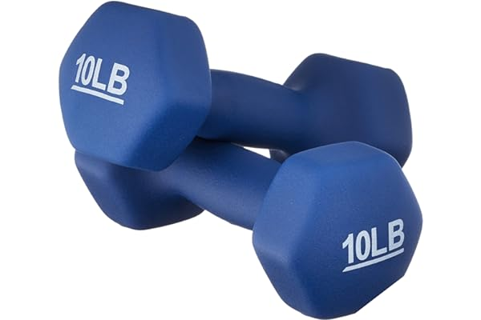 Amazon Basics Easy Grip Workout Dumbbell, Neoprene Coated, Various Sets and Weights available | Nothing | 93,564 | 4.8 out of 5 stars
#2 | 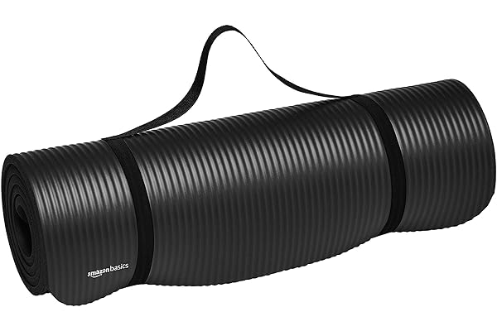 Amazon Basics 1/2-Inch Extra Thick Exercise Yoga Mat | Nothing | 76,508 | 4.6 out of 5 stars
#3 | 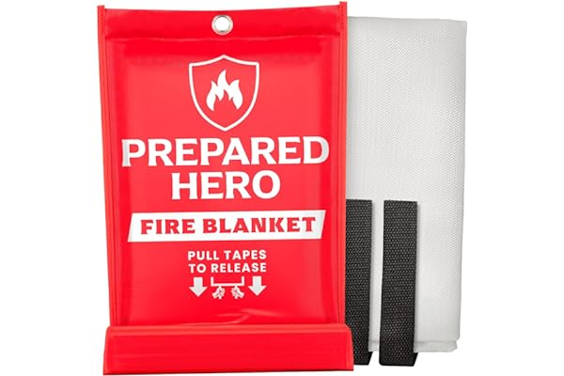 Prepared Hero Emergency Fire Blanket - 1 Pack - Fire Suppression Blanket for Kitchen, 40” x 40” Fire Blanket for Home, Fiberglass Fire Blanket | Nothing | 9,164 | 4.8 out of 5 stars
#4 | 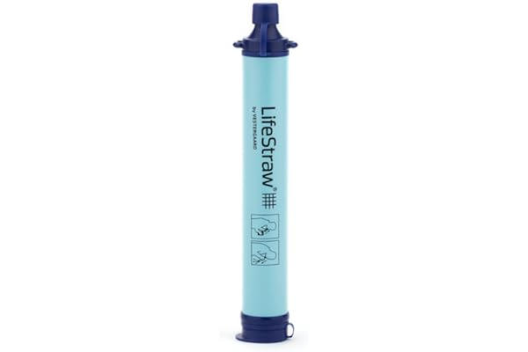 LifeStraw Personal Water Filter for Hiking, Camping, Travel, and Emergency Preparedness | $19.86 | 113,385 | 4.8 out of 5 stars
#5 | 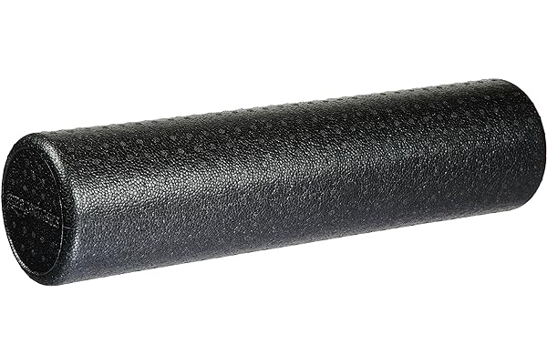 Amazon Basics High-Density Round Foam Roller for Exercise, Massage, Muscle Recovery | Nothing | 105,183 | 4.6 out of 5 stars
#6 | 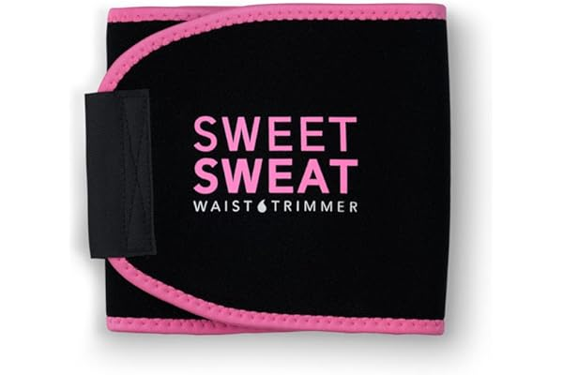 Sweet Sweat Waist Trimmer for Women and Men - Sweat Band Waist Trainer for High-Intensity Training & Workouts, 5 Sizes | Nothing | 185,225 | 4.7 out of 5 stars
#7 | 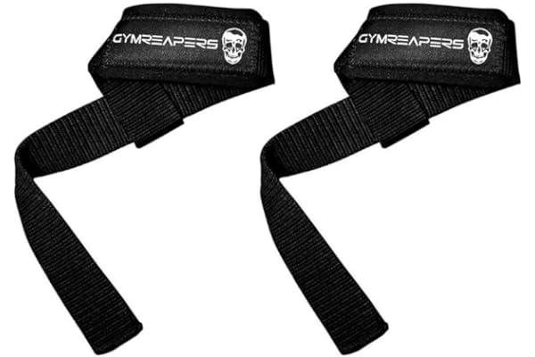 Gymreapers Lifting Wrist Straps for Weightlifting, Bodybuilding, Powerlifting, Strength Training, & Deadlifts - Padded Neoprene with 18 inch Cotton | Nothing | 18,625 | 4.7 out of 5 stars
#8 | 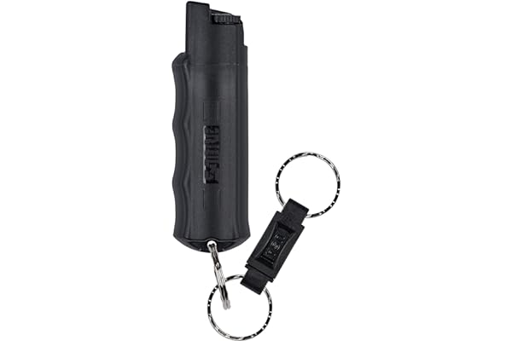 SABRE Pepper Spray, Quick Release Keychain for Easy Carry and Fast Access, Finger Grip for More Accurate and Faster Aim, Maximum Police Strength OC Spray, 0.54 oz, Secure and Easy to Use Safety | $9.99 | 105,447 | 4.7 out of 5 stars
#9 | 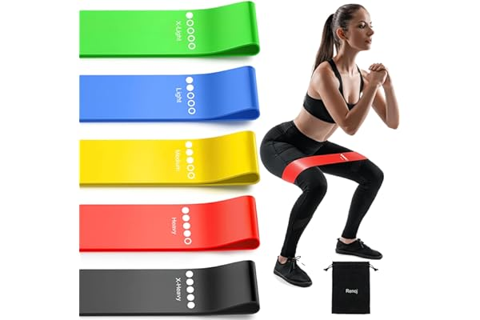 Resistance Bands, Exercise Workout Bands for Women and Men, 5 Set of Stretch Bands for Booty Legs, Pilates Flexbands | Nothing | 22,303 | 4.3 out of 5 stars
#10 | 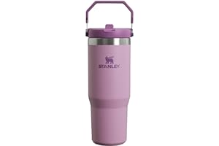 STANLEY IceFlow Stainless Steel Tumbler with Straw, Vacuum Insulated Water Bottle for Home, Office or Car, Reusable Cup with Straw Leak Resistant Flip | $35.88 | 26,093 | 4.6 out of 5 stars
#11 | 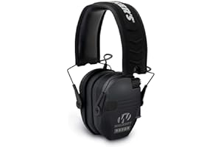 Walker's Razor Slim Earmuffs | $35.45 | 59,258 | 4.8 out of 5 stars
#12 | 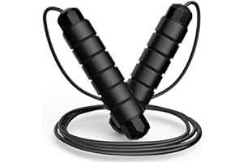 Jump Rope, Tangle-Free Rapid Speed Jumping Rope Cable with Ball Bearings for Women, Men, and Kids, Adjustable Steel Jump Rope Workout with Foam Handles for Fitness, Home Exercise & Slim Body | Nothing | 15,160 | 4.5 out of 5 stars
#13 | 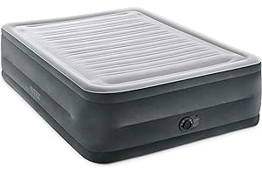 INTEX Dura-Beam Deluxe Comfort-Plush Luxury Air Mattress: Fiber-Tech Construction – Built-in Electric Pump – Dual-Layer Comfort Top – Velvety Sleeping Surface – Carry Bag Included | $55.29 | 49,176 | 4.4 out of 5 stars
#14 | 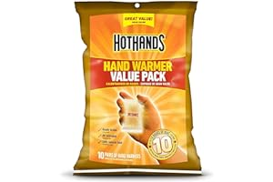 HotHands Hand Warmer Value Pack(10 Count) | Nothing | 12,290 | 4.8 out of 5 stars
#15 | 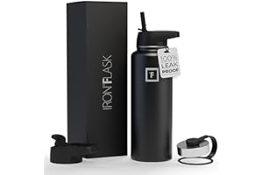 IRON FLASK Sports Water Bottle - 40 Oz 3 Lids (Straw Lid), Leak Proof - Stainless Steel Gym Bottles for Men, Women & Kids - Double Walled, Insulated Thermos - Valentines Day Gifts for Him or Her | Nothing | 134,685 | 4.8 out of 5 stars
#16 | 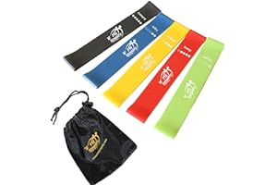 Fit Simplify Resistance Loop Exercise Bands with Instruction Guide and Carry Bag, Set of 5 | Nothing | 122,271 | 4.5 out of 5 stars
#17 | 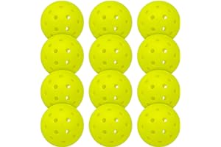 Franklin Sports Outdoor Pickleballs - X-40 Pickleball Balls - USA Pickleball (USAPA) Approved - Official US Open Ball - 3 Packs, 12 Packs, 36 Pickleball Buckets, 100 + 400 Bulk Packs of Pickleballs | Nothing | 17,515 | 4.7 out of 5 stars
#18 | 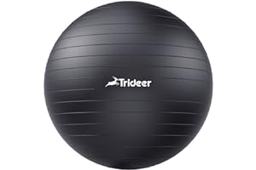 Trideer Yoga Ball Exercise Ball for Working Out, 5 Sizes Gym Ball, Birthing Ball for Pregnancy, Swiss Ball for Physical Therapy, Balance, Stability, Fitness, Office Ball Chair, Quick Pump Included | Nothing | 34,513 | 4.6 out of 5 stars
#19 | 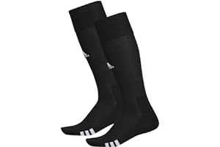 adidas Rivalry Soccer Socks (2-Pair) | $15.50 | 18,766 | 4.7 out of 5 stars
#20 | 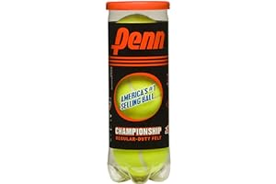 Penn Championship Tennis Balls - Regular Duty Felt Pressurized Tennis Balls | $4.17 | 4,807 | 4.8 out of 5 stars
#21 | 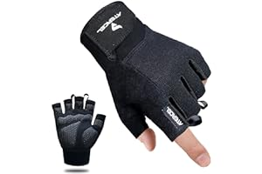 ATERCEL Workout Gloves for Men and Women, Exercise Gloves for Weight Lifting, Cycling, Gym, Training, Breathable and Snug fit | Nothing | 31,272 | 4.5 out of 5 stars
#22 | 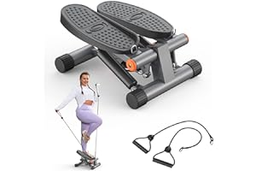 Niceday Steppers for Exercise, Stair Stepper with Resistance Bands, Mini Stepper with 300LBS Loading Capacity, Hydraulic Fitness Stepper with LCD Monitor | Nothing | 4,612 | 4.5 out of 5 stars
#23 | 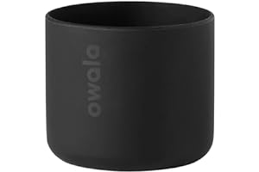 Owala Silicone Water Bottle Boot, Anti-Slip Protective Sleeve for Water Bottle, Protects FreeSip or Flip Stainless Steel Water Bottles, 24 Oz, Black | Nothing | 2,765 | 4.8 out of 5 stars
#24 | 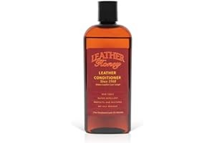 Leather Honey Leather Conditioner, the Best Leather Conditioner Since 1968, 8 Oz Bottle. For Use on Leather Apparel, Furniture, Auto Interiors, Shoes, Bags and Accessories. Non-Toxic and Made in the USA! | $19.79 | 56,152 | 4.5 out of 5 stars
#25 | 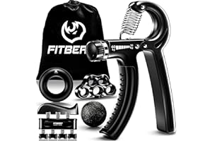 FitBeast Grip Strengthener Forearm Strengthener Hand Grips Strengthener Kit - 5 Pack Adjustable Resistance | $16.99 | 24,354 | 4.5 out of 5 stars
#26 | 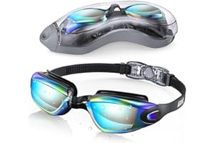 Aegend Swim Goggles, Swimming Goggles No Leaking Full Protection Adult Men Women Youth | $7.99 | 62,731 | 4.4 out of 5 stars
#27 | 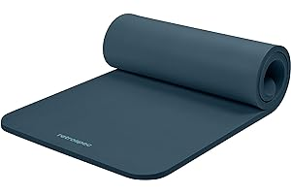 Retrospec Solana Yoga Mat 1" Thick w/Nylon Strap for Men & Women - Non Slip Exercise Mat for Home Yoga, Pilates, Stretching, Floor & Fitness Workouts | $26.92 | 7,728 | 4.6 out of 5 stars
#28 | 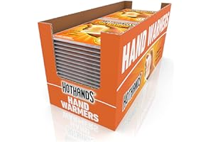 HotHands Hand Warmers - Long Lasting Safe Natural Odorless Air Activated Warmers - Up to 10 Hours of Heat - 40 Pair | Nothing | 47,469 | 4.8 out of 5 stars
#29 | 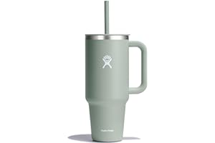 Hydro Flask All Around Travel Tumbler with Handle Stainless Steel Double-Wall Vacuum Insulated | Nothing | 3,029 | 4.7 out of 5 stars
#30 | 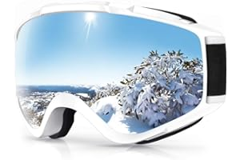 findway Ski Goggles OTG - Over Glasses Snow/Snowboard Goggles for Men, Women & Youth - 100% UV Protection | Nothing | 7,587 | 4.6 out of 5 stars
#51 | 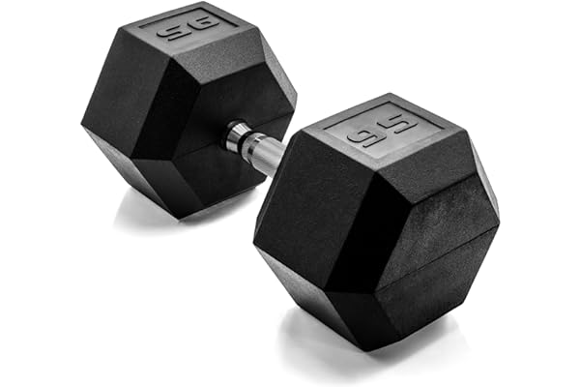 CAP Barbell Coated Hex Dumbbell Weight | Multiple Sizes | Nothing | 4,508 | 4.7 out of 5 stars
#52 | 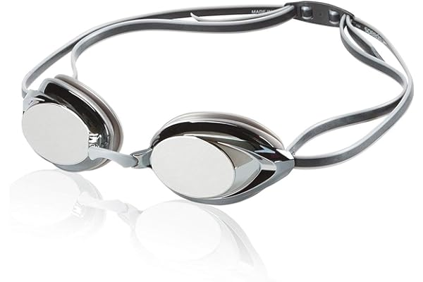 Speedo Unisex-Adult Swim Goggles Mirrored Vanquisher 2.0 | Nothing | 19,865 | 4.5 out of 5 stars
#53 | 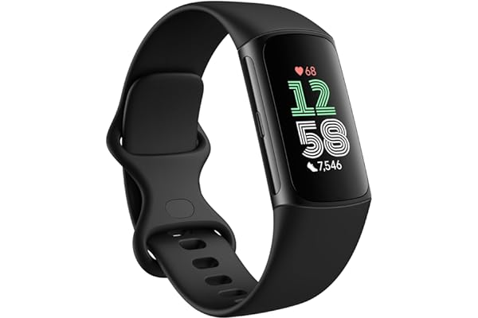 Fitbit Charge 6 Fitness Tracker with Google apps, Heart Rate on Exercise Equipment, 6-Months Premium Membership Included, GPS, Health Tools and More, Obsidian/Black, One Size (S & L Bands Included) | Nothing | 2,896 | 4.1 out of 5 stars
#54 | 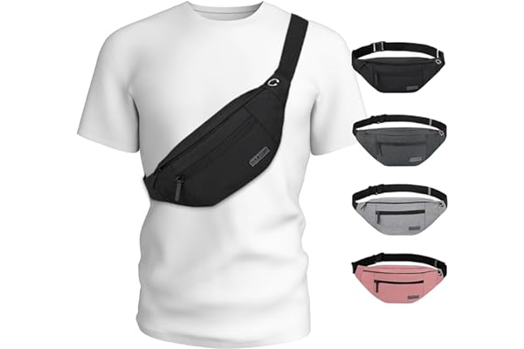 MAXTOP Large Crossbody Fanny Pack with 4-Zipper Pockets,Gifts for Enjoy Sports Festival Workout Traveling Running Casual Hands-Free Wallets Waist Pack Phone Bag Fits All Phones | Nothing | 45,843 | 4.6 out of 5 stars
#55 | 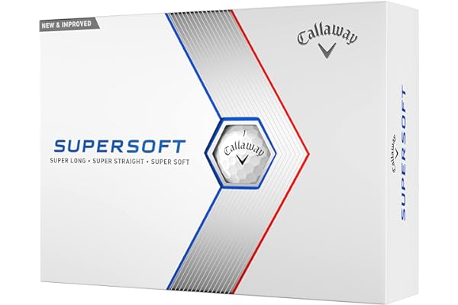 Callaway Golf 2023 Supersoft Golf Balls | $20.49 | 5,258 | 4.8 out of 5 stars
#56 | 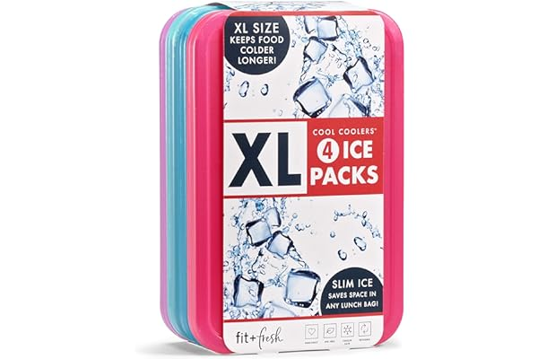 Cool Coolers by Fit & Fresh 4 Pack XL Slim Ice Packs, Quick Freeze Space Saving Reusable Ice Packs for Lunch Boxes or Coolers, Multi | $10.00 | 38,454 | 4.7 out of 5 stars
#57 | 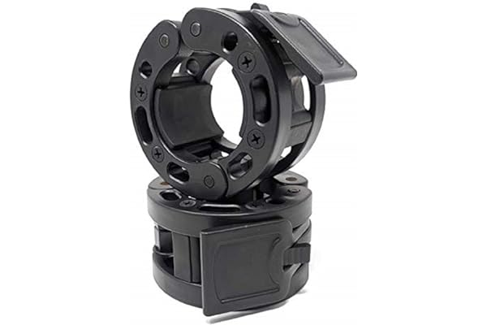 Clout Fitness Olympic Barbell Clamps Collars Quick Release Pair Weight Clips for 2 inch Barbell Black | Nothing | 11,804 | 4.7 out of 5 stars
#58 | 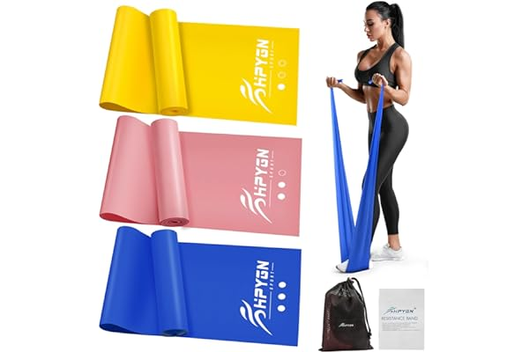 Resistance Bands, Exercise Bands, Physical Therapy Bands for Strength Training, Yoga, Pilates, Stretching, Stretch Elastic Band with Different Strengths, Workout Bands for Home Gym | $9.95 | 10,511 | 4.5 out of 5 stars
#59 | 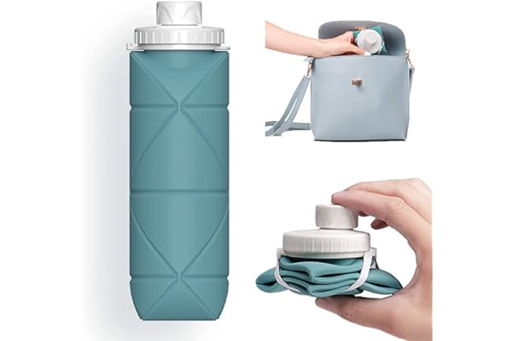 SPECIAL MADE Collapsible Water Bottles Cups Leakproof Valve Reusable BPA Free Silicone Foldable Travel Water Bottle Cup for Gym Camping Hiking Travel Sports Lightweight Durable | Nothing | 8,277 | 4.1 out of 5 stars
#60 | 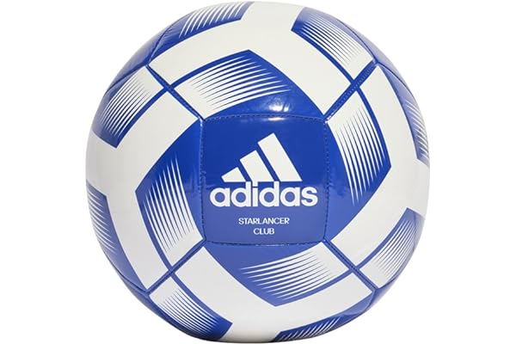 adidas Starlancer Club Soccer Ball | $17.98 | 6,457 | 4.6 out of 5 stars
#61 | 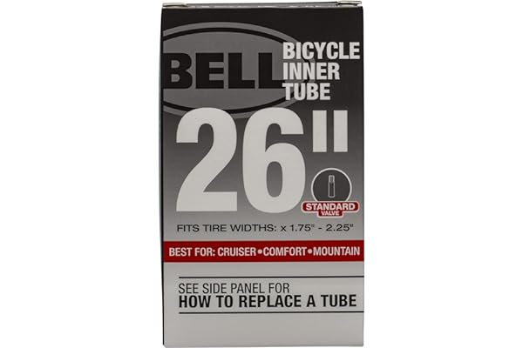 Bell Standard and Self Sealing Bike Tubes | $4.98 | 47,280 | 4.6 out of 5 stars
#62 | 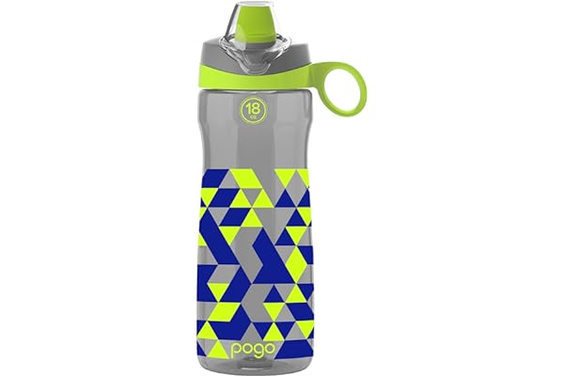 Pogo Plastic Water Bottle with Carry Handle, Reusable, BPA Free, Dishwasher Safe, Perfect for Travel, School, Outdoors, and Gym | 18oz, 32oz, 40oz | Nothing | 2,015 | 4.5 out of 5 stars
#63 | 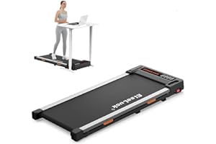 Elseluck Walking Pad, Under Desk Treadmill for Home Office, 2 in 1 Portable Walking Treadmill with Remote Control, Walking Jogging Machine in LED Display | $168.28 | 1,044 | 4.4 out of 5 stars
#64 | 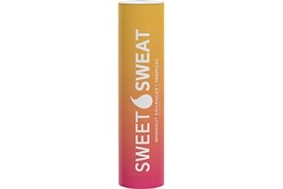 Sweet Sweat Workout Enhancer Roll-On Gel Stick - Makes You Sweat Harder and Faster, Helps Promote Water Weight Loss, Use with Sweet Sweat Waist Trimmer | Nothing | 68,048 | 4.6 out of 5 stars
#65 | 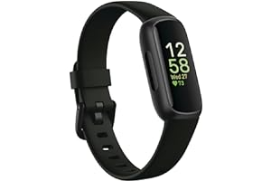 Fitbit Inspire 3 Health &-Fitness-Tracker with Stress Management, Workout Intensity, Sleep Tracking, 24/7 Heart Rate and more, Midnight Zen/Black One Size (S & L Bands Included) | Nothing | 10,172 | 4.4 out of 5 stars
#66 | 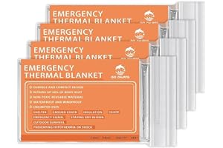 QIO CHUANG Emergency Mylar Thermal Blankets -Space Blanket Survival kit Camping Blanket (4-Pack). Perfect for Outdoors, Hiking, Survival, Bug Out Bag ，Marathons or First Aid 1 | Nothing | 5,044 | 4.7 out of 5 stars
#67 | 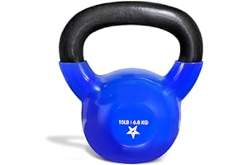 Yes4All Kettlebell Vinyl Coated Cast Iron – Great for Dumbbell Weights Exercises, Full Body Workout Equipment Push up, Grip Strength and Strength Training, PVC | Nothing | 21,191 | 4.8 out of 5 stars
#68 | 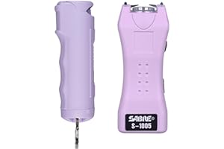 SABRE Pepper Spray & 2-in-1 Stun Gun with Flashlight, Self Defense Kit, Fast Flip Top Safety, Finger Grip for Better & Faster Aim, Painful 1.60 µC Charge, 120 Lumen LED Light, Rechargeable Battery | $19.67 | 36,203 | 4.7 out of 5 stars
#69 | 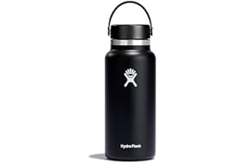 Hydro Flask Stainless Steel Wide Mouth Water Bottle with Flex Cap and Double-Wall Vacuum Insulation | Nothing | 27,119 | 4.8 out of 5 stars
#70 | 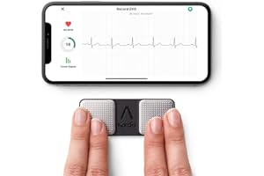 KardiaMobile 1-Lead Personal EKG Monitor – Record EKGs at Home – Detects AFib and Irregular Arrhythmias – Instant Results in 30 Seconds – Easy to Use – Works with Most Smartphones - FSA/HSA Eligible | $79.00 | 72,207 | 4.4 out of 5 stars
#71 |  Vmini Protective Glitter Silicone Boot, Compatible with Stanley Tumbler 20-40oz & Hydro Flask Water Bottle 12-24oz and More Bottles/Tumblers with 2.8-2.95in Bottom, Bling Anti-Slip Sleeve Cover | Nothing | 521 | 4.7 out of 5 stars
#72 |  VEICK Resistance Bands, Exercise Bands, Workout Bands, Resistance Bands for Working Out with Handles for Men and Women, Exercising Bands for Strength Training Equipment at Home | Nothing | 18,567 | 4.6 out of 5 stars

