Sheet1
판매순위 | 제품소개 | 가격 | 상품평 수 | 평점
#1 | 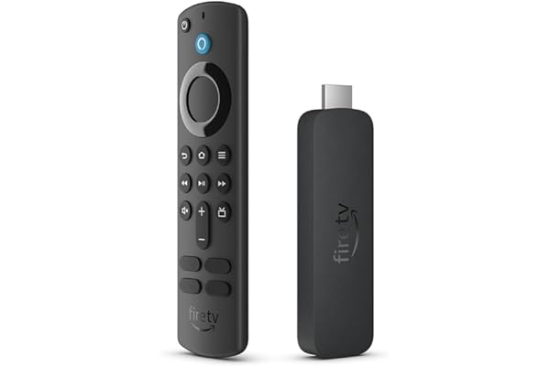 All-new Amazon Fire TV Stick 4K streaming device, more than 1.5 million movies and TV episodes, supports Wi-Fi 6, watch free & live TV | $39.99 | 13,741 | 4.6 out of 5 stars
#2 | 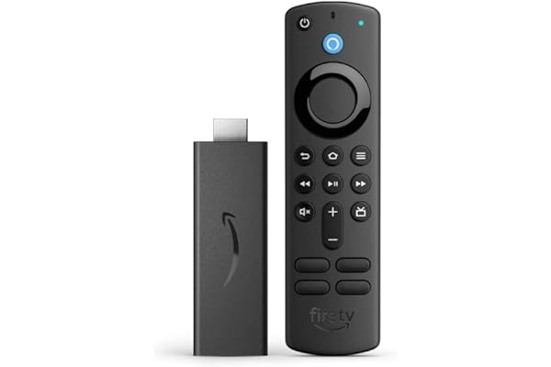 Amazon Fire TV Stick, HD, sharp picture quality, fast streaming, free & live TV, Alexa Voice Remote with TV controls | Nothing | 453,458 | 4.7 out of 5 stars
#3 | 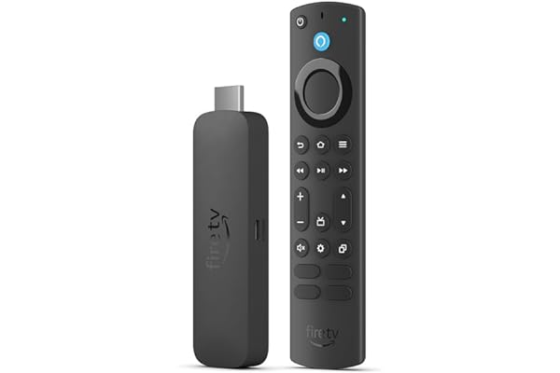 All-new Amazon Fire TV Stick 4K Max streaming device, supports Wi-Fi 6E, free & live TV without cable or satellite | $59.99 | 11,021 | 4.5 out of 5 stars
#4 | 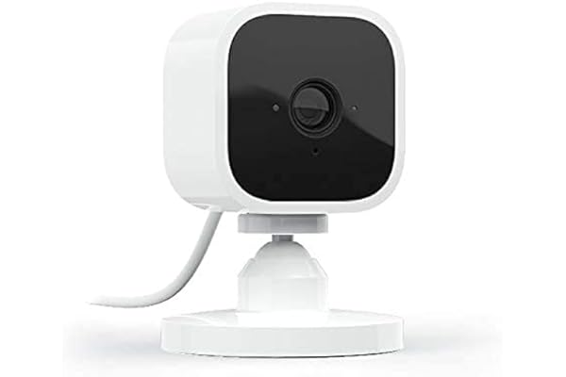 Blink Mini – Compact indoor plug-in smart security camera, 1080p HD video, night vision, motion detection, two-way audio, easy set up, Works with Alexa – 1 camera (White) | $29.99 | 276,857 | 4.4 out of 5 stars
#5 | 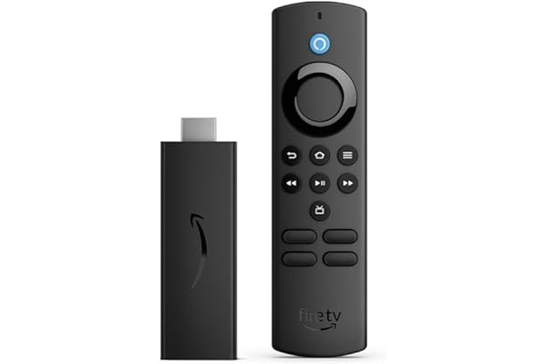 Amazon Fire TV Stick Lite, free and live TV, Alexa Voice Remote Lite, smart home controls, HD streaming | $29.99 | 57,542 | 4.6 out of 5 stars
#6 | 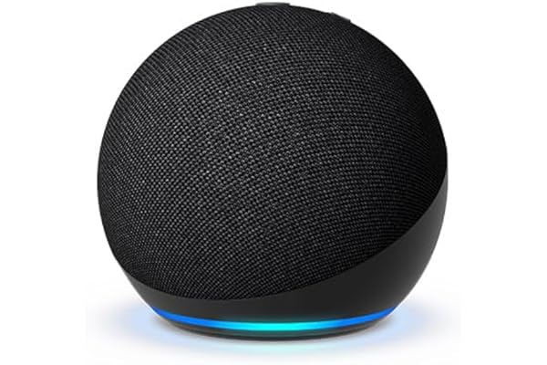 Echo Dot (5th Gen, 2022 release) | With bigger vibrant sound, helpful routines and Alexa | Charcoal | $34.08 | 89,189 | 4.7 out of 5 stars
#7 | 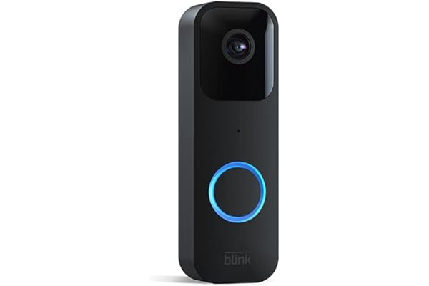 Blink Video Doorbell | Two-way audio, HD video, motion and chime app alerts and Alexa enabled — wired or wire-free (Black) | Nothing | 132,221 | 4.3 out of 5 stars
#8 | 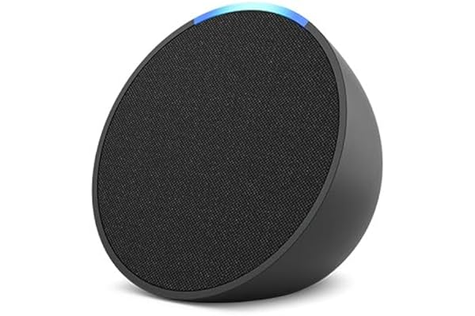 Amazon Echo Pop | Full sound compact smart speaker with Alexa | Charcoal | $29.99 | 33,044 | 4.7 out of 5 stars
#9 | 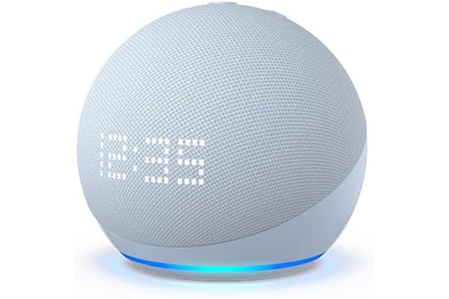 Amazon Echo Dot (5th Gen) with clock | Compact smart speaker with Alexa and enhanced LED display for at-a-glance clock, timers, weather, and more | Cloud Blue | $59.99 | 61,924 | 4.7 out of 5 stars
#10 | 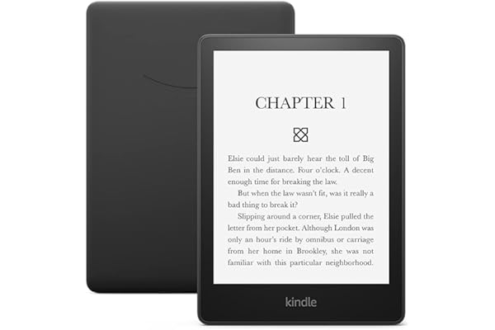 Amazon Kindle Paperwhite (16 GB) – Now with a larger display, adjustable warm light, increased battery life, and faster page turns – Black | $149.99 | 50,546 | 4.7 out of 5 stars

