MT_relative
center |  |  |  | ± 200 pixel total (LED, separate) |  |  | peak (LED, separate) |  |  | simulutaneous/peak display |  |  | simulutaneous/moment display |  |  | simulutaneous/moment display |  |  | simulutaneous/moment display |  |  | simulutaneous/moment lamp |  |  |  | simulutaneous/moment display | simulutaneous/moment lamp |  | simulutaneous/moment lamp
CH | left | middle | right | left | middle | right | left | middle | right | left | middle | right | left | middle | right | left | middle | right | left | middle | right | left | middle | right |  | left | middle | right | left | middle | right
1 | 249.068 | 530.95 | 813.765 | 7.47E+07 | 9.89E+07 | 2.56E+07 | 320493 | 433866 | 113497 | 1.44E+06 | 1.63E+06 | 6.16E+05 | 2.73E+08 | 3.07E+08 | 1.13E+08 | 1.46E+08 | 1.64E+08 | 6.10E+07 | 3.45E+08 | 3.86E+08 | 1.49E+08 | 2.95E+08 | 3.48E+08 | 1.32E+08 |  | 1.57E+08 | 1.87E+08 | 7.13E+07 | 3.72E+08 | 4.36E+08 | 1.72E+08
2 | 248.677 | 531.474 | 817.175 | 1.21E+08 | 1.11E+08 | 2.90E+07 | 519602 | 478556 | 130529 | 2.35E+06 | 1.88E+06 | 6.85E+05 | 4.40E+08 | 3.53E+08 | 1.25E+08 | 2.36E+08 | 1.88E+08 | 6.68E+07 | 5.49E+08 | 4.49E+08 | 1.64E+08 | 4.38E+08 | 3.64E+08 | 1.36E+08 |  | 2.34E+08 | 1.95E+08 | 7.30E+07 | 5.45E+08 | 4.62E+08 | 1.78E+08
3 | 249.192 | 531.809 | 818.95 | 1.38E+08 | 1.43E+08 | 3.60E+07 | 594924 | 618534 | 162159 | 2.74E+06 | 2.50E+06 | 8.47E+05 | 5.14E+08 | 4.71E+08 | 1.55E+08 | 2.75E+08 | 2.51E+08 | 8.28E+07 | 6.42E+08 | 5.93E+08 | 2.05E+08 | 4.64E+08 | 4.39E+08 | 1.51E+08 |  | 2.48E+08 | 2.34E+08 | 8.10E+07 | 5.79E+08 | 5.53E+08 | 1.99E+08
4 | 249.13 | 531.361 | 818.572 | 1.32E+08 | 1.48E+08 | 4.10E+07 | 559503 | 646420 | 182544 | 2.65E+06 | 2.66E+06 | 9.60E+05 | 5.00E+08 | 4.99E+08 | 1.77E+08 | 2.67E+08 | 2.67E+08 | 9.42E+07 | 6.26E+08 | 6.28E+08 | 2.32E+08 | 4.12E+08 | 4.37E+08 | 1.62E+08 |  | 2.19E+08 | 2.34E+08 | 8.65E+07 | 5.16E+08 | 5.49E+08 | 2.11E+08
5 | 249.019 | 531.584 | 819.189 | 1.50E+08 | 1.49E+08 | 4.89E+07 | 650189 | 642714 | 216938 | 3.11E+06 | 2.74E+06 | 1.14E+06 | 5.83E+08 | 5.13E+08 | 2.09E+08 | 3.12E+08 | 2.75E+08 | 1.12E+08 | 7.26E+08 | 6.50E+08 | 2.71E+08 | 4.42E+08 | 4.16E+08 | 1.79E+08 |  | 2.37E+08 | 2.23E+08 | 9.60E+07 | 5.52E+08 | 5.26E+08 | 2.32E+08
6 | 249.056 | 531.297 | 820.083 | 1.67E+08 | 1.83E+08 | 6.07E+07 | 734545 | 794990 | 269287 | 3.50E+06 | 3.46E+06 | 1.36E+06 | 6.52E+08 | 6.48E+08 | 2.53E+08 | 3.49E+08 | 3.47E+08 | 1.35E+08 | 8.15E+08 | 8.15E+08 | 3.28E+08 | 4.69E+08 | 4.92E+08 | 2.06E+08 |  | 2.51E+08 | 2.64E+08 | 1.10E+08 | 5.87E+08 | 6.20E+08 | 2.67E+08
7 | 250.597 | 531.037 | 820.51 | 1.47E+08 | 1.66E+08 | 6.62E+07 | 636116 | 726798 | 293214 | 3.10E+06 | 3.24E+06 | 1.52E+06 | 5.82E+08 | 6.06E+08 | 2.78E+08 | 3.11E+08 | 3.24E+08 | 1.49E+08 | 7.29E+08 | 7.63E+08 | 3.56E+08 | 3.93E+08 | 4.43E+08 | 2.16E+08 |  | 2.10E+08 | 2.37E+08 | 1.16E+08 | 4.94E+08 | 5.57E+08 | 2.76E+08
8 | 249.663 | 531.539 | 819.681 | 2.02E+08 | 1.53E+08 | 6.54E+07 | 869760 | 663435 | 289259 | 4.29E+06 | 3.05E+06 | 1.48E+06 | 8.07E+08 | 5.77E+08 | 2.73E+08 | 4.33E+08 | 3.07E+08 | 1.47E+08 | 9.99E+08 | 7.35E+08 | 3.50E+08 | 5.15E+08 | 4.02E+08 | 2.02E+08 |  | 2.75E+08 | 2.14E+08 | 1.09E+08 | 6.39E+08 | 5.12E+08 | 2.58E+08
9 | 250.505 | 531.725 | 819.855 | 1.97E+08 | 1.93E+08 | 7.11E+07 | 854875 | 846430 | 315770 | 4.27E+06 | 3.98E+06 | 1.62E+06 | 8.01E+08 | 7.45E+08 | 2.98E+08 | 4.28E+08 | 3.99E+08 | 1.61E+08 | 9.96E+08 | 9.38E+08 | 3.85E+08 | 4.90E+08 | 4.97E+08 | 2.11E+08 |  | 2.61E+08 | 2.65E+08 | 1.13E+08 | 6.12E+08 | 6.25E+08 | 2.72E+08
10 | 250.158 | 531.871 | 819.908 | 1.85E+08 | 1.62E+08 | 7.63E+07 | 808751 | 708724 | 343095 | 4.10E+06 | 3.40E+06 | 1.72E+06 | 7.64E+08 | 6.37E+08 | 3.18E+08 | 4.09E+08 | 3.40E+08 | 1.72E+08 | 9.50E+08 | 8.08E+08 | 4.05E+08 | 4.45E+08 | 4.17E+08 | 2.15E+08 |  | 2.38E+08 | 2.22E+08 | 1.16E+08 | 5.57E+08 | 5.28E+08 | 2.74E+08
11 | 250.212 | 529.427 | 820.164 | 1.73E+08 | 3.06E+07 | 8.73E+07 | 754302 | 129740 | 385381 | 3.91E+06 | 6.75E+05 | 1.96E+06 | 7.23E+08 | 1.29E+08 | 3.60E+08 | 3.89E+08 | 6.70E+07 | 1.95E+08 | 8.81E+08 | 1.98E+08 | 4.39E+08 | 4.03E+08 | 8.26E+07 | 2.38E+08 |  | 2.17E+08 | 4.31E+07 | 1.29E+08 | 4.92E+08 | 1.25E+08 | 2.90E+08
12 | 250.024 | 531.914 | 819.774 | 2.22E+08 | 1.79E+08 | 8.26E+07 | 958733 | 774159 | 367606 | 5.01E+06 | 4.03E+06 | 1.84E+06 | 9.40E+08 | 7.61E+08 | 3.41E+08 | 5.02E+08 | 4.05E+08 | 1.83E+08 | 1.17E+09 | 9.66E+08 | 4.37E+08 | 5.07E+08 | 4.54E+08 | 2.17E+08 |  | 2.70E+08 | 2.41E+08 | 1.16E+08 | 6.31E+08 | 5.75E+08 | 2.78E+08
13 | 250.701 | 532.158 | 819.098 | 2.17E+08 | 1.86E+08 | 8.33E+07 | 952134 | 801613 | 370439 | 4.99E+06 | 4.32E+06 | 1.84E+06 | 9.34E+08 | 8.10E+08 | 3.44E+08 | 5.00E+08 | 4.33E+08 | 1.84E+08 | 1.16E+09 | 1.02E+09 | 4.41E+08 | 4.89E+08 | 4.79E+08 | 2.17E+08 |  | 2.61E+08 | 2.56E+08 | 1.16E+08 | 6.10E+08 | 6.03E+08 | 2.78E+08
14 | 251.273 | 531.991 | 818.063 | 2.06E+08 | 1.94E+08 | 6.58E+07 | 900537 | 844321 | 291142 | 4.93E+06 | 4.66E+06 | 1.46E+06 | 9.18E+08 | 8.71E+08 | 2.74E+08 | 4.92E+08 | 4.66E+08 | 1.45E+08 | 1.14E+09 | 1.09E+09 | 3.61E+08 | 4.71E+08 | 5.06E+08 | 1.62E+08 |  | 2.51E+08 | 2.70E+08 | 8.55E+07 | 5.89E+08 | 6.34E+08 | 2.13E+08
15 | 250.834 | 531.811 | 816.036 | 2.07E+08 | 1.58E+08 | 6.10E+07 | 888170 | 695199 | 269622 | 4.95E+06 | 3.89E+06 | 1.35E+06 | 9.26E+08 | 7.31E+08 | 2.52E+08 | 4.96E+08 | 3.87E+08 | 1.34E+08 | 1.15E+09 | 9.26E+08 | 3.29E+08 | 4.78E+08 | 4.24E+08 | 1.55E+08 |  | 2.56E+08 | 2.25E+08 | 8.25E+07 | 5.95E+08 | 5.36E+08 | 2.02E+08
16 | 251.792 | 531.336 | 814.518 | 1.44E+08 | 9.70E+07 | 3.68E+07 | 614288 | 420899 | 161490 | 3.53E+06 | 2.45E+06 | 8.36E+05 | 6.61E+08 | 4.63E+08 | 1.54E+08 | 3.54E+08 | 2.45E+08 | 8.23E+07 | 8.21E+08 | 5.92E+08 | 2.03E+08 | 3.44E+08 | 2.79E+08 | 9.11E+07 |  | 1.83E+08 | 1.48E+08 | 4.87E+07 | 4.29E+08 | 3.55E+08 | 1.21E+08
17 | 250.494 | 531.617 | 816.17 | 1.75E+08 | 4.81E+07 | 4.65E+07 | 761633 | 208636 | 208424 | 4.39E+06 | 1.22E+06 | 1.06E+06 | 8.19E+08 | 2.33E+08 | 1.93E+08 | 4.40E+08 | 1.22E+08 | 1.04E+08 | 1.00E+09 | 3.22E+08 | 2.42E+08 | 4.64E+08 | 1.43E+08 | 1.24E+08 |  | 2.49E+08 | 7.48E+07 | 6.66E+07 | 5.68E+08 | 1.96E+08 | 1.54E+08
18 | 250.172 | 530.371 | 815.401 | 1.96E+08 | 5.40E+07 | 4.49E+07 | 845305 | 231332 | 198983 | 4.84E+06 | 1.33E+06 | 1.01E+06 | 9.00E+08 | 2.55E+08 | 1.86E+08 | 4.85E+08 | 1.34E+08 | 9.98E+07 | 1.10E+09 | 3.50E+08 | 2.34E+08 | 5.10E+08 | 1.54E+08 | 1.19E+08 |  | 2.75E+08 | 8.13E+07 | 6.39E+07 | 6.24E+08 | 2.11E+08 | 1.49E+08
19 | 250.693 | 530.26 | 818.329 | 1.82E+08 | 4.75E+07 | 4.79E+07 | 789960 | 203586 | 212912 | 4.39E+06 | 1.15E+06 | 1.07E+06 | 8.15E+08 | 2.21E+08 | 1.98E+08 | 4.41E+08 | 1.15E+08 | 1.07E+08 | 9.95E+08 | 3.07E+08 | 2.48E+08 | 4.68E+08 | 1.35E+08 | 1.27E+08 |  | 2.53E+08 | 7.04E+07 | 6.84E+07 | 5.73E+08 | 1.86E+08 | 1.58E+08
20 | 250.336 | 529.544 | 816.743 | 1.96E+08 | 5.56E+07 | 5.90E+07 | 850731 | 239861 | 261201 | 4.63E+06 | 1.30E+06 | 1.33E+06 | 8.61E+08 | 2.48E+08 | 2.45E+08 | 4.63E+08 | 1.31E+08 | 1.32E+08 | 1.05E+09 | 3.42E+08 | 3.04E+08 | 5.02E+08 | 1.53E+08 | 1.60E+08 |  | 2.70E+08 | 8.07E+07 | 8.58E+07 | 6.15E+08 | 2.10E+08 | 1.97E+08
21 | 249.483 | 530.29 | 817.646 | 2.15E+08 | 5.73E+07 | 5.97E+07 | 923292 | 246644 | 266247 | 4.98E+06 | 1.30E+06 | 1.33E+06 | 9.24E+08 | 2.48E+08 | 2.45E+08 | 4.97E+08 | 1.30E+08 | 1.31E+08 | 1.13E+09 | 3.43E+08 | 3.03E+08 | 5.54E+08 | 1.56E+08 | 1.64E+08 |  | 2.98E+08 | 8.25E+07 | 8.83E+07 | 6.77E+08 | 2.16E+08 | 2.03E+08
22 | 249.415 | 529.789 | 815.789 | 2.04E+08 | 5.49E+07 | 5.95E+07 | 886362 | 236257 | 266453 | 4.62E+06 | 1.20E+06 | 1.35E+06 | 8.58E+08 | 2.30E+08 | 2.46E+08 | 4.63E+08 | 1.20E+08 | 1.33E+08 | 1.05E+09 | 3.18E+08 | 3.03E+08 | 5.37E+08 | 1.51E+08 | 1.68E+08 |  | 2.89E+08 | 7.93E+07 | 9.12E+07 | 6.56E+08 | 2.09E+08 | 2.08E+08
23 | 252.675 | 530.864 | 816.134 | 1.03E+08 | 3.47E+07 | 5.47E+07 | 445010 | 150761 | 241183 | 2.37E+06 | 7.68E+05 | 1.22E+06 | 4.39E+08 | 1.46E+08 | 2.24E+08 | 2.36E+08 | 7.69E+07 | 1.21E+08 | 5.40E+08 | 2.03E+08 | 2.74E+08 | 2.69E+08 | 9.48E+07 | 1.60E+08 |  | 1.45E+08 | 4.96E+07 | 8.64E+07 | 3.32E+08 | 1.32E+08 | 1.95E+08
24 | 249.375 | 529.829 | 815.118 | 1.82E+08 | 6.40E+07 | 4.89E+07 | 790682 | 279873 | 216262 | 4.04E+06 | 1.32E+06 | 1.09E+06 | 7.52E+08 | 2.53E+08 | 2.02E+08 | 4.04E+08 | 1.33E+08 | 1.09E+08 | 9.22E+08 | 3.41E+08 | 2.51E+08 | 4.94E+08 | 1.74E+08 | 1.48E+08 |  | 2.66E+08 | 9.14E+07 | 7.96E+07 | 6.07E+08 | 2.34E+08 | 1.84E+08
25 | 249.029 | 529.839 | 815.022 | 1.75E+08 | 6.33E+07 | 4.32E+07 | 751217 | 273903 | 195827 | 3.83E+06 | 1.26E+06 | 980539 | 7.15E+08 | 2.41E+08 | 1.81E+08 | 3.84E+08 | 1.26E+08 | 9.74E+07 | 8.76E+08 | 3.25E+08 | 2.26E+08 | 4.89E+08 | 1.73E+08 | 1.35E+08 |  | 2.62E+08 | 9.10E+07 | 7.28E+07 | 6.01E+08 | 2.32E+08 | 1.69E+08
26 | 248.644 | 529.573 | 815.869 | 1.92E+08 | 5.96E+07 | 5.04E+07 | 823114 | 258033 | 229191 | 4.15E+06 | 1.16E+06 | 1.15E+06 | 7.74E+08 | 2.23E+08 | 2.10E+08 | 4.17E+08 | 1.17E+08 | 1.13E+08 | 9.45E+08 | 3.05E+08 | 2.59E+08 | 5.53E+08 | 1.67E+08 | 1.66E+08 |  | 2.98E+08 | 8.77E+07 | 8.93E+07 | 6.77E+08 | 2.28E+08 | 2.05E+08
27 | 249.152 | 528.483 | 814.125 | 1.73E+08 | 4.42E+07 | 4.60E+07 | 738657 | 192315 | 205912 | 3.67E+06 | 8.56E+05 | 1.06E+06 | 6.84E+08 | 1.65E+08 | 1.94E+08 | 3.67E+08 | 8.62E+07 | 1.05E+08 | 8.34E+08 | 2.32E+08 | 2.38E+08 | 5.19E+08 | 1.28E+08 | 1.61E+08 |  | 2.78E+08 | 6.68E+07 | 8.73E+07 | 6.33E+08 | 1.79E+08 | 1.98E+08
28 | 249.199 | 527.157 | 814.315 | 1.58E+08 | 4.47E+07 | 4.74E+07 | 680522 | 191941 | 210906 | 3.30E+06 | 8.39E+05 | 1.08E+06 | 6.19E+08 | 1.63E+08 | 1.99E+08 | 3.32E+08 | 8.45E+07 | 1.08E+08 | 7.56E+08 | 2.26E+08 | 2.44E+08 | 4.95E+08 | 1.34E+08 | 1.80E+08 |  | 2.66E+08 | 6.94E+07 | 9.71E+07 | 6.04E+08 | 1.85E+08 | 2.19E+08
29 | 249.083 | 527.714 | 812.326 | 1.46E+08 | 4.79E+07 | 3.69E+07 | 632223 | 207539 | 165993 | 3.01E+06 | 8.59E+05 | 840273 | 5.63E+08 | 1.65E+08 | 1.55E+08 | 3.02E+08 | 8.64E+07 | 8.37E+07 | 6.88E+08 | 2.26E+08 | 1.91E+08 | 4.81E+08 | 1.48E+08 | 1.49E+08 |  | 2.58E+08 | 7.74E+07 | 8.06E+07 | 5.88E+08 | 2.01E+08 | 1.83E+08
30 | 248.335 | 527.483 | 811.228 | 1.18E+08 | 3.00E+07 | 2.84E+07 | 516230 | 131382 | 126710 | 2.45E+06 | 5.42E+05 | 663421 | 4.52E+08 | 1.05E+08 | 1.22E+08 | 2.44E+08 | 5.44E+07 | 6.58E+07 | 5.52E+08 | 1.48E+08 | 1.51E+08 | 4.17E+08 | 9.87E+07 | 1.25E+08 |  | 2.26E+08 | 5.14E+07 | 6.72E+07 | 5.09E+08 | 1.39E+08 | 1.53E+08
31 | 249.626 | 525.014 | 808.511 | 9.82E+07 | 2.15E+07 | 2.54E+07 | 428421 | 94084.6 | 112817 | 1.98E+06 | 3.96E+05 | 594879 | 3.69E+08 | 7.64E+07 | 1.10E+08 | 1.99E+08 | 3.94E+07 | 5.90E+07 | 4.52E+08 | 1.11E+08 | 1.35E+08 | 3.73E+08 | 7.55E+07 | 1.23E+08 |  | 2.01E+08 | 3.91E+07 | 6.63E+07 | 4.55E+08 | 1.09E+08 | 1.49E+08
32 | 248.342 | 525.953 | 802.516 | 8.43E+07 | 2.48E+07 | 1.98E+07 | 366061 | 108441 | 87827.4 | 1.64E+06 | 4.25E+05 | 467398 | 3.07E+08 | 8.23E+07 | 8.48E+07 | 1.65E+08 | 4.29E+07 | 4.59E+07 | 3.76E+08 | 1.14E+08 | 1.05E+08 | 3.55E+08 | 9.41E+07 | 1.09E+08 |  | 1.90E+08 | 4.91E+07 | 5.91E+07 | 4.33E+08 | 1.30E+08 | 1.32E+08

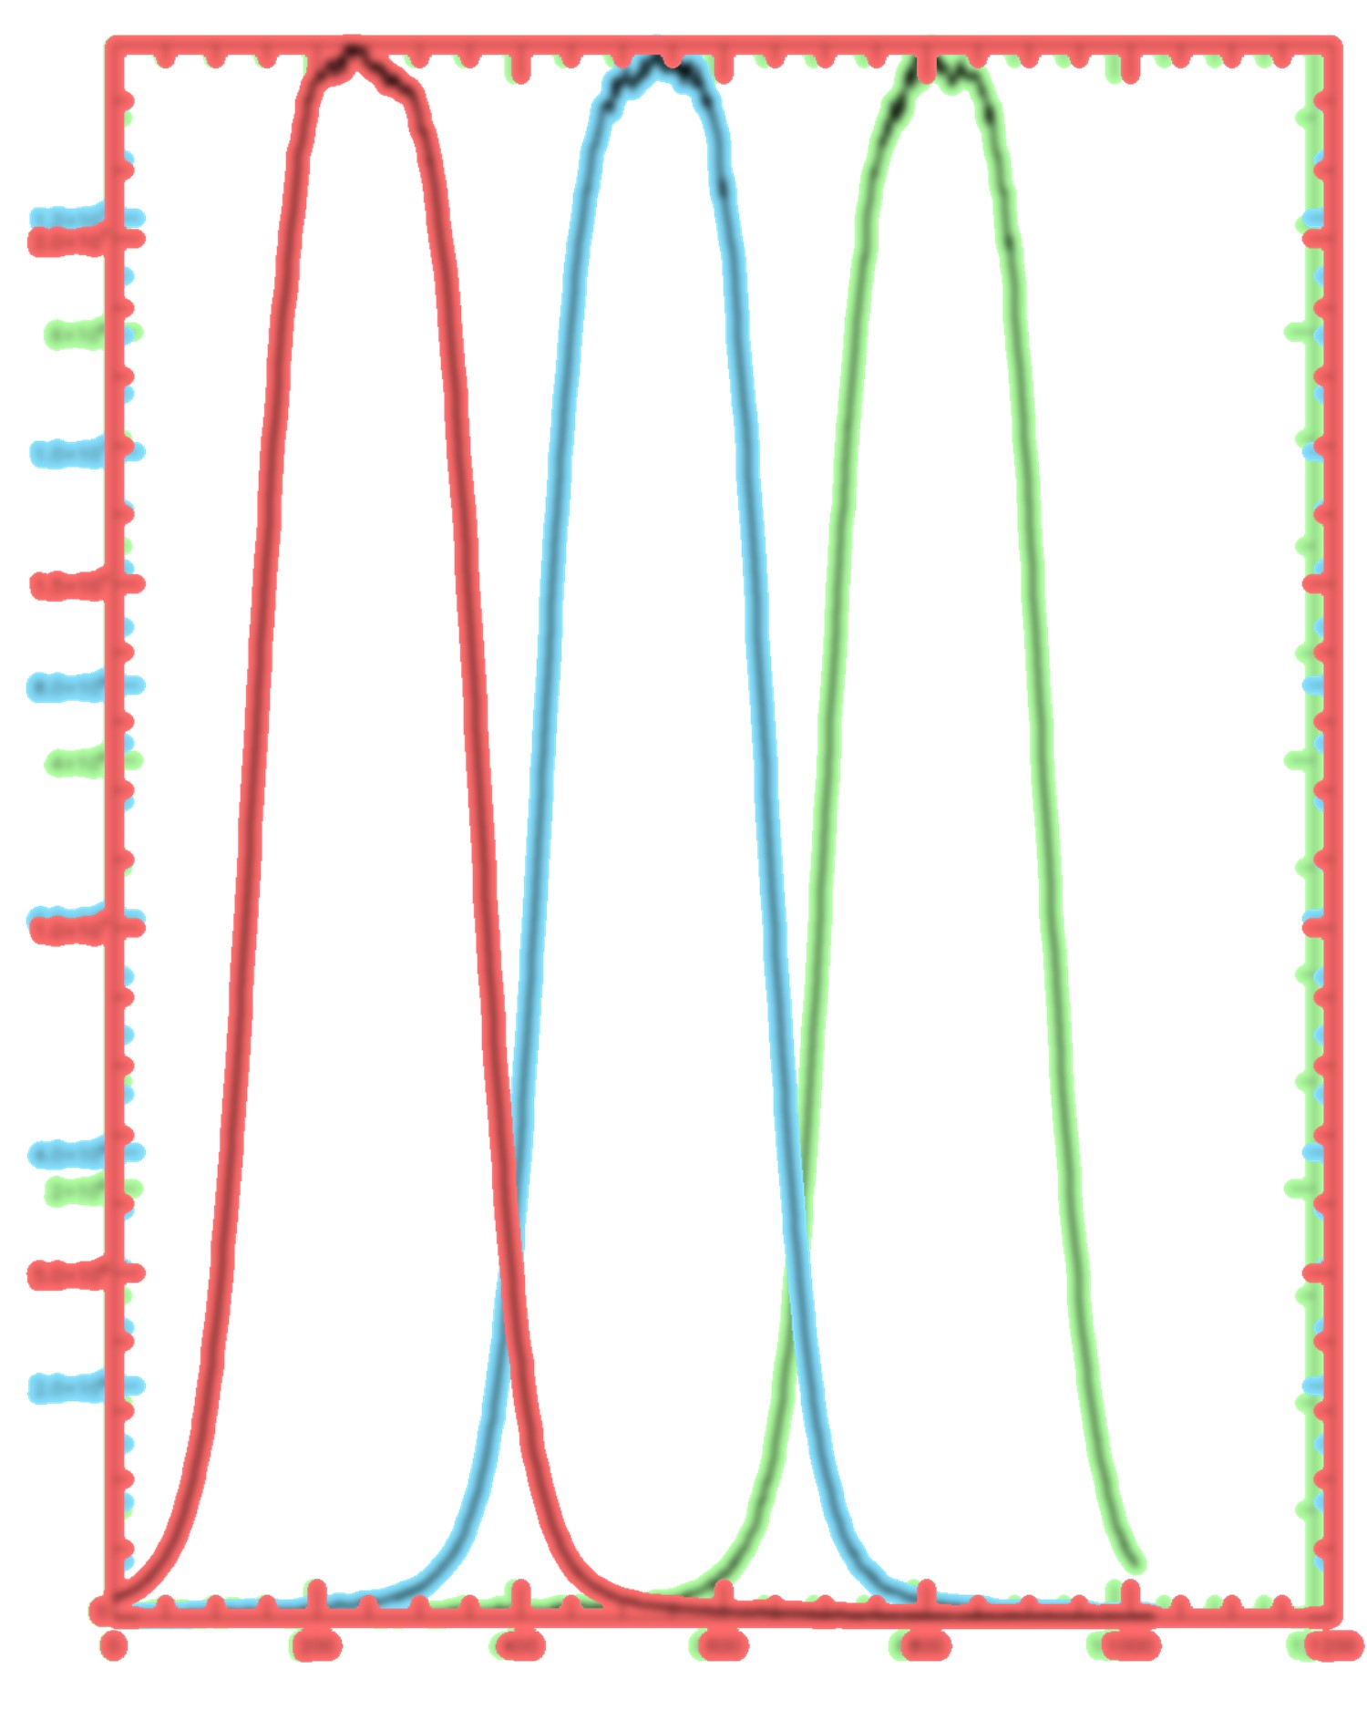
 | 249.8110625 | 530.22075 | 816.26821875 | coeff |  |  | coeff |  |  | coeff |  |  | simulutaneous/moment |  |  | simulutaneous/moment |  |  | simulutaneous/moment |  |  | simulutaneous/moment lamp |  |  |  | simulutaneous/moment lamp |  |  | simulutaneous/moment lamp
 |  |  |  | left | middle | right | left | middle | right | left | middle | right | left | middle | right | left | middle | right | left | middle | right | left | middle | right |  | left | middle | right | left | middle | right
 |  |  |  | 2.968806 | 2.241884 | 8.672132 | 2.991432 | 2.209744 | 8.447210 | 3.466981 | 3.074308 | 8.127098 | 3.444905 | 3.064094 | 8.281781 | 3.445244 | 3.062054 | 8.228644 | 3.382587 | 3.018440 | 7.825699 | 1.880360 | 1.589817 | 4.181421 |  | 1.896018 | 1.597549 | 4.182351 | 1.821283 | 1.551455 | 3.931866
 |  |  |  | 1.833590 | 1.996524 | 7.642696 | 1.845130 | 2.003387 | 7.344981 | 2.132497 | 2.668246 | 7.307032 | 2.133425 | 2.661610 | 7.527408 | 2.126791 | 2.662815 | 7.515099 | 2.122485 | 2.594368 | 7.094463 | 1.265750 | 1.519788 | 4.065990 |  | 1.273734 | 1.531368 | 4.084419 | 1.242567 | 1.464933 | 3.799920
 |  |  |  | 1.611172 | 1.555234 | 6.157811 | 1.611522 | 1.550009 | 5.912302 | 1.825600 | 1.999700 | 5.911311 | 1.828606 | 1.996074 | 6.048897 | 1.823330 | 1.995724 | 6.056446 | 1.816752 | 1.964806 | 5.674714 | 1.193972 | 1.260306 | 3.657787 |  | 1.203408 | 1.271663 | 3.678676 | 1.170085 | 1.223495 | 3.403613
 |  |  |  | 1.685295 | 1.494410 | 5.410927 | 1.713544 | 1.483143 | 5.252065 | 1.886503 | 1.879132 | 5.215830 | 1.880583 | 1.884305 | 5.321426 | 1.877994 | 1.877643 | 5.326671 | 1.861628 | 1.856099 | 5.031016 | 1.345337 | 1.268374 | 3.419152 |  | 1.358109 | 1.273364 | 3.446586 | 1.311394 | 1.233972 | 3.205133
 |  |  |  | 1.474348 | 1.492378 | 4.535109 | 1.474545 | 1.491695 | 4.419387 | 1.607370 | 1.829509 | 4.392604 | 1.613142 | 1.830651 | 4.501178 | 1.608609 | 1.825467 | 4.475885 | 1.604600 | 1.792633 | 4.295054 | 1.252953 | 1.332653 | 3.093820 |  | 1.258299 | 1.339106 | 3.103859 | 1.226138 | 1.288234 | 2.921978
 |  |  |  | 1.326426 | 1.214672 | 3.650150 | 1.305207 | 1.205969 | 3.560265 | 1.430856 | 1.446636 | 3.688685 | 1.441266 | 1.450058 | 3.721418 | 1.435739 | 1.446760 | 3.704418 | 1.430056 | 1.429721 | 3.558528 | 1.181417 | 1.124538 | 2.682685 |  | 1.187484 | 1.129798 | 2.697752 | 1.153039 | 1.092147 | 2.535827
 |  |  |  | 1.510844 | 1.331900 | 3.351127 | 1.507167 | 1.319119 | 3.269738 | 1.613082 | 1.547478 | 3.290837 | 1.615852 | 1.550593 | 3.384090 | 1.612663 | 1.548459 | 3.368378 | 1.598399 | 1.527087 | 3.272605 | 1.408282 | 1.250810 | 2.568229 |  | 1.418735 | 1.257752 | 2.579617 | 1.369538 | 1.215538 | 2.453769
 |  |  |  | 1.099865 | 1.446060 | 3.388676 | 1.102296 | 1.445105 | 3.314445 | 1.166017 | 1.642784 | 3.383962 | 1.164708 | 1.629882 | 3.442306 | 1.159686 | 1.632887 | 3.402623 | 1.167016 | 1.586570 | 3.334554 | 1.076023 | 1.377653 | 2.742616 |  | 1.083237 | 1.390528 | 2.740043 | 1.059251 | 1.323693 | 2.623808
 |  |  |  | 1.125038 | 1.146468 | 3.119519 | 1.121489 | 1.132678 | 3.036175 | 1.173477 | 1.258815 | 3.096630 | 1.172822 | 1.261168 | 3.148337 | 1.172457 | 1.258590 | 3.124120 | 1.169596 | 1.242036 | 3.023930 | 1.130957 | 1.114968 | 2.625528 |  | 1.142409 | 1.123265 | 2.628187 | 1.106204 | 1.082864 | 2.490298
 |  |  |  | 1.196846 | 1.370060 | 2.905978 | 1.185449 | 1.352759 | 2.794366 | 1.221111 | 1.474564 | 2.903903 | 1.230170 | 1.475507 | 2.951250 | 1.226594 | 1.477132 | 2.919094 | 1.226840 | 1.442449 | 2.875815 | 1.243145 | 1.327529 | 2.572356 |  | 1.253108 | 1.340051 | 2.567726 | 1.216346 | 1.283190 | 2.471862
 |  |  |  | 1.279190 | 7.245185 | 2.538692 | 1.271020 | 7.389649 | 2.487754 | 1.280844 | 7.415129 | 2.549850 | 1.300275 | 7.293645 | 2.608335 | 1.289060 | 7.488481 | 2.570149 | 1.322803 | 5.888728 | 2.657405 | 1.375586 | 6.707906 | 2.325601 |  | 1.376520 | 6.913528 | 2.313894 | 1.375410 | 5.431737 | 2.336777
 |  |  |  | 1.000000 | 1.236828 | 2.684744 | 1.000000 | 1.238419 | 2.608045 | 1.000000 | 1.241535 | 2.720023 | 1.000000 | 1.234866 | 2.757556 | 1.000000 | 1.237666 | 2.739875 | 1.000000 | 1.207075 | 2.669047 | 1.092575 | 1.221045 | 2.551944 |  | 1.103260 | 1.238619 | 2.559083 | 1.072566 | 1.177989 | 2.440063
 |  |  |  | 1.020222 | 1.194023 | 2.662562 | 1.006931 | 1.196005 | 2.588100 | 1.003105 | 1.160043 | 2.715244 | 1.005959 | 1.160167 | 2.735289 | 1.004137 | 1.157463 | 2.727867 | 1.004698 | 1.139069 | 2.641552 | 1.132559 | 1.157110 | 2.555006 |  | 1.143194 | 1.164342 | 2.570517 | 1.110178 | 1.122464 | 2.435544
 |  |  |  | 1.075798 | 1.142580 | 3.372241 | 1.064624 | 1.135508 | 3.293008 | 1.016468 | 1.074613 | 3.421002 | 1.023755 | 1.078632 | 3.427952 | 1.020224 | 1.077242 | 3.450623 | 1.020829 | 1.065174 | 3.229547 | 1.176853 | 1.095367 | 3.426980 |  | 1.186212 | 1.104392 | 3.483822 | 1.150473 | 1.068890 | 3.176714
 |  |  |  | 1.070433 | 1.405902 | 3.636232 | 1.079448 | 1.379077 | 3.555841 | 1.011797 | 1.286412 | 3.703062 | 1.014870 | 1.285558 | 3.725637 | 1.010763 | 1.295758 | 3.734613 | 1.015935 | 1.257956 | 3.539776 | 1.158119 | 1.304956 | 3.572258 |  | 1.165202 | 1.323090 | 3.613610 | 1.138180 | 1.263327 | 3.358606
 |  |  |  | 1.539448 | 2.286186 | 6.020363 | 1.560722 | 2.277822 | 5.936795 | 1.416923 | 2.041612 | 5.986728 | 1.420806 | 2.031253 | 6.113714 | 1.416680 | 2.044214 | 6.093210 | 1.419516 | 1.967918 | 5.739606 | 1.611828 | 1.985523 | 6.078333 |  | 1.624820 | 2.012398 | 6.114758 | 1.580044 | 1.908781 | 5.613938
 |  |  |  | 1.265472 | 4.606257 | 4.769398 | 1.258786 | 4.595242 | 4.599917 | 1.140303 | 4.103554 | 4.734846 | 1.148046 | 4.038056 | 4.860242 | 1.140416 | 4.119836 | 4.813280 | 1.163995 | 3.618354 | 4.820211 | 1.194649 | 3.885907 | 4.476743 |  | 1.196903 | 3.981707 | 4.473281 | 1.192886 | 3.460403 | 4.388705
 |  |  |  | 1.133220 | 4.106260 | 4.937572 | 1.134186 | 4.144403 | 4.818165 | 1.035052 | 3.767030 | 4.972253 | 1.043896 | 3.691115 | 5.043117 | 1.034754 | 3.739708 | 5.024658 | 1.061556 | 3.328478 | 4.973860 | 1.084887 | 3.586068 | 4.652491 |  | 1.082375 | 3.667824 | 4.665943 | 1.084953 | 3.203889 | 4.531955
 |  |  |  | 1.220449 | 4.667380 | 4.630188 | 1.213648 | 4.709229 | 4.502954 | 1.139644 | 4.366174 | 4.671758 | 1.153473 | 4.253542 | 4.741927 | 1.138762 | 4.349122 | 4.709804 | 1.171743 | 3.795809 | 4.708204 | 1.183247 | 4.114933 | 4.355314 |  | 1.176616 | 4.233168 | 4.359283 | 1.182229 | 3.636013 | 4.272728
 |  |  |  | 1.131924 | 3.990419 | 3.759161 | 1.126952 | 3.997036 | 3.670480 | 1.082400 | 3.864102 | 3.755474 | 1.090967 | 3.781638 | 3.828382 | 1.083867 | 3.835427 | 3.801453 | 1.106969 | 3.407509 | 3.832204 | 1.102750 | 3.622520 | 3.469599 |  | 1.103076 | 3.693342 | 3.472412 | 1.100940 | 3.222798 | 3.428845
 |  |  |  | 1.032632 | 3.867437 | 3.716275 | 1.038385 | 3.887113 | 3.600916 | 1.005517 | 3.858831 | 3.752996 | 1.016731 | 3.788254 | 3.837873 | 1.008483 | 3.850971 | 3.819048 | 1.033365 | 3.394943 | 3.851047 | 1.000000 | 3.539880 | 3.372716 |  | 1.000000 | 3.614201 | 3.375766 | 1.000000 | 3.135105 | 3.341106
 |  |  |  | 1.084395 | 4.040548 | 3.728611 | 1.081649 | 4.058009 | 3.598132 | 1.083379 | 4.183337 | 3.720148 | 1.095683 | 4.093520 | 3.818953 | 1.083310 | 4.165917 | 3.769690 | 1.114282 | 3.660505 | 3.842806 | 1.031247 | 3.665001 | 3.289087 |  | 1.030630 | 3.756540 | 3.268393 | 1.032569 | 3.240875 | 3.262596
 |  |  |  | 2.152108 | 6.384916 | 4.053845 | 2.154408 | 6.359291 | 3.975127 | 2.116013 | 6.516131 | 4.103419 | 2.140505 | 6.414794 | 4.191014 | 2.124270 | 6.527472 | 4.142218 | 2.158561 | 5.729561 | 4.250411 | 2.055550 | 5.841310 | 3.468751 |  | 2.053866 | 6.002510 | 3.449574 | 2.036793 | 5.144322 | 3.468787
 |  |  |  | 1.217493 | 3.462748 | 4.538451 | 1.212539 | 3.425600 | 4.433201 | 1.239325 | 3.794378 | 4.582942 | 1.250170 | 3.718781 | 4.659074 | 1.240785 | 3.767963 | 4.616028 | 1.263437 | 3.422660 | 4.641267 | 1.119985 | 3.186366 | 3.753965 |  | 1.122157 | 3.259318 | 3.746048 | 1.115008 | 2.895514 | 3.689363
 |  |  |  | 1.267519 | 3.502357 | 5.138702 | 1.276240 | 3.500265 | 4.895816 | 1.308839 | 3.983475 | 5.106283 | 1.313957 | 3.902018 | 5.190076 | 1.305635 | 3.966235 | 5.148648 | 1.330296 | 3.590950 | 5.160855 | 1.132015 | 3.198715 | 4.092582 |  | 1.136822 | 3.276316 | 4.093806 | 1.126951 | 2.913090 | 4.014002
 |  |  |  | 1.155507 | 3.720197 | 4.397779 | 1.164763 | 3.715544 | 4.183118 | 1.207619 | 4.318833 | 4.343637 | 1.213944 | 4.217650 | 4.483075 | 1.204059 | 4.290982 | 4.445662 | 1.232876 | 3.821937 | 4.497706 | 1.000589 | 3.314084 | 3.335702 |  | 1.000473 | 3.400018 | 3.338011 | 1.000078 | 2.968411 | 3.308716
 |  |  |  | 1.283358 | 5.014632 | 4.815606 | 1.297941 | 4.985222 | 4.656033 | 1.362499 | 5.848313 | 4.733458 | 1.374185 | 5.698024 | 4.853890 | 1.365407 | 5.818026 | 4.784271 | 1.397060 | 5.034102 | 4.896664 | 1.067673 | 4.326360 | 3.433993 |  | 1.073374 | 4.459919 | 3.412335 | 1.069268 | 3.780276 | 3.425861
 |  |  |  | 1.404824 | 4.956379 | 4.676653 | 1.408820 | 4.994936 | 4.545783 | 1.518575 | 5.965934 | 4.635641 | 1.517597 | 5.781746 | 4.720488 | 1.509441 | 5.939873 | 4.663398 | 1.541505 | 5.156014 | 4.776180 | 1.119627 | 4.146389 | 3.084567 |  | 1.122051 | 4.295798 | 3.070122 | 1.120276 | 3.658902 | 3.091309
 |  |  |  | 1.520959 | 4.629163 | 6.004875 | 1.516448 | 4.619532 | 5.775744 | 1.665578 | 5.829682 | 5.958671 | 1.670134 | 5.687127 | 6.067410 | 1.659724 | 5.807687 | 5.993499 | 1.693402 | 5.160512 | 6.097108 | 1.152036 | 3.744397 | 3.709509 |  | 1.155180 | 3.849944 | 3.696246 | 1.152155 | 3.372423 | 3.695544
 |  |  |  | 1.876828 | 7.402081 | 7.813135 | 1.857182 | 7.297293 | 7.566356 | 2.046895 | 9.229787 | 7.547108 | 2.078161 | 8.982307 | 7.684062 | 2.056439 | 9.219671 | 7.622081 | 2.110107 | 7.871524 | 7.735938 | 1.327176 | 5.611750 | 4.431996 |  | 1.321576 | 5.792730 | 4.431527 | 1.329205 | 4.881393 | 4.430659
 |  |  |  | 2.258121 | 10.301037 | 8.720700 | 2.237829 | 10.190116 | 8.498125 | 2.522386 | 12.647161 | 8.416686 | 2.544852 | 12.299786 | 8.568209 | 2.522604 | 12.717251 | 8.502896 | 2.580376 | 10.530287 | 8.640836 | 1.484504 | 7.335663 | 4.514514 |  | 1.482677 | 7.615594 | 4.497021 | 1.486875 | 6.222931 | 4.531773
 |  |  |  | 2.630498 | 8.934195 | 11.192909 | 2.619053 | 8.841056 | 10.916104 | 3.059299 | 11.775506 | 10.712305 | 3.058549 | 11.422896 | 11.082944 | 3.048953 | 11.697748 | 10.923277 | 3.096060 | 10.184740 | 11.129308 | 1.561372 | 5.882572 | 5.094897 |  | 1.564925 | 6.074042 | 5.046482 | 1.562168 | 5.223733 | 5.111393

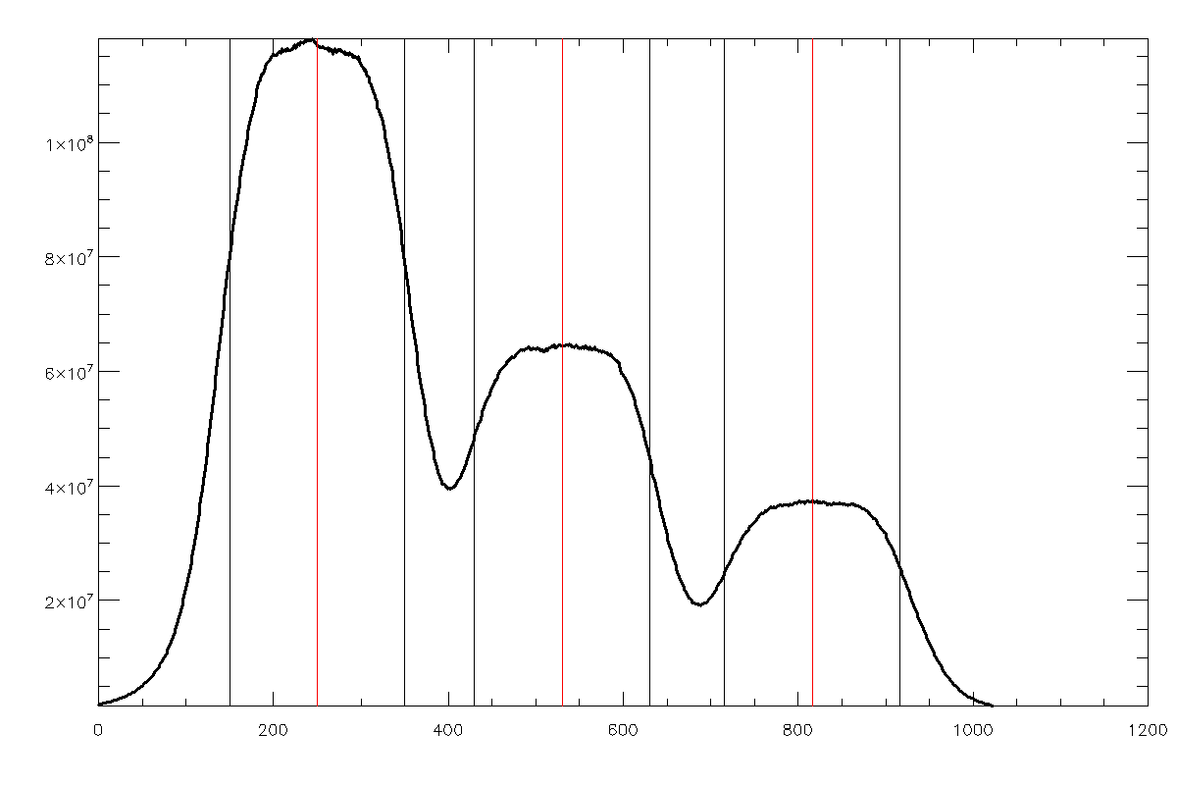
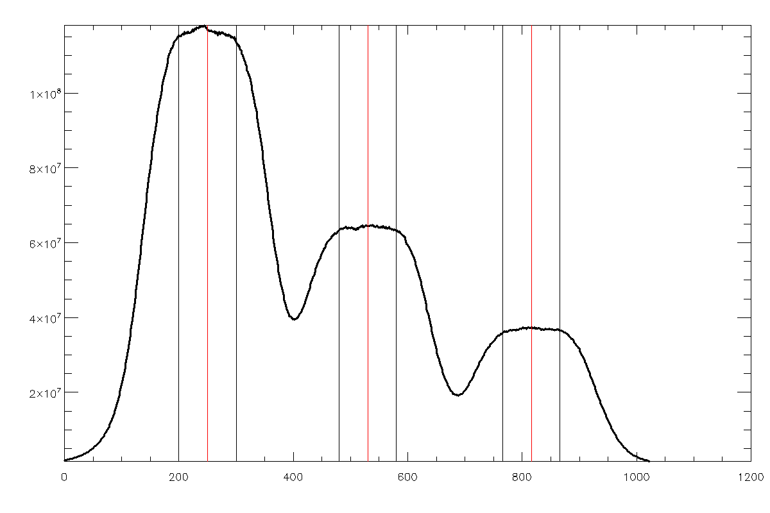
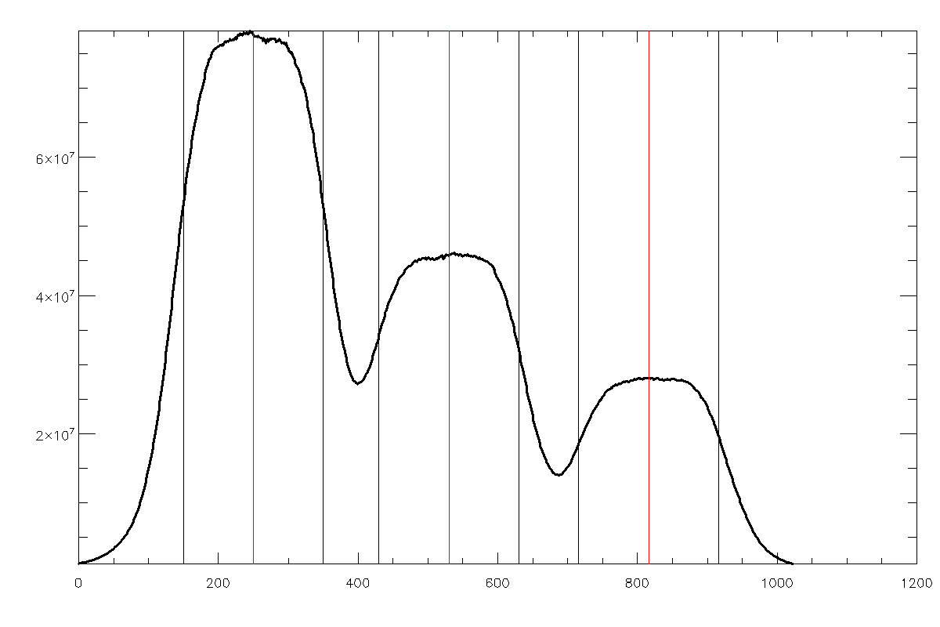
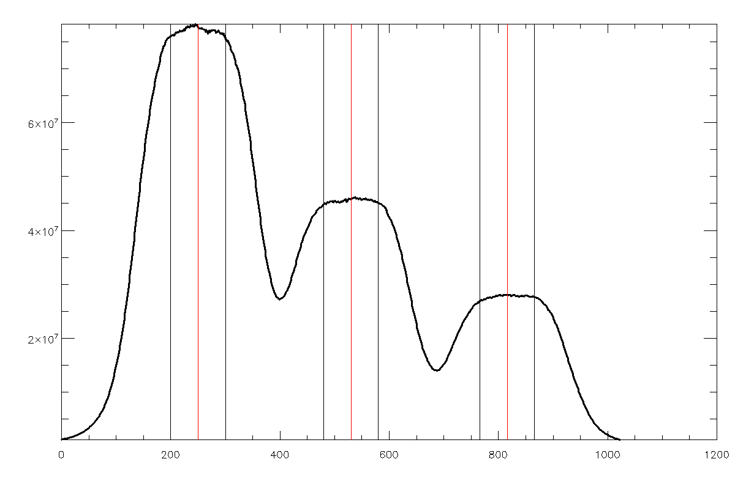
 |  |  |  |  |  |  |  |  |  | peak |  |  | width=100 |  |  | width=50 |  |  | width=150 |  |  | width=100 |  |  |  | width=50 |  |  | width=150
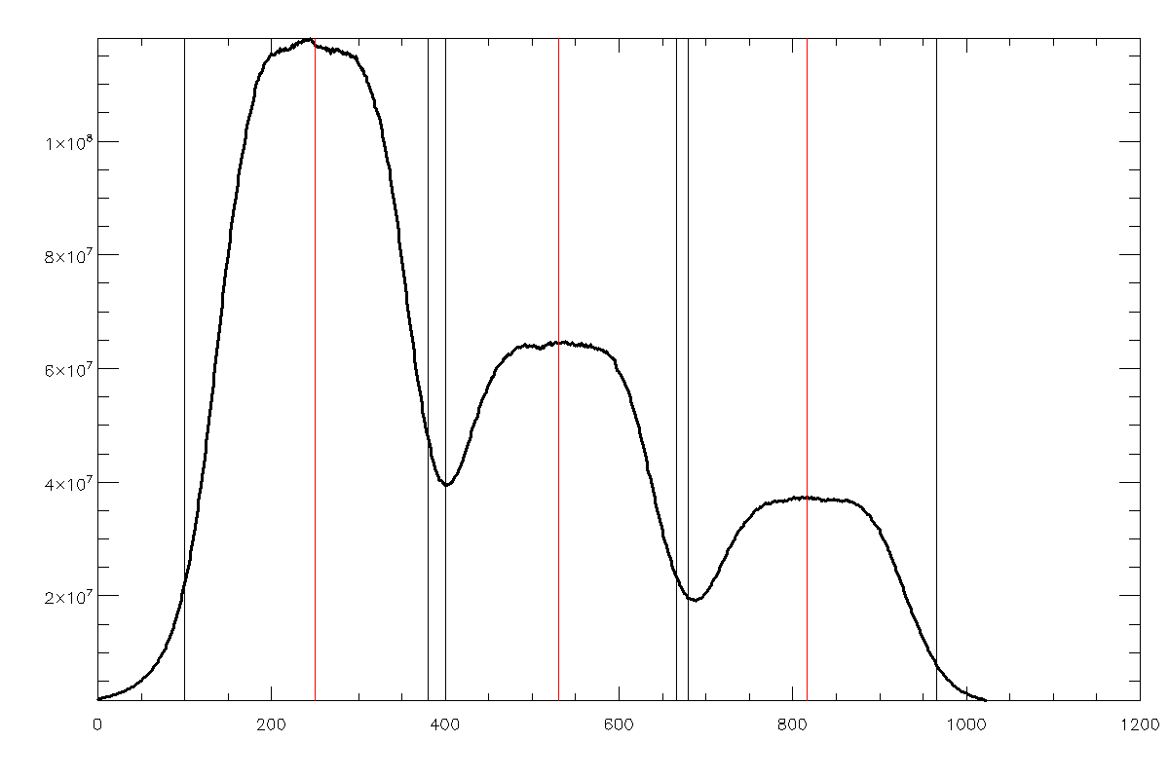
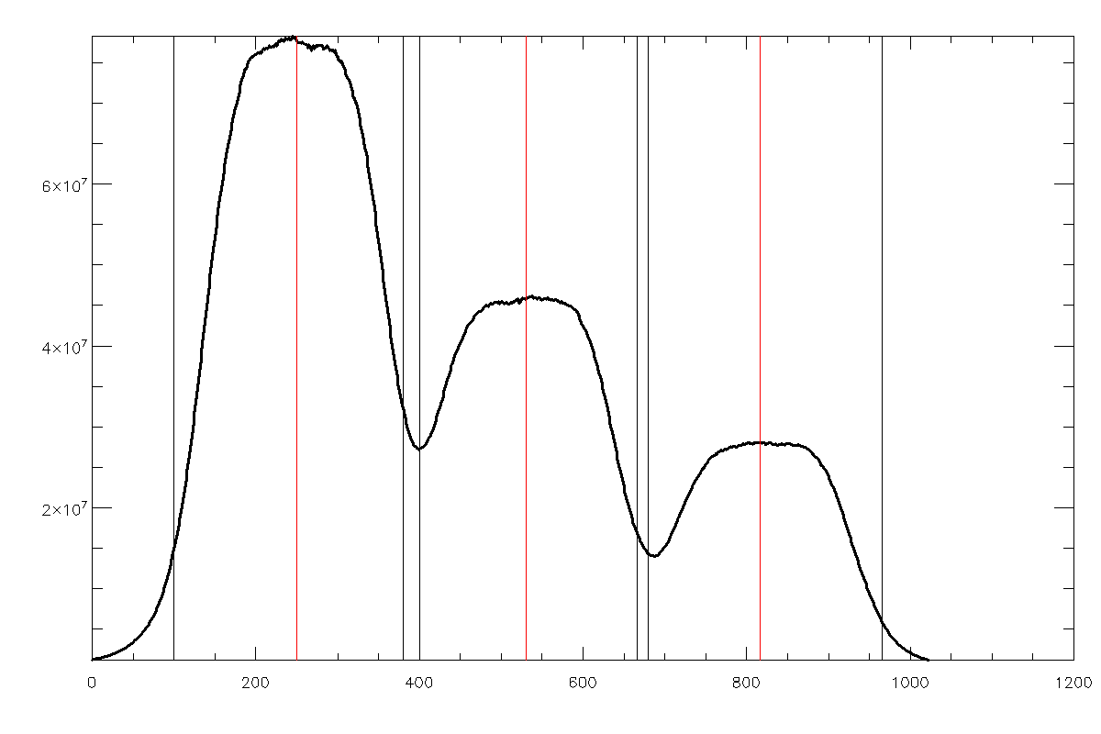

 |  |  |  |  |  |  |  |  |  |  |  |  |  |  |  |  |  |  |  |  |  |  |  |  | CH | relative coeff
 |  |  |  |  |  |  |  |  |  |  |  |  |  |  |  |  |  |  |  |  |  |  |  |  | 1 | 1.8960179665
 |  |  |  |  |  |  |  |  |  |  |  |  |  |  |  |  |  |  |  |  |  |  |  |  | 2 | 1.2737336091
 |  |  |  |  |  |  |  |  |  |  |  |  |  |  |  |  |  |  |  |  |  |  |  |  | 3 | 1.2034081043
 |  |  |  |  |  |  |  |  |  |  |  |  |  |  |  |  |  |  |  |  |  |  |  |  | 4 | 1.3581089703
 |  |  |  |  |  |  |  |  |  |  |  |  |  |  |  |  |  |  |  |  |  |  |  |  | 5 | 1.2582987815
 |  |  |  |  |  |  |  |  |  |  |  |  |  |  |  |  |  |  |  |  |  |  |  |  | 6 | 1.1874835635
 |  |  |  |  |  |  |  |  |  |  |  |  |  |  |  |  |  |  |  |  |  |  |  |  | 7 | 1.4187347364
 |  |  |  |  |  |  |  |  |  |  |  |  |  |  |  |  |  |  |  |  |  |  |  |  | 8 | 1.083237011
 |  |  |  |  |  |  |  |  |  |  |  |  |  |  |  |  |  |  |  |  |  |  |  |  | 9 | 1.1424091878
 |  |  |  |  |  |  |  |  |  |  |  |  |  |  |  |  |  |  |  |  |  |  |  |  | 10 | 1.2531084041
 |  |  |  |  |  |  |  |  |  |  |  |  |  |  |  |  |  |  |  |  |  |  |  |  | 11 | 1.3765202008
 |  |  |  |  |  |  |  |  |  |  |  |  |  |  |  |  |  |  |  |  |  |  |  |  | 12 | 1.103259602
 |  |  |  |  |  |  |  |  |  |  |  |  |  |  |  |  |  |  |  |  |  |  |  |  | 13 | 1.1431936138
 |  |  |  |  |  |  |  |  |  |  |  |  |  |  |  |  |  |  |  |  |  |  |  |  | 14 | 1.1862121122
 |  |  |  |  |  |  |  |  |  |  |  |  |  |  |  |  |  |  |  |  |  |  |  |  | 15 | 1.1652024319
 |  |  |  |  |  |  |  |  |  |  |  |  |  |  |  |  |  |  |  |  |  |  |  |  | 16 | 1.6248200811
 |  |  |  |  |  |  |  |  |  |  |  |  |  |  |  |  |  |  |  |  |  |  |  |  | 17 | 1.1969026993
 |  |  |  |  |  |  |  |  |  |  |  |  |  |  |  |  |  |  |  |  |  |  |  |  | 18 | 1.0823754163
 |  |  |  |  |  |  |  |  |  |  |  |  |  |  |  |  |  |  |  |  |  |  |  |  | 19 | 1.1766159726
 |  |  |  |  |  |  |  |  |  |  |  |  |  |  |  |  |  |  |  |  |  |  |  |  | 20 | 1.1030758411
 |  |  |  |  |  |  |  |  |  |  |  |  |  |  |  |  |  |  |  |  |  |  |  |  | 21 | 1
 |  |  |  |  |  |  |  |  |  |  |  |  |  |  |  |  |  |  |  |  |  |  |  |  | 22 | 1.0306299951
 |  |  |  |  |  |  |  |  |  |  |  |  |  |  |  |  |  |  |  |  |  |  |  |  | 23 | 2.0538659279
 |  |  |  |  |  |  |  |  |  |  |  |  |  |  |  |  |  |  |  |  |  |  |  |  | 24 | 1.1221571226
 |  |  |  |  |  |  |  |  |  |  |  |  |  |  |  |  |  |  |  |  |  |  |  |  | 25 | 1.1368224299
 |  |  |  |  |  |  |  |  |  |  |  |  |  |  |  |  |  |  |  |  |  |  |  |  | 26 | 1.0004733497
 |  |  |  |  |  |  |  |  |  |  |  |  |  |  |  |  |  |  |  |  |  |  |  |  | 27 | 1.0733740086
 |  |  |  |  |  |  |  |  |  |  |  |  |  |  |  |  |  |  |  |  |  |  |  |  | 28 | 1.1220514983
 |  |  |  |  |  |  |  |  |  |  |  |  |  |  |  |  |  |  |  |  |  |  |  |  | 29 | 1.1551801662
 |  |  |  |  |  |  |  |  |  |  |  |  |  |  |  |  |  |  |  |  |  |  |  |  | 30 | 1.3215758619
 |  |  |  |  |  |  |  |  |  |  |  |  |  |  |  |  |  |  |  |  |  |  |  |  | 31 | 1.4826766169
 |  |  |  |  |  |  |  |  |  |  |  |  |  |  |  |  |  |  |  |  |  |  |  |  | 32 | 1.5649246991
 |  |  |  |  |  |  |  |  |  |  |  |  |  |  |  |  |  |  |  |  |  |  |  |  | 33 | 1.5975491431
 |  |  |  |  |  |  |  |  |  |  |  |  |  |  |  |  |  |  |  |  |  |  |  |  | 34 | 1.5313680251
 |  |  |  |  |  |  |  |  |  |  |  |  |  |  |  |  |  |  |  |  |  |  |  |  | 35 | 1.2716628334
 |  |  |  |  |  |  |  |  |  |  |  |  |  |  |  |  |  |  |  |  |  |  |  |  | 36 | 1.2733635276
 |  |  |  |  |  |  |  |  |  |  |  |  |  |  |  |  |  |  |  |  |  |  |  |  | 37 | 1.3391058189
 |  |  |  |  |  |  |  |  |  |  |  |  |  |  |  |  |  |  |  |  |  |  |  |  | 38 | 1.1297975586
 |  |  |  |  |  |  |  |  |  |  |  |  |  |  |  |  |  |  |  |  |  |  |  |  | 39 | 1.2577517989
 |  |  |  |  |  |  |  |  |  |  |  |  |  |  |  |  |  |  |  |  |  |  |  |  | 40 | 1.3905281822
 |  |  |  |  |  |  |  |  |  |  |  |  |  |  |  |  |  |  |  |  |  |  |  |  | 41 | 1.123265263
 |  |  |  |  |  |  |  |  |  |  |  |  |  |  |  |  |  |  |  |  |  |  |  |  | 42 | 1.3400511707
 |  |  |  |  |  |  |  |  |  |  |  |  |  |  |  |  |  |  |  |  |  |  |  |  | 43 | 6.9135281222
 |  |  |  |  |  |  |  |  |  |  |  |  |  |  |  |  |  |  |  |  |  |  |  |  | 44 | 1.2386193138
 |  |  |  |  |  |  |  |  |  |  |  |  |  |  |  |  |  |  |  |  |  |  |  |  | 45 | 1.1643420302
 |  |  |  |  |  |  |  |  |  |  |  |  |  |  |  |  |  |  |  |  |  |  |  |  | 46 | 1.1043921022
 |  |  |  |  |  |  |  |  |  |  |  |  |  |  |  |  |  |  |  |  |  |  |  |  | 47 | 1.3230896272
 |  |  |  |  |  |  |  |  |  |  |  |  |  |  |  |  |  |  |  |  |  |  |  |  | 48 | 2.0123977824
 |  |  |  |  |  |  |  |  |  |  |  |  |  |  |  |  |  |  |  |  |  |  |  |  | 49 | 3.9817066327
 |  |  |  |  |  |  |  |  |  |  |  |  |  |  |  |  |  |  |  |  |  |  |  |  | 50 | 3.6678235613
 |  |  |  |  |  |  |  |  |  |  |  |  |  |  |  |  |  |  |  |  |  |  |  |  | 51 | 4.2331681361
 |  |  |  |  |  |  |  |  |  |  |  |  |  |  |  |  |  |  |  |  |  |  |  |  | 52 | 3.6933422233
 |  |  |  |  |  |  |  |  |  |  |  |  |  |  |  |  |  |  |  |  |  |  |  |  | 53 | 3.6142012552
 |  |  |  |  |  |  |  |  |  |  |  |  |  |  |  |  |  |  |  |  |  |  |  |  | 54 | 3.7565404604
 |  |  |  |  |  |  |  |  |  |  |  |  |  |  |  |  |  |  |  |  |  |  |  |  | 55 | 6.0025096226
 |  |  |  |  |  |  |  |  |  |  |  |  |  |  |  |  |  |  |  |  |  |  |  |  | 56 | 3.2593177501
 |  |  |  |  |  |  |  |  |  |  |  |  |  |  |  |  |  |  |  |  |  |  |  |  | 57 | 3.2763164115
 |  |  |  |  |  |  |  |  |  |  |  |  |  |  |  |  |  |  |  |  |  |  |  |  | 58 | 3.4000175695
 |  |  |  |  |  |  |  |  |  |  |  |  |  |  |  |  |  |  |  |  |  |  |  |  | 59 | 4.4599185291
 |  |  |  |  |  |  |  |  |  |  |  |  |  |  |  |  |  |  |  |  |  |  |  |  | 60 | 4.2957982999
 |  |  |  |  |  |  |  |  |  |  |  |  |  |  |  |  |  |  |  |  |  |  |  |  | 61 | 3.8499439337
 |  |  |  |  |  |  |  |  |  |  |  |  |  |  |  |  |  |  |  |  |  |  |  |  | 62 | 5.7927299798
 |  |  |  |  |  |  |  |  |  |  |  |  |  |  |  |  |  |  |  |  |  |  |  |  | 63 | 7.6155941593
 |  |  |  |  |  |  |  |  |  |  |  |  |  |  |  |  |  |  |  |  |  |  |  |  | 64 | 6.0740417657
 |  |  |  |  |  |  |  |  |  |  |  |  |  |  |  |  |  |  |  |  |  |  |  |  | 65 | 4.182350704
 |  |  |  |  |  |  |  |  |  |  |  |  |  |  |  |  |  |  |  |  |  |  |  |  | 66 | 4.0844190196
 |  |  |  |  |  |  |  |  |  |  |  |  |  |  |  |  |  |  |  |  |  |  |  |  | 67 | 3.6786759541
 |  |  |  |  |  |  |  |  |  |  |  |  |  |  |  |  |  |  |  |  |  |  |  |  | 68 | 3.4465857732
 |  |  |  |  |  |  |  |  |  |  |  |  |  |  |  |  |  |  |  |  |  |  |  |  | 69 | 3.1038594891
 |  |  |  |  |  |  |  |  |  |  |  |  |  |  |  |  |  |  |  |  |  |  |  |  | 70 | 2.6977523106
 |  |  |  |  |  |  |  |  |  |  |  |  |  |  |  |  |  |  |  |  |  |  |  |  | 71 | 2.5796170625
 |  |  |  |  |  |  |  |  |  |  |  |  |  |  |  |  |  |  |  |  |  |  |  |  | 72 | 2.7400426612
 |  |  |  |  |  |  |  |  |  |  |  |  |  |  |  |  |  |  |  |  |  |  |  |  | 73 | 2.6281869251
 |  |  |  |  |  |  |  |  |  |  |  |  |  |  |  |  |  |  |  |  |  |  |  |  | 74 | 2.5677261487
 |  |  |  |  |  |  |  |  |  |  |  |  |  |  |  |  |  |  |  |  |  |  |  |  | 75 | 2.3138941729
 |  |  |  |  |  |  |  |  |  |  |  |  |  |  |  |  |  |  |  |  |  |  |  |  | 76 | 2.5590829076
 |  |  |  |  |  |  |  |  |  |  |  |  |  |  |  |  |  |  |  |  |  |  |  |  | 77 | 2.5705167462
 |  |  |  |  |  |  |  |  |  |  |  |  |  |  |  |  |  |  |  |  |  |  |  |  | 78 | 3.483822247
 |  |  |  |  |  |  |  |  |  |  |  |  |  |  |  |  |  |  |  |  |  |  |  |  | 79 | 3.6136096325
 |  |  |  |  |  |  |  |  |  |  |  |  |  |  |  |  |  |  |  |  |  |  |  |  | 80 | 6.1147576302
 |  |  |  |  |  |  |  |  |  |  |  |  |  |  |  |  |  |  |  |  |  |  |  |  | 81 | 4.4732805178
 |  |  |  |  |  |  |  |  |  |  |  |  |  |  |  |  |  |  |  |  |  |  |  |  | 82 | 4.6659433326
 |  |  |  |  |  |  |  |  |  |  |  |  |  |  |  |  |  |  |  |  |  |  |  |  | 83 | 4.3592826634
 |  |  |  |  |  |  |  |  |  |  |  |  |  |  |  |  |  |  |  |  |  |  |  |  | 84 | 3.4724117239
 |  |  |  |  |  |  |  |  |  |  |  |  |  |  |  |  |  |  |  |  |  |  |  |  | 85 | 3.3757657315
 |  |  |  |  |  |  |  |  |  |  |  |  |  |  |  |  |  |  |  |  |  |  |  |  | 86 | 3.2683934733
 |  |  |  |  |  |  |  |  |  |  |  |  |  |  |  |  |  |  |  |  |  |  |  |  | 87 | 3.4495738645
 |  |  |  |  |  |  |  |  |  |  |  |  |  |  |  |  |  |  |  |  |  |  |  |  | 88 | 3.7460483462
 |  |  |  |  |  |  |  |  |  |  |  |  |  |  |  |  |  |  |  |  |  |  |  |  | 89 | 4.0938056769
 |  |  |  |  |  |  |  |  |  |  |  |  |  |  |  |  |  |  |  |  |  |  |  |  | 90 | 3.3380114942
 |  |  |  |  |  |  |  |  |  |  |  |  |  |  |  |  |  |  |  |  |  |  |  |  | 91 | 3.4123351902
 |  |  |  |  |  |  |  |  |  |  |  |  |  |  |  |  |  |  |  |  |  |  |  |  | 92 | 3.070122303
 |  |  |  |  |  |  |  |  |  |  |  |  |  |  |  |  |  |  |  |  |  |  |  |  | 93 | 3.696246428
 |  |  |  |  |  |  |  |  |  |  |  |  |  |  |  |  |  |  |  |  |  |  |  |  | 94 | 4.431527372
 |  |  |  |  |  |  |  |  |  |  |  |  |  |  |  |  |  |  |  |  |  |  |  |  | 95 | 4.4970205266
 |  |  |  |  |  |  |  |  |  |  |  |  |  |  |  |  |  |  |  |  |  |  |  |  | 96 | 5.0464824078

