Sheet1
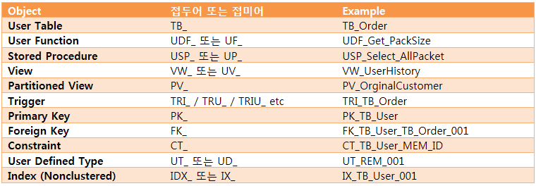
1. 일반적인 개체 명명규칙

2. DeskTop Application Project Package Structure
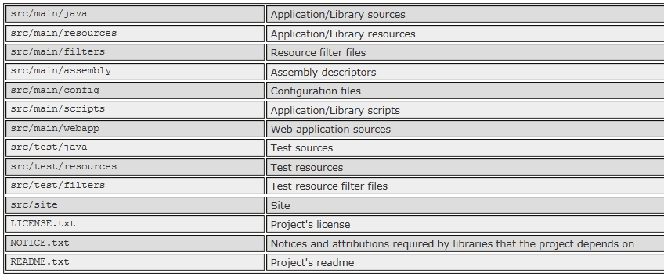

3. 생성 프로시저
create or replace procedure UP_MemberInfo
(param_mem_id in member.mem_id%type,
param_mem_pass in member.mem_pass%type,
rtn_mem_regno1 out member.mem_regno1%type,
rtn_mem_regno2 out member.mem_regno2%type)
is
BEGIN
select mem_regno1, mem_regno2 into rtn_mem_regno1, rtn_mem_regno2
from member
where mem_id = param_mem_id and mem_pass = param_mem_pass;
end;

4. 생성 펑션

create or replace function UF_MemberInfo
(param_mem_id in member.mem_id%type,
param_mem_pass in member.mem_pass%type)
return VARCHAR2
is
rtn_mem_like member.mem_like%type;
begin
select mem_like into rtn_mem_like
from member
where mem_id = param_mem_id
and mem_pass = param_mem_pass;
return trim(rtn_mem_like);
end;

5. 팩키지를 활용한 ResultSet 취득 프로시저
create or replace package pkg_UP_MemberInfoCursor
as
TYPE cursorType is ref CURSOR;
procedure UP_MemberInfoCursor(param_mem_id in member.mem_id%type,
param_mem_pass in member.mem_pass%type,
v_cursor out cursorType);
end;
/
create or replace package body pkg_UP_MemberInfoCursor
as
procedure UP_MemberInfoCursor(param_mem_id in member.mem_id%type,
param_mem_pass in member.mem_pass%type,
v_cursor out cursorType)
is
begin
open v_cursor for select mem_regno1 rtn_mem_regno1,
mem_regno2 rtn_mem_regno2,
mem_add1 rtn_mem_add1,
mem_add2 rtn_mem_add2
from member
where mem_id = param_mem_id
and mem_pass = param_mem_pass;
end;
end;
/

6. 파이프라인을 활용 객체 취득
 | (1) 간단한 pipeline의 활용 펑션 작성

 | create type array
 | as table of number
 | /

 | create or replace function getNumbers(v_num in number default null)
 | return array pipelined
 | as
 | begin
 | for i in 1..nvl(v_num, 9999) loop
 | pipe row(i);
 | end loop;
 | return;
 | end;
 | /

 | select * from table(getNumbers(3));

 | (2) 객체 정의 및 타입 선언으로 pipeline을 이용한 객체 반환 처리 펑션 작성

 | create or replace type memberBean_type as object(
 | mem_id varchar(15),
 | mem_pass varchar(15),
 | mem_name varchar(20),
 | mem_regno1 char(6),
 | mem_regno2 char(7),
 | mem_bir date,
 | mem_zip char(7),
 | mem_add1 varchar2(100),
 | mem_add2 varchar2(100));

 | create or replace type memberBean as table of memberBean_type;

 | create or replace function getMemberInfo(v_mem_id in member.mem_id%type,
 | v_mem_pass in member.mem_pass%type)
 | return memberBean
 | pipelined is memberBean_temp memberBean_type := memberBean_type(null, null, null, null, null, null, null, null, null);
 | begin
 | select mem_id, mem_pass, mem_name, mem_regno1, mem_regno2, mem_bir, mem_zip, mem_add1, mem_add2
 | into memberBean_temp.mem_id, memberBean_temp.mem_pass, memberBean_temp.mem_name, memberBean_temp.mem_regno1,
 | memberBean_temp.mem_regno2, memberBean_temp.mem_bir, memberBean_temp.mem_zip, memberBean_temp.mem_add1,
 | memberBean_temp.mem_add2
 | from member
 | where mem_id = v_mem_id and mem_pass = v_mem_pass;
 | -- memberBean_temp의 저장된 내용을 pipelined 설정시의 memberBean 테이블로 저장 처리
 | pipe row(memberBean_temp);
 | return;
 | end;

7. insert Query의 확장
 | create table tb_grade(
 | grade_code varchar2(10),
 | grade_name varchar2(30) not null,
 | grade_description varchar2(100)
 | constraints pk_grade primary key(grade_code)
 | );

 | create sequence grade_code_seq maxValue 9999;

