Sheet1
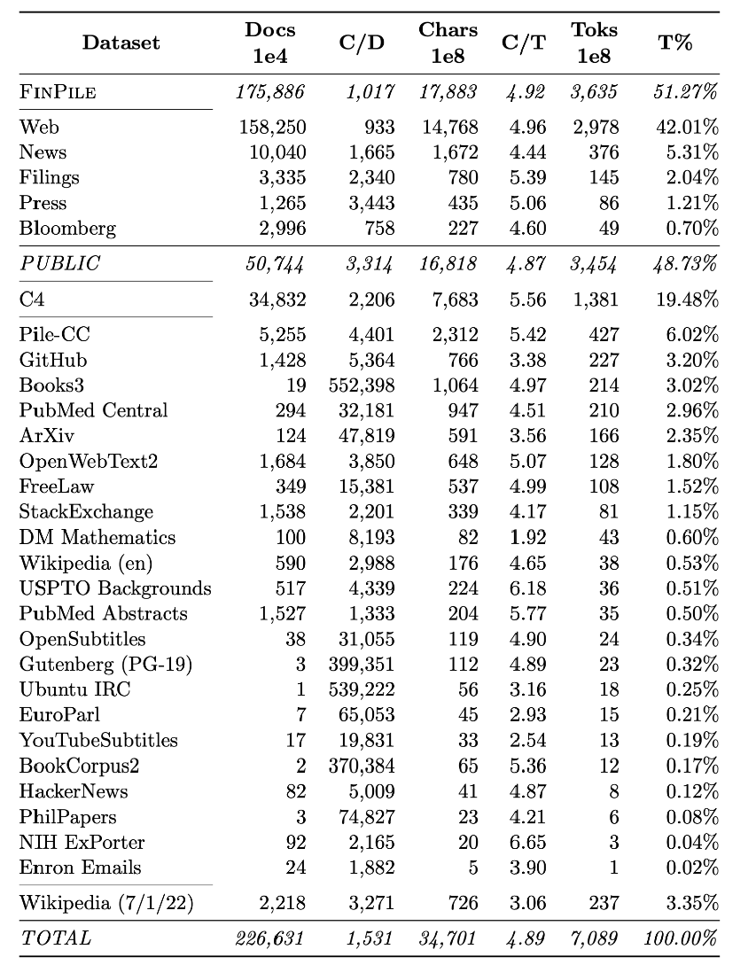
总共使用数据集：FINPILE， THE PILE， C4， and WIKIPEDIA
Dataset
 |  |  | DOCs | C/D | chars1e8 | C/T | Toks 1e8 | T% | NOTE（ DATA SOURCE）
FINPILE | (363B tokens – 51.27% of training) | WEB | 158250 | 933 | 14768 | 4.96 | 2978 | 42.01% | 指标说明：Breakdown of the full training set used to train BloombergGPT. The statistics provided are the average number of characters per document (“C/D”), the average number of characters per token (“C/T”), and the percentage of the overall tokens (“T%”). Units for each column are denoted in the header.
 | 数据类型 | News | 10040 | 1665 | 1672 | 4.44 | 376 | 5.31% | The News category includes all news sources excluding news articles written by Bloomberg journalists. Generally, the content in this dataset comes from reputable sources of news that are relevant to the ﬁnancial community so as to maintain factuality and reduce bias.
 |  | Filings | 3335 | 23440 | 780 | 5.39 | 145 | 2.04% | In our dataset, a ma ority of the ﬁlings come from EDGAR, which is the SEC’s online database (1.90% of total)
 |  | Press | 1265 | 3443 | 435 | 5.06 | 86 | 1.21% | The Press category contains press releases typically issued by companies that are ﬁnancially relevant.
 |  | Bloomberg | 2996 | 758 | 227 | 4.6 | 49 | 0.70%% | This category comprises Bloomberg authored news and other documents such as opinions and analyses. The largest sources are “Bloomberg News” (0.44% of total) and “Bloomberg First Word” (0.13% of total),
 |  | TOTAL | 175886 | 1017 | 17883 | 4.92 | 3635 | 51.27%
PIBULIC DATASET | (345B tokens – 48.73% of training)
THE PILE | 184B tokens – 25.9% of training |  |  |  |  |  |  |  | The Pile (Gao et al., 2021) is the dataset used in GPT-Neo (Black et al., 2021), GPT- J (Wang and Komatsuzaki, 2021), and GPT-NeoX (20B) (Black et al., 2022).
C4 | 138B tokens – 19.48% of training |  |  |  |  |  |  |  | The Colossal Clean Crawled Corpus (C4) is a common dataset used to train LLMs, and was introduced to support training T5 (Raﬀel et al., 2020).
WIKIPEDIA | 24B tokens – 3.35% of training |  |  |  |  |  |  |  | Both The Pile and C4 include out-of-date copies of Wikipedia, so it could be beneﬁcial for the factuality of the model to have up-to-date Wikipedia pages included. Therefore, we include a dump of English Wikipedia from July 1, 2022.

