サンプル製品カタログ
 |  | ITEM
NAME | color |  | lady's or men's | WOVEN or KNIT | picture | Composition | packingNo.
men's cotton parker | C/#Yellow | men's cotton parker SAMPLE CLOTHES | men's | WOVEN FABRIC | 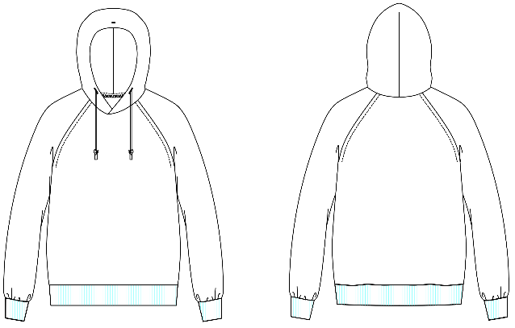 | FRONT COTTON 100% | 38

