サンプル製品カタログ
 |  | ITEM
NAME | color |  | lady's or men's | WOVEN or KNIT | picture | Composition | packingNo.
men's raglan T-shirt SAMPLE CLOTHES | c/#WHITE | cc25ss-04 sample | men's | KNIT FABRIC | 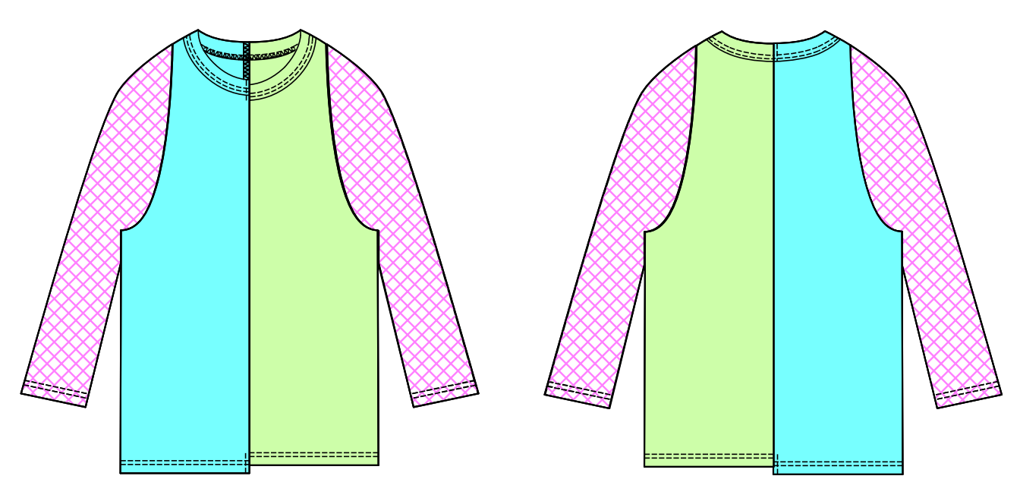 | COTTON100% | 11
men's hockey T-shirt SAMPLE CLOTHES | c/#BLACK | cc25ss-05 sample | men's | KNIT FABRIC | 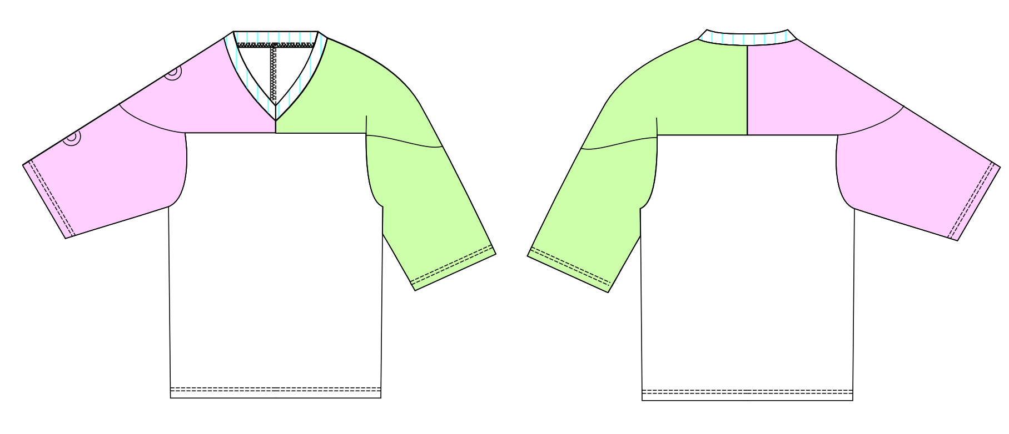 | COTTON100%
men's mesh parker SAMPLE CLOTHES | c/#GRAY | cc25ss-06 sample | men's | KNIT FABRIC | 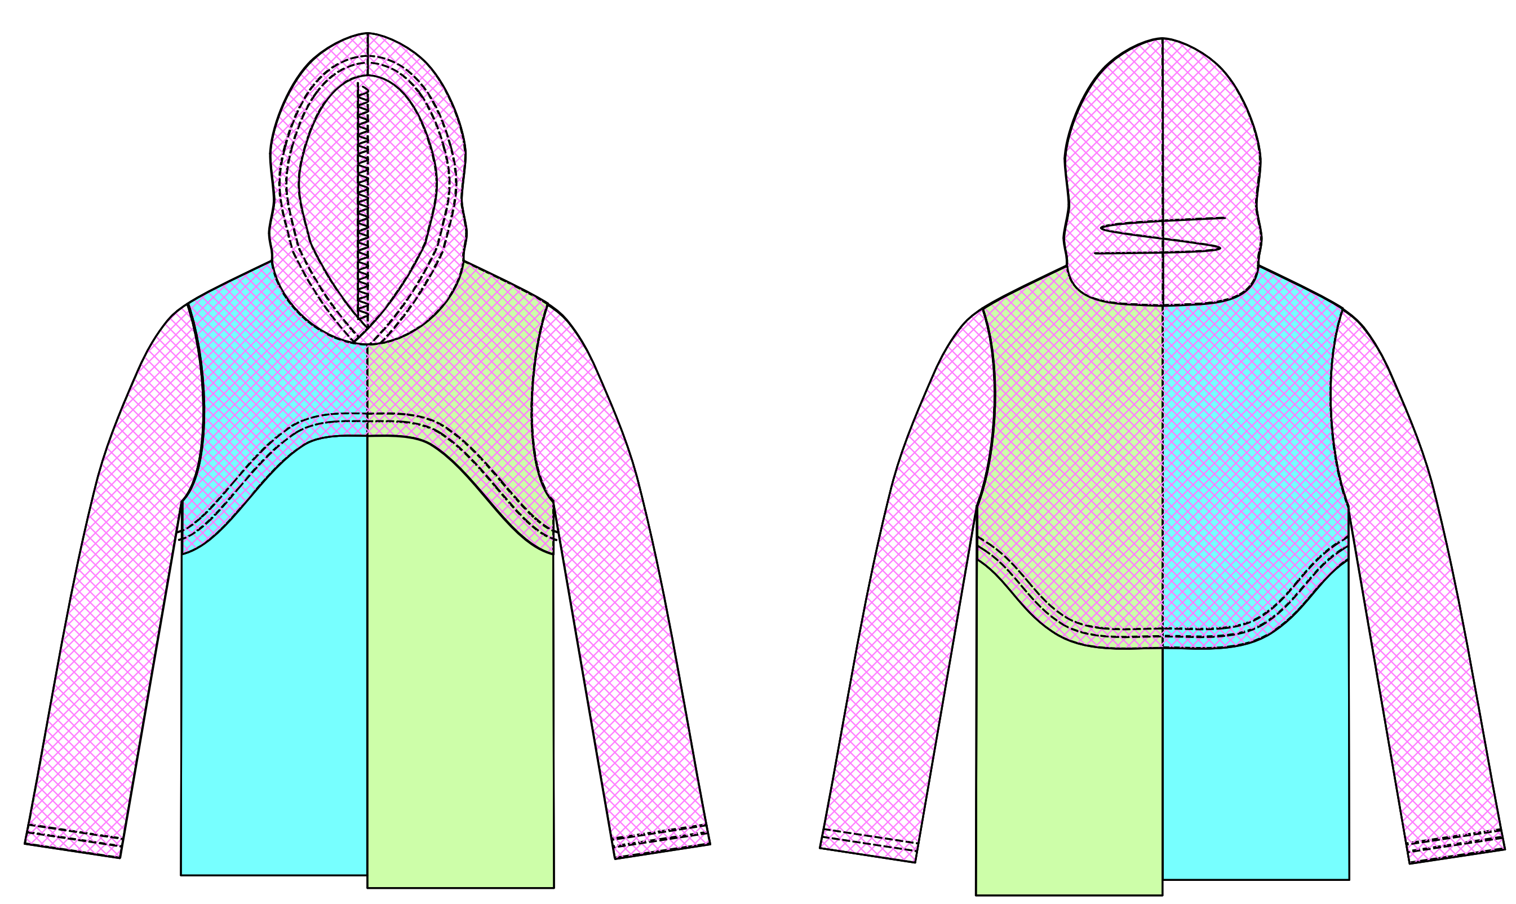 | COTTON100%
lady's scarf sailorshirt SAMPLE CLOTHES | c/#BROWN | cc25ss-23 sample | lady's | WOVEN FABRIC | 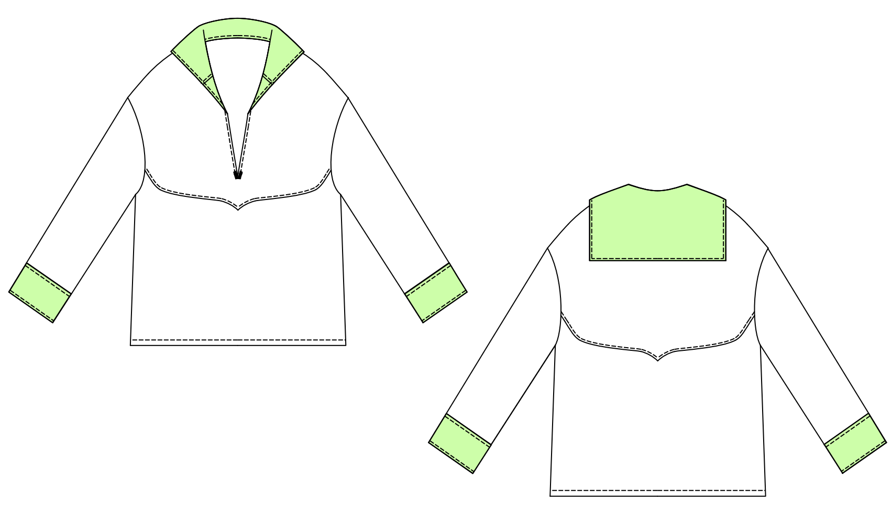 | POLYESTER100%
lady's shirring tops SAMPLE CLOTHES | c/#BLACK | cc25ss-45 sample | lady's | WOVEN FABRIC |  | POLYESTER100%
lady's shirring pants SAMPLE CLOTHES | c/#BLACK | cc25ss-46 sample | lady's | WOVEN FABRIC |  | POLYESTER100%
men's lipstop jacket SAMPLE CLOTHES | c/#WHITE | cc25ss-47 sample | men's | WOVEN FABRIC |  | POLYESTER100%
men's army pouch belt | c/#KHAKI | cc25ss-60 sample | men's | WOVEN FABRIC | 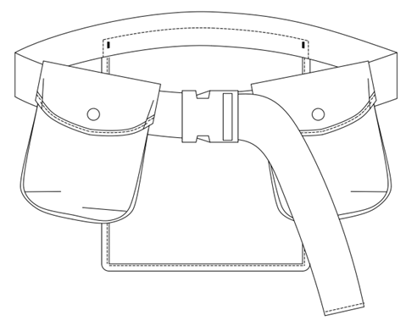 | NYLON100%
men's embroidery T-shirt① | c/#WHITE | bd-001 sample | men's | KNIT FABRIC | 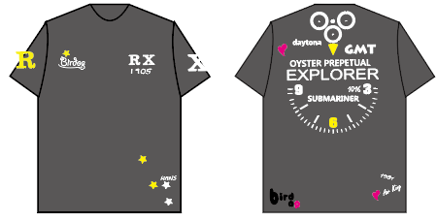 | COTTON100%
men's embroidery T-shirt② | c/#NAVY | bd-002 sample | men's | KNIT FABRIC |  | COTTON100%
men's embroidery pants | c/#BLACK | bd-003 sample | men's | KNIT FABRIC | 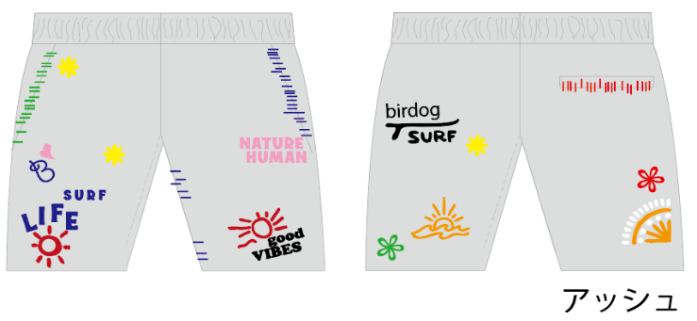 | COTTON100%
men's embroidery hat | c/#BLACK c/#BEIGE | bd-004 sample | men's | WOVEN FABRIC |  | COTTON100%
men's trench coat SAMPLE CLOTHES | c/#BLACK | 25S-JK01 sample | men's | WOVEN FABRIC | 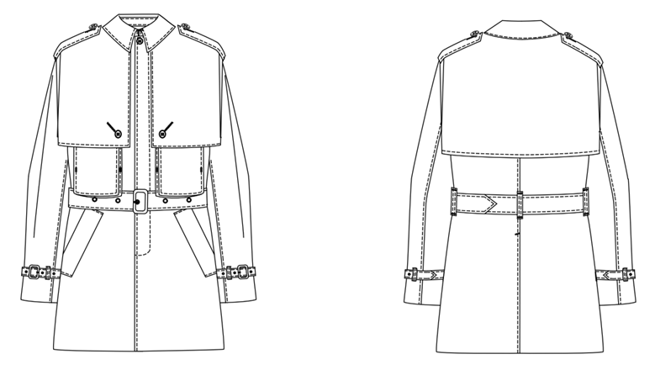 | COTTON72% POLYESTER28% | 12

