サンプル製品カタログ
 |  | ITEM
NAME | color |  | lady's or men's | WOVEN or KNIT | picture | Composition | packingNo.
men's crew neck used knit wear | C/#MIX | men's crew neck used knit wear | men's | KNIT FABRIC | 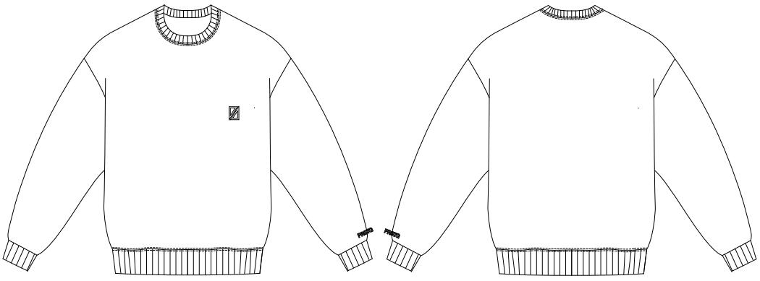 | cashmere 100% | 12

