サンプル製品カタログ
 |  | ITEM
NAME | color |  | lady's or men's | WOVEN or KNIT | picture | Composition | packingNo.
men's jacket SAMPLE CLOTHES | C/#BLACK | s25-so-00 SAMPLE | men's | WOVEN FABRIC | 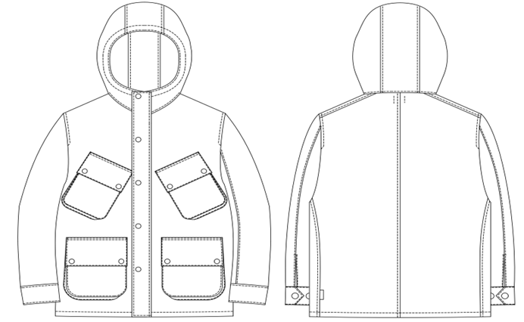 | NYLON90%、POLYURETHANE10% | 17
men's T-shirt SAMPLE CLOTHES | C/#BLACK | s25-so-05 SAMPLE | men's | KNIT FABRIC | 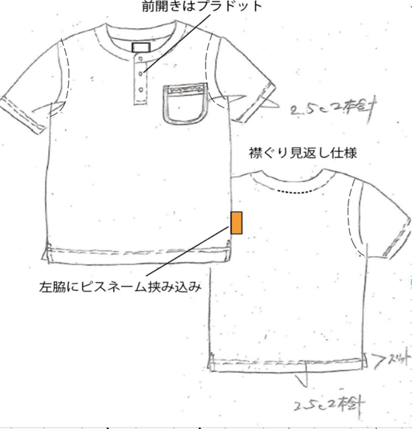 | POLYESTER100% | 17
men's T-shirt SAMPLE CLOTHES | C/#BLACK | s25-so-06 SAMPLE | men's | KNIT FABRIC | 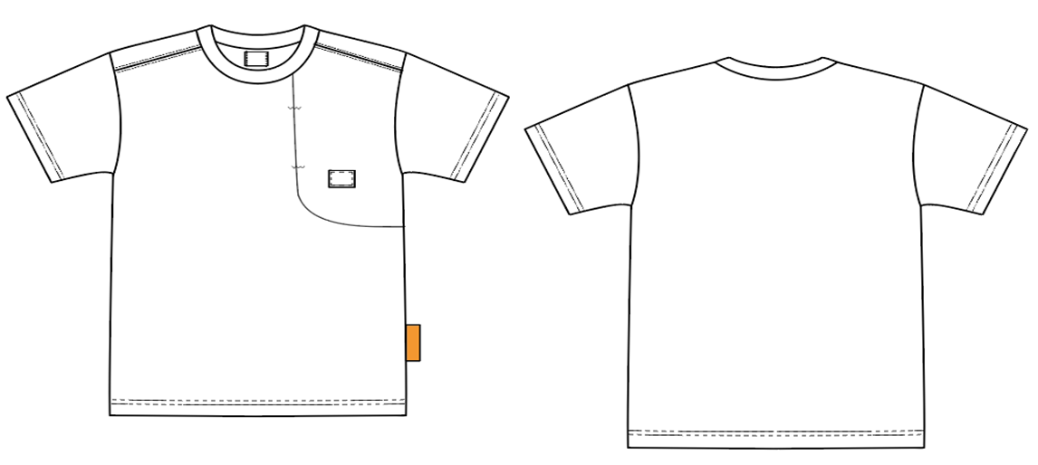 | POLYESTER100% | 17
men's tank top SAMPLE CLOTHES | C/#BLACK | s25-so-07 SAMPLE | men's | KNIT FABRIC | 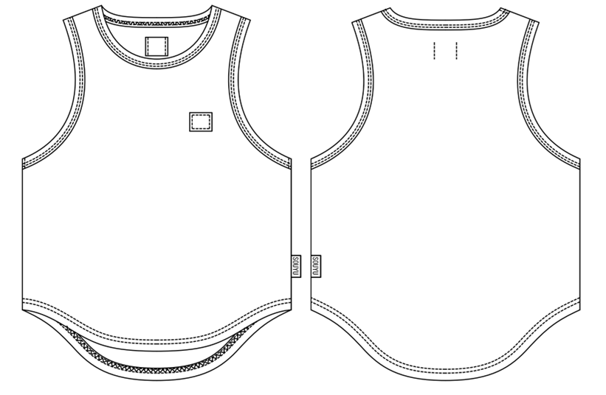 | POLYESTER100% | 17
men's short pants SAMPLE CLOTHES | C/#BLACK | s25-so-08 SAMPLE | men's | WOVEN FABRIC | 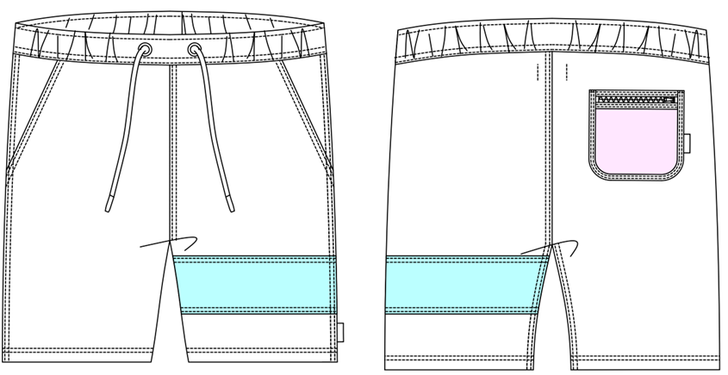 | NYLON85%、POLYURETHANE15% | 17

