サンプル製品カタログ
 |  | ITEM
NAME | color |  | lady's or men's | WOVEN or KNIT | picture | Composition | packingNo.
men'coat SAMPLE CLOTHES | C/#BROWN | 25A-CO01 SAMPLE | men's | WOVEN FABRIC | 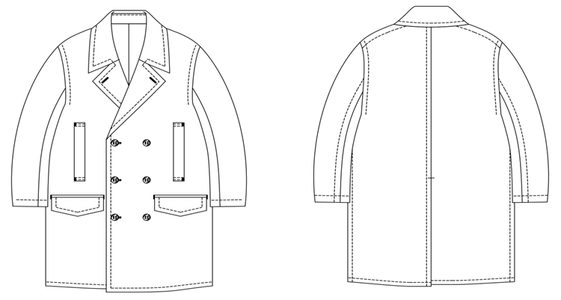 | WOOL65%、POLYESTER35% | 21
men's pants SAMPLE CLOTHES | C/#BROWN | 25A-PT01 SAMPLE | men's | WOVEN FABRIC | 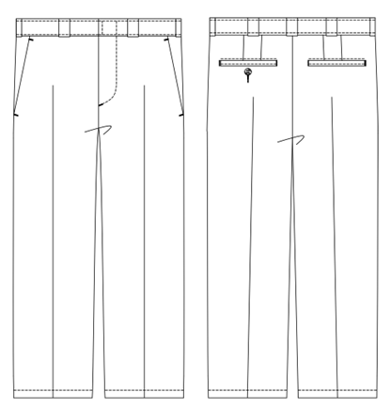 | WOOL100% | 21
men's pants SAMPLE CLOTHES | C/#BLACK | 25A-PT02 SAMPLE | men's | WOVEN FABRIC | 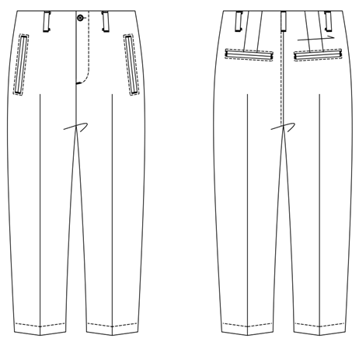 | WOOL100% | 21
men's pants SAMPLE CLOTHES | C/#BLACK | 25A-PT04 SAMPLE | men's | WOVEN FABRIC | 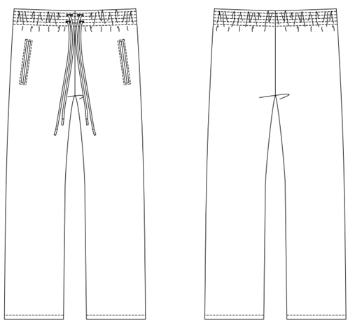 | POLYESTER100% | 21
men's shirt SAMPLE CLOTHES | C/#STRIPE | 25A-SH01 SAMPLE | men's | WOVEN FABRIC | 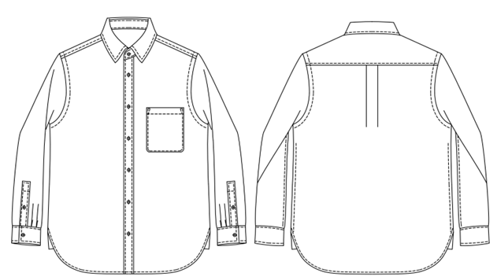 | COTTON100% | 21
lady's skirt SAMPLE CLOTHES | c/#BLUE | 25A-SK01 SAMPLE | lady's | WOVEN FABRIC | 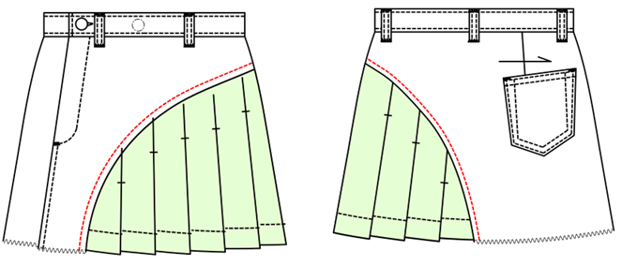 | COTTON100% 別布：POLYESTER100％ | 21

