サンプル製品カタログ
 |  | ITEM
NAME | color |  | lady's or men's | WOVEN or KNIT | picture | Composition | packingNo.
lady's shirt SAMPLE CLOTHES | C/#WHITE | 25A-SH02 sample | lady's | WOVEN FABRIC | 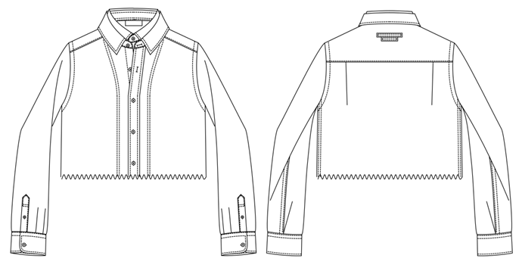 | COTTON100% | 8

