サンプル製品カタログ
 |  | ITEM
NAME | color |  | lady's or men's | WOVEN or KNIT | picture | Composition | packingNo.
men's shirt SAMPLE CLOTHES | C/#WHITE | 24SY-42 sample | men's | WOVEN FABRIC | 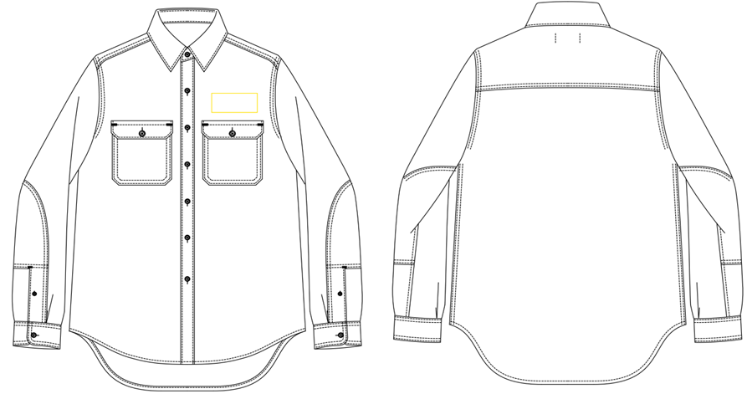 | COTTON100% | 7
men's MA-1 SAMPLE CLOTHES | c/#BLACK | 25SY-03 sample | men's | WOVEN FABRIC | 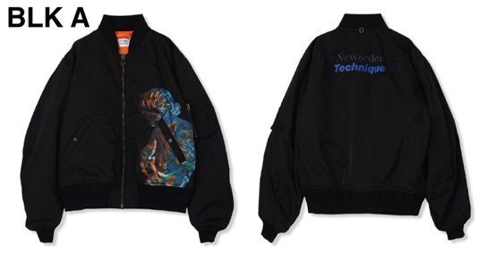 | POLYESTER100% | 7
men's jacket SAMPLE CLOTHES | c/#NAVY | 25SY-05 sample | men's | WOVEN FABRIC | 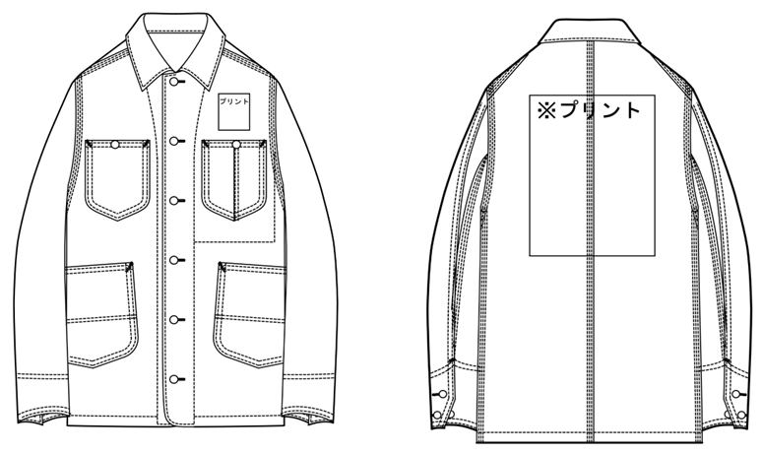 | COTTON100% | 7

