サンプル製品カタログ
 |  | ITEM
NAME | color | NO. | lady's or men's | WOVEN or KNIT | picture | Composition | packingNo.
knit collar parts cadet 2/48 | c/#BLACK | 25SY-03 | men's | KNIT FABRIC | 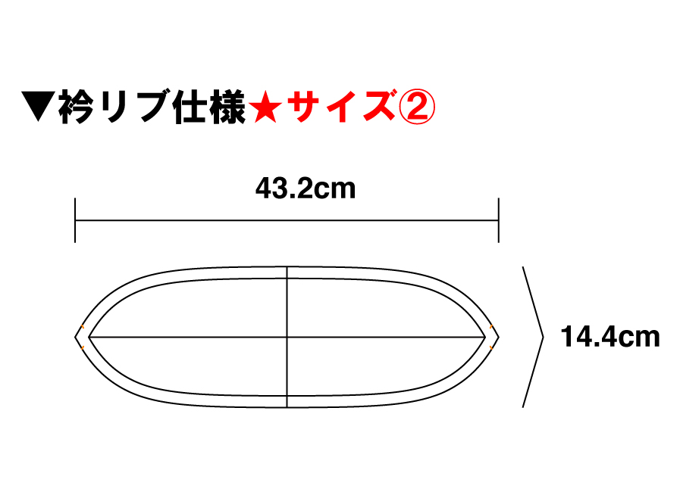 | WOOL30% ACRYLIC70％ | 1
knit sleeve parts cadet 2/48 | c/#BLACK | 25SY-03 | men's | KNIT FABRIC | 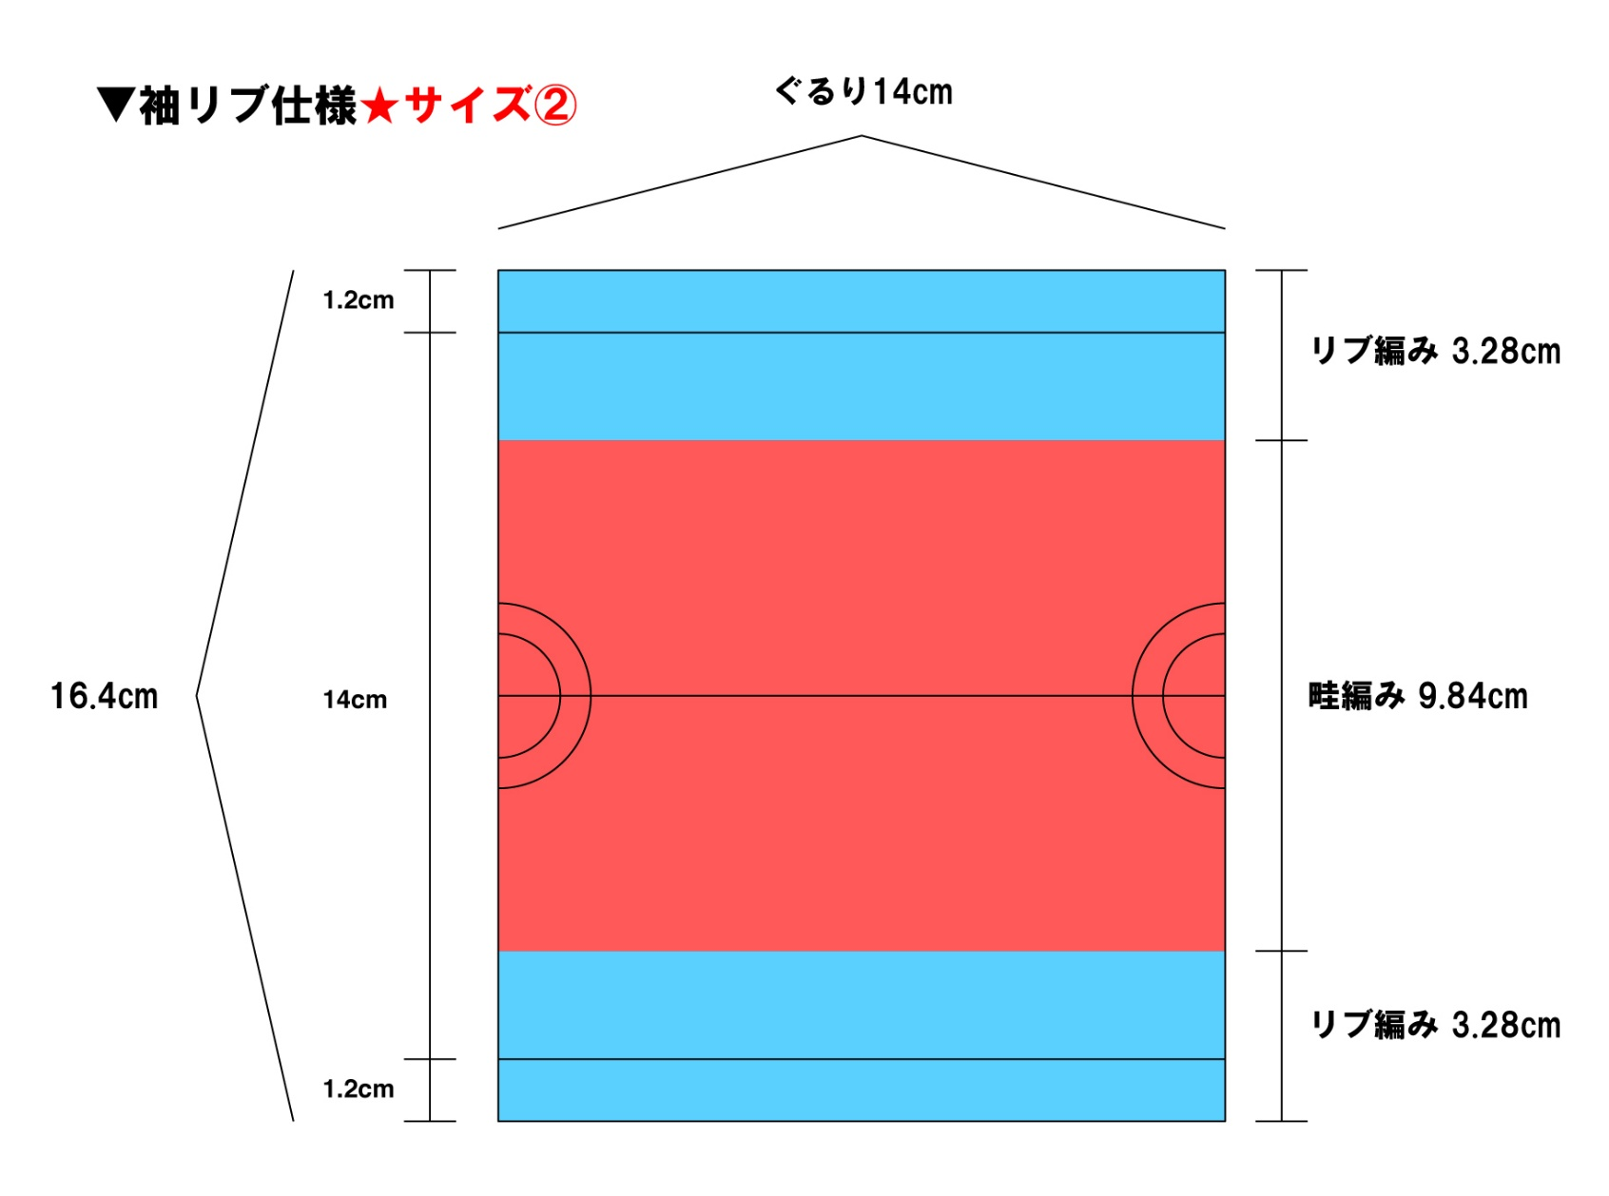 | WOOL30% ACRYLIC70％
knit hem parts cadet 2/48 | c/#BLACK | 25SY-03 | men's | KNIT FABRIC |  | WOOL30% ACRYLIC70％

