サンプル製品カタログ
 |  | ITEM
NAME | color | NO. | lady's or men's | WOVEN or KNIT | picture | Composition | packingNo.
'men's jacket SAMPLE CLOTHES | c/#MIX | SH-SV-NRS-1008 | men's | WOVEN FABRIC | 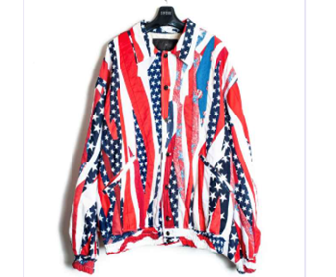 | WOOL30% ACRYLIC70％ | 3

