サンプル製品カタログ
 |  | ITEM
NAME | color |  | lady's or men's | WOVEN or KNIT | picture | Composition | packingNo.
men's jacket SAMPLE CLOTHES | C/#BLACK | 26S-JK01 sample | men's | WOVEN FABRIC | 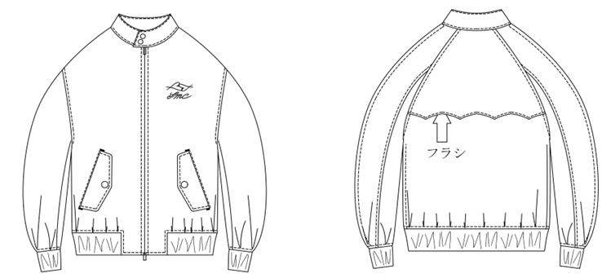 | COTTON 72% POLYESTER 28% | 33
men's shirt SAMPLE CLOTHES | c/#WHITE | 26S-SH01 sample | men's | WOVEN FABRIC | 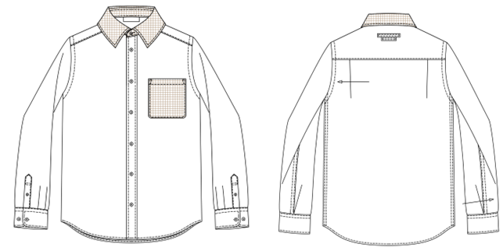 | COTTON100%
men's zipparker SAMPLE CLOTHES | c/#BLACK | 26S-CS01 sample | men's | KNIT FABRIC | 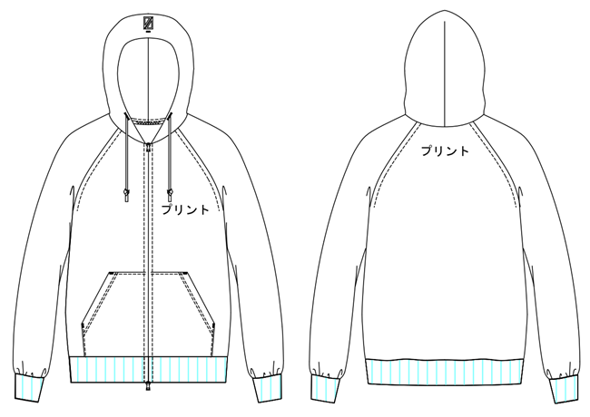 | COTTON100%
men's blouson SAMPLE CLOTHES | c/#BLACK | 26S-JK02 sample | men's | WOVEN FABRIC | 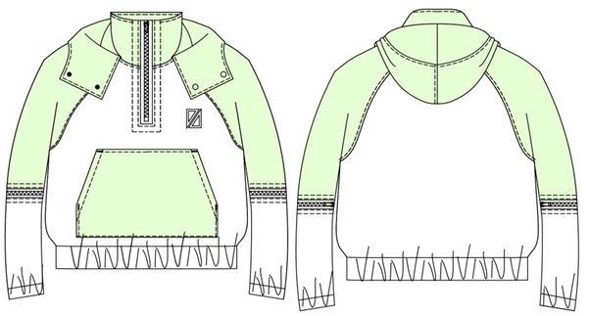 | NYLON 93% POLYURETHANE 7%
men's nylon jacket SAMPLE CLOTHES | c/#BLACK | 26S-JK3 sample | men's | WOVEN FABRIC | 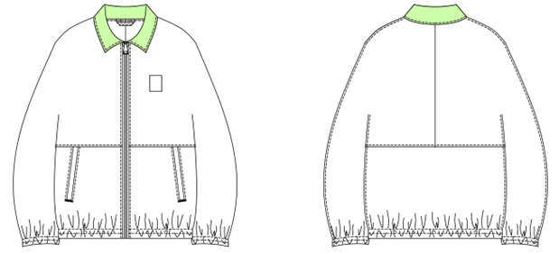 | NYLON 100%
men's denim pants SAMPLE CLOTHES | c/#BLUE | 26S-PT01 sample | men's | WOVEN FABRIC | 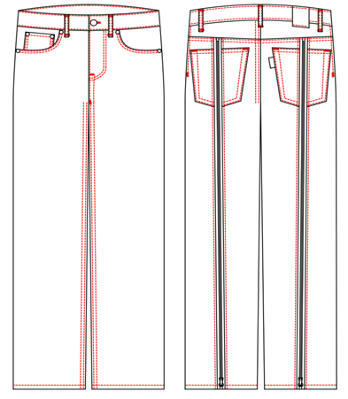 | COTTON100%
men's denim pants SAMPLE CLOTHES | c/#INDIGO | 26S-PT02 sample | men's | WOVEN FABRIC | 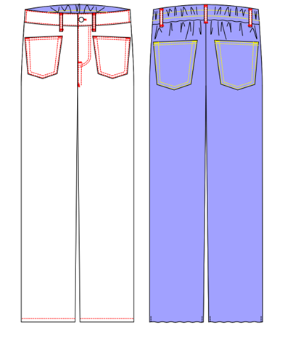 | COTTON100%
men's nylon pants SAMPLE CLOTHES | c/#BLACK | 26S-PT03 sample | men's | WOVEN FABRIC | 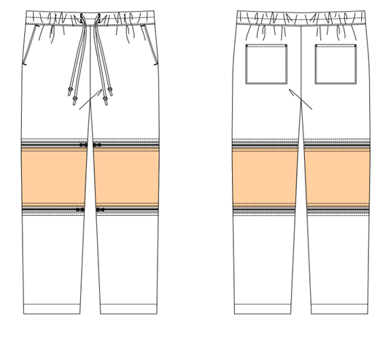 | NYLON 93% POLYURETHANE 7%
men's short pants SAMPLE CLOTHES | c/#BLACK | 26S-PT04 sample | men's | WOVEN FABRIC | 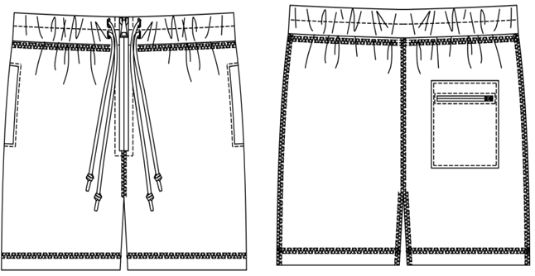 | NYLON 100%
men's pajamas pants SAMPLE CLOTHES | c/#ORANGE | 26S-PT05 sample | men's | WOVEN FABRIC | 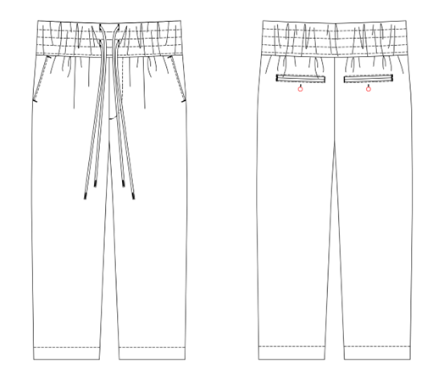 | VISCOSE100%
men's opencollar shirt SAMPLE CLOTHES | c/#KHAKI | 26S-SH03 sample | men's | WOVEN FABRIC | 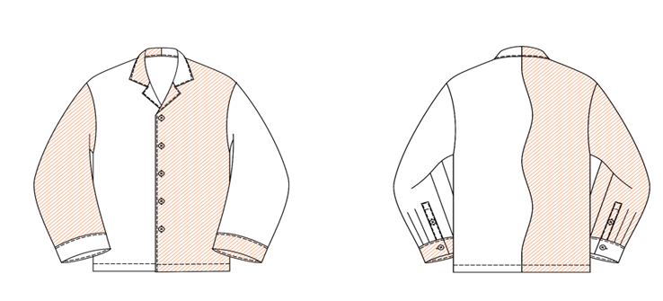 | VISCOSE100%
men's pajamas shirt SAMPLE CLOTHES | c/#ORANGE | 26S-SH04 sample | men's | WOVEN FABRIC | 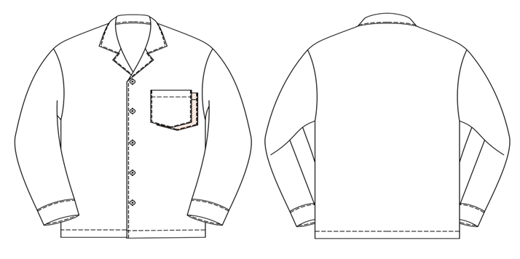 | VISCOSE100%

