サンプル製品カタログ
 |  | ITEM
NAME | color |  | lady's or men's | WOVEN or KNIT | picture | Composition | packingNo.
men's T-shirt SAMPLE CLOTHES | C/#WHITE c/#YELLOW | bd26-005 sample | men's | KNITFABRIC | 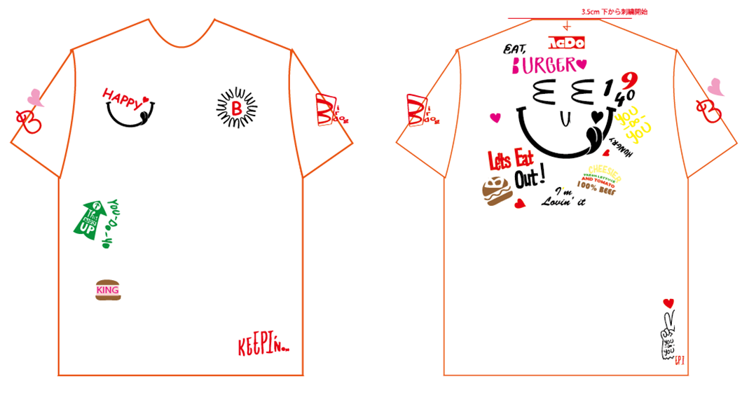 | COTTON 100% | 3

