サンプル製品カタログ
 |  | ITEM
NAME | color |  | lady's or men's | WOVEN or KNIT | picture | Composition | packingNo.
men's jersey pants SAMPLE CLOTHES | C/#NAVY | 26A-PT02 sample | men's | KNIT FABRIC | 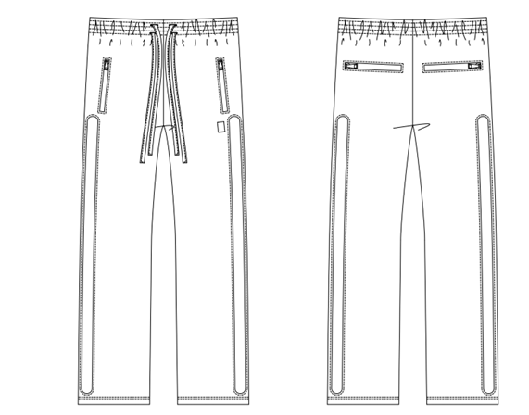 | POLYESTER 100% | 22
men's jersey bootcut pants SAMPLE CLOTHES | c/#BROWN | 26A-PT01 sample | men's | KNIT FABRIC | 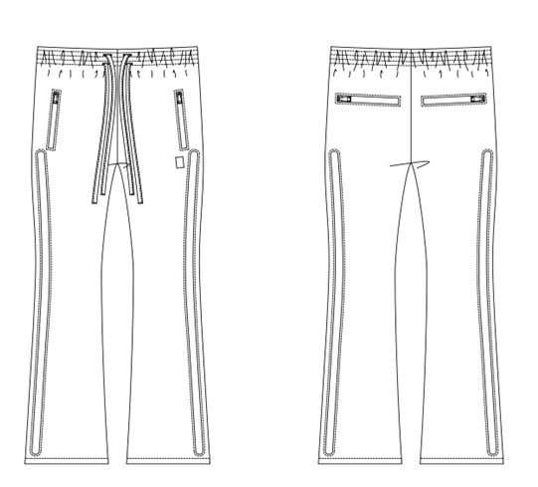 | POLYESTER 100%
men's cashmere T-shirt SAMPLE CLOTHES | c/#PINK | 25SY-15(23sy-AC04) sample | men's | KNIT FABRIC | 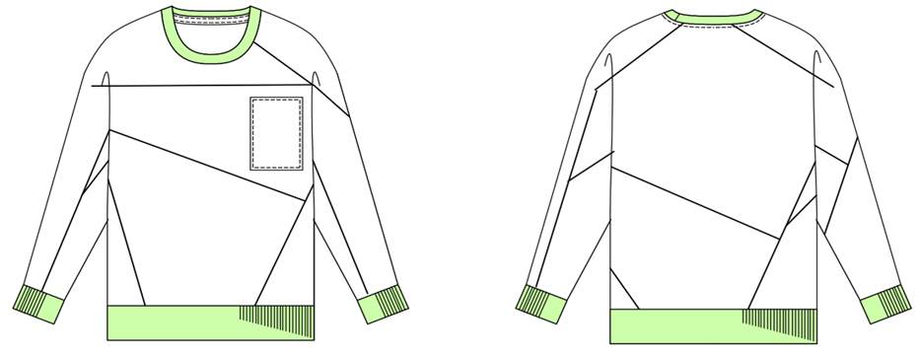 | CASHMERE 100%
men's cashmere jacket SAMPLE CLOTHES | c/#NAVY | 25SY-27(23sy-AC05) sample | men's | KNIT FABRIC | 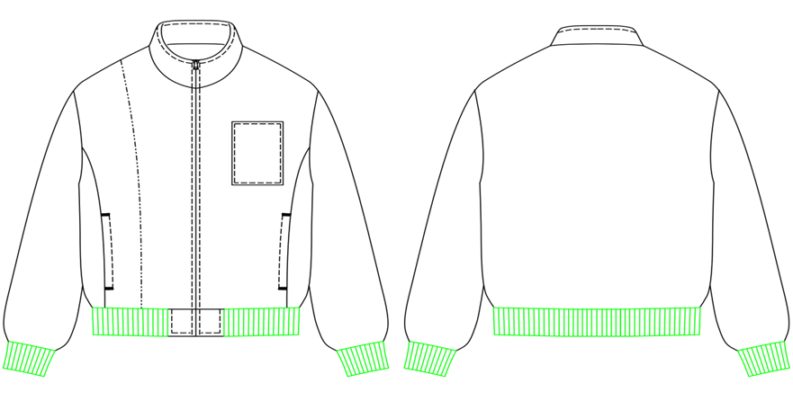 | CASHMERE 100%

