サンプル製品カタログ
 |  | ITEM
NAME | color |  | lady's or men's | WOVEN or KNIT | picture | Composition | packingNo.
men's coach jacket SAMPLE CLOTHES | BEIGE | 22SY-53 sample | men's | WOVEN |  | NYLON 100% | 22-23
men's twill pants SAMPLE CLOTHES | BLACK | 22SY-65 sample | men's | WOVEN |  | COTTON 95% PU5%
men's denim shirt SAMPLE CLOTHES | BLUE | 22SY-66 sample | men's | WOVEN | 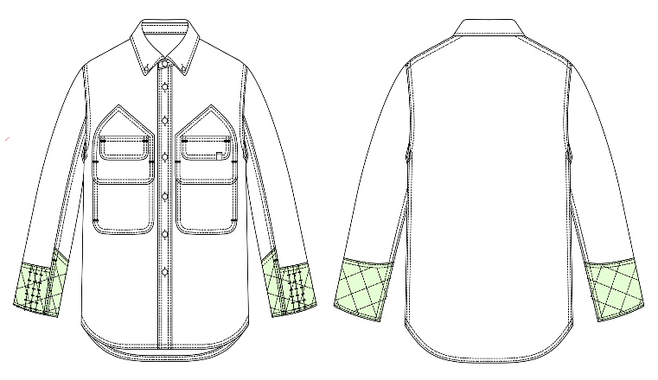 | COTTON 95% PU5%
men's pants SAMPLE CLOTHES | BLACK BEIGE | 25SY-43 sample | men's | WOVEN | 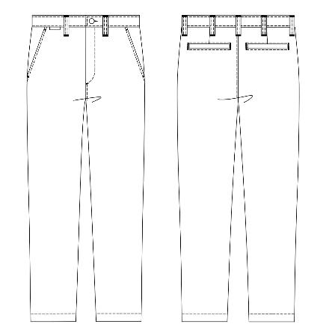 | POLYESTER65% COTTON35%
men's shirt SAMPLE CLOTHES | BLACK KHAKI | 25SY-44 sample | men's | WOVEN | 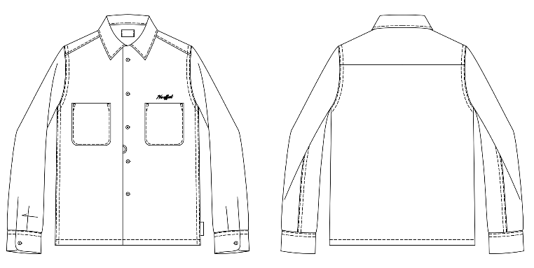 | LYOCELL 59% / POLYESTER 39% / POLYURETHANE 2%
men's knit tanktop SAMPLE CLOTHES | BLACK BEIGE | 25SY-45 sample | men's | WOVEN | 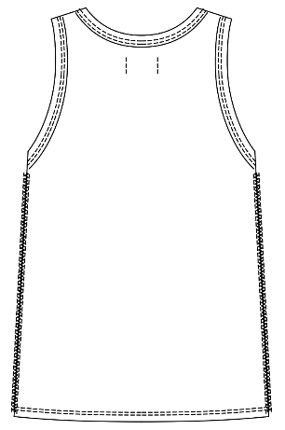 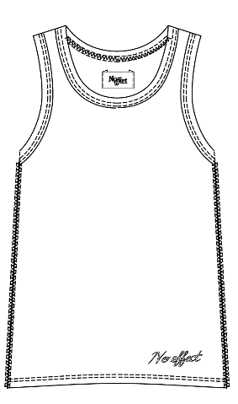 | COTTON 100%
men's corduroy jacket SAMPLE CLOTHES | BROWN | 26A-JK01 sample | men's | WOVEN | 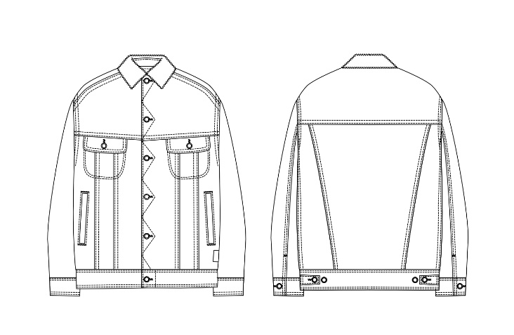 | COTTON 100%
men's denim jacket SAMPLE CLOTHES | BLUE | 26A-JK02 sample | men's | WOVEN | 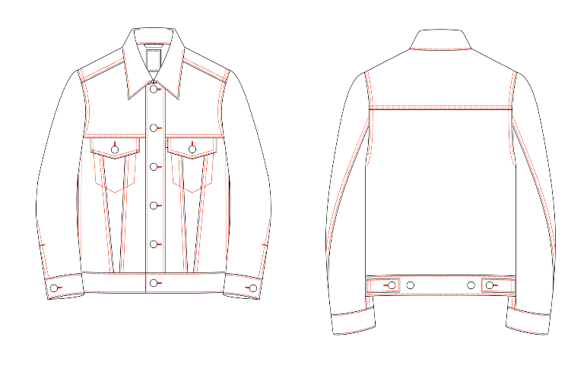 | COTTON 100%
men's jersey jacket SAMPLE CLOTHES | NAVY | 26A-JK03sample | men's | WOVEN |  | POLYESTER 100%
men's denim pants SAMPLE CLOTHES | BLUE | 26A-PT03 sample | men's | WOVEN | 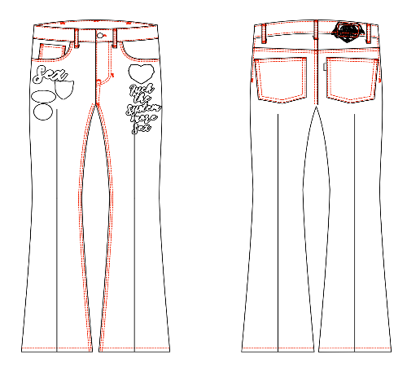 | COTTON 100%
men's denim pants SAMPLE CLOTHES | BLACK | 26A-PT04 sample | men's | WOVEN |  | COTTON 100%
men's boa jacket SAMPLE CLOTHES | BEIGE | cc26aw-46 sample | men's | WOVEN | 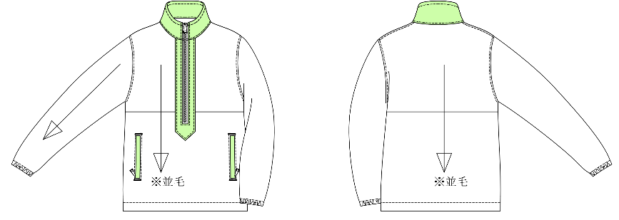 | PILE：ACRYLIC 100% / GROUND：POLYESTER 100%

