サンプル製品カタログ
 |  | ITEM
NAME | color |  | lady's or men's | WOVEN or KNIT | picture | Composition | packingNo.
men's cotton shirt SAMPLE CLOTHES | BLUE | 26SY-07(26A-SH01) sample | men's | WOVEN | 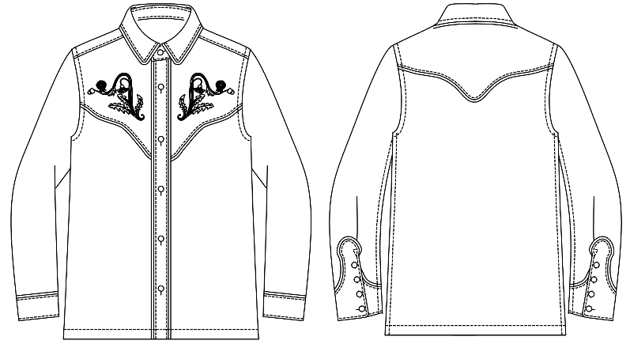 | COTTON 100% | 8
men's Velour jacket SAMPLE CLOTHES | BLACK | 26SY-06(26A-JK04) sample | men's | WOVEN | 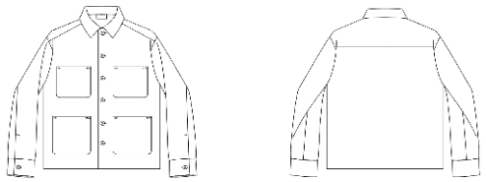 | COTTON 70% POLYESTER 30%

