サンプル製品カタログ
 |  | ITEM
NAME | color |  | lady's or men's | WOVEN or KNIT | picture | Composition | packingNo.
MEN’S COTTON JACKET SAMPLE CLOTHES | BLUE | AND-574200 sample | men's | WOVEN | 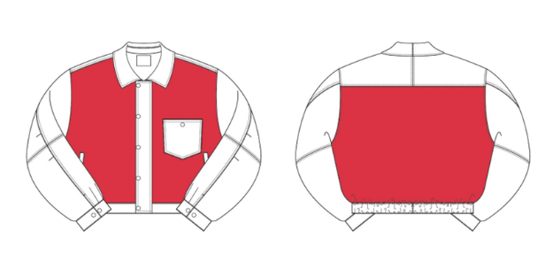 | COTTON 100% | 7-10
MEN’S COTTON T-SHIRT SAMPLE CLOTHES | BLACK | bd26-008 sample | men's | KNIT |  | COTTON 100%
MEN’S COTTON CARDIGAN SAMPLE CLOTHES | BLACK | bd26-009 sample | men's | KNIT |  | COTTON 100%

