サンプル製品カタログ
 |  | ITEM
NAME | color |  | lady's or men's | WOVEN or KNIT | picture | Composition | packingNo.
men's jacket SAMPLE CLOTHES | C/#MULTI | SH-SV-NGA-1007 SAMPLE | men's | WOVEN FABRIC |  | COTTON100% | 9
men's coat SAMPLE CLOTHES | C/#MULTI | KN-SV-NGA-1004 SAMPLE | men's | WOVEN FABRIC |  | COTTON100% | 9
men's used T-shirt | C/#MIX | men's used T-shirt | men's | KNIT FABRIC | 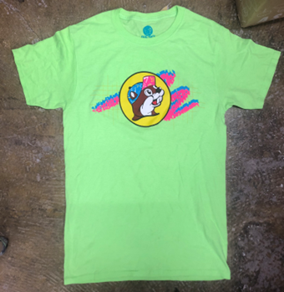 | COTTON100% | 12-13

