シート1
 | json | python |  | json | python
動き |  |  | 見た目 |  |  | 音 |  | ペン |  | データ(変数、リスト）
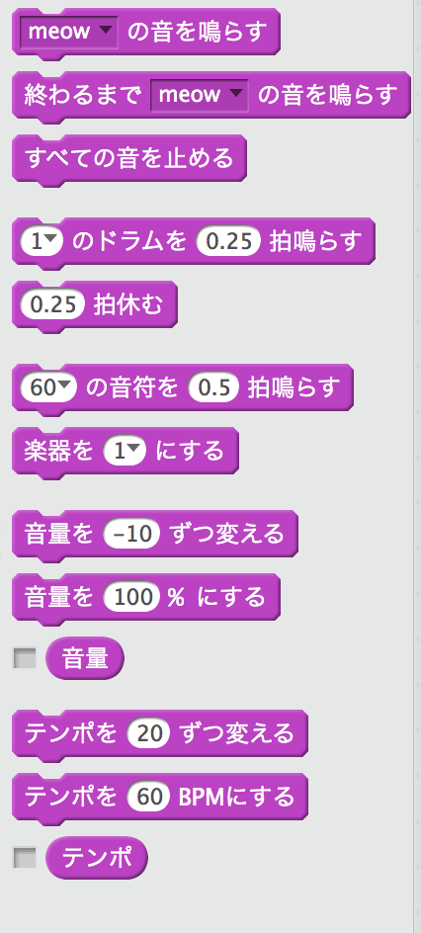
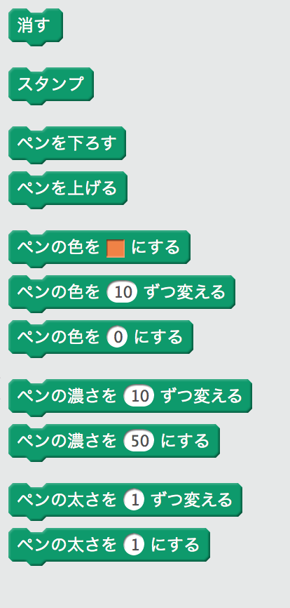
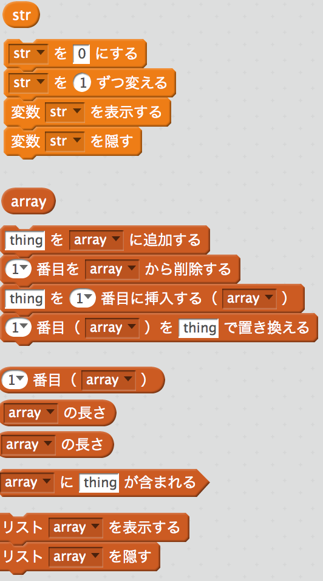
 | ["forward:", 10] |  |  | ["say:duration:elapsed:from:", "Hello!", 2] |  |  | ["playSound:", "meow"] |  | ["clearPenTrails"] |  | ["readVariable", "str"]
 |  |  |  | ["say:", "Hello!"] |  |  | ["doPlaySoundAndWait", "meow"] |  |  |  | ["setVar:to:", "str", 0]
 | ["turnRight":, 15] |  |  | ["think:duration:elapsed:from:", "Hmm...", 2] |  |  | ["stopAllSounds"] |  | ["stampCostume"] |  | ["changeVar:by:", "str", 1]
 | ["turnLeft":, 15] |  |  | ["think:", "Hmm..."] |  |  |  |  |  |  | ["showVariable:", "str"]
 |  |  |  |  |  |  | ["playDrum", 1, 0.25] |  | ["putPenDown"] |  | ["hideVariable:", "str"]
 | ["heading:", 90] |  |  | ["show"] |  |  | ["rest:elapsed:from:", 0.25] |  | ["putPenUp"]
 | ["pointTowards:", "mouse-pointer"] |  |  | ["hide"] |  |  |  |  |  |  | ["contentsOfList:", "array"]
 |  |  |  |  |  |  | ["noteOn:duration:elapsed:from:", 60, 0.5] |  | ["penColor:", 1465286]
 | ["gotoX:y:", 0, 0] |  |  | ["lookLike:", "costume2"] |  |  | ["instrument:", 1] |  |  |  | ["append:toList:", "thing", "array"]
 |  |  |  | ["nextCostume"] |  |  |  |  | ["changePenHueBy:", 10] |  | ["deleteLine:ofList:", 1, "array"
 | ["gotoSpriteOrMouse", "_mouse_"] |  |  | ["startScene", "backdrop1"] |  |  | ["changeVolumeBy:", -10] |  | ["setPenHueTo:", 0] |  | ["insert:at:ofList:", "thing", 1, "array"]
 |  |  |  |  |  |  | ["setVolumeTo:", 100] |  |  |  | ["setLine:ofList:to:", 1, "array", "thing"]
 | ["glideSecs:toX:y:elapsed:from:", 1, 0, 0] |  |  | ["changeGraphicEffect:by:", "color", 25] |  |  | [29, 320, [["volume"]]] |  | ["changePenShadeBy:", 10]
 |  |  |  | ["setGraphicEffect:to:", "color", 0] |  |  |  |  | ["setPenShadeTo:", 50] |  | ["getLine:ofList:", 1, "array"]
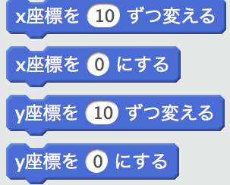
 | ["changeXposBy:", 10] |  |  | ["filterReset"] |  |  | [29, 352, [["changeTempoBy:", 20] |  |  |  | ["lineCountOfList:", "array"
 | ["xpos:", 0] |  |  |  |  |  | ["setTempoTo:", 60] |  | ["changePenSizeBy:", 1] |  | ["lineCountOfList:", "array"]
 |  |  |  | ["changeSizeBy:", 10] |  |  | [28, 418, [["tempo"]]] |  |  |  | ["list:contains:", "array", "thing"]
 | ["changeYposBy:", 10] |  |  | ["setSizeTo:", 100] |  |  |  |  | ["penSize:", 1]
 | ["ypos", 0] |  |  |  |  |  |  |  |  |  | ["showList:", "array"]
 |  |  |  | ["comeToFront"] |  |  |  |  |  |  | ["hideList:", "array"]
 | ["bounceOffEdge"] |  |  | ["goBackByLayers:", 1]

 | ["setRotationStyle", "left-right"] |  |  | [21, 526, [["costumeIndex"]]]
 |  |  |  | [25, 557, [["sceneName"]]]
 | ["xpos"] |  |  | [26, 589, [["scale"]]]]
 | ["ypos"]
 | ["heading"]

イベント |  |  | 制御 |  |  | 調べる |  | 演算 |  | その他
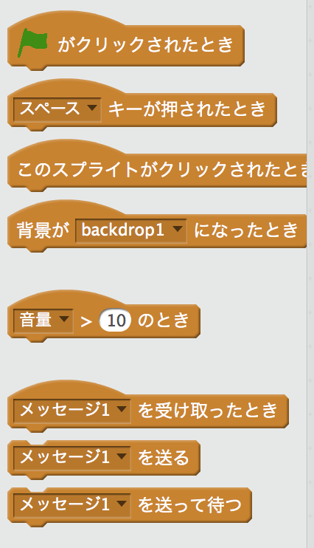
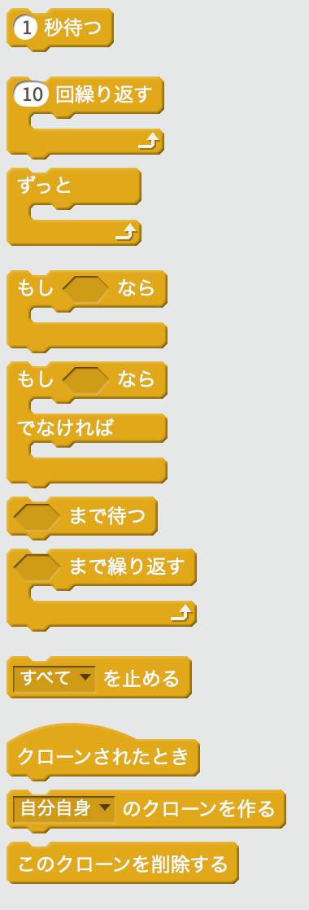
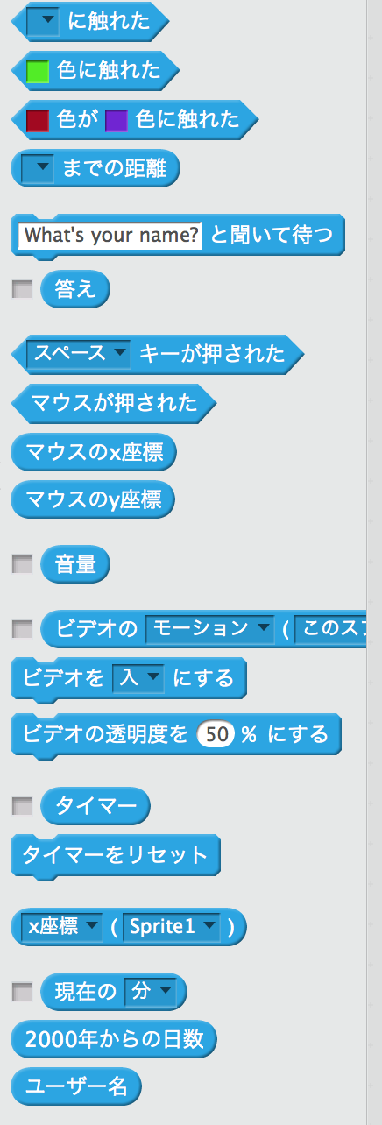
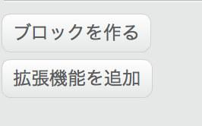
 | ["whenGreenFlag"] |  |  | ["wait:elapsed:from:", 1] |  |  | ["touching:", ""] |  | ["+", "", ""]
 | ["whenKeyPressed", "space"] |  |  |  |  |  | ["touchingColor:", 10687823] |  | ["-", "", ""]
 |  |  |  | ["doRepeat", 10, null] |  |  | ["color:sees:", 9965227, 10389541 |  | ["*", "", ""]
 | ["whenClicked"] |  |  |  |  |  | ["distanceTo:", ""] |  | ["\/", "", ""]
 | ["whenSceneStarts", "backdrop1"] |  |  | ["doForever", null]
 |  |  |  |  |  |  | ["doAsk", "What's your name?"] |  | ["randomFrom:to:", 1, 10]
 |  |  |  |  |  |  | ["answer"]
 | ["whenSensorGreaterThan", "loudness", 10] |  |  | ["doIf", false, null] |  |  | ["keyPressed:", "space"] |  | ["<", "", ""]
 |  |  |  |  |  |  | ["mousePressed"] |  | ["=", "", ""]
 | ["whenIReceive", "メッセージ1"] |  |  |  |  |  | ["mouseX"] |  | [">", "", ""]
 | ["broadcast:", "メッセージ1"] |  |  | ["doIfElse", false, null, null] |  |  | ["mouseY"]
 | ["doBroadcastAndWait", "メッセージ1"] |  |  |  |  |  |  |  | ["&", false, false]
 |  |  |  |  |  |  | ["soundLevel"] |  | ["|", false, false]
 |  |  |  | ["doWaitUntil", false] |  |  | ["senseVideoMotion", "motion", "this sprite"]
 |  |  |  |  |  |  | ["setVideoState", "on"] |  | ["not", false]
 |  |  |  | ["doUntil", false, null] |  |  | ["setVideoTransparency", 50]
 |  |  |  |  |  |  |  |  | ["concatenate:with:", "hello ", "world"]
 |  |  |  | ["stopScripts", "all"]] |  |  | ["timer"] |  | ["letter:of:", 1, "world"]
 |  |  |  |  |  |  | ["timerReset"] |  | ["stringLength:", "world"]

 |  |  |  | ["whenCloned"] |  |  | ["getAttribute:of:", "x position", "Sprite1"] |  | ["%", "", ""]
 |  |  |  | ["createCloneOf", "_myself_"] |  |  | ["timeAndDate", "minute"] |  | ["rounded", ""]
 |  |  |  | ["deleteClone"] |  |  | ["timestamp"]
 |  |  |  |  |  |  | ["getUserName"] |  | ["computeFunction:of:", "sqrt", 9]

