AI图片总表
K198 | AI生成图片 | 对应概述文本 | 所在页面 | 页面链接 | 实拍图（待补充） | 当前图片路径
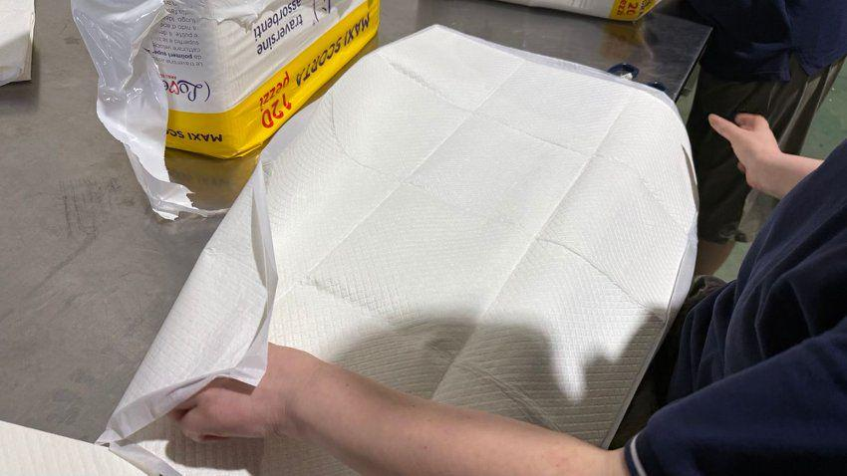 |  | 宠物卫生用品自动化生产线与洁净生产车间 | 首页 Manufacturing capability for OEM pet pad supply. OEM/ODM Pet Pad Manufacturing Process 等4个页面（详见“页面明细”） | https://www.jczcare.com/ https://www.jczcare.com/factory 其余链接见“页面明细” | 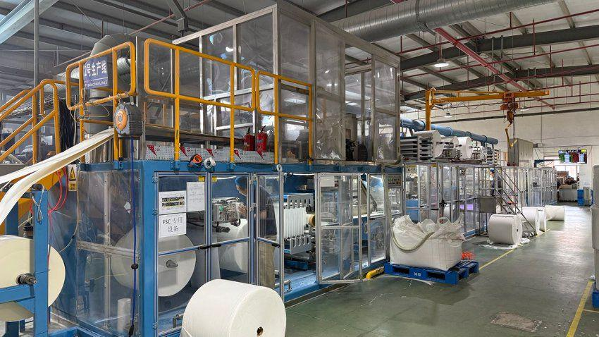 | /images/oem/production/production-line-clean.png | 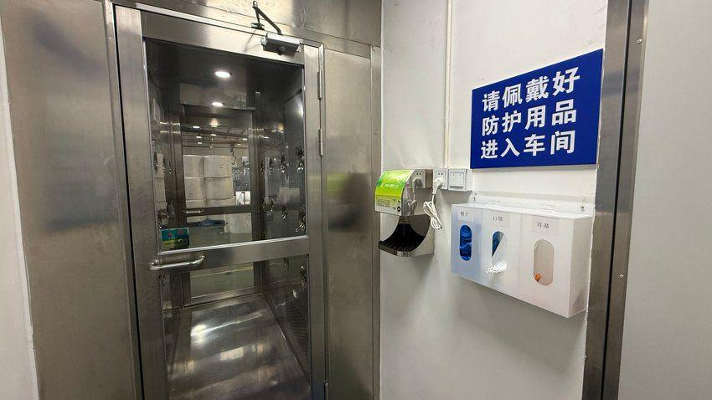 | 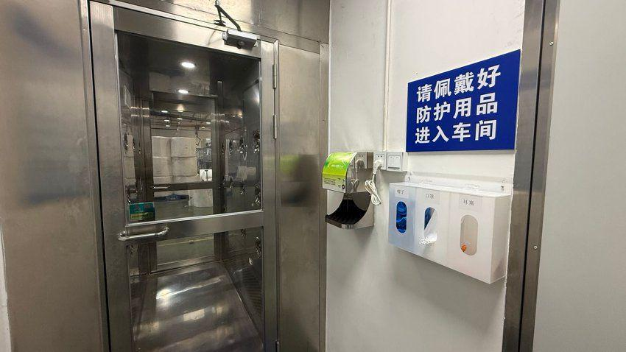 | 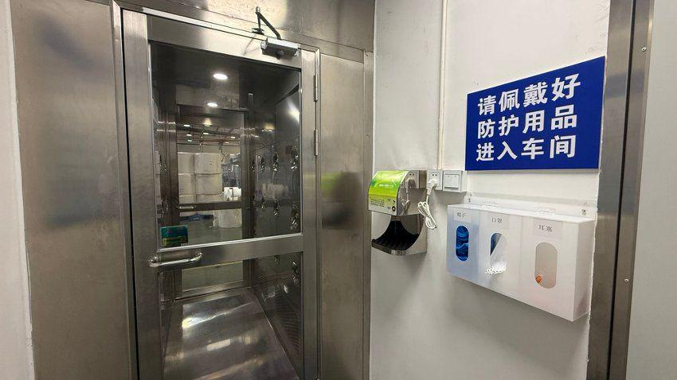 | 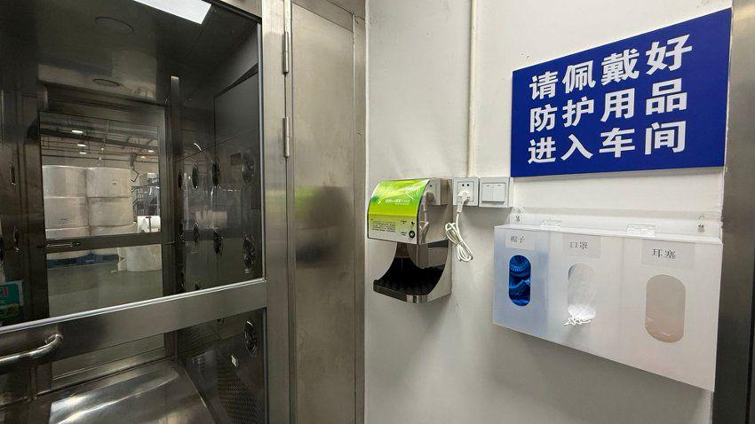
 |  | 一次性宠物训练尿垫产品展示 | 首页 Build stronger OEM knowledge before you source Manufacturing knowledge written for professional buyers 等160个页面（详见“页面明细”） | https://www.jczcare.com/ https://www.jczcare.com/academy 其余链接见“页面明细” | 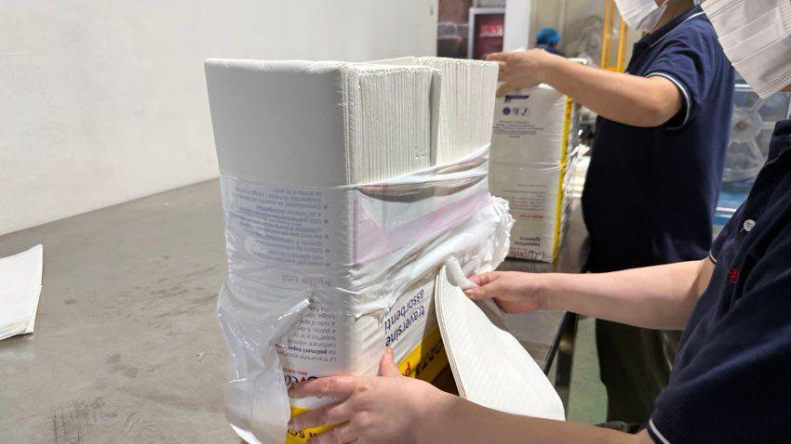 | /images/oem/products/custom-disposable-pet-pads-premium.png | 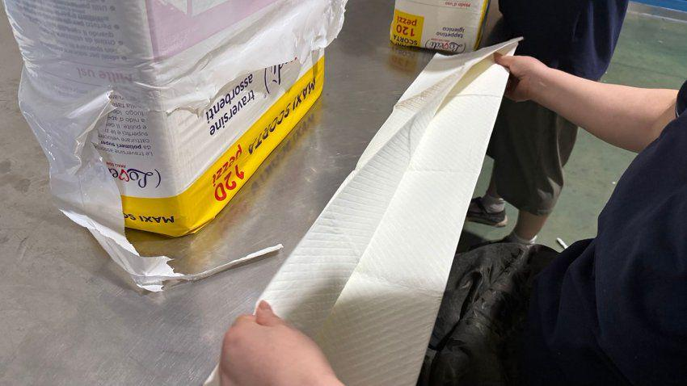 | 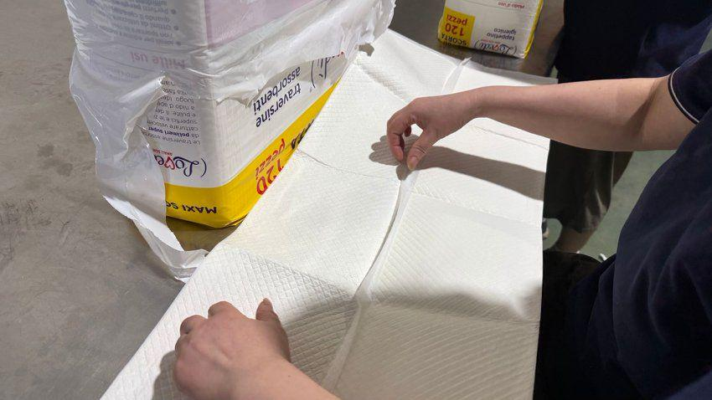 |  |  |  | 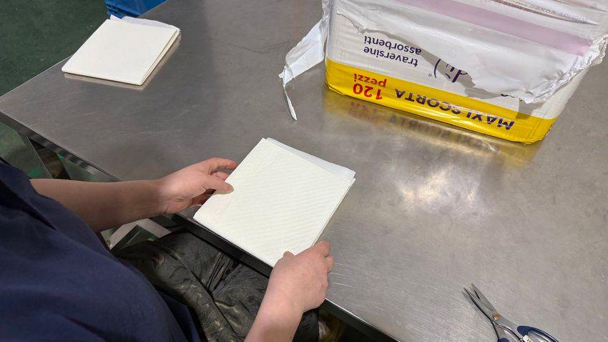
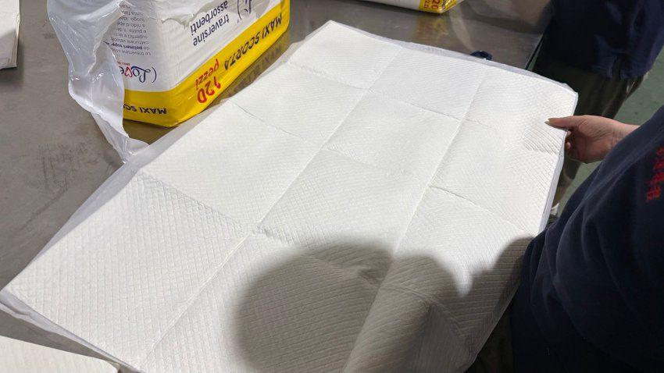 | 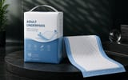 | 成人护理垫产品展示 | 首页 Build stronger OEM knowledge before you source Manufacturing knowledge written for professional buyers 等86个页面（详见“页面明细”） | https://www.jczcare.com/ https://www.jczcare.com/academy 其余链接见“页面明细” |  | /images/oem/products/adult-underpads-hero.png
4 |  | 宠物护理垫与手套湿巾零售包装展示 | 首页 Amazon Private-Label Pet Product Guide Barcode Guide for Private-Label Pet Products 等14个页面（详见“页面明细”） | https://www.jczcare.com/ https://www.jczcare.com/buyer-guides/amazon-private-label-guide 其余链接见“页面明细” |  | /images/oem/products/custom-care-pad-packaging-ai.png
5 |  | 宠物吸水纸片及吸收芯材料展示 | 首页 Adult Underpad Procurement Guide Fluff Pulp Buyer Guide for Absorbent Cores 等32个页面（详见“页面明细”） | https://www.jczcare.com/ https://www.jczcare.com/buyer-guides/adult-underpad-procurement-guide 其余链接见“页面明细” | 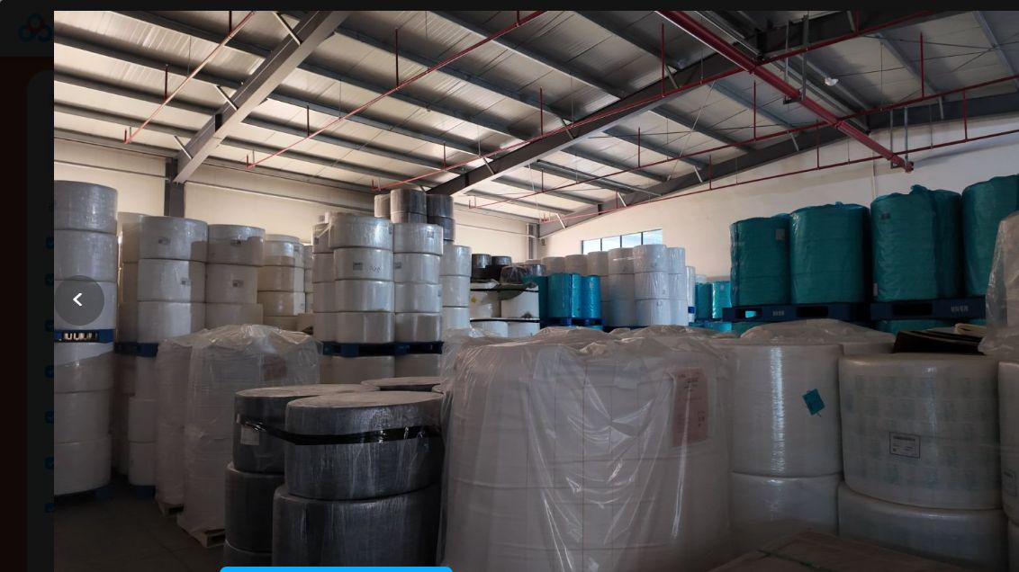 | /images/oem/products/custom-absorbent-paper-ai.png | 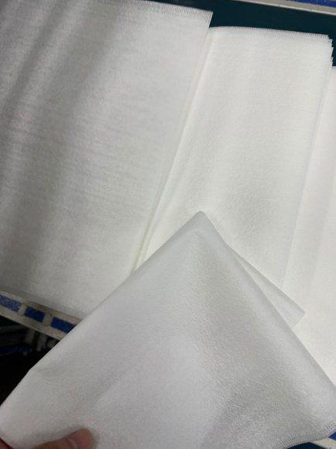
6 |  | 定制宠物拾便袋产品展示 | 首页 Container Loading Guide for Pet Products Dog Poop Bag Procurement Guide 等60个页面（详见“页面明细”） | https://www.jczcare.com/ https://www.jczcare.com/buyer-guides/container-loading-buyer-guide 其余链接见“页面明细” |  | /images/oem/products/custom-pet-waste-bags-ai.png /images/custom-pet-waste-bags-ai.png /images/oem/products/custom-pet-waste-bags-ai.webp
7 | 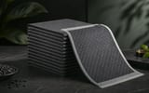 | 活性炭除味宠物尿垫产品展示 | 首页 ODM Pet Product Development Guide How to Write a Pet Pad Specification 等8个页面（详见“页面明细”） | https://www.jczcare.com/ https://www.jczcare.com/buyer-guides/odm-pet-product-development-guide 其余链接见“页面明细” |  | /images/oem/products/custom-charcoal-pet-pad-ai.png
8 |  | 带粘贴防滑结构的宠物尿垫产品展示 | 首页 ODM Pet Product Development Guide PE Film Buyer Guide for Pet Pads and Underpads 等14个页面（详见“页面明细”） | https://www.jczcare.com/ https://www.jczcare.com/buyer-guides/odm-pet-product-development-guide 其余链接见“页面明细” |  | /images/oem/products/custom-adhesive-pet-pad-ai.png
9 |  | 自动化复合与覆膜生产设备 | 首页 Manufacturing capability for OEM pet pad supply. | https://www.jczcare.com/ https://www.jczcare.com/factory | 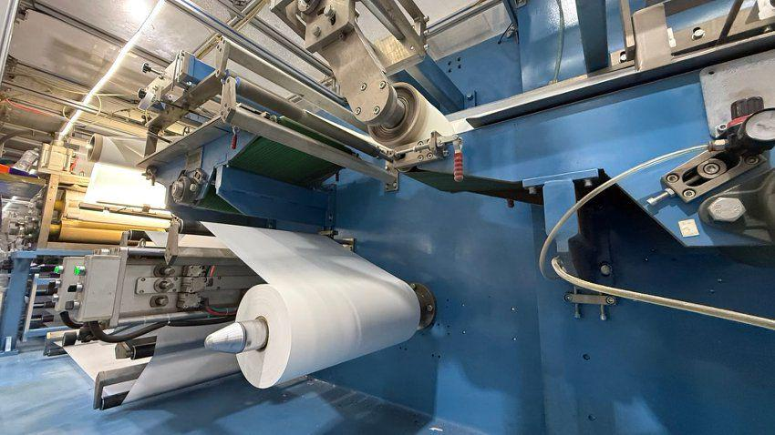 | /images/oem/production/lamination-detail-clean.png | 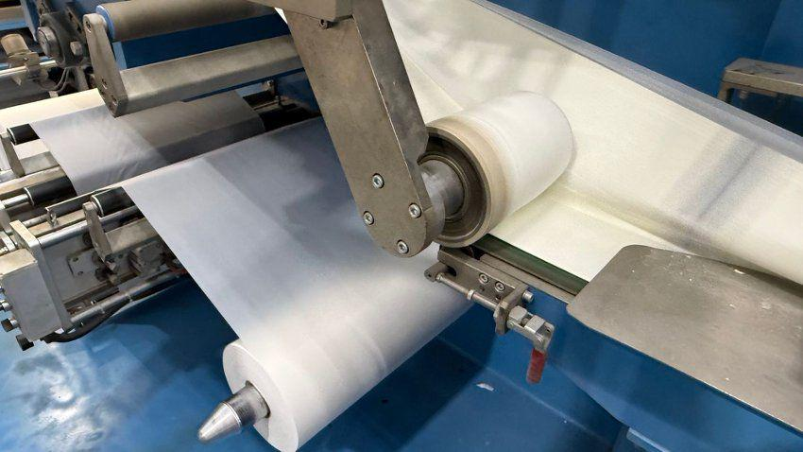 | 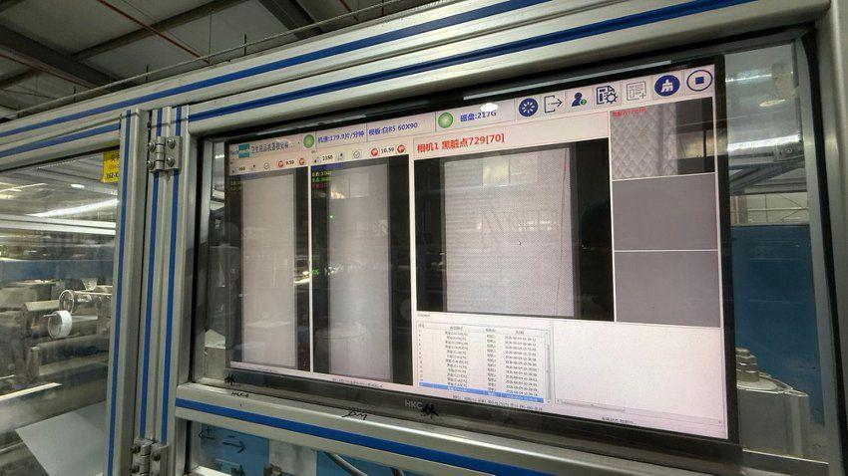
10 |  | 成品仓储、包装与交付场景 | 首页 Manufacturing capability for OEM pet pad supply. | https://www.jczcare.com/ https://www.jczcare.com/factory | 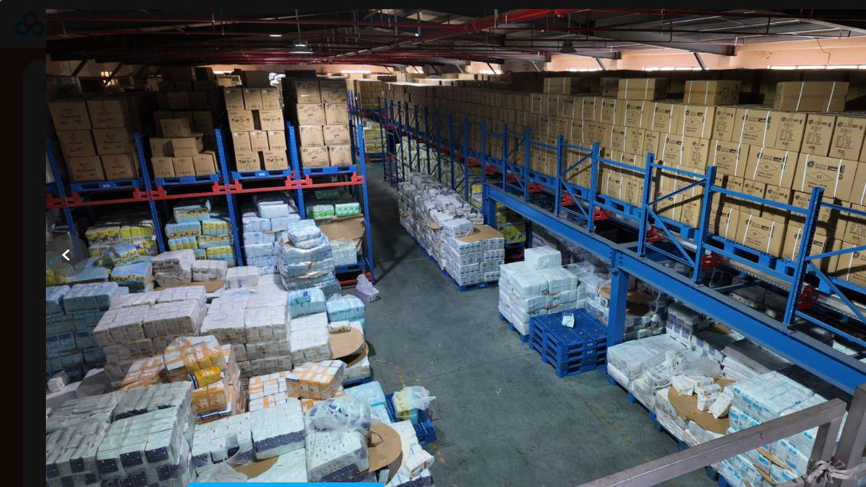 | /images/oem/warehouse/warehouse-storage-clean.png | 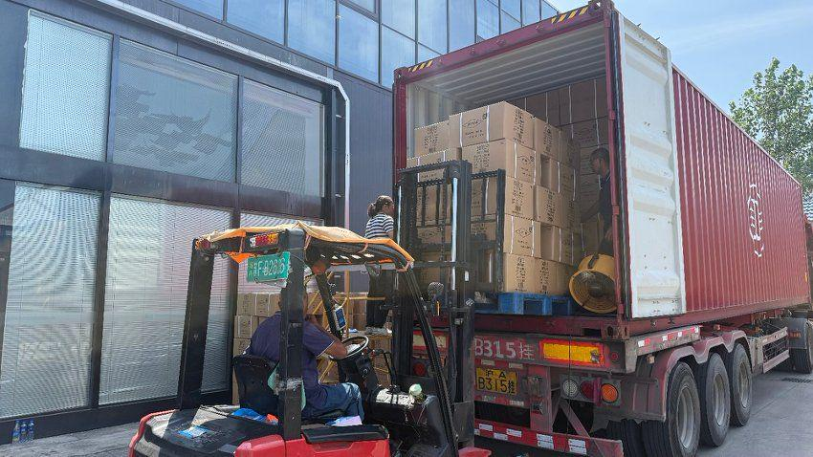 |  | 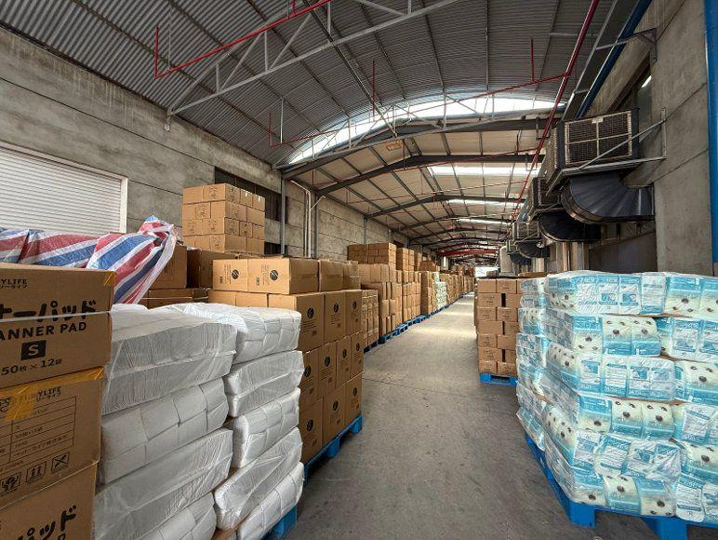 | 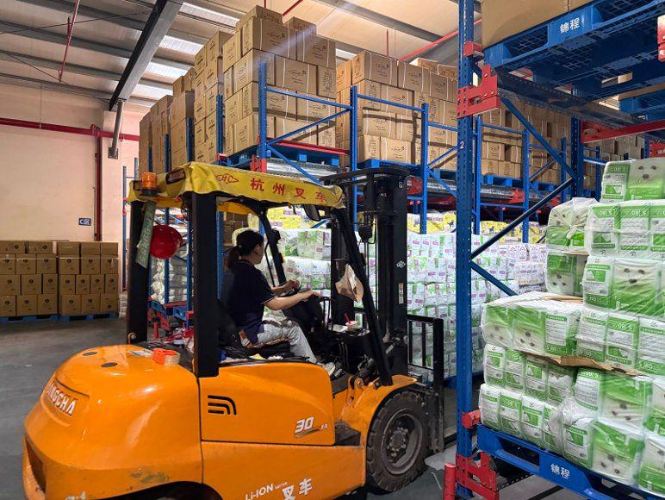 | 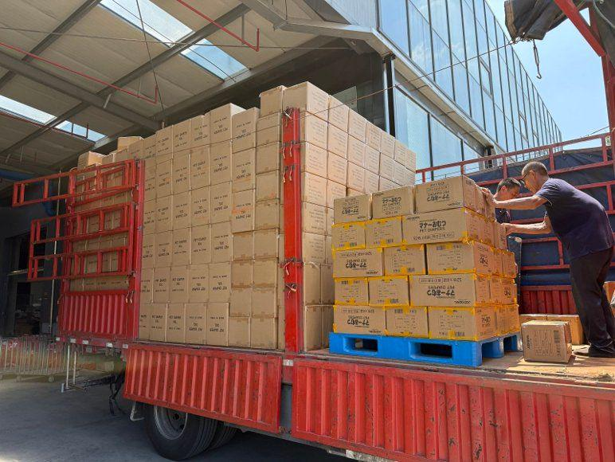 | 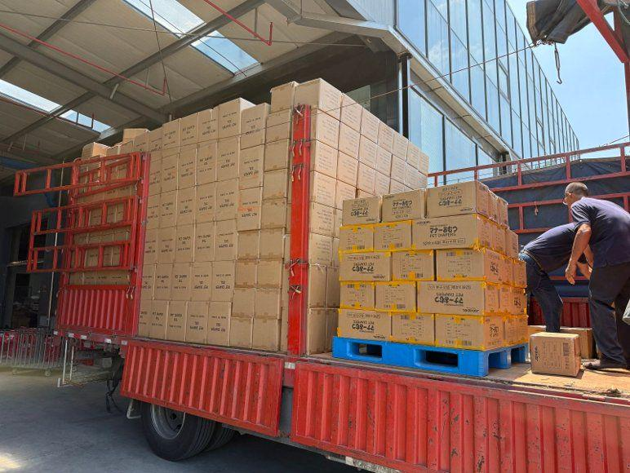 |  | 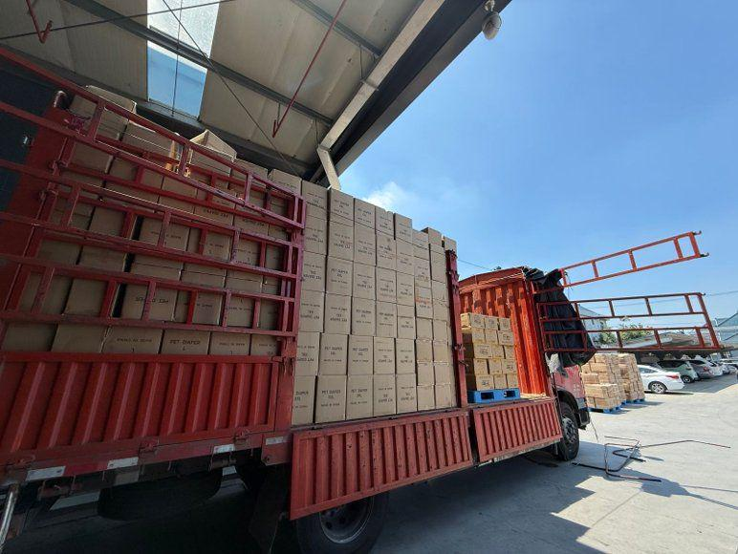
11 | 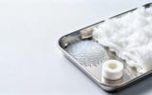 | 吸水纸与吸收芯材料样品 | 首页 PE film backing designed around leakage, feel, and production stability Raw materials behind a controlled absorbent product specification 等5个页面（详见“页面明细”） | https://www.jczcare.com/ https://www.jczcare.com/factory/pe-film 其余链接见“页面明细” |  | /images/oem/materials/products-absorbent-paper-01.webp /images/generated-site/materials/products-absorbent-paper-01.webp | 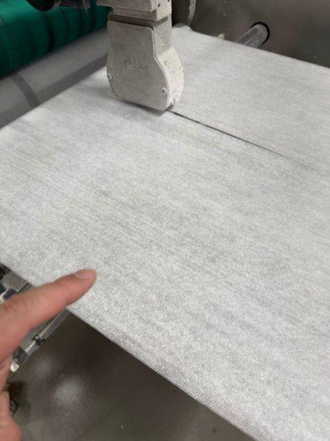
12 |  | 宠物护理产品私牌包装评审场景 | 首页 Amazon Private-Label Pet Product Guide Barcode Guide for Private-Label Pet Products 等31个页面（详见“页面明细”） | https://www.jczcare.com/ https://www.jczcare.com/buyer-guides/amazon-private-label-guide 其余链接见“页面明细” |  | /images/oem/packaging/private-label-packaging-01.webp /images/generated-site/packaging/private-label-packaging-01.webp
13 |  | 包装定制方案与私牌支持展示 | 首页 Private label pet pads for brands and retail channels. | https://www.jczcare.com/ https://www.jczcare.com/private-label |  | /images/oem/quality/packaging-customization-options.webp /images/generated-site/b2b-optimization/packaging-customization-options.webp
14 |  | OEM宠物卫生用品业务洽谈场景 | 首页 OEM/ODM Pet Pad Manufacturing Process Private label pet pads for brands and retail channels. | https://www.jczcare.com/ https://www.jczcare.com/oem-process 其余链接见“页面明细” |  | 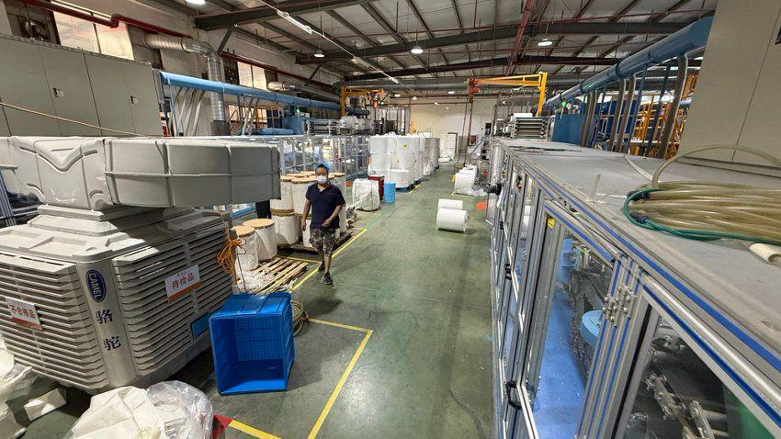
15 |  | OEM规格确认与产品样品讨论场景 | 首页 OEM/ODM Pet Pad Manufacturing Process | https://www.jczcare.com/ https://www.jczcare.com/oem-process |  | 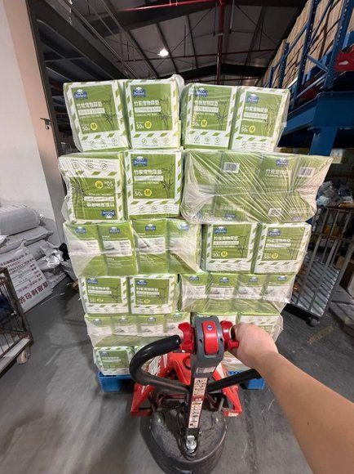
16 |  | 宠物尿垫材料选择与生产流程展示 | 首页 OEM/ODM Pet Pad Manufacturing Process | https://www.jczcare.com/ https://www.jczcare.com/oem-process
17 |  | 样品确认与私牌包装评审场景 | 首页 OEM/ODM Pet Pad Manufacturing Process Private label pet pads for brands and retail channels. | https://www.jczcare.com/ https://www.jczcare.com/oem-process 其余链接见“页面明细” |  | /images/oem/quality/private-label-packaging-review.webp /images/generated-site/b2b-optimization/private-label-packaging-review.webp
18 |  | 宠物尿垫质量检验与实验室测试 | 首页 Quality control system for OEM absorbent products. | https://www.jczcare.com/ https://www.jczcare.com/quality-control |  | /images/oem/quality/quality-inspection-lab-mask.png
19 |  | 吸收性能测试与出货检验场景 | 首页 OEM/ODM Pet Pad Manufacturing Process Quality control system for OEM absorbent products. | https://www.jczcare.com/ https://www.jczcare.com/oem-process 其余链接见“页面明细” |  | /images/oem/warehouse/absorbency-testing.webp
20 |  | 宠物尿垫无纺布表面微距细节 | 首页 Practical insight forpet pad product decisions. | https://www.jczcare.com/ https://www.jczcare.com/pages/learn |  | /images/oem/materials/products-pet-pad-macro-01.webp /images/generated-site/products/products-pet-pad-macro-01.webp
21 | 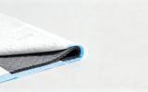 | 宠物尿垫PE底膜与多层结构细节 | 首页 | https://www.jczcare.com/ |  | /images/oem/materials/products-pe-film-01.webp
22 | 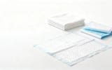 | 多层宠物尿垫结构与折叠样品 | Build stronger OEM knowledge before you source Fluff Pulp Buyer Guide for Absorbent Cores Nonwoven Material Buyer Guide for Absorbent Products 等44个页面（详见“页面明细”） | https://www.jczcare.com/academy https://www.jczcare.com/buyer-guides/fluff-pulp-buyer-guide 其余链接见“页面明细” |  | /images/generated-site/products/products-pet-pad-structure-01.webp
23 |  | 宠物尿垫实验室质量检测场景 | Manufacturing knowledge written for professional buyers Pet Pad Sample Evaluation Scorecard How to Write a Pet Product Quality Plan 等25个页面（详见“页面明细”） | https://www.jczcare.com/authors/jczcare-editorial-team https://www.jczcare.com/buyer-guides/pet-pad-sample-scorecard 其余链接见“页面明细” |  | /images/generated-site/quality-control/factory-quality-control-01.webp /images/oem/quality/factory-quality-control-01.webp
24 |  | 成人护理垫吸收性能与压力测试 | Adult Underpad Procurement Guide Adult Underpad Rewet Reduction Scenario US Distributor Adult Underpad Program Scenario 等7个页面（详见“页面明细”） | https://www.jczcare.com/buyer-guides/adult-underpad-procurement-guide https://www.jczcare.com/case-studies/adult-underpad-rewet-case 其余链接见“页面明细” |  | /images/generated-site/products/products-underpads-01.webp /images/oem/products/products-underpads-01.webp
25 |  | 宠物训练尿垫及使用场景 | How to Write a Pet Pad Specification OEM project examples for global pet care buyers. Pet Training Pad Buyer FAQ 等10个页面（详见“页面明细”） | https://www.jczcare.com/buyer-guides/pet-pad-specification-guide https://www.jczcare.com/case-study 其余链接见“页面明细” |  | /images/generated-site/products/products-disposable-pads-01.webp /images/oem/products/products-disposable-pads-01.webp |  | 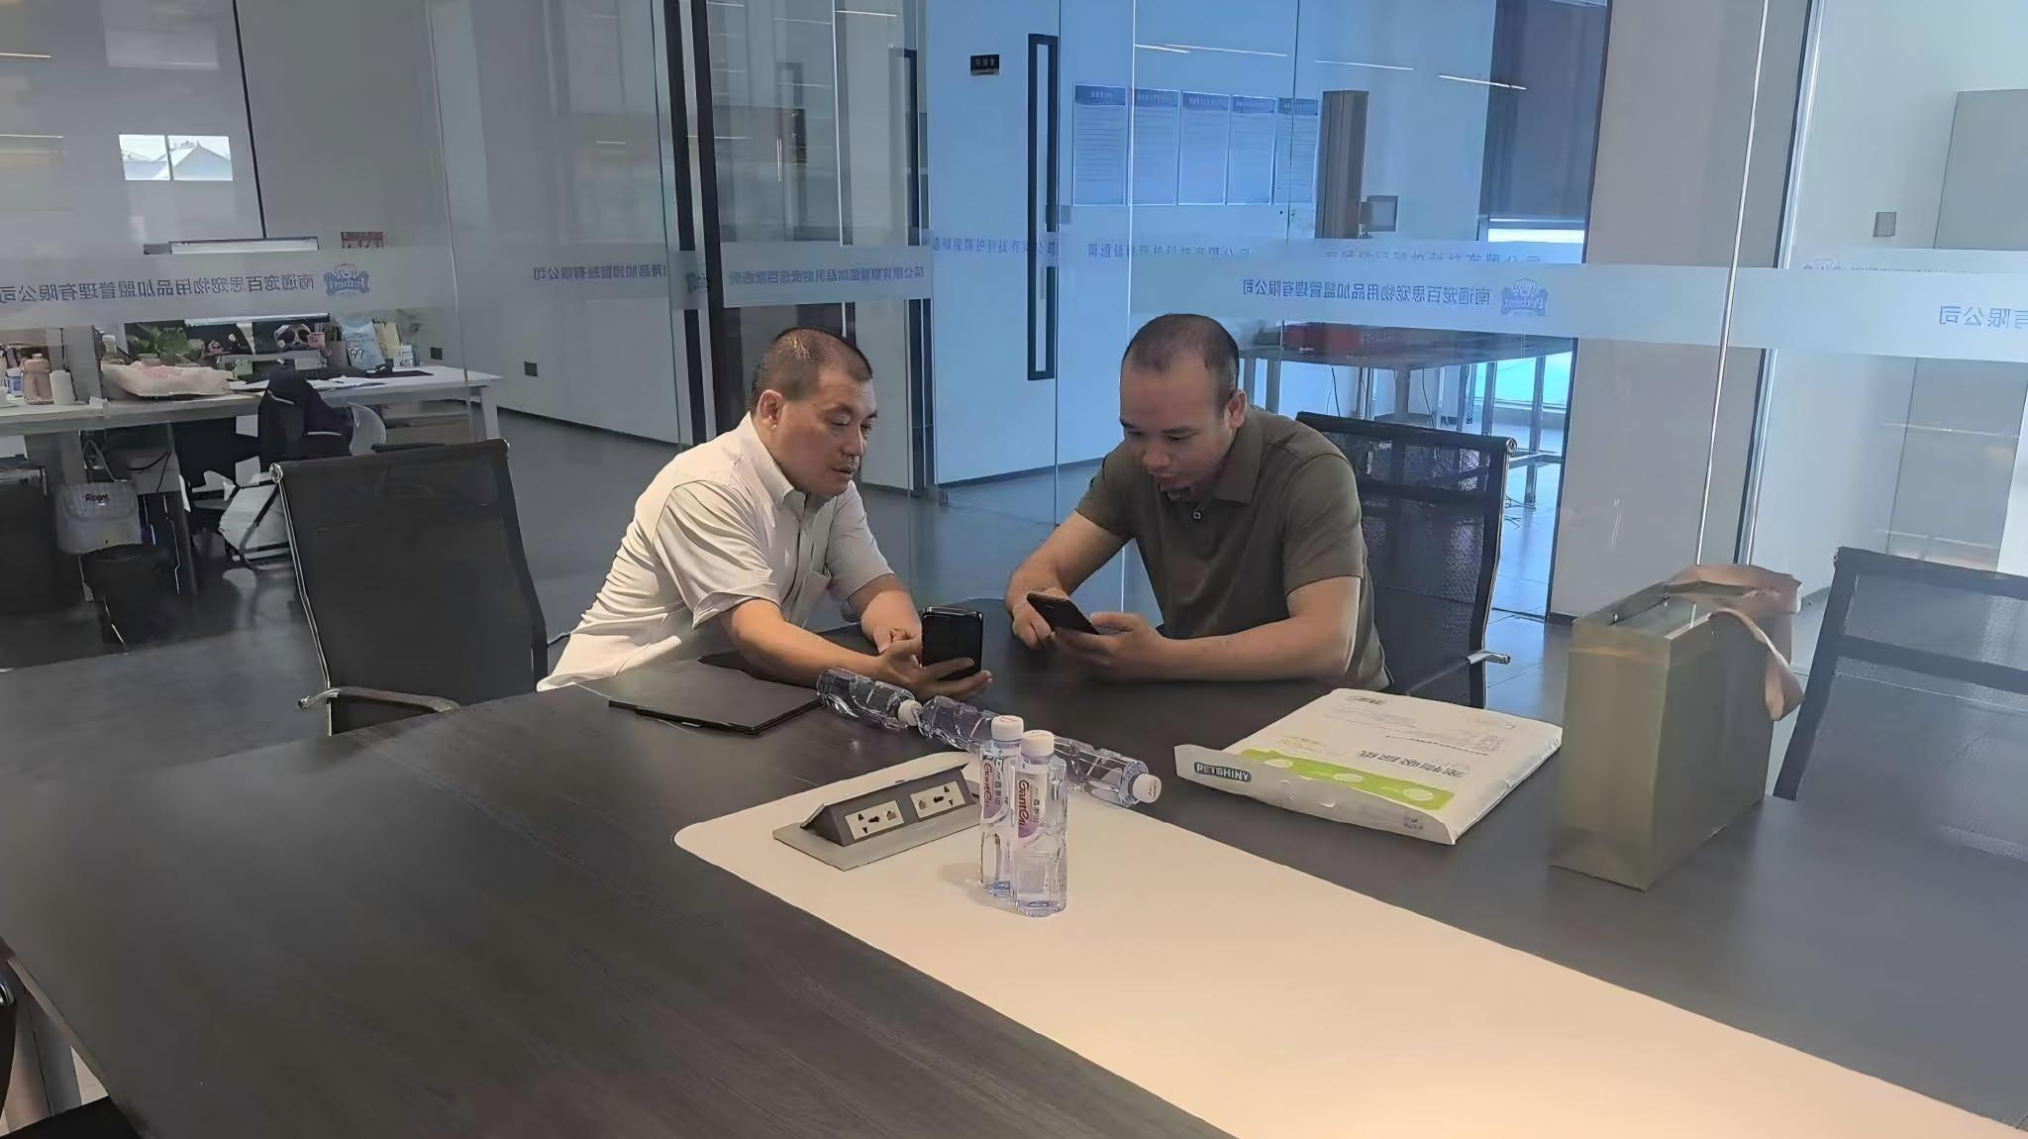 |  | 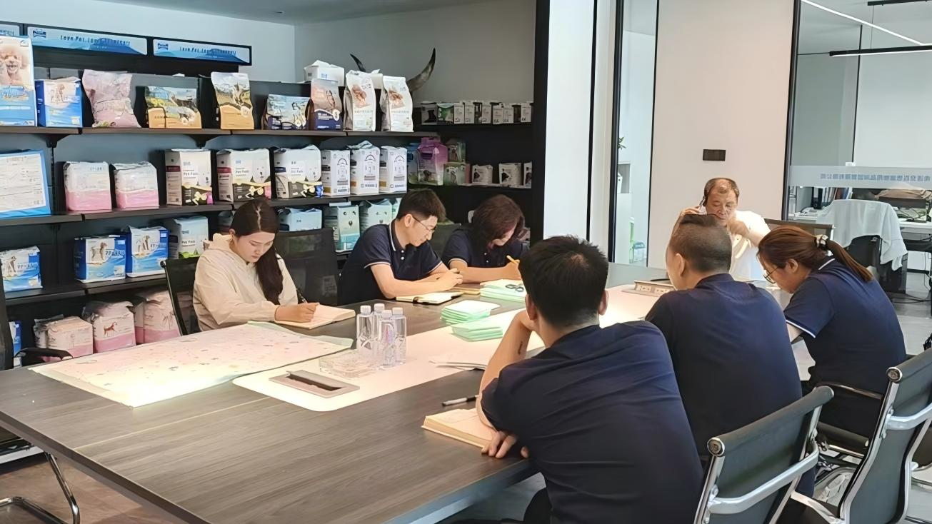 |  | 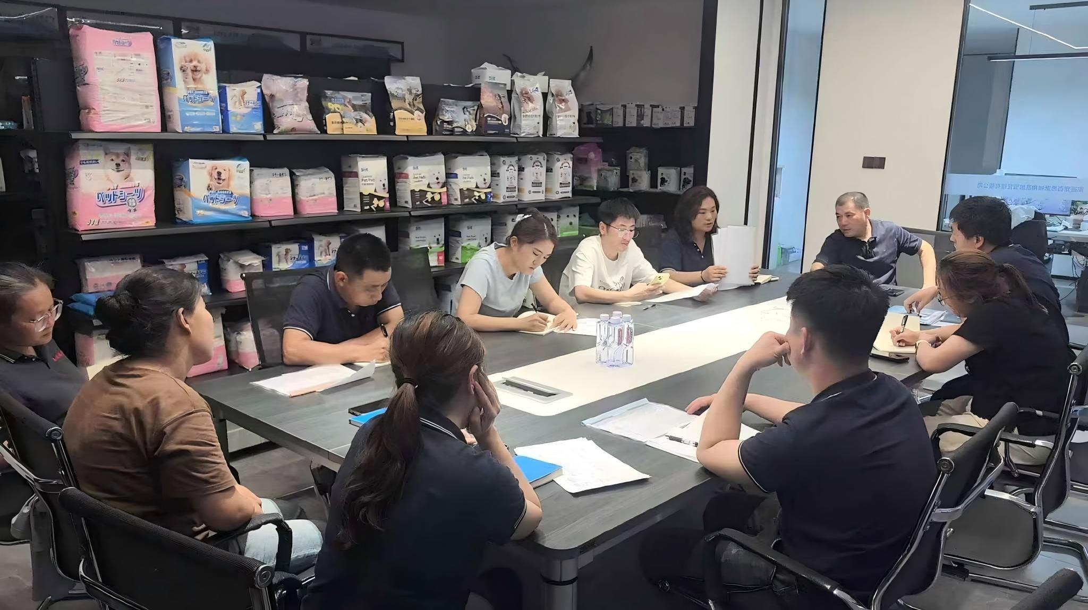 |  |  | 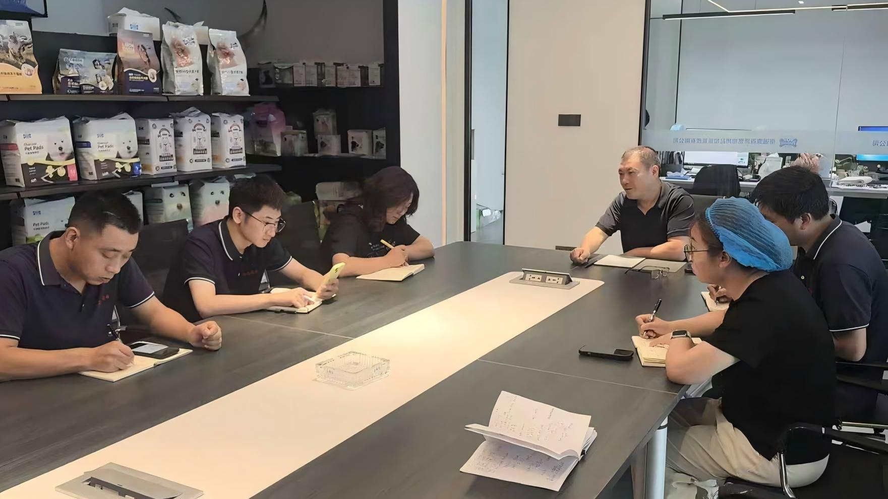
26 |  | 宠物护理OEM项目商务沟通场景 | Forecasting Guide for Imported Pet Products Retail Chain Pet Product Sourcing Guide Fixed vs Rolling Forecasts for OEM Supply 等10个页面（详见“页面明细”） | https://www.jczcare.com/buyer-guides/pet-product-forecast-guide https://www.jczcare.com/buyer-guides/retail-chain-pet-product-guide 其余链接见“页面明细” |  | /images/generated-site/contact/contact-business-office-01.webp
27 |  | 宠物卫生用品OEM生产线 | OEM project examples for global pet care buyers. | https://www.jczcare.com/case-study | 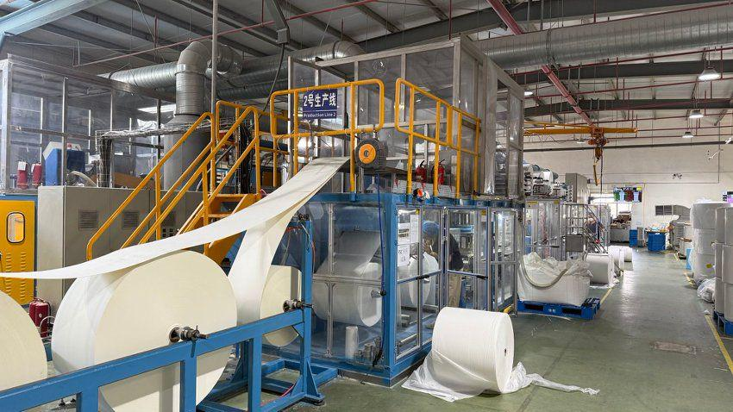 | /images/oem/production/factory-production-line-03.webp | 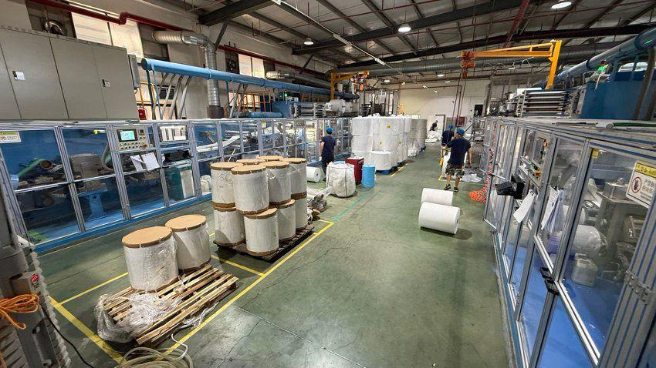 | 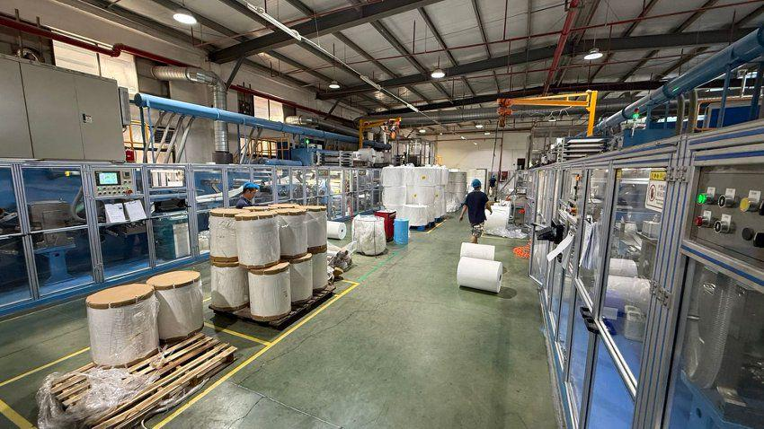 | 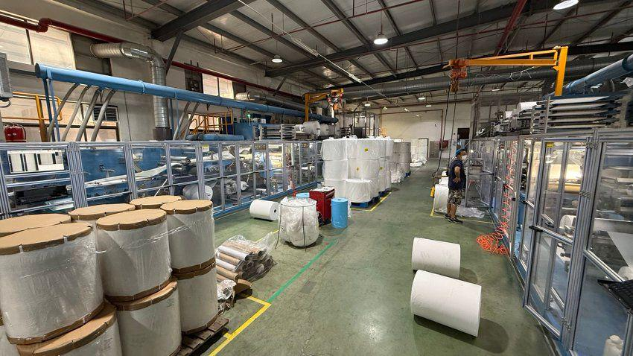
28 |  | 活性炭除味宠物尿垫结构展示 | OEM project examples for global pet care buyers. Charcoal Pet Pads | https://www.jczcare.com/case-study https://www.jczcare.com/products/charcoal-pet-pads |  | /images/oem/products/products-charcoal-pads-01.webp
29 |  | 粘贴式宠物尿垫吸收测试场景 | OEM project examples for global pet care buyers. Practical insight forpet pad product decisions. Adhesive Pet Pads | https://www.jczcare.com/case-study https://www.jczcare.com/pages/learn 其余链接见“页面明细” |  | /images/oem/products/products-adhesive-pads-01.webp /images/generated-site/products/products-adhesive-pads-01.webp
30 |  | 自动化宠物尿垫生产线全景 | Certification support for B2B pet pad projects. Pet pad production line: from roll materials to packed goods OEM capability for European and American buyers. | https://www.jczcare.com/certifications https://www.jczcare.com/factory/production-line 其余链接见“页面明细” | 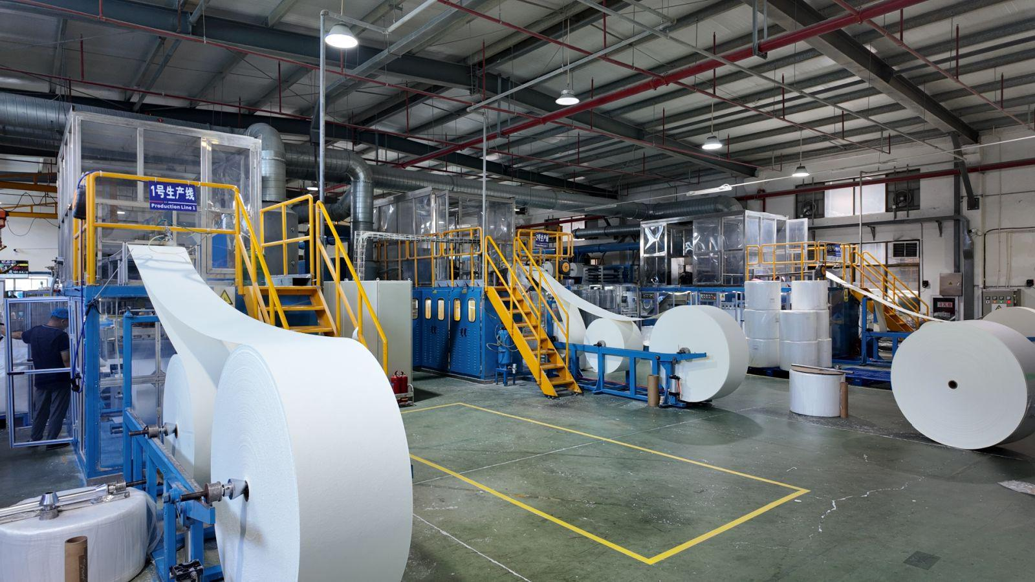 | /images/generated-site/factory/factory-production-line-02.webp /images/oem/production/factory-production-line-02.webp
31 |  | OEM产品目录与工厂资料展示 | Request product and OEM capability documents. | https://www.jczcare.com/download |  | /images/generated-site/b2b-optimization/download-center-catalog.webp
32 |  | 工厂制造能力与生产车间展示 | Manufacturing capability for OEM pet pad supply. | https://www.jczcare.com/factory |  | /images/generated-site/b2b-optimization/factory-capability-workshop.webp
33 |  | 宠物护理用品成品仓库与出口备货 | Manufacturing capability for OEM pet pad supply. Container loading planned around product protection and landed value Packaging that connects brand presentation to factory execution 等6个页面（详见“页面明细”） | https://www.jczcare.com/factory https://www.jczcare.com/factory/container-loading 其余链接见“页面明细” |  | /images/oem/warehouse/warehouse-finished-goods-01.webp /images/generated-site/warehouse/warehouse-finished-goods-01.webp | 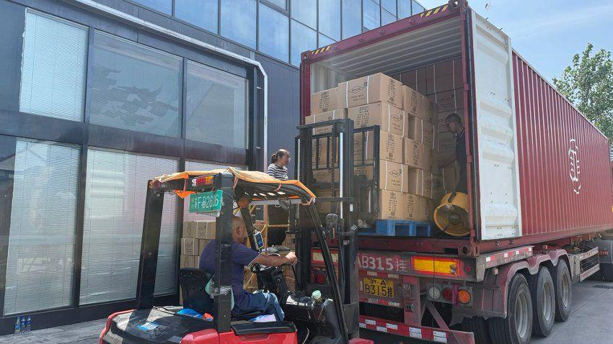
34 |  | 无纺布材料导向与复合工序 | PE film backing designed around leakage, feel, and production stability Pet pad production line: from roll materials to packed goods Raw materials behind a controlled absorbent product specification 等5个页面（详见“页面明细”） | https://www.jczcare.com/factory/pe-film https://www.jczcare.com/factory/production-line 其余链接见“页面明细” |  | /images/generated-site/factory/factory-lamination-01.webp /images/oem/production/factory-lamination-01.webp
35 |  | OEM产品样品评审场景 | OEM/ODM Pet Pad Manufacturing Process | https://www.jczcare.com/oem-process |  | /images/generated-site/b2b-optimization/oem-sample-review.webp
36 |  | OEM样品开发与确认场景 | OEM/ODM Pet Pad Manufacturing Process | https://www.jczcare.com/oem-process |  | /images/oem/customization/oem-sample-review-01.webp
37 |  | 私牌包装样品与包装工序 | OEM/ODM Pet Pad Manufacturing Process Partner with apet pad source factory. | https://www.jczcare.com/oem-process https://www.jczcare.com/pages/affiliates | 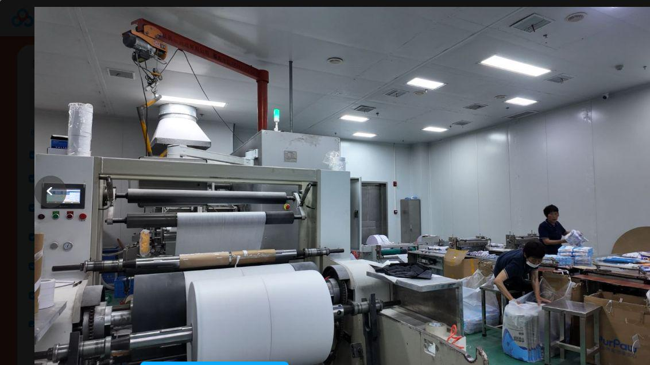 | /images/oem/packaging/private-label-packaging-02.webp /images/generated-site/packaging/private-label-packaging-02.webp
38 |  | 人物与宠物户外互动场景 | Better pet care,built with responsibility. Corporate strengthbehind pet care supply. | https://www.jczcare.com/pages/give-back https://www.jczcare.com/pages/investor-relations |  | /images/contact-pets-grass-centered.png
39 |  | 产品规格、材料与样品展示 | Private label pet pads for brands and retail channels. | https://www.jczcare.com/private-label |  | /images/generated-site/b2b-optimization/product-specification-samples.webp
40 | 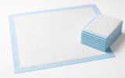 | 折叠及展开的成人护理垫棚拍展示 | Adult Underpads | https://www.jczcare.com/products/adult-underpads |  | /images/products/adult-underpads/adult-underpad-main.jpg
41 |  | 成人护理垫尺寸与材料结构示意 | Adult Underpads | https://www.jczcare.com/products/adult-underpads |  | /images/products/adult-underpads/adult-underpad-size.jpg
42 |  | 成人护理垫居家护理使用场景 | Adult Underpads | https://www.jczcare.com/products/adult-underpads |  | /images/products/adult-underpads/adult-underpad-home-care.jpg
43 | 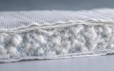 | 成人护理垫吸收芯体微距细节 | Adult Underpads | https://www.jczcare.com/products/adult-underpads |  | /images/products/adult-underpads/adult-underpad-core-detail.jpg
44 |  | 成人护理垫无品牌私牌包装概念 | Adult Underpads | https://www.jczcare.com/products/adult-underpads |  | /images/products/adult-underpads/adult-underpad-package.jpg
45 |  | OEM宠物尿垫吸收性能实验室测试 | Quality control system for OEM absorbent products. | https://www.jczcare.com/quality-control |  | /images/oem/quality/factory-testing-lab-01.webp
46 |  | 宠物尿垫成品终检与尺寸测量 | Quality control system for OEM absorbent products. | https://www.jczcare.com/quality-control | 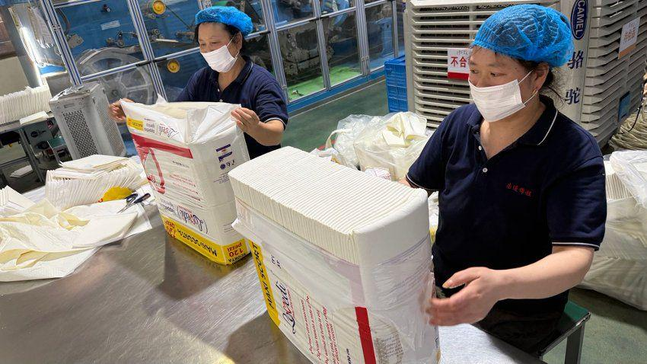 | /images/oem/quality/factory-quality-control-02.webp
47 |  | 博客封面：OEM Pet Pad Contract Manufacturing: A Buyer Workflow | OEM Pet Pad Contract Manufacturing: A Buyer Workflow | https://www.jczcare.com/blog/oem-pet-pad-contract-manufacturing |  | /images/generated-site/blog/oem-pet-pad-contract-manufacturing.webp
48 |  | 博客封面：How OEM Product Change Control Protects Repeat Orders | How OEM Product Change Control Protects Repeat Orders | https://www.jczcare.com/blog/oem-product-change-control |  | /images/generated-site/blog/oem-product-change-control.webp
49 |  | 博客封面：Planning an OEM Pilot Order Before Full-Scale Production | Planning an OEM Pilot Order Before Full-Scale Production | https://www.jczcare.com/blog/oem-pilot-order-planning | 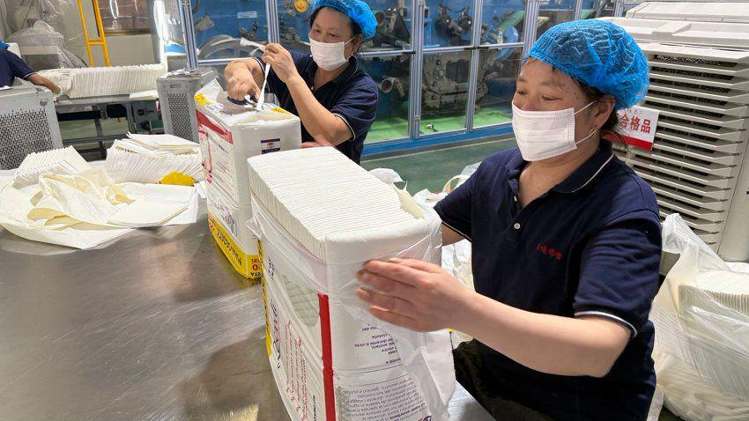 | /images/generated-site/blog/oem-pilot-order-planning.webp
50 |  | 博客封面：Managing a Multi-SKU OEM Pet Product Launch | Managing a Multi-SKU OEM Pet Product Launch | https://www.jczcare.com/blog/oem-multi-sku-launch-plan |  | /images/generated-site/blog/oem-multi-sku-launch-plan.webp
51 |  | 博客封面：How Buyers Should Review OEM Capacity Allocation | How Buyers Should Review OEM Capacity Allocation | https://www.jczcare.com/blog/oem-capacity-allocation-review | 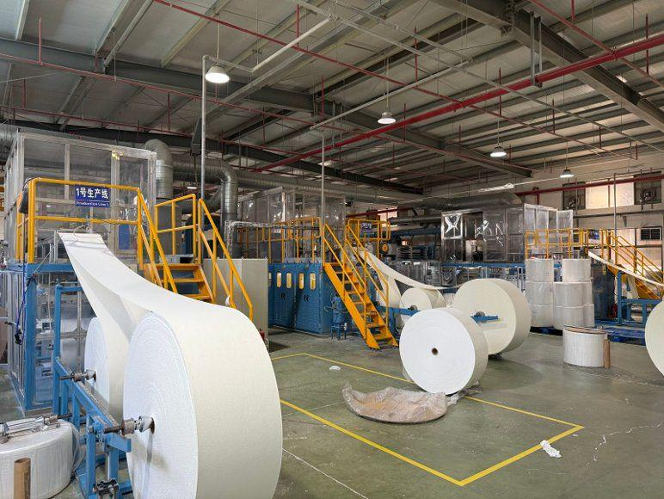 | /images/generated-site/blog/oem-capacity-allocation-review.webp | 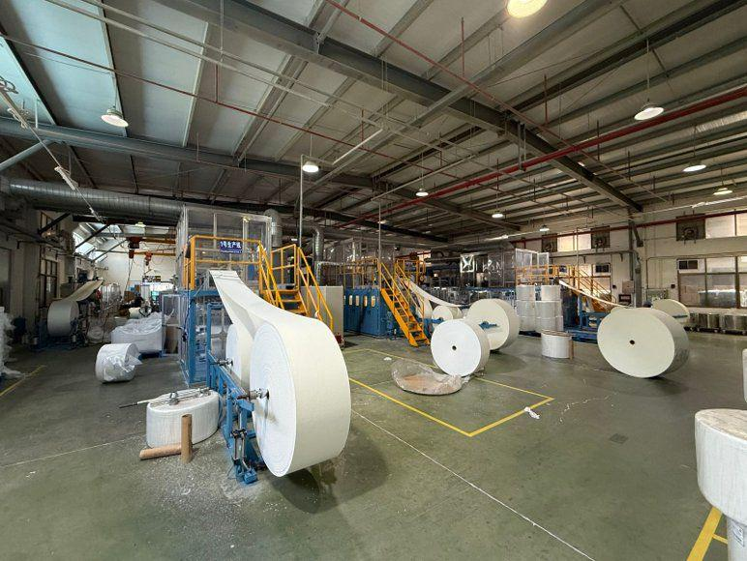 | F53
52 | 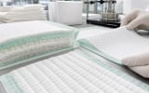 | 博客封面：Puppy Pad Surface Intake: What B2B Buyers Should Specify | Puppy Pad Surface Intake: What B2B Buyers Should Specify | https://www.jczcare.com/blog/puppy-pad-surface-intake-design |  | /images/generated-site/blog/puppy-pad-surface-intake-design.webp |  | 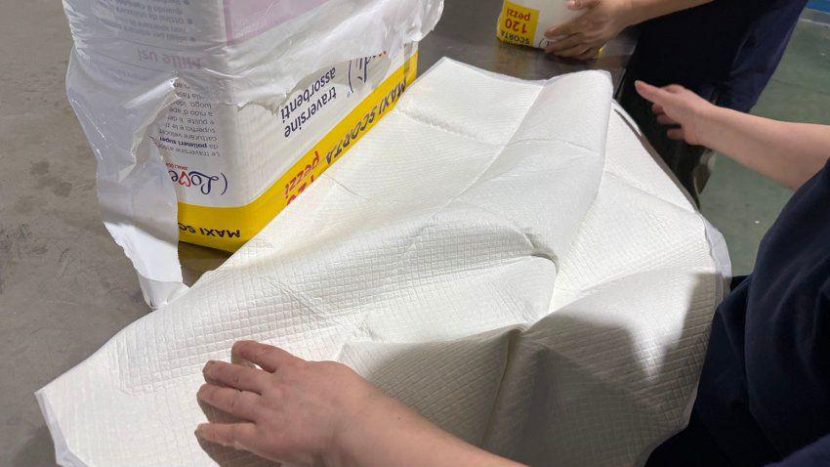
53 |  | 博客封面：Pet Pad Edge Seals: Preventing Leakage and Delamination | Pet Pad Edge Seals: Preventing Leakage and Delamination | https://www.jczcare.com/blog/pet-pad-edge-seal-quality |  | /images/generated-site/blog/pet-pad-edge-seal-quality.webp
54 |  | 博客封面：How to Select a Pet Pad Embossing Pattern | How to Select a Pet Pad Embossing Pattern | https://www.jczcare.com/blog/pet-pad-embossing-pattern-selection |  | /images/generated-site/blog/pet-pad-embossing-pattern-selection.webp
55 |  | 博客封面：Pet Pad Folding Formats and Retail Pack Efficiency | Pet Pad Folding Formats and Retail Pack Efficiency | https://www.jczcare.com/blog/pet-pad-folding-pack-efficiency
56 |  | 博客封面：Sourcing Travel Pet Pads for Portable Use Cases | Sourcing Travel Pet Pads for Portable Use Cases | https://www.jczcare.com/blog/travel-pet-pad-sourcing-guide |  | /images/generated-site/blog/travel-pet-pad-sourcing-guide.webp
57 |  | 博客封面：Specifying Surface Comfort for Adult Disposable Underpads | Specifying Surface Comfort for Adult Disposable Underpads | https://www.jczcare.com/blog/adult-underpad-surface-comfort-specification |  | /images/generated-site/blog/adult-underpad-surface-comfort-specification.webp
58 |  | 博客封面：Adult Underpad Pack Counts for Tenders and Distribution | Adult Underpad Pack Counts for Tenders and Distribution | https://www.jczcare.com/blog/adult-underpad-pack-count-tender-planning |  | /images/generated-site/blog/adult-underpad-pack-count-tender-planning.webp
59 |  | 博客封面：Selecting Backing Film for Adult Underpads | Selecting Backing Film for Adult Underpads | https://www.jczcare.com/blog/adult-underpad-backing-film-selection |  | /images/generated-site/blog/adult-underpad-backing-film-selection.webp
60 |  | 博客封面：Building an Institutional Underpad Supply Program | Building an Institutional Underpad Supply Program | https://www.jczcare.com/blog/institutional-underpad-supplier-program |  | /images/generated-site/blog/institutional-underpad-supplier-program.webp
61 |  | 博客封面：Arrival Inspection for Imported Adult Underpads | Arrival Inspection for Imported Adult Underpads | https://www.jczcare.com/blog/adult-underpad-arrival-inspection |  | /images/generated-site/blog/adult-underpad-arrival-inspection.webp
62 |  | 博客封面：Dog Waste Bag Perforation: A Buyer Quality Guide | Dog Waste Bag Perforation: A Buyer Quality Guide | https://www.jczcare.com/blog/dog-waste-bag-perforation-control |  | /images/generated-site/blog/dog-waste-bag-perforation-control.webp
63 |  | 博客封面：How to Verify Dog Poop Bag Roll Counts | How to Verify Dog Poop Bag Roll Counts | https://www.jczcare.com/blog/dog-poop-bag-roll-count-verification |  | /images/generated-site/blog/dog-poop-bag-roll-count-verification.webp
64 |  | 博客封面：Scented Dog Waste Bags: OEM Selection and Risk Controls | Scented Dog Waste Bags: OEM Selection and Risk Controls | https://www.jczcare.com/blog/dog-waste-bag-scent-selection |  | /images/generated-site/blog/dog-waste-bag-scent-selection.webp
65 |  | 博客封面：Dog Poop Bag Dispenser Compatibility Guide | Dog Poop Bag Dispenser Compatibility Guide | https://www.jczcare.com/blog/dog-poop-bag-dispenser-compatibility |  | /images/generated-site/blog/dog-poop-bag-dispenser-compatibility.webp
66 |  | 博客封面：Printing and Registration Controls for Dog Waste Bags | Printing and Registration Controls for Dog Waste Bags | https://www.jczcare.com/blog/dog-waste-bag-print-registration |  | /images/generated-site/blog/dog-waste-bag-print-registration.webp
67 |  | 博客封面：Private-Label Claim Approval for Pet Products | Private-Label Claim Approval for Pet Products | https://www.jczcare.com/blog/private-label-claim-approval-workflow |  | /images/generated-site/blog/private-label-claim-approval-workflow.webp
68 |  | 博客封面：Barcode and Master Data Control for Private-Label Launches | Barcode and Master Data Control for Private-Label Launches | https://www.jczcare.com/blog/private-label-barcode-master-data |  | /images/generated-site/blog/private-label-barcode-master-data.webp
69 |  | 博客封面：Planning a Private-Label Pet Product Line Extension | Planning a Private-Label Pet Product Line Extension | https://www.jczcare.com/blog/private-label-line-extension-planning |  | /images/generated-site/blog/private-label-line-extension-planning.webp
70 |  | 博客封面：Retailer Onboarding for Private-Label Pet Products | Retailer Onboarding for Private-Label Pet Products | https://www.jczcare.com/blog/private-label-retailer-onboarding |  | /images/generated-site/blog/private-label-retailer-onboarding.webp
71 |  | 博客封面：How to Approve Pet Product Packaging Dielines | How to Approve Pet Product Packaging Dielines | https://www.jczcare.com/blog/pet-product-dieline-approval |  | /images/generated-site/blog/pet-product-dieline-approval.webp
72 |  | 博客封面：Managing Carton Compression Risk for Pet Pads | Managing Carton Compression Risk for Pet Pads | https://www.jczcare.com/blog/pet-pad-carton-compression-risk |  | /images/generated-site/blog/pet-pad-carton-compression-risk.webp
73 |  | 博客封面：Multi-Language Packaging for Pet Product Imports | Multi-Language Packaging for Pet Product Imports | https://www.jczcare.com/blog/multi-language-pet-product-packaging |  | /images/generated-site/blog/multi-language-pet-product-packaging.webp
74 |  | 博客封面：Cost Engineering for Private-Label Pet Product Packaging | Cost Engineering for Private-Label Pet Product Packaging | https://www.jczcare.com/blog/pet-product-packaging-cost-engineering |  | /images/generated-site/blog/pet-product-packaging-cost-engineering.webp
75 |  | 博客封面：Container Moisture Control for Pet Product Shipments | Container Moisture Control for Pet Product Shipments | https://www.jczcare.com/blog/pet-product-container-moisture-control |  | /images/generated-site/blog/pet-product-container-moisture-control.webp
76 |  | 博客封面：Shipping Document Checklist for Pet Product Importers | Shipping Document Checklist for Pet Product Importers | https://www.jczcare.com/blog/pet-product-shipping-document-checklist |  | /images/generated-site/blog/pet-product-shipping-document-checklist.webp
77 |  | 博客封面：Reorder Point Planning for Imported Pet Products | Reorder Point Planning for Imported Pet Products | https://www.jczcare.com/blog/pet-product-reorder-point-planning |  | /images/generated-site/blog/pet-product-reorder-point-planning.webp
78 |  | 博客封面：LCL vs FCL for Pet Product Imports | LCL vs FCL for Pet Product Imports | https://www.jczcare.com/blog/pet-product-lcl-vs-fcl-decision |  | /images/generated-site/blog/pet-product-lcl-vs-fcl-decision.webp |  |  |  |  |  |  |  | 
79 |  | 博客封面：Pet Pad Defect Classification for Pre-Shipment Inspection | Pet Pad Defect Classification for Pre-Shipment Inspection | https://www.jczcare.com/blog/pet-pad-defect-classification |  | /images/generated-site/blog/pet-pad-defect-classification.webp
80 |  | 博客封面：How to Build a Pet Pad Retained Sample Program | How to Build a Pet Pad Retained Sample Program | https://www.jczcare.com/blog/pet-pad-retained-sample-program |  | /images/generated-site/blog/pet-pad-retained-sample-program.webp
81 |  | 博客封面：Reviewing Corrective Action from an OEM Supplier | Reviewing Corrective Action from an OEM Supplier | https://www.jczcare.com/blog/oem-corrective-action-review |  | /images/generated-site/blog/oem-corrective-action-review.webp
82 |  | 博客封面：Golden Sample Control for Private-Label Pet Products | Golden Sample Control for Private-Label Pet Products | https://www.jczcare.com/blog/pet-product-golden-sample-control |  | /images/generated-site/blog/pet-product-golden-sample-control.webp
83 |  | 博客封面：Factory Maintenance Audit for Pet Product Production | Factory Maintenance Audit for Pet Product Production | https://www.jczcare.com/blog/factory-maintenance-audit-pet-products |  | /images/generated-site/blog/factory-maintenance-audit-pet-products.webp |  |  |  |  |  |  | 
84 |  | 博客封面：Traceability Audit for OEM Pet Product Factories | Traceability Audit for OEM Pet Product Factories | https://www.jczcare.com/blog/factory-traceability-audit |  | /images/generated-site/blog/factory-traceability-audit.webp |  |  |  | 
85 |  | 博客封面：Business Continuity Review for an OEM Pet Product Factory | Business Continuity Review for an OEM Pet Product Factory | https://www.jczcare.com/blog/factory-business-continuity-review |  | /images/generated-site/blog/factory-business-continuity-review.webp
86 |  | 博客封面：How to Audit Subcontracting in an OEM Supply Chain | How to Audit Subcontracting in an OEM Supply Chain | https://www.jczcare.com/blog/factory-subcontracting-control |  | /images/generated-site/blog/factory-subcontracting-control.webp
87 |  | 博客封面：Nonwoven Basis Weight in Pet Pad Specifications | Nonwoven Basis Weight in Pet Pad Specifications | https://www.jczcare.com/blog/nonwoven-basis-weight-pet-pads |  | /images/generated-site/blog/nonwoven-basis-weight-pet-pads.webp
88 |  | 博客封面：Hot-Melt Adhesive in Absorbent Product Manufacturing | Hot-Melt Adhesive in Absorbent Product Manufacturing | https://www.jczcare.com/blog/hot-melt-adhesive-absorbent-products |  | /images/generated-site/blog/hot-melt-adhesive-absorbent-products.webp
89 |  | 博客封面：SAP Gel Blocking in Pet Pads: What Buyers Should Know | SAP Gel Blocking in Pet Pads: What Buyers Should Know | https://www.jczcare.com/blog/sap-gel-blocking-pet-pads |  | /images/generated-site/blog/sap-gel-blocking-pet-pads.webp
90 |  | 博客封面：Auditing SAP Dosing Consistency in Production | Auditing SAP Dosing Consistency in Production | https://www.jczcare.com/blog/sap-dosing-consistency-audit |  | /images/generated-site/blog/sap-dosing-consistency-audit.webp
91 |  | 博客封面：PE Film Pinhole Risk in Pet and Adult Underpads | PE Film Pinhole Risk in Pet and Adult Underpads | https://www.jczcare.com/blog/pe-film-pinhole-risk-pet-pads |  | /images/generated-site/blog/pe-film-pinhole-risk-pet-pads.webp
92 |  | 博客封面：Printed Backing Film for Private-Label Pet Pads | Printed Backing Film for Private-Label Pet Pads | https://www.jczcare.com/blog/printed-backing-film-pet-pads |  | /images/generated-site/blog/printed-backing-film-pet-pads.webp
93 |  | 博客封面：Building a Pet Product Supplier Scorecard | Building a Pet Product Supplier Scorecard | https://www.jczcare.com/blog/pet-product-supplier-scorecard |  | /images/generated-site/blog/pet-product-supplier-scorecard.webp
94 |  | 博客封面：Payment Milestones for OEM Pet Product Orders | Payment Milestones for OEM Pet Product Orders | https://www.jczcare.com/blog/pet-product-payment-milestone-plan |  | /images/generated-site/blog/pet-product-payment-milestone-plan.webp
95 |  | 博客封面：How to Normalize Pet Product Supplier Quotations | How to Normalize Pet Product Supplier Quotations | https://www.jczcare.com/blog/pet-product-quotation-normalization |  | /images/generated-site/blog/pet-product-quotation-normalization.webp
96 |  | 博客封面：Building Resilience in the Pet Care Supply Chain | Building Resilience in the Pet Care Supply Chain | https://www.jczcare.com/blog/pet-care-supply-chain-resilience |  | /images/generated-site/blog/pet-care-supply-chain-resilience.webp
97 |  | 博客封面：How to Write an OEM Pet Pad Product Brief | How to Write an OEM Pet Pad Product Brief | https://www.jczcare.com/blog/oem-pet-pad-product-brief |  | /images/generated-site/blog/oem-pet-pad-product-brief.webp
98 |  | 博客封面：How to Set Custom Absorbency Targets for OEM Pet Pads | How to Set Custom Absorbency Targets for OEM Pet Pads | https://www.jczcare.com/blog/custom-absorbency-targets-oem-pet-pads |  | /images/generated-site/blog/custom-absorbency-targets-oem-pet-pads.webp
99 |  | 博客封面：OEM Pet Pad Sample Approval Workflow | OEM Pet Pad Sample Approval Workflow | https://www.jczcare.com/blog/oem-pet-pad-sample-approval-workflow |  | /images/generated-site/blog/oem-pet-pad-sample-approval-workflow.webp
100 |  | 博客封面：How to Plan a Pet Pad Pilot Order | How to Plan a Pet Pad Pilot Order | https://www.jczcare.com/blog/pet-pad-pilot-order-planning |  | /images/generated-site/blog/pet-pad-pilot-order-planning.webp
101 |  | 博客封面：Private Label Pet Pad Artwork Approval Guide | Private Label Pet Pad Artwork Approval Guide | https://www.jczcare.com/blog/private-label-pet-pad-artwork-approval |  | /images/generated-site/blog/private-label-pet-pad-artwork-approval.webp
102 |  | 博客封面：What Determines OEM Pet Pad Pricing | What Determines OEM Pet Pad Pricing | https://www.jczcare.com/blog/oem-pet-pad-pricing-factors |  | /images/generated-site/blog/oem-pet-pad-pricing-factors.webp
103 |  | 博客封面：How Factories Control Pet Pad Repeat Orders | How Factories Control Pet Pad Repeat Orders | https://www.jczcare.com/blog/pet-pad-repeat-order-consistency |  | /images/generated-site/blog/pet-pad-repeat-order-consistency.webp
104 |  | 博客封面：OEM Pet Pad Change Control for Buyers | OEM Pet Pad Change Control for Buyers | https://www.jczcare.com/blog/oem-pet-pad-change-control |  | /images/generated-site/blog/oem-pet-pad-change-control.webp
105 |  | 博客封面：How to Launch a Multi-SKU Pet Pad Range | How to Launch a Multi-SKU Pet Pad Range | https://www.jczcare.com/blog/multi-sku-pet-pad-range-launch |  | /images/generated-site/blog/multi-sku-pet-pad-range-launch.webp
106 |  | 博客封面：OEM Pet Pad Production Timeline Explained | OEM Pet Pad Production Timeline Explained | https://www.jczcare.com/blog/oem-pet-pad-production-timeline |  | /images/generated-site/blog/oem-pet-pad-production-timeline.webp
107 |  | 博客封面：Questions OEM Buyers Should Ask a Pet Pad Factory | Questions OEM Buyers Should Ask a Pet Pad Factory | https://www.jczcare.com/blog/questions-oem-buyers-ask-pet-pad-factory |  | /images/generated-site/blog/questions-oem-buyers-ask-pet-pad-factory.webp
108 |  | 博客封面：NDA and Product Information Control in OEM Sourcing | NDA and Product Information Control in OEM Sourcing | https://www.jczcare.com/blog/nda-product-information-oem-sourcing |  | /images/generated-site/blog/nda-product-information-oem-sourcing.webp
109 |  | 博客封面：From Sourcing Team to Factory: A Better Project Handoff | From Sourcing Team to Factory: A Better Project Handoff | https://www.jczcare.com/blog/oem-project-handoff-to-factory |  | /images/generated-site/blog/oem-project-handoff-to-factory.webp
110 |  | 博客封面：How Demand Forecasts Improve OEM Pet Pad Supply | How Demand Forecasts Improve OEM Pet Pad Supply | https://www.jczcare.com/blog/demand-forecast-oem-pet-pad-supply |  | /images/generated-site/blog/demand-forecast-oem-pet-pad-supply.webp
111 |  | 博客封面：Building a Pet Pad Technical Specification Sheet | Building a Pet Pad Technical Specification Sheet | https://www.jczcare.com/blog/pet-pad-technical-specification-sheet |  | /images/generated-site/blog/pet-pad-technical-specification-sheet.webp
112 |  | 博客封面：Five-Layer Puppy Pad Construction Explained | Five-Layer Puppy Pad Construction Explained | https://www.jczcare.com/blog/five-layer-puppy-pad-construction |  | /images/generated-site/blog/five-layer-puppy-pad-construction.webp
113 |  | 博客封面：How Leak-Proof PE Backing Works in Puppy Pads | How Leak-Proof PE Backing Works in Puppy Pads | https://www.jczcare.com/blog/leak-proof-pe-backing-puppy-pads |  | /images/generated-site/blog/leak-proof-pe-backing-puppy-pads.webp
114 |  | 博客封面：Absorption Speed vs Capacity in Pet Training Pads | Absorption Speed vs Capacity in Pet Training Pads | https://www.jczcare.com/blog/absorption-speed-vs-capacity-pet-pads |  | /images/generated-site/blog/absorption-speed-vs-capacity-pet-pads.webp
115 |  | 博客封面：How Rewet Testing Helps Compare Puppy Pads | How Rewet Testing Helps Compare Puppy Pads | https://www.jczcare.com/blog/puppy-pad-rewet-testing |  | /images/generated-site/blog/puppy-pad-rewet-testing.webp
116 |  | 博客封面：Why Edge Sealing Matters in Pet Pads | Why Edge Sealing Matters in Pet Pads | https://www.jczcare.com/blog/pet-pad-edge-sealing-quality |  | /images/generated-site/blog/pet-pad-edge-sealing-quality.webp
117 |  | 博客封面：Pet Pad Embossing Patterns: Function and Buyer Choices | Pet Pad Embossing Patterns: Function and Buyer Choices | https://www.jczcare.com/blog/pet-pad-embossing-patterns |  | /images/generated-site/blog/pet-pad-embossing-patterns.webp
118 |  | 博客封面：Scented vs Unscented Puppy Pads for Private Label | Scented vs Unscented Puppy Pads for Private Label | https://www.jczcare.com/blog/scented-vs-unscented-puppy-pads |  | /images/generated-site/blog/scented-vs-unscented-puppy-pads.webp
119 |  | 博客封面：Activated Charcoal Pet Pads for Odor-Control Lines | Activated Charcoal Pet Pads for Odor-Control Lines | https://www.jczcare.com/blog/activated-charcoal-pet-pads-buyer-guide |  | /images/generated-site/blog/activated-charcoal-pet-pads-buyer-guide.webp
120 |  | 博客封面：Adhesive Puppy Pads: Corner Tabs and Full Backing | Adhesive Puppy Pads: Corner Tabs and Full Backing | https://www.jczcare.com/blog/adhesive-puppy-pad-backing-options |  | /images/generated-site/blog/adhesive-puppy-pad-backing-options.webp
121 |  | 博客封面：How to Build a Retail Pet Pad Size Range | How to Build a Retail Pet Pad Size Range | https://www.jczcare.com/blog/retail-pet-pad-size-range |  | /images/generated-site/blog/retail-pet-pad-size-range.webp
122 |  | 博客封面：Common Puppy Pad Quality Defects and Root Causes | Common Puppy Pad Quality Defects and Root Causes | https://www.jczcare.com/blog/common-puppy-pad-quality-defects |  | /images/generated-site/blog/common-puppy-pad-quality-defects.webp
123 |  | 博客封面：Pet Pad Performance Test Methods for B2B Buyers | Pet Pad Performance Test Methods for B2B Buyers | https://www.jczcare.com/blog/pet-pad-performance-test-methods |  | /images/generated-site/blog/pet-pad-performance-test-methods.webp
124 |  | 博客封面：Adult Disposable Underpad Materials and Structure | Adult Disposable Underpad Materials and Structure | https://www.jczcare.com/blog/adult-disposable-underpad-materials |  | /images/generated-site/blog/adult-disposable-underpad-materials.webp
125 |  | 博客封面：Hospital Underpad Procurement Guide | Hospital Underpad Procurement Guide | https://www.jczcare.com/blog/hospital-underpad-procurement-guide |  | /images/generated-site/blog/hospital-underpad-procurement-guide.webp
126 |  | 博客封面：How Nursing Homes Should Evaluate Underpad Suppliers | How Nursing Homes Should Evaluate Underpad Suppliers | https://www.jczcare.com/blog/nursing-home-underpad-supplier-evaluation |  | /images/generated-site/blog/nursing-home-underpad-supplier-evaluation.webp
127 |  | 博客封面：How to Specify Adult Underpad Absorbency | How to Specify Adult Underpad Absorbency | https://www.jczcare.com/blog/adult-underpad-absorbency-specification |  | /images/generated-site/blog/adult-underpad-absorbency-specification.webp
128 |  | 博客封面：Skin-Contact Surface Choices for Disposable Underpads | Skin-Contact Surface Choices for Disposable Underpads | https://www.jczcare.com/blog/underpad-skin-contact-surface |  | /images/generated-site/blog/underpad-skin-contact-surface.webp
129 |  | 博客封面：PE Film Backing for Medical and Care Underpads | PE Film Backing for Medical and Care Underpads | https://www.jczcare.com/blog/pe-film-backing-adult-underpads |  | /images/generated-site/blog/pe-film-backing-adult-underpads.webp
130 |  | 博客封面：OEM Adult Underpads: Development Process for Brands | OEM Adult Underpads: Development Process for Brands | https://www.jczcare.com/blog/oem-adult-underpads-development |  | /images/generated-site/blog/oem-adult-underpads-development.webp
131 |  | 博客封面：Private Label Adult Underpad Packaging Guide | Private Label Adult Underpad Packaging Guide | https://www.jczcare.com/blog/private-label-adult-underpad-packaging |  | /images/generated-site/blog/private-label-adult-underpad-packaging.webp
132 |  | 博客封面：Adult Underpad Size, Weight and Pack Count Planning | Adult Underpad Size, Weight and Pack Count Planning | https://www.jczcare.com/blog/adult-underpad-size-weight-pack-count |  | /images/generated-site/blog/adult-underpad-size-weight-pack-count.webp
133 |  | 博客封面：Adult Underpad Quality Inspection Checklist | Adult Underpad Quality Inspection Checklist | https://www.jczcare.com/blog/adult-underpad-quality-inspection |  | /images/generated-site/blog/adult-underpad-quality-inspection.webp
134 |  | 博客封面：How Dog Waste Bags Are Manufactured | How Dog Waste Bags Are Manufactured | https://www.jczcare.com/blog/how-dog-waste-bags-are-manufactured |  | /images/generated-site/blog/how-dog-waste-bags-are-manufactured.webp
135 |  | 博客封面：Compostable Dog Poop Bags: Buyer Due Diligence | Compostable Dog Poop Bags: Buyer Due Diligence | https://www.jczcare.com/blog/compostable-dog-poop-bags-due-diligence |  | /images/generated-site/blog/compostable-dog-poop-bags-due-diligence.webp
136 |  | 博客封面：HDPE vs LDPE Dog Waste Bags | HDPE vs LDPE Dog Waste Bags | https://www.jczcare.com/blog/hdpe-vs-ldpe-dog-waste-bags |  | /images/generated-site/blog/hdpe-vs-ldpe-dog-waste-bags.webp
137 |  | 博客封面：How to Specify Leak-Proof Dog Poop Bags | How to Specify Leak-Proof Dog Poop Bags | https://www.jczcare.com/blog/leak-proof-dog-poop-bag-specification |  | /images/generated-site/blog/leak-proof-dog-poop-bag-specification.webp
138 |  | 博客封面：OEM Dog Waste Bag Manufacturing Guide | OEM Dog Waste Bag Manufacturing Guide | https://www.jczcare.com/blog/oem-dog-waste-bag-manufacturing |  | /images/generated-site/blog/oem-dog-waste-bag-manufacturing.webp
139 |  | 博客封面：Private Label Dog Poop Bags Launch Checklist | Private Label Dog Poop Bags Launch Checklist | https://www.jczcare.com/blog/private-label-dog-poop-bags-launch |  | /images/generated-site/blog/private-label-dog-poop-bags-launch.webp
140 |  | 博客封面：Dog Waste Bag Roll Core Sizes Explained | Dog Waste Bag Roll Core Sizes Explained | https://www.jczcare.com/blog/dog-waste-bag-roll-core-sizes |  | /images/generated-site/blog/dog-waste-bag-roll-core-sizes.webp
141 |  | 博客封面：Dog Poop Bag Packaging Options for Retail Brands | Dog Poop Bag Packaging Options for Retail Brands | https://www.jczcare.com/blog/dog-poop-bag-packaging-options |  | /images/generated-site/blog/dog-poop-bag-packaging-options.webp
142 |  | 博客封面：Wholesale Dog Waste Bags: Cost and MOQ Guide | Wholesale Dog Waste Bags: Cost and MOQ Guide | https://www.jczcare.com/blog/wholesale-dog-waste-bags-cost-moq |  | /images/generated-site/blog/wholesale-dog-waste-bags-cost-moq.webp
143 |  | 博客封面：Dog Waste Bag Thickness and Tear Resistance | Dog Waste Bag Thickness and Tear Resistance | https://www.jczcare.com/blog/dog-waste-bag-thickness-tear-resistance |  | /images/generated-site/blog/dog-waste-bag-thickness-tear-resistance.webp
144 |  | 博客封面：What to Look for During a Pet Product Factory Tour | What to Look for During a Pet Product Factory Tour | https://www.jczcare.com/blog/pet-product-factory-tour-checklist |  | /images/generated-site/blog/pet-product-factory-tour-checklist.webp
145 |  | 博客封面：How to Evaluate Pet Pad Production Capacity | How to Evaluate Pet Pad Production Capacity | https://www.jczcare.com/blog/evaluate-pet-pad-production-capacity |  | /images/generated-site/blog/evaluate-pet-pad-production-capacity.webp |  | 
146 |  | 博客封面：Inside a Pet Pad Factory Quality Control System | Inside a Pet Pad Factory Quality Control System | https://www.jczcare.com/blog/pet-pad-factory-quality-control-system |  | /images/generated-site/blog/pet-pad-factory-quality-control-system.webp |  | 
147 |  | 博客封面：Pet Product Warehouse Management for Export Orders | Pet Product Warehouse Management for Export Orders | https://www.jczcare.com/blog/pet-product-warehouse-export-management |  | /images/generated-site/blog/pet-product-warehouse-export-management.webp | 
148 |  | 博客封面：Container Loading for Pet Pad Export Shipments | Container Loading for Pet Pad Export Shipments | https://www.jczcare.com/blog/pet-pad-container-loading-guide |  | /images/generated-site/blog/pet-pad-container-loading-guide.webp
149 |  | 博客封面：Export Documents Pet Product Buyers Should Review | Export Documents Pet Product Buyers Should Review | https://www.jczcare.com/blog/pet-product-export-documents |  | /images/generated-site/blog/pet-product-export-documents.webp
150 |  | 博客封面：How Buyers Should Review Factory Certificates | How Buyers Should Review Factory Certificates | https://www.jczcare.com/blog/review-pet-product-factory-certificates |  | /images/generated-site/blog/review-pet-product-factory-certificates.webp
151 |  | 博客封面：Production Line Maintenance and OEM Supply Reliability | Production Line Maintenance and OEM Supply Reliability | https://www.jczcare.com/blog/production-line-maintenance-oem-reliability |  | /images/generated-site/blog/production-line-maintenance-oem-reliability.webp |  | 
152 |  | 博客封面：How to Choose a Pet Product Supplier for Long-Term Growth | How to Choose a Pet Product Supplier for Long-Term Growth | https://www.jczcare.com/blog/choose-pet-product-supplier-long-term |  | /images/generated-site/blog/choose-pet-product-supplier-long-term.webp
153 |  | 博客封面：China vs Vietnam for Pet Product Sourcing | China vs Vietnam for Pet Product Sourcing | https://www.jczcare.com/blog/china-vs-vietnam-pet-product-sourcing |  | /images/generated-site/blog/china-vs-vietnam-pet-product-sourcing.webp
154 |  | 博客封面：How to Reduce Pet Product Purchasing Cost Responsibly | How to Reduce Pet Product Purchasing Cost Responsibly | https://www.jczcare.com/blog/reduce-pet-product-purchasing-cost |  | /images/generated-site/blog/reduce-pet-product-purchasing-cost.webp
155 |  | 博客封面：MOQ Guide for Private Label Pet Products | MOQ Guide for Private Label Pet Products | https://www.jczcare.com/blog/private-label-pet-product-moq-guide |  | /images/generated-site/blog/private-label-pet-product-moq-guide.webp
156 |  | 博客封面：Lead Time Planning for Imported Pet Products | Lead Time Planning for Imported Pet Products | https://www.jczcare.com/blog/imported-pet-product-lead-time |  | /images/generated-site/blog/imported-pet-product-lead-time.webp
157 |  | 博客封面：Incoterms for Pet Product Importers | Incoterms for Pet Product Importers | https://www.jczcare.com/blog/incoterms-pet-product-importers |  | /images/generated-site/blog/incoterms-pet-product-importers.webp
158 |  | 博客封面：FOB vs CIF for Pet Pad Shipments | FOB vs CIF for Pet Pad Shipments | https://www.jczcare.com/blog/fob-vs-cif-pet-pad-shipments |  | /images/generated-site/blog/fob-vs-cif-pet-pad-shipments.webp |  |  |  |  |  |  |  |  | 
159 |  | 博客封面：Pre-Shipment Inspection for Pet Care Products | Pre-Shipment Inspection for Pet Care Products | https://www.jczcare.com/blog/pre-shipment-inspection-pet-care-products |  | /images/generated-site/blog/pre-shipment-inspection-pet-care-products.webp
160 |  | 博客封面：How to Evaluate Pet Product Samples | How to Evaluate Pet Product Samples | https://www.jczcare.com/blog/evaluate-pet-product-samples |  | /images/generated-site/blog/evaluate-pet-product-samples.webp
161 |  | 博客封面：Negotiation Tips for OEM Pet Product Buyers | Negotiation Tips for OEM Pet Product Buyers | https://www.jczcare.com/blog/oem-pet-product-negotiation-tips |  | /images/generated-site/blog/oem-pet-product-negotiation-tips.webp
162 |  | 博客封面：Pet Product Supplier Red Flags | Pet Product Supplier Red Flags | https://www.jczcare.com/blog/pet-product-supplier-red-flags |  | /images/generated-site/blog/pet-product-supplier-red-flags.webp
163 |  | 博客封面：Building an Annual Pet Product Sourcing Plan | Building an Annual Pet Product Sourcing Plan | https://www.jczcare.com/blog/annual-pet-product-sourcing-plan |  | /images/generated-site/blog/annual-pet-product-sourcing-plan.webp
164 |  | 博客封面：Global Pet Care Market Signals for OEM Buyers | Global Pet Care Market Signals for OEM Buyers | https://www.jczcare.com/blog/global-pet-care-market-oem-buyers |  | /images/generated-site/blog/global-pet-care-market-oem-buyers.webp
165 |  | 博客封面：Private Label Pet Product Trends for B2B Buyers | Private Label Pet Product Trends for B2B Buyers | https://www.jczcare.com/blog/private-label-pet-product-trends |  | /images/generated-site/blog/private-label-pet-product-trends.webp
166 |  | 博客封面：Retail Trends Shaping Pet Pad Product Ranges | Retail Trends Shaping Pet Pad Product Ranges | https://www.jczcare.com/blog/retail-trends-pet-pad-ranges |  | /images/generated-site/blog/retail-trends-pet-pad-ranges.webp
167 |  | 博客封面：Pet Product Packaging Trends for Private Label | Pet Product Packaging Trends for Private Label | https://www.jczcare.com/blog/pet-product-packaging-trends |  | /images/generated-site/blog/pet-product-packaging-trends.webp
168 |  | 博客封面：Sustainability in Absorbent Pet Products | Sustainability in Absorbent Pet Products | https://www.jczcare.com/blog/sustainability-absorbent-pet-products |  | /images/generated-site/blog/sustainability-absorbent-pet-products.webp
169 |  | 博客封面：How to Review Eco Claims for Pet Products | How to Review Eco Claims for Pet Products | https://www.jczcare.com/blog/review-eco-claims-pet-products |  | /images/generated-site/blog/review-eco-claims-pet-products.webp
170 |  | 博客封面：Managing Raw Material Volatility in Pet Product Sourcing | Managing Raw Material Volatility in Pet Product Sourcing | https://www.jczcare.com/blog/raw-material-volatility-pet-products |  | /images/generated-site/blog/raw-material-volatility-pet-products.webp
171 |  | 博客封面：SAP Supply and Pricing for Absorbent Product Buyers | SAP Supply and Pricing for Absorbent Product Buyers | https://www.jczcare.com/blog/sap-supply-pricing-absorbent-products |  | /images/generated-site/blog/sap-supply-pricing-absorbent-products.webp
172 |  | 博客封面：Fluff Pulp and Absorbent Paper Supply Trends | Fluff Pulp and Absorbent Paper Supply Trends | https://www.jczcare.com/blog/fluff-pulp-absorbent-paper-supply |  | /images/generated-site/blog/fluff-pulp-absorbent-paper-supply.webp
173 |  | 博客封面：PE Film Trends in Pet Pads and Underpads | PE Film Trends in Pet Pads and Underpads | https://www.jczcare.com/blog/pe-film-trends-pet-pads-underpads |  | /images/generated-site/blog/pe-film-trends-pet-pads-underpads.webp
174 |  | 博客封面：Building a Resilient Pet Product Supply Chain | Building a Resilient Pet Product Supply Chain | https://www.jczcare.com/blog/resilient-pet-product-supply-chain |  | /images/generated-site/blog/resilient-pet-product-supply-chain.webp
175 |  | 博客封面：Automation in Pet Pad Manufacturing | Automation in Pet Pad Manufacturing | https://www.jczcare.com/blog/automation-pet-pad-manufacturing |  | /images/generated-site/blog/automation-pet-pad-manufacturing.webp | I176
176 |  | 博客封面：E-Commerce Requirements for Private Label Pet Products | E-Commerce Requirements for Private Label Pet Products | https://www.jczcare.com/blog/ecommerce-private-label-pet-products |  | /images/generated-site/blog/ecommerce-private-label-pet-products.webp | 
177 |  | 博客封面：The Future of OEM Pet Product Manufacturing | The Future of OEM Pet Product Manufacturing | https://www.jczcare.com/blog/future-oem-pet-product-manufacturing |  | /images/generated-site/blog/future-oem-pet-product-manufacturing.webp
178 |  | 博客封面：Pet Product Sourcing Priorities for 2027 | Pet Product Sourcing Priorities for 2027 | https://www.jczcare.com/blog/pet-product-sourcing-priorities-2027 |  | /images/generated-site/blog/pet-product-sourcing-priorities-2027.webp
179 |  | 博客封面：OEM Pet Pad Supplier Qualification Checklist for Importers | OEM Pet Pad Supplier Qualification Checklist for Importers | https://www.jczcare.com/blog/oem-pet-pad-supplier-qualification-checklist |  | /images/generated-site/blog/oem-pet-pad-supplier-qualification-checklist.webp
180 |  | 博客封面：Private Label Pet Pads Launch Timeline: From Brief to First Shipment | Private Label Pet Pads Launch Timeline: From Brief to First Shipment | https://www.jczcare.com/blog/private-label-pet-pad-launch-timeline |  | /images/generated-site/blog/private-label-pet-pad-launch-timeline.webp
181 |  | 博客封面：Pet Pad Factory Audit: A Remote and On-Site Buyer Guide | Pet Pad Factory Audit: A Remote and On-Site Buyer Guide | https://www.jczcare.com/blog/pet-pad-factory-audit-remote-and-onsite |  | /images/generated-site/blog/pet-pad-factory-audit-remote-and-onsite.webp
182 |  | 博客封面：Pet Pad Packaging Compliance and Artwork Checklist for B2B Buyers | Pet Pad Packaging Compliance and Artwork Checklist for B2B Buyers | https://www.jczcare.com/blog/pet-pad-packaging-compliance-artwork-checklist |  | /images/generated-site/blog/pet-pad-packaging-compliance-artwork-checklist.webp
183 |  | 博客封面：Pet Pad Landed Cost Model: A Practical Guide for Importers | Pet Pad Landed Cost Model: A Practical Guide for Importers | https://www.jczcare.com/blog/pet-pad-landed-cost-model-importers |  | /images/generated-site/blog/pet-pad-landed-cost-model-importers.webp
184 |  | 博客封面：Pet Pad Quality Control Inspection Plan for OEM Orders | Pet Pad Quality Control Inspection Plan for OEM Orders | https://www.jczcare.com/blog/pet-pad-quality-control-inspection-plan |  | /images/generated-site/blog/pet-pad-quality-control-inspection-plan.webp
185 |  | 博客封面：How to Choose a Reliable Pet Pad Manufacturer | How to Choose a Reliable Pet Pad Manufacturer | https://www.jczcare.com/blog/choose-reliable-pet-pad-manufacturer |  | /images/generated-site/blog/choose-reliable-pet-pad-manufacturer.webp
186 |  | 博客封面：OEM vs ODM Pet Pads: What Buyers Need to Know | OEM vs ODM Pet Pads: What Buyers Need to Know | https://www.jczcare.com/blog/oem-vs-odm-pet-pads-buyers-guide |  | /images/generated-site/blog/oem-vs-odm-pet-pads-buyers-guide.webp
187 |  | 博客封面：Private Label Pet Training Pads: A Complete Buyer’s Guide | Private Label Pet Training Pads: A Complete Buyer’s Guide | https://www.jczcare.com/blog/private-label-pet-training-pads-buyers-guide |  | /images/generated-site/blog/private-label-pet-training-pads-buyers-guide.webp
188 |  | 博客封面：How Puppy Pads Are Manufactured | How Puppy Pads Are Manufactured | https://www.jczcare.com/blog/how-puppy-pads-are-manufactured |  | /images/generated-site/blog/how-puppy-pads-are-manufactured.webp
189 |  | 博客封面：How to Evaluate a Pet Pad Factory Before Placing an Order | How to Evaluate a Pet Pad Factory Before Placing an Order | https://www.jczcare.com/blog/evaluate-pet-pad-factory-before-order |  | /images/generated-site/blog/evaluate-pet-pad-factory-before-order.webp
190 |  | 博客封面：What Is SAP in Puppy Pads and Why Does It Matter | What Is SAP in Puppy Pads and Why Does It Matter | https://www.jczcare.com/blog/sap-in-puppy-pads |  | /images/generated-site/blog/sap-in-puppy-pads.webp
191 |  | 博客封面：Virgin Pulp vs Recycled Pulp in Pet Pads | Virgin Pulp vs Recycled Pulp in Pet Pads | https://www.jczcare.com/blog/virgin-pulp-vs-recycled-pulp-pet-pads |  | /images/generated-site/blog/virgin-pulp-vs-recycled-pulp-pet-pads.webp
192 |  | 博客封面：What Determines the Absorbency of a Puppy Pad | What Determines the Absorbency of a Puppy Pad | https://www.jczcare.com/blog/what-determines-puppy-pad-absorbency |  | /images/generated-site/blog/what-determines-puppy-pad-absorbency.webp
193 |  | 博客封面：OEM Pet Pad MOQ, Sampling and Lead Time Explained |  | https://www.jczcare.com/blog/oem-pet-pad-moq-sampling-lead-time |  | /images/generated-site/blog/oem-pet-pad-moq-sampling-lead-time.webp
194 |  | 博客封面：Custom Packaging Options for Private Label Pet Pads | Custom Packaging Options for Private Label Pet Pads | https://www.jczcare.com/blog/custom-packaging-private-label-pet-pads |  | /images/generated-site/blog/custom-packaging-private-label-pet-pads.webp
195 |  | 博客封面：How Importers Can Reduce Pet Pad Procurement Costs | How Importers Can Reduce Pet Pad Procurement Costs | https://www.jczcare.com/blog/reduce-pet-pad-procurement-costs |  | /images/generated-site/blog/reduce-pet-pad-procurement-costs.webp
196 |  | 博客封面：Pet Pad Quality Control: What Professional Buyers Should Check | Pet Pad Quality Control: What Professional Buyers Should Check | https://www.jczcare.com/blog/pet-pad-quality-control-buyers-checklist |  | /images/generated-site/blog/pet-pad-quality-control-buyers-checklist.webp
197 |  | 一次性宠物训练尿垫白底主图 | 首页 Pet Hygiene Products Manufacturer Disposable Pet Training Pads | https://www.jczcare.com/ https://www.jczcare.com/products https://www.jczcare.com/products/pet-training-pads |  | /images/products/pet-training-pads/pet-training-pad-main.jpg
198 |  | 欧美家庭宠物训练尿垫使用场景 | Disposable Pet Training Pads | https://www.jczcare.com/products/pet-training-pads |  | /images/products/pet-training-pads/pet-training-pad-home.jpg
199 |  | 宠物训练尿垫表层与封边微距细节 | Disposable Pet Training Pads | https://www.jczcare.com/products/pet-training-pads |  | /images/products/pet-training-pads/pet-training-pad-detail.jpg
200 |  | 宠物训练尿垫五层结构分解展示 | Disposable Pet Training Pads | https://www.jczcare.com/products/pet-training-pads |  | /images/products/pet-training-pads/pet-training-pad-structure.jpg
201 |  | 宠物训练尿垫私牌包装展示 | Disposable Pet Training Pads | https://www.jczcare.com/products/pet-training-pads |  | /images/products/pet-training-pads/pet-training-pad-package.jpg
202 |  | 成人护理垫白底主图 | 首页 Pet Hygiene Products Manufacturer Adult Underpads | https://www.jczcare.com/ https://www.jczcare.com/products https://www.jczcare.com/products/adult-underpads |  | /images/products/adult-underpads/adult-underpad-main.jpg
203 |  | 成人护理垫家庭护理使用场景 | Adult Underpads | https://www.jczcare.com/products/adult-underpads |  | /images/products/adult-underpads/adult-underpad-home-care.jpg
204 |  | 成人护理垫吸收芯材料微距细节 | Adult Underpads | https://www.jczcare.com/products/adult-underpads |  | /images/products/adult-underpads/adult-underpad-core-detail.jpg
205 |  | 成人护理垫不同尺寸对比展示 | Adult Underpads | https://www.jczcare.com/products/adult-underpads |  | /images/products/adult-underpads/adult-underpad-size.jpg
206 |  | 成人护理垫私牌包装展示 | Adult Underpads | https://www.jczcare.com/products/adult-underpads |  | /images/products/adult-underpads/adult-underpad-package.jpg
207 |  | 宠物吸水纸卷材与片材白底主图 | 首页 Pet Hygiene Products Manufacturer Pet Absorbent Paper | https://www.jczcare.com/ https://www.jczcare.com/products https://www.jczcare.com/products/pet-absorbent-paper |  | /images/products/pet-absorbent-paper/pet-absorbent-paper-main.jpg
208 |  | 宠物吸水纸护理应用场景 | Pet Absorbent Paper | https://www.jczcare.com/products/pet-absorbent-paper |  | /images/products/pet-absorbent-paper/pet-absorbent-paper-pet-care.jpg
209 |  | 宠物吸水纸纤维材料微距细节 | Pet Absorbent Paper | https://www.jczcare.com/products/pet-absorbent-paper |  | /images/products/pet-absorbent-paper/pet-absorbent-paper-material.jpg
210 |  | 宠物吸水纸卷材与批量包装展示 | Pet Absorbent Paper | https://www.jczcare.com/products/pet-absorbent-paper |  | /images/products/pet-absorbent-paper/pet-absorbent-paper-roll-package.jpg |  | 
211 |  | 宠物吸水纸尿垫转换应用场景 | Pet Absorbent Paper | https://www.jczcare.com/products/pet-absorbent-paper |  | /images/products/pet-absorbent-paper/pet-absorbent-paper-application.jpg
212 |  | 一次性宠物清洁用品白底主图 | 首页 Pet Hygiene Products Manufacturer Disposable Cleaning Products | https://www.jczcare.com/ https://www.jczcare.com/products https://www.jczcare.com/products/disposable-cleaning-products |  | /images/products/disposable-cleaning-products/disposable-cleaning-products-main.jpg
213 |  | 一次性宠物清洁用品护理使用场景 | Disposable Cleaning Products | https://www.jczcare.com/products/disposable-cleaning-products |  | /images/products/disposable-cleaning-products/disposable-cleaning-products-pet-care.jpg
214 |  | 一次性宠物清洁用品私牌包装展示 | Disposable Cleaning Products | https://www.jczcare.com/products/disposable-cleaning-products |  | /images/products/disposable-cleaning-products/disposable-cleaning-products-package.jpg
215 |  | 一次性宠物清洁用品家庭使用场景 | Disposable Cleaning Products | https://www.jczcare.com/products/disposable-cleaning-products |  | /images/products/disposable-cleaning-products/disposable-cleaning-products-use.jpg
216 |  | 一次性宠物清洁用品无纺布材料微距细节 | Disposable Cleaning Products | https://www.jczcare.com/products/disposable-cleaning-products |  | /images/products/disposable-cleaning-products/disposable-cleaning-products-detail.jpg

