CRM Portal
Designed by | Radha Seth
Designed Date | 04/07/2022

Test Url | http://139.59.3.76:8080/login

Test Title | Megh Mitr Admin Portal
Test Description | Test the functionalities of Megh Mitr Admin Portal

Step No | Test Steps | Expected Result | Reference Screen | Status(Pass/Fail) | Notes
1 | Login screen asks to enter user ID and password | Correct details on clicking Sign in will lead to the dashboard | 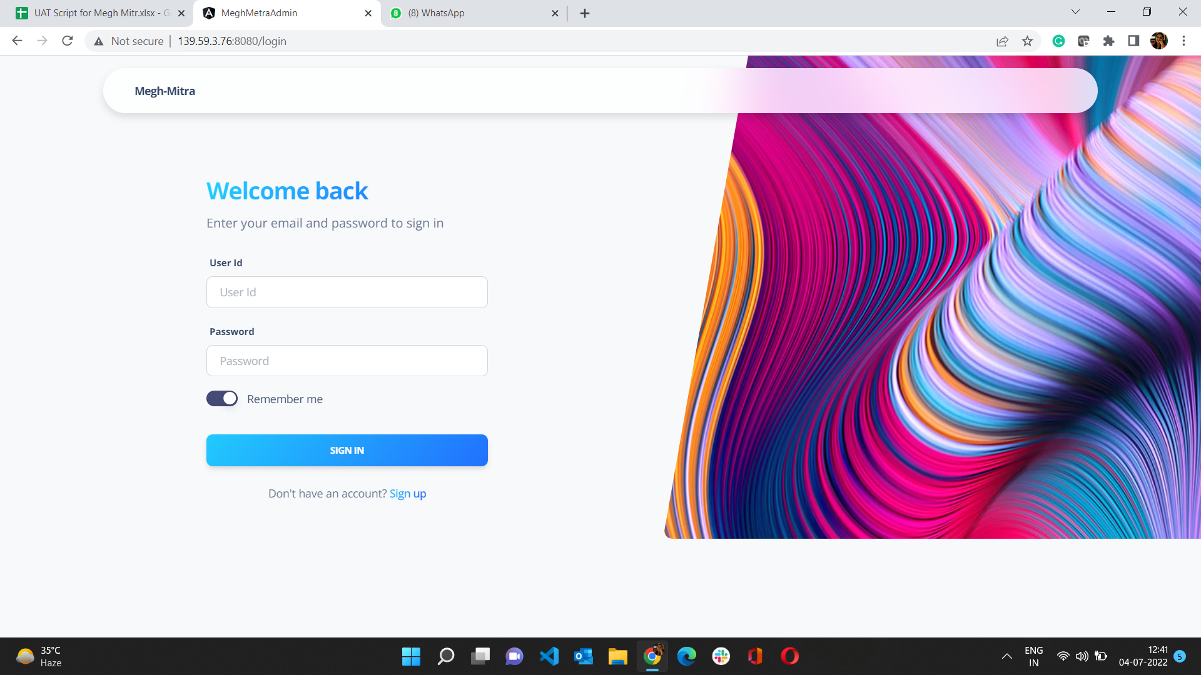 | Pass
1.1 | Dashboard | Displays User dashboard | 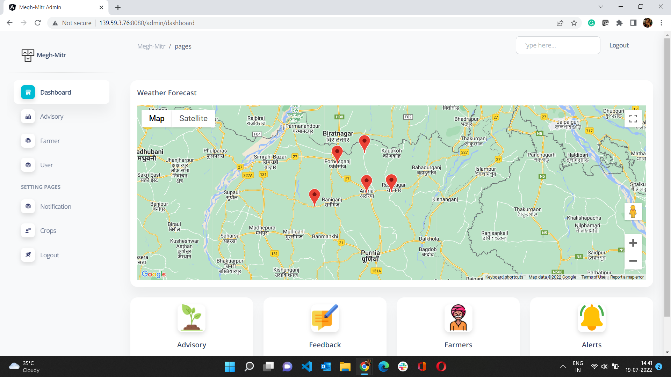
2 | Advisory | Shows the list of advisory available | 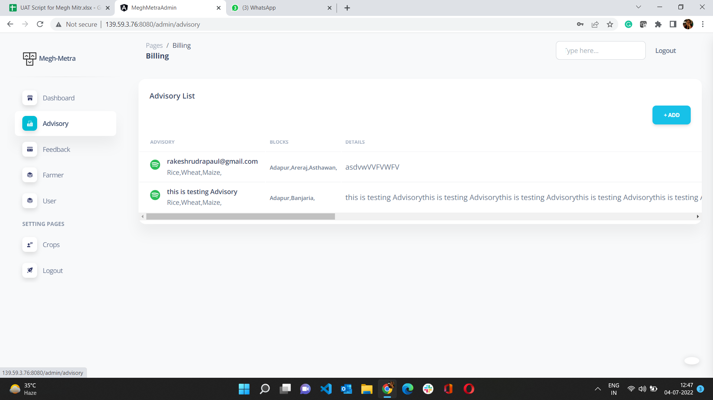 | Pass
2.1 | Add Advisory | To add new advisory click on "+Add" icon | 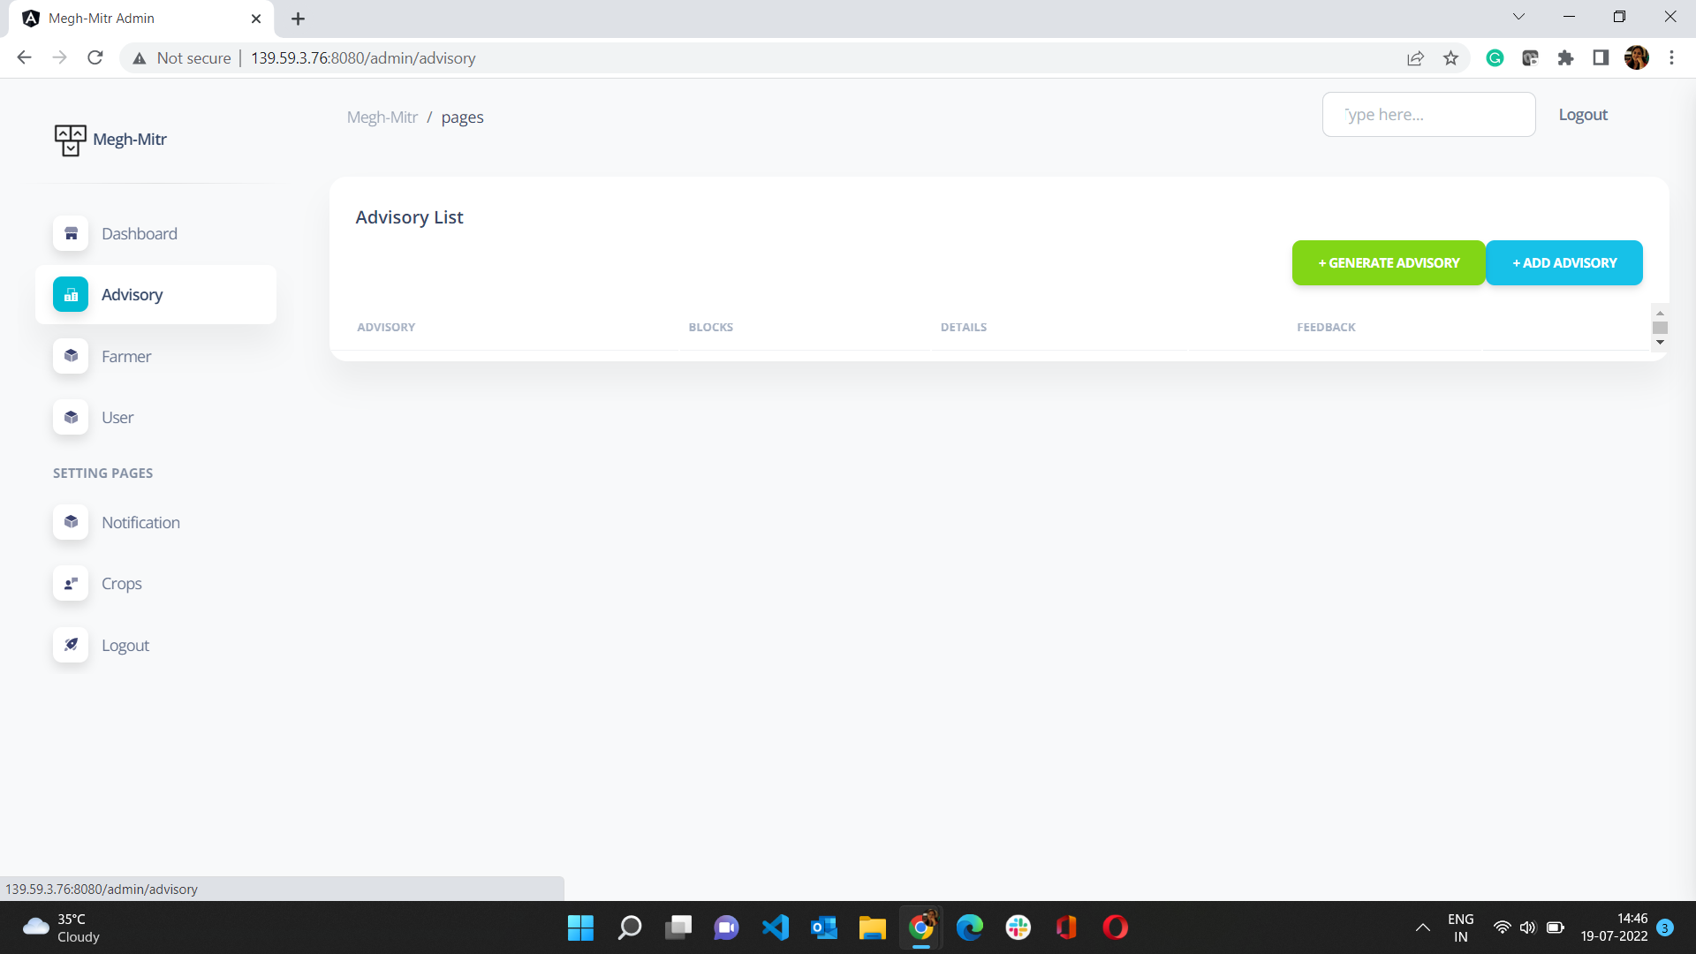 | Pass
2.2 | Generate Advisory | Automatically generates advisory based on AI | 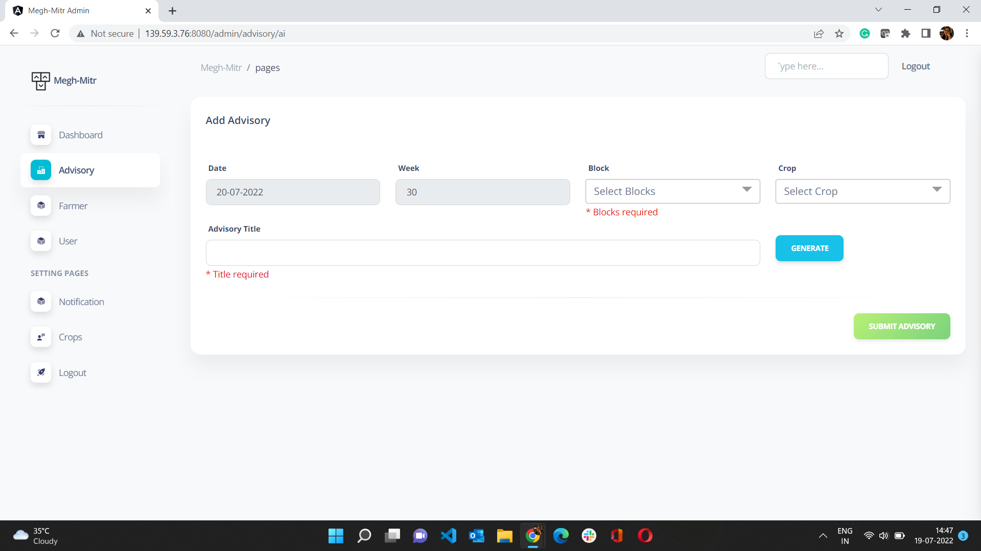
3 | Farmer | Shows the list of farmers and their details | 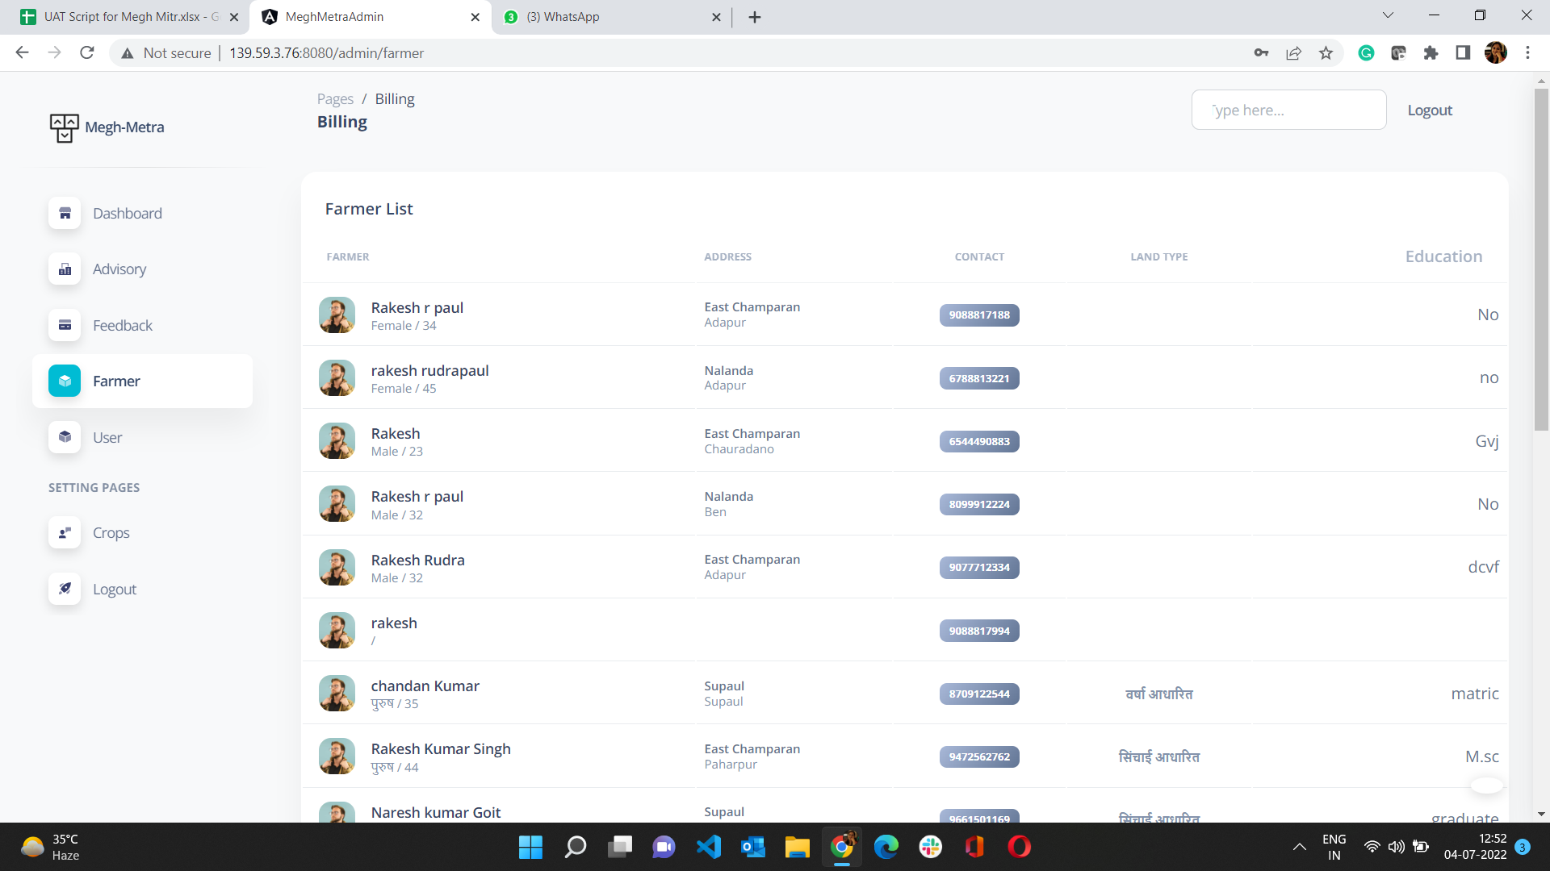 | Pass
4 | User | Shows the list of Admin users | 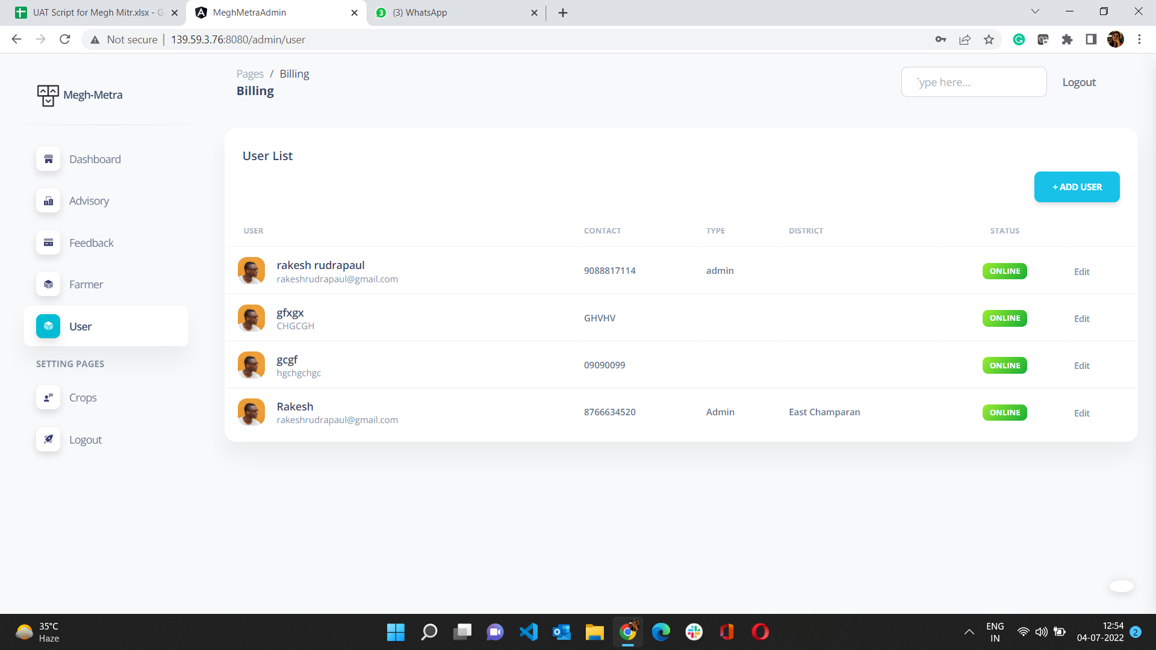 | Pass
4.1 | Add User | Allows to add new user with "Add User" button |  | Pass
5 | Crops | Allows to add crops | 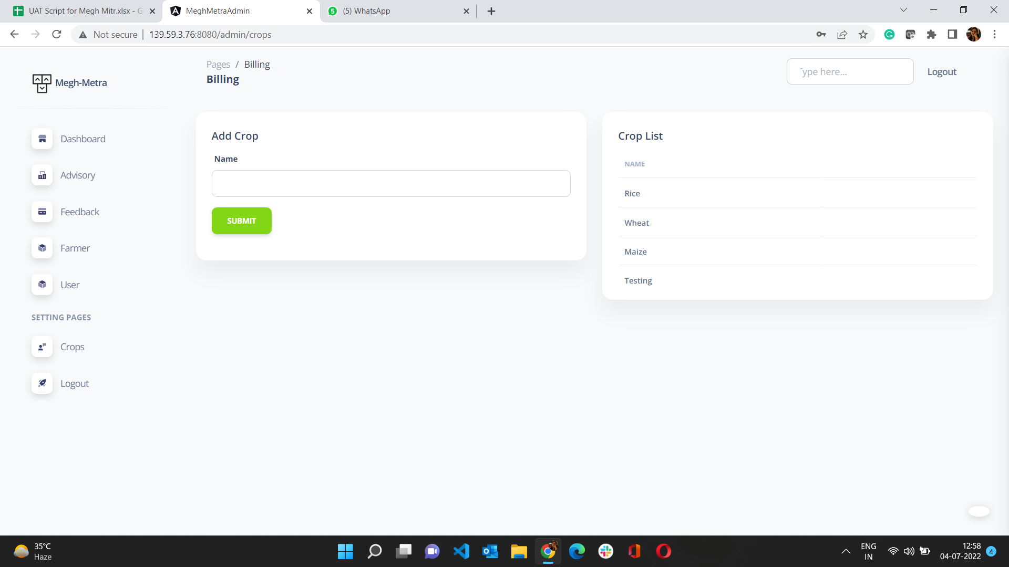 | Pass
6 | Logout | Exit the Admin Portal |  | Pass

Mobile App
Designed by | Radha Seth
Designed Date | 04/07/2022

Test Url | https://play.google.com/store/apps/details?id=com.meghmitr.mgx

Test Title | Mobile Application - Megh Mitr
Test Description | Test the functionalities of Mobile App Megh Mitr

Step No | Test Steps | Expected Result | Reference Screen | Status(Pass/Fail) | Notes
1 | Open the application | This Splash Screen appears |  | Pass
2 | Notification screen | Opens advisory | 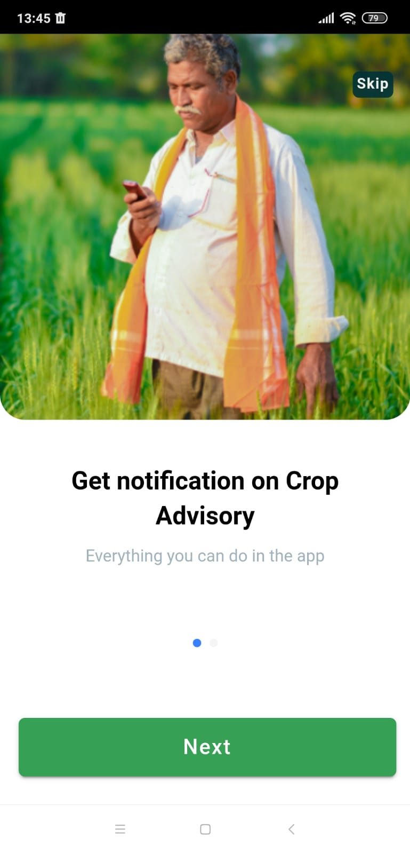 | Pass
2.1 | Notification screen | Opens weather forecast | 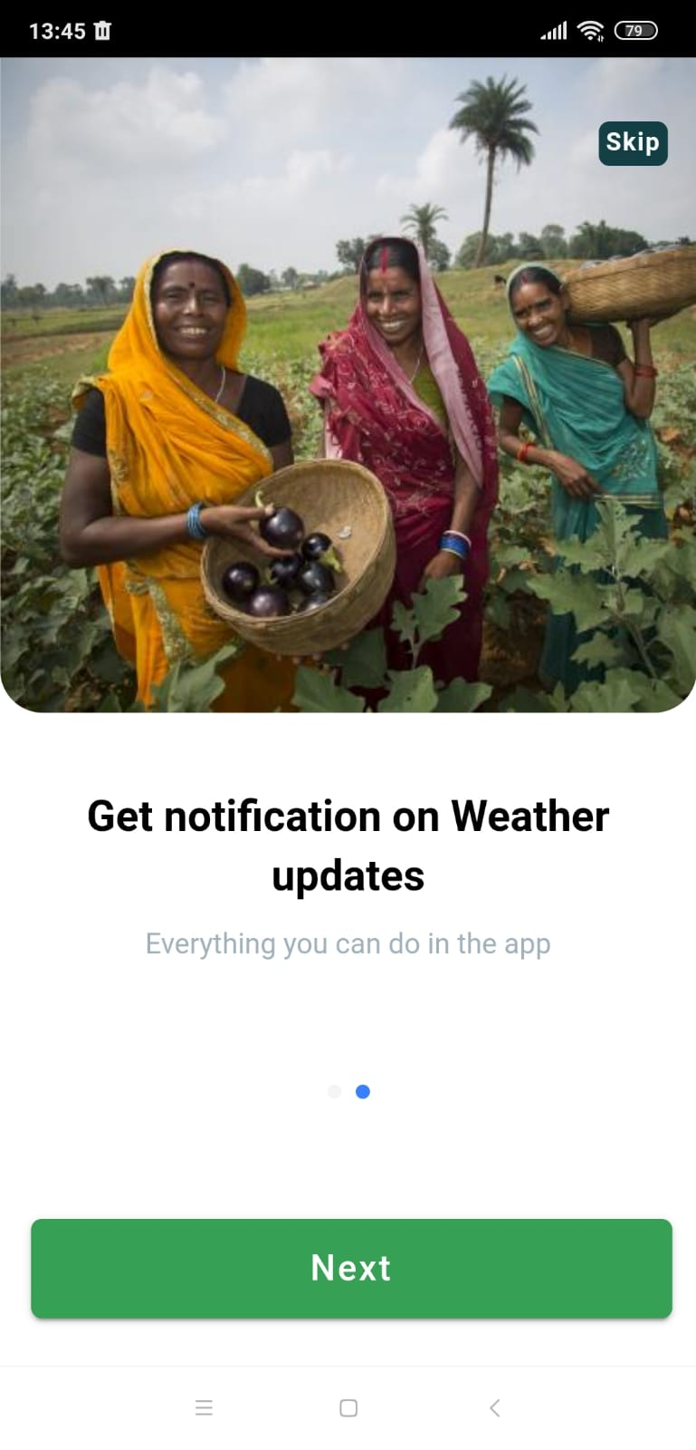 | Pass
3 | Login Screen | Enter Name and mobile number to enter app | 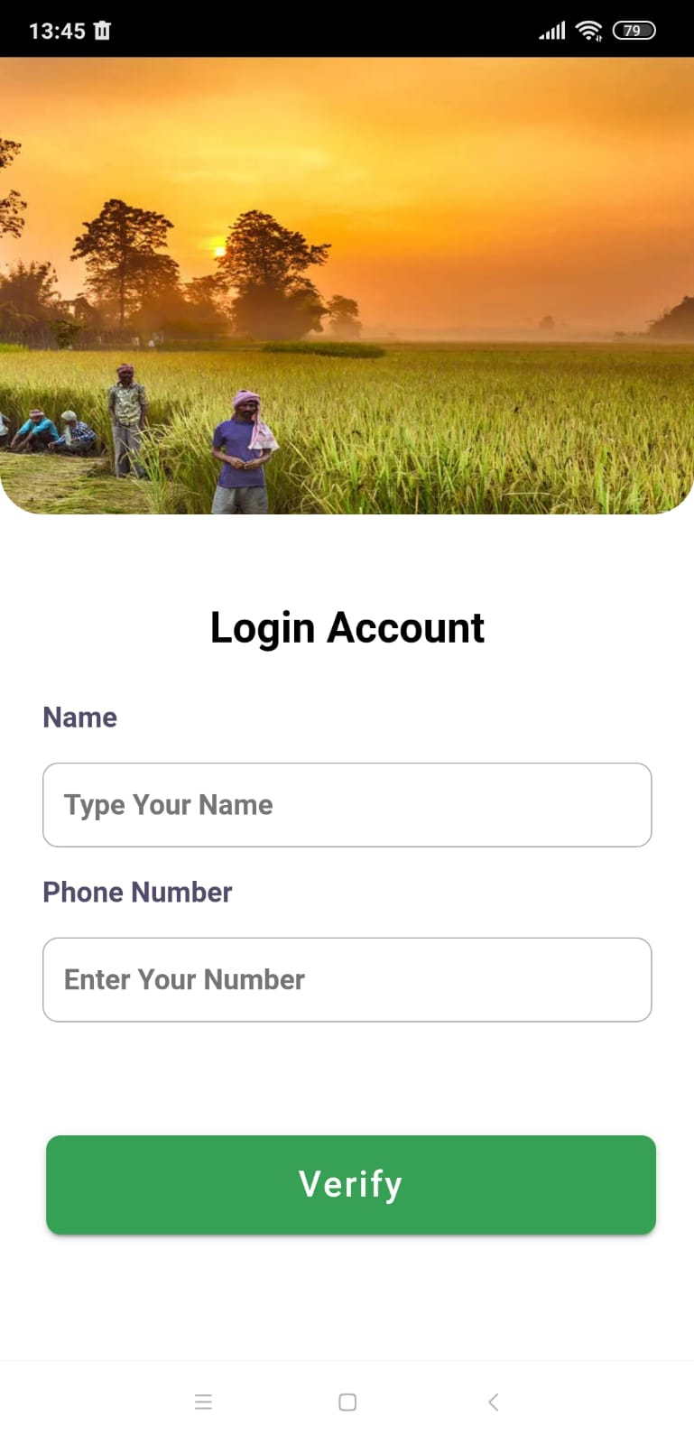 | Pass
4 | Home Screen | Shows the login screen | 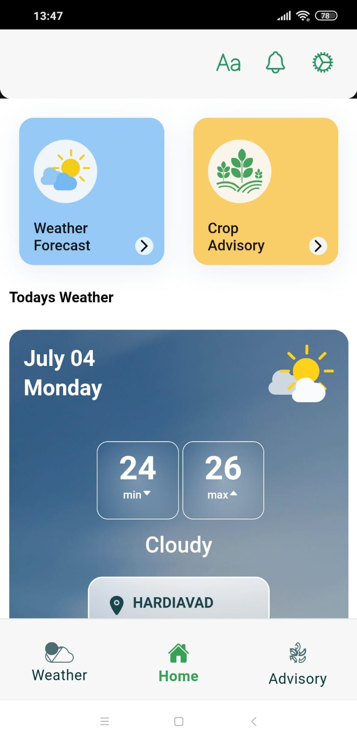 | Pass
5 | Weather Forecast | The user can view the weather forecast for different days | 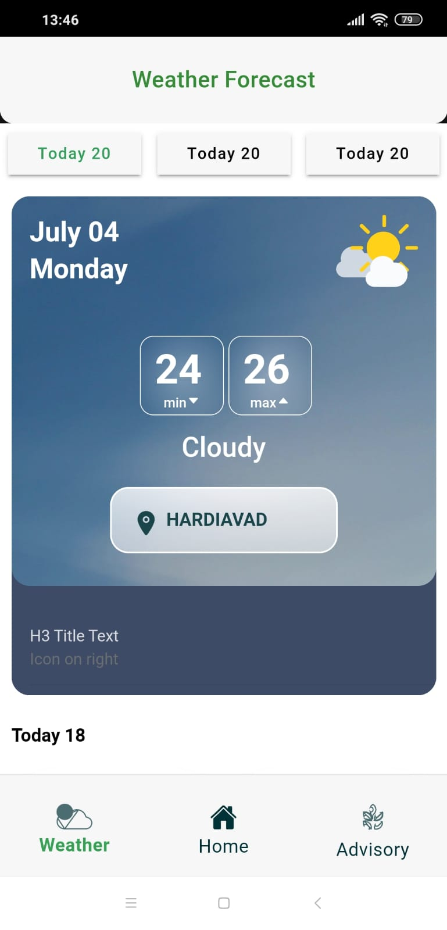 | Pass
6 | Weather Based Advisory | Shows the weather based crop advisory | 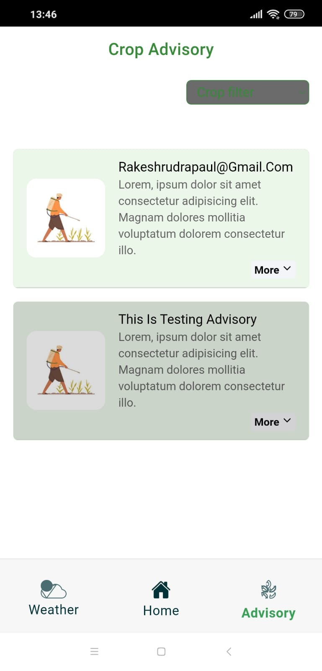 | Pass
6.1 | Crop Filter | Shows advisory based on crops | 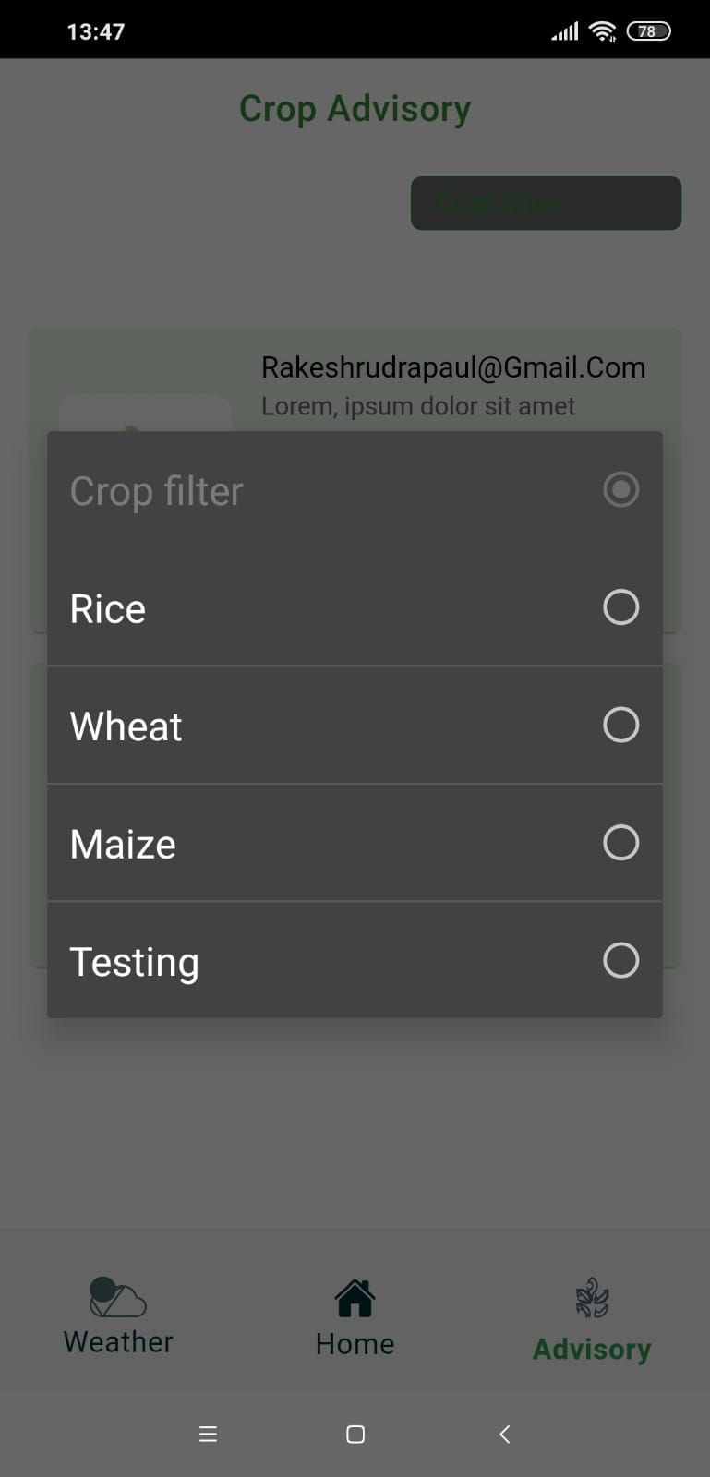 | Pass

