Identify problem
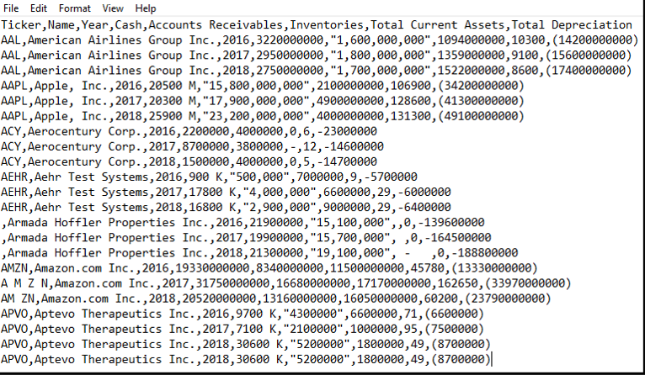

ELT case1
Required
► Complete the ETL overview case, which covers fundamental considerations in the ETL process.
► Review the data extract shown above. Identify any issues that might be problematic and would need to be addressed when performing the ETL procedures.
– Note: you do not need to verify the validity of the amounts (e.g., American Airlines Group Inc. did in fact report cash of 2750000000 for 2018).
► Using the data provided, transform the data using Excel and address the issues you identified. Document the steps you took to transform the data.

Problem:
1. Numeric:
 | inconsistance of format
 | numbers with -, it will not convert to nagetive numbers
 | Some of negative number is within ()
 | number with""will be identified as text
 | Missing values using different ways, - or 0 , ETL cannot interpret properlyu
 | 900 K, number and character mixed, will be text formate
2. Text>
 | Apple, Inc it will identified into 2 columns

