P3_Memo
To: Noah
Subject: Analysis of Payroll Increase from 2015 to 2016

1. Overview

Based on the analysis of payroll data from 2015 to 2016, total payroll expenses increased significantly.
However, this increase was not driven by an increase in employee count, as the number of employees decreased from 851 in 2015 to 804 in 2016 (see Table 1). Instead, the increase is primarily driven by changes in wages, working hours, and job-specific factors.

Table 1: Employee Count Comparison (from P1_5Qs)

2. Key Drivers of Payroll Increase

Using the aggregated results as below table 2, the three job codes with the largest positive wage differences are:

001 – Office
006 – Service
008 – Employee Training

These job categories contributed the most to the overall payroll increase.

Table 2: Aggregated Job-Level Summary (from P3_Q1)

3. Detailed Analysis of Key Job Codes
To understand the drivers behind these increases, a detailed employee-level analysis was conducted as below table 3.
3.1 Office (001)
The Office job category shows the largest increase in total gross wages. This increase is driven by both higher working hours and increases in pay per hour.
Several employees contributed significantly, including:
 | Antonio Torres (increase in both hours and wages)
 | Clarence Padilla (substantial increase in working hours)
This indicates that both workload expansion and compensation adjustments contributed to the increase.
3.2 Service (006)
The Service category experienced a significant increase in total wages, which is driven by a substantial increase in total working hours.
While some employees also show increases in pay per hour, the main driver appears to be increased labor demand.
3.3 Employee Training (008)
The Employee Training category shows an increase in total wages despite a decrease in pay per hour.
This suggests that the increase is driven by higher working hours rather than changes in wage rates.

Table 3: Employee-Level Details (from P3_Q2)
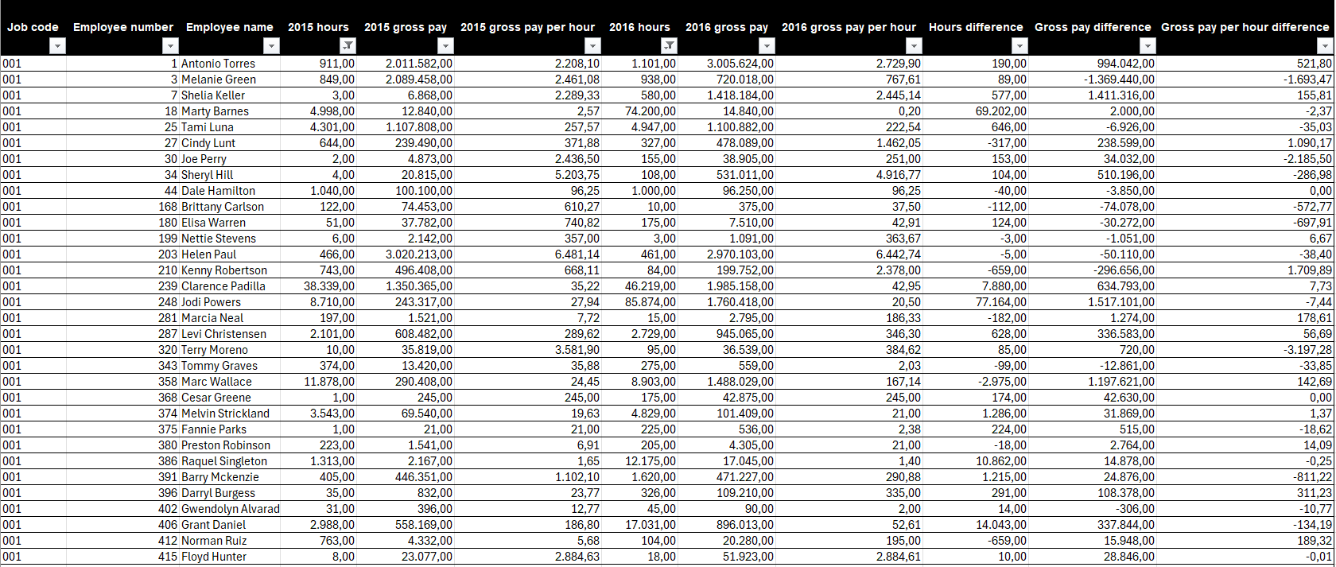

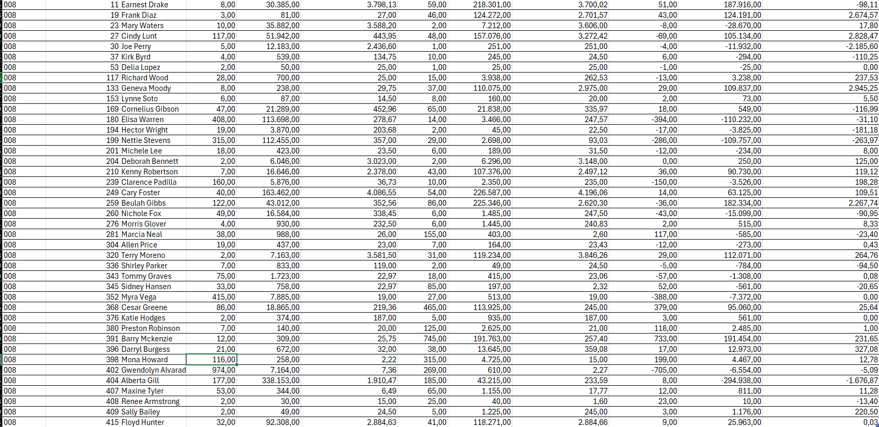

4. Additional Findings
From the broader analysis (see supporting results in P1_5Qs), the increase in payroll is not due to employee growth but is instead driven by:
 | Increased working hours
 | Redistribution of workload across job categories
 | Selective increases in compensation

Table 4: Supporting Payroll & Hours Summary (from P1_5Qs)
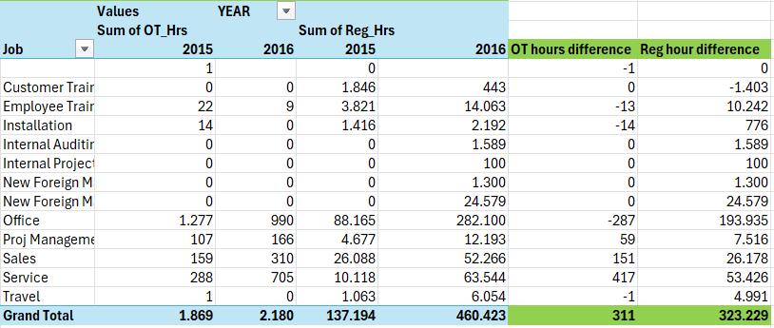

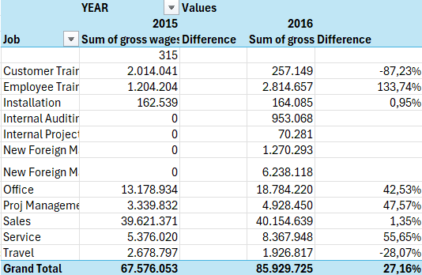

5. Data Discrepancies
Several data issues were identified during the analysis:
 | Job code 144 appears to be invalid and likely results from an error in project code extraction
 | Some employees show extremely large percentage changes due to missing or very small base values
 | Certain records contain unusually high pay-per-hour values, suggesting potential data entry or allocation errors
 | Missing or zero values for some employees in one of the years required exclusion to ensure valid comparisons

6. Conclusion
In conclusion, the payroll increase in 2016 is primarily driven by higher working hours and increases in pay rates within key job categories.
The Office, Service, and Employee Training categories are the main contributors to this change.

