Band_Selection
Band Selection
 | Model Name | Input Size | Batch Size | eta | optimizer | Memory
 | BSNet-Conv | 14 x 14 x 147 | 32 | 0.01 | sgd | 1451/16384 MiB
 | DA_Rec_Net | 14 x 14 x 147 | 32 | 0.01 | sgd | 4803/16384 MiB
 | TA_Rec_Net | 14 x 14 x 147 | 32 | 0.01 | sgd | 1923/16384 MiB
 | SBAN | 28 x 28 x 147 | 32 | 3.50E-05 | adam

Structure | Batch Size | No. of parameters | Optimizer | Initial learning rate | LR Scheduler | Weight decay | Early Stopping | Epochs
[3,4,6,3], [16,32,64,128] | 64 | ~ 40 lacs | sgd | 0.001 | ReduceLROnPlateau | 0.01 | yes | 100

Model | No. of bands | Time/Epoch | Memory | Training acc. | Validation acc. | Test acc. | Avg. Precision | Avg. Recall | Avg. F1 Score | Kappa Coefficient
sban25 | 25 | 54 sec | 4639/16384 | 0.9962 | 0.9539 | 0.9779 | 0.9791 | 0.9779 | 0.9777 | 0.9774
sban50 | 50 | 72 sec | 8211/16384 | 0.9981 | 0.9699 | 0.9847 | 0.9861 | 0.9847 | 0.9846 | 0.9844
sban75 | 75 | 98 sec | 11623/16384 | 0.9984 | 0.9673 | 0.9791 | 0.9808 | 0.9791 | 0.9788 | 0.9786
sban100 | 100 | 127 sec | 14937/16384 | 0.9981 | 0.9838 | 0.9896 | 0.9902 | 0.9896 | 0.9896 | 0.9894
sban125 | 125 | 154 sec | 13723/16384 | 0.9981 | 0.9833 | 0.9911 | 0.9918 | 0.9911 | 0.991 | 0.9909
 | No. of bands | Time/Epoch | Memory | Training acc. | Validation acc. | Test acc. | Avg. Precision | Avg. Recall | Avg. F1 Score | Kappa Coefficient
bsnetconv25 | 25 | 54 sec | 4639/16384 | 0.9997 | 0.8824 | 0.9075 | 0.9104 | 0.9075 | 0.9035 | 0.9056
bsnetconv50 | 50 | 72 sec | 8211/16384 | 0.9998 | 0.9153 | 0.9259 | 0.9339 | 0.9259 | 0.9254 | 0.9244
bsnetconv75 | 75 | 98 sec | 11623/16384 | 0.9996 | 0.9325 | 0.968 | 0.9711 | 0.968 | 0.9675 | 0.9673
bsnetconv100 | 100 | 127 sec | 14937/16384 | 0.9996 | 0.9814 | 0.9793 | 0.9857 | 0.9793 | 0.9787 | 0.9789
bsnetconv125 | 125 | 154 sec | 13723/16384 | 1 | 0.9793 | 0.9896 | 0.9913 | 0.9896 | 0.9895 | 0.9894
 | No. of bands | Time/Epoch | Memory | Training acc. | Validation acc. | Test acc. | Avg. Precision | Avg. Recall | Avg. F1 Score | Kappa Coefficient
danet25 | 25 | 54 sec | 4727/16384 | 0.9951 | 0.8929 | 0.9235 | 0.929 | 0.9235 | 0.9205 | 0.922
danet50 | 50 | 72 sec | 8229/16384 | 0.9932 | 0.8944 | 0.9449 | 0.9526 | 0.9449 | 0.9443 | 0.9438
danet75 | 75 | 98 sec | 11627/16384 | 0.9999 | 0.9541 | 0.9649 | 0.9714 | 0.9649 | 0.9643 | 0.9642
danet100 | 100 | 127 sec | 14931/16384 | 0.9991 | 0.9753 | 0.9819 | 0.9845 | 0.9819 | 0.9817 | 0.9815
danet125 | 125 | 154 sec | 13707/16384 | 0.9998 | 0.9838 | 0.9842 | 0.9848 | 0.9842 | 0.9842 | 0.9839
 | No. of bands | Time/Epoch | Memory | Training acc. | Validation acc. | Test acc. | Avg. Precision | Avg. Recall | Avg. F1 Score | Kappa Coefficient
tanet25 | 25 | 54 sec | 4727/16384 | 0.9992 | 0.8353 | 0.8647 | 0.8741 | 0.8647 | 0.8611 | 0.8619
tanet50 | 50 | 72 sec | 8229/16384 | 0.9997 | 0.9186 | 0.9341 | 0.9404 | 0.9341 | 0.9342 | 0.9328
tanet75 | 75 | 98 sec | 11639/16384 | 0.9998 | 0.9579 | 0.9591 | 0.9605 | 0.9591 | 0.9565 | 0.9582
tanet100 | 100 | 127 sec | 14931/16384 | 0.9999 | 0.9489 | 0.9821 | 0.9854 | 0.9821 | 0.9825 | 0.9817
tanet125 | 125 | 154 sec | 13707/16384 | 0.9998 | 0.9793 | 0.9927 | 0.9932 | 0.9927 | 0.9927 | 0.9926

 | Test Accuracy |  |  |  |  |  | Kappa Coefficient
 | No. of Bands | BSNet-Conv | DARecNet-BS | TAMSRecNet | SBAN |  | No. of Bands | BSNet-Conv | DARecNet-BS | TAMSRecNet | SBAN
 | 25 | 0.9075 | 0.9235 | 0.8647 | 0.9779 |  | 25 | 0.9056 | 0.922 | 0.8619 | 0.9774
 | 50 | 0.9259 | 0.9449 | 0.9341 | 0.9847 |  | 50 | 0.9244 | 0.9438 | 0.9328 | 0.9844
 | 75 | 0.968 | 0.9649 | 0.9591 | 0.9791 |  | 75 | 0.9673 | 0.9642 | 0.9582 | 0.9786
 | 100 | 0.9793 | 0.9819 | 0.9821 | 0.9896 |  | 100 | 0.9789 | 0.9815 | 0.9817 | 0.9894
 | 125 | 0.9896 | 0.9842 | 0.9927 | 0.9911 |  | 125 | 0.9894 | 0.9839 | 0.9926 | 0.9909
 | 147 | 0.9797 | 0.9797 | 0.9797 | 0.9797 |  | 147 | 0.9793 | 0.9793 | 0.9793 | 0.9793

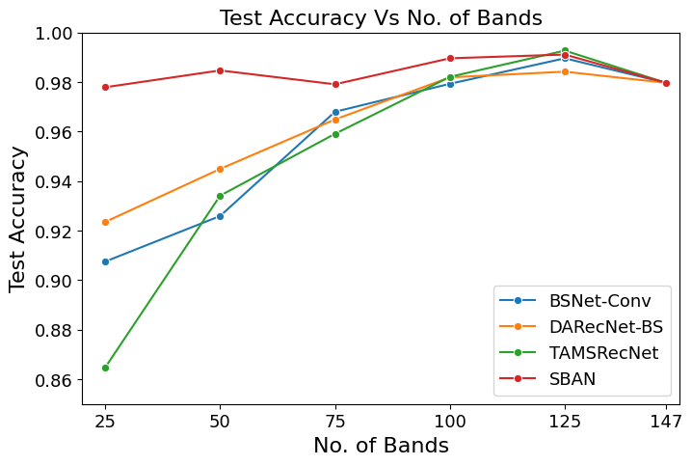
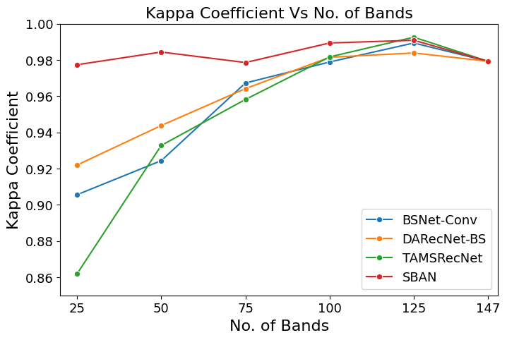

50 bands

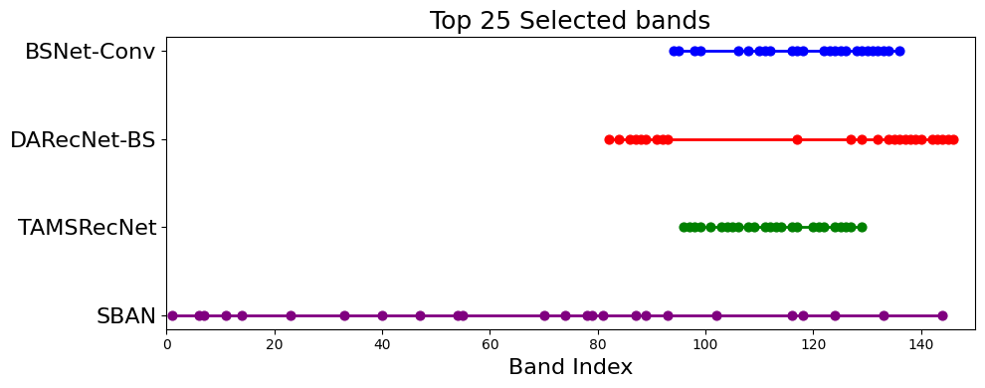
BSNet-Conv | 99, 125, 112, 128, 132, 116, 122, 134, 124, 111, 118, 98, 95, 129, 123, 133, 131, 94, 130, 117, 126, 108, 106, 110, 136, 105, 121, 138, 101, 97, 115, 107, 92, 127, 119, 103, 140, 102, 139, 100, 93, 104, 135, 114, 109, 145, 146, 120, 113, 96
DARecNet-BS | 91, 144, 136, 134, 135, 143, 87, 146, 139, 93, 137, 88, 145, 92, 89, 138, 140, 142, 86, 82, 132, 117, 84, 127, 129, 90, 94, 131, 133, 141, 124, 85, 83, 80, 125, 128, 130, 108, 123, 95, 119, 122, 118, 114, 120, 96, 115, 121, 126, 112
TAMSRecNet | 96, 112, 116, 122, 113, 105, 106, 97, 104, 126, 120, 121, 124, 114, 125, 117, 109, 103, 129, 108, 98, 101, 111, 99, 127, 107, 123, 115, 128, 118, 131, 95, 130, 110, 119, 102, 137, 94, 146, 136, 134, 100, 140, 138, 145, 133, 144, 132, 135, 142
SBAN | 89, 54, 6, 1, 93, 70, 87, 74, 144, 23, 79, 40, 78, 102, 33, 47, 133, 7, 11, 118, 81, 116, 55, 14, 124, 8, 34, 65, 52, 29, 92, 117, 32, 16, 66, 84, 134, 19, 125, 13, 128, 28, 51, 21, 27, 12, 91, 121, 20, 24

3d models-var
3d models
 | Model Name | Structure | Batch Size | No. of parameters | Optimizer | Initial learning rate | LR Scheduler | Weight decay | Early Stopping | Epochs | Time/Epoch | Memory | Training acc. | Validation acc. | Test acc. | Avg. Precision | Avg. Recall | Avg. F1 Score | Kappa Coefficient
ResNet3D-34
 | pg_resnet34_3d_10var | [3,4,6,3], [16,32,64,128] | 64 | ~ 40 lacs | sgd | 0.001 | ReduceLROnPlateau | 0.01 | yes | 44/100 | 37 sec | 15877/16384 MiB | 0.9994 | 0.9071 | 0.9859 | 0.9855 | 0.9912 | 0.9883 | 0.9843
 | pg_resnet34_3d_20var | [3,4,6,3], [16,32,64,128] | 64 | ~ 40 lacs | sgd | 0.001 | ReduceLROnPlateau | 0.01 | yes | 54/100 | 72 sec | 15883/16384 MiB | 0.9981 | 0.9024 | 0.9365 | 0.9782 | 0.9559 | 0.9665 | 0.9331
 | pg_resnet34_3d_30var | [3,4,6,3], [16,32,64,128] | 64 | ~ 40 lacs | sgd | 0.001 | ReduceLROnPlateau | 0.01 | yes | 25/100 | 180 sec | 15875/16384 MiB | 0.9977 | 0.8804 | 0.9349 | 0.9943 | 0.9794 | 0.9864 | 0.9327
 | pg_resnet34_3d_40var | [3,4,6,3], [16,32,64,128] | 64 | ~ 40 lacs | sgd | 0.001 | ReduceLROnPlateau | 0.01 | yes | 45/100 | 180 sec | 15875/16384 MiB | 0.9997 | 0.9459 | 0.965 | 1 | 1 | 1 | 0.9641

 | pg_densenet121_3d_10var | [6,12,24,16], k=6 | 32 | ~4.47 lacs | sgd | 0.0005 | StepLR | 0.025 | yes | 45/100 | 44 sec | 15227/16384 MiB | 0.9991 | 0.84 | 0.92
 | pg_densenet121_3d_20var | [6,12,24,16], k=6 | 32 | ~4.49 lacs | sgd | 0.0005 | StepLR | 0.025 | yes | 47/100 | 88 sec | 15227/16384 MiB | 0.9922 | 0.8259 | 0.8706
 | pg_densenet121_3d_30var | [6,12,24,16], k=6 | 32 | ~4.51 lacs | sgd | 0.0005 | StepLR | 0.025 | yes | 39/100 | 132 sec | 15227/16384 MiB | 0.9884 | 0.8604 | 0.9106
 | pg_densenet121_3d_40var | [6,12,24,16], k=6 | 32 | ~4.53 lacs | sgd | 0.0005 | StepLR | 0.025 | yes | 65/100 | 174 sec | 15227/16384 MiB | 0.9961 | 0.9388 | 0.9553

 | pg_convnext3d_10var | [24,48,96,192] | 64 | ~28.56 lacs | adamw | 0.0005 | Warm-Up with Cosine | 0.05 | yes | 51/100 | 48 sec | 12283/16384 MiB | 0.9891 | 0.8965 | 0.8988
 | pg_convnext3d_20var | [24,48,96,192] | 64 | ~28.58 lacs | adamw | 0.0005 | Warm-Up with Cosine | 0.05 | yes | 51/100 | 96 sec | 12291/16384 MiB | 0.9865 | 0.8853 | 0.9076
 | pg_convnext3d_30var | [24,48,96,192] | 64 |  | adamw | 0.0005 | Warm-Up with Cosine | 0.05 | yes | 50/100 | 142 sec | 12277/16384 MiB | 0.9626 | 0.8388 | 0.8604
 | pg_convnext3d_40var | [24,48,96,192] | 64 | ~28.62 lacs | adamw | 0.0005 | Warm-Up with Cosine | 0.05 | yes | 82/100 | 190 sc | 12277/16384 MiB | 0.9988 | 0.9653 | 0.9632

Varieties Analysis
 |  |  |  | Varieties | 3D-ResNet | 3D-DenseNet | 3D-ConvNext
 |  |  |  | 10 | 0.9859 | 0.92 | 0.8988
 |  |  |  | 20 | 0.9365 | 0.8706 | 0.9076
 |  |  |  | 30 | 0.9349 | 0.9106 | 0.8604
 |  |  |  | 40 | 0.965 | 0.9553 | 0.9632
 |  |  |  | 50 | 0.9845 | 0.9635 | 0.9365

